Sheet2
copy the subtotal price from the website and paste it in the yellow cell
then check the grand total in green down, according to the number of items in the cart

number of products | 1 | 2 | 3 | 4 | 5 | 6 | 7 | 8 | 9 | 10+
credit card fee | 0.03 | 0.03 | 0.03 | 0.03 | 0.03 | 0.03 | 0.03 | 0.03 | 0.03 | 0.03
custom fee | 0.1 | 0.1 | 0.1 | 0.1 | 0.1 | 0.1 | 0.1 | 0.1 | 0.1 | 0.1
shipping fee | 32 | 43 | 55 | 66 | 78 | 88 | 99 | 109 | 119 | 130
service fee | 5 | 5 | 5 | 10 | 10 | 10 | 20 | 20 | 20 | 25
tax fee | 0.07 | 0.07 | 0.07 | 0.07 | 0.07 | 0.07 | 0.07 | 0.07 | 0.07 | 0.07

subtotal | 146 | 146 | 146 | 146 | 146 | 146 | 146 | 146 | 146 | 146

Tax amount ($total_tax) | 10.22 | 10.22 | 10.22 | 10.22 | 10.22 | 10.22 | 10.22 | 10.22 | 10.22 | 10.22
plus tax ($cumul_tax) | 156.22 | 156.22 | 156.22 | 156.22 | 156.22 | 156.22 | 156.22 | 156.22 | 156.22 | 156.22
service Expenses ($cumul_service) | 161.22 | 161.22 | 161.22 | 166.22 | 166.22 | 166.22 | 176.22 | 176.22 | 176.22 | 181.22
Shipping Expenses ($cumul_shipping) | 193.22 | 204.22 | 216.22 | 232.22 | 244.22 | 254.22 | 275.22 | 285.22 | 295.22 | 311.22
Credit Card Expenses ($cumul_credit_card) | 5.7966 | 6.1266 | 6.4866 | 6.9666 | 7.3266 | 7.6266 | 8.2566 | 8.5566 | 8.8566 | 9.3366
Total (Customs Excluded) | 199.0166 | 210.3466 | 222.7066 | 239.1866 | 251.5466 | 261.8466 | 283.4766 | 293.7766 | 304.0766 | 320.5566
Customs Fees (CF) | 19.90166 | 21.03466 | 22.27066 | 23.91866 | 25.15466 | 26.18466 | 28.34766 | 29.37766 | 30.40766 | 32.05566
Grand Total (Customs included) | 218.91826 | 231.38126 | 244.97726 | 263.10526 | 276.70126 | 288.03126 | 311.82426 | 323.15426 | 334.48426 | 352.61226

Shipping and handeling Fees | ??? | ??? | ??? | ??? | ??? | ??? | ??? | ??? | ??? | ???
Service Fees | ??? | ??? | ??? | ??? | ??? | ??? | ??? | ??? | ??? | ???

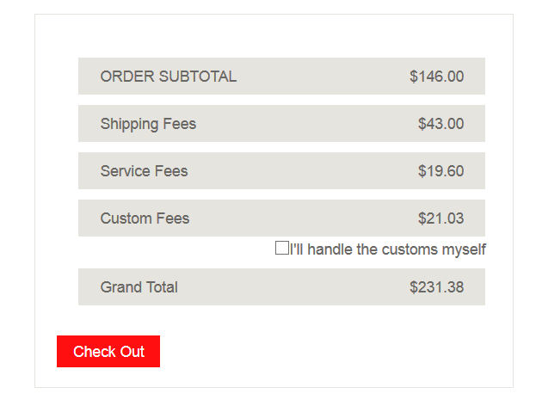

 |  |  |  |  |  |  |  |  |  |  | order sub | 146
 |  |  |  |  |  | 146 |  |  |  |  | Shipping and handling | 64.3466
 |  |  |  |  |  | 64.3466
 |  |  |  |  |  |  |  |  |  |  | Customs Fees | 21.03466

 |  |  |  |  |  | 21.03466 |  |  |  |  | Grand Total | 231.38126

 |  |  |  |  |  | 231.38126

