ROC
 | CART | Random Forest | Neural network
AUC Training data | 0.837 | 0.868 | 0.82
AUC Testing data | 0.801 | 0.821 | 0.80

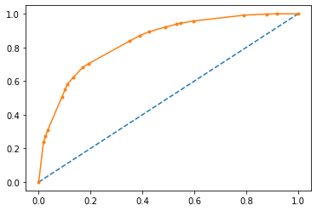
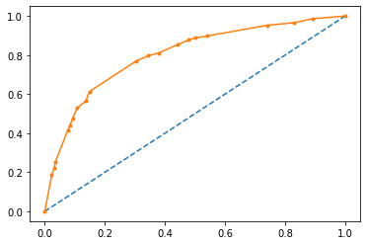
 |  |  | CART-ROC (Training) | CART-ROC (Testing)

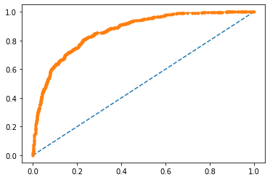
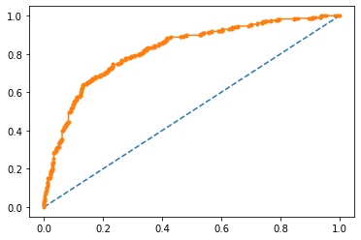
 |  |  | RF -ROC (Training) | RF -ROC (Testing)

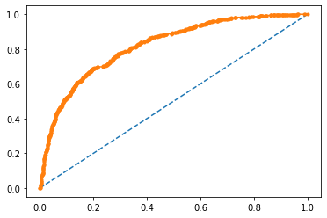
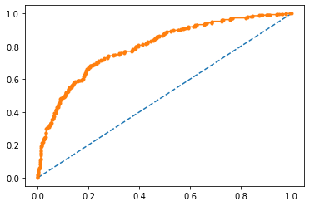
 |  |  | Neural network -ROC (Training) | Neural network-ROC (Testing)

