step1
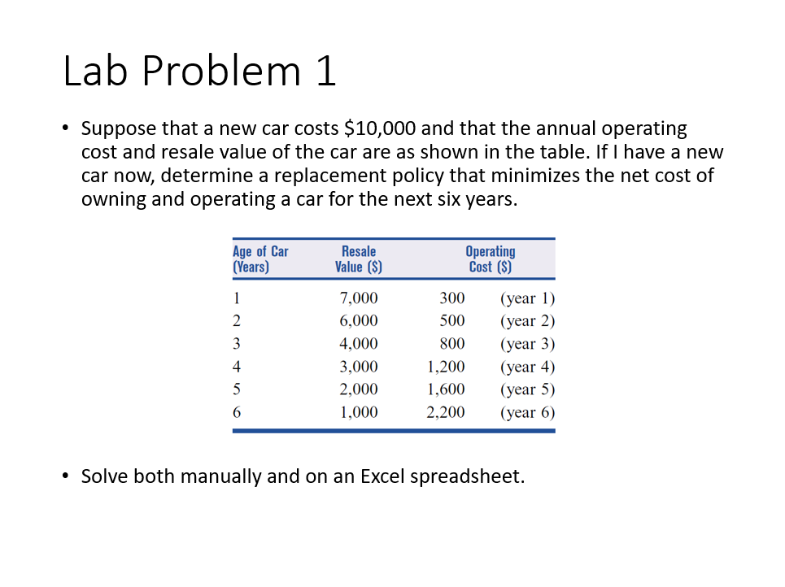
i | j | j-i | c |  | f(j) | f(i) |  |  | 10000
6 | 6 | 0 | 0 | f(6) | 0 | f(6) | 0 | j-i | resale | operating | net cost
5 | 6 | 1 | 3300 | f(6) | 0 | f(5) | 3300 | 1 | 7000 | 300 | 3300
4 | 5 | 1 | 3300 | f(5) | 3300 | f(4) | 6600 | 2 | 6000 | 500 | 4800
4 | 6 | 2 | 4800 | f(6) | 0 | f(4) | 4800 | 3 | 4000 | 800 | 7600
3 | 4 | 1 | 3300 | f(4) | 6600 | f(3) | 9900 | 4 | 3000 | 1200 | 9800
3 | 5 | 2 | 4800 | f(5) | 3300 | f(3) | 8100 | 5 | 2000 | 1600 | 12400
3 | 6 | 3 | 7600 | f(6) | 0 | f(3) | 7600 | 6 | 1000 | 2200 | 15600
2 | 3 | 1 | 3300 | f(3) | 9900 | f(2) | 13200
2 | 4 | 2 | 4800 | f(4) | 6600 | f(2) | 11400
2 | 5 | 3 | 7600 | f(5) | 3300 | f(2) | 10900
2 | 6 | 4 | 9800 | f(6) | 0 | f(2) | 9800
1 | 2 | 1 | 3300 | f(2) | 13200 | f(1) | 16500 | Step 1: Prepare DP table to implement recursion
1 | 3 | 2 | 4800 | f(3) | 9900 | f(1) | 14700 | (note that the values in the H column are not yet finalized)
1 | 4 | 3 | 7600 | f(4) | 6600 | f(1) | 14200
1 | 5 | 4 | 9800 | f(5) | 3300 | f(1) | 13100
1 | 6 | 5 | 12400 | f(6) | 0 | f(1) | 12400
0 | 1 | 1 | 3300 | f(1) | 16500 | f(0) | 19800
0 | 2 | 2 | 4800 | f(2) | 13200 | f(0) | 18000
0 | 3 | 3 | 7600 | f(3) | 9900 | f(0) | 17500
0 | 4 | 4 | 9800 | f(4) | 6600 | f(0) | 16400
0 | 5 | 5 | 12400 | f(5) | 3300 | f(0) | 15700
0 | 6 | 6 | 15600 | f(6) | 0 | f(0) | 15600

