Population
Population

 | http://www.e-stat.go.jp/SG1/estat/toukeiChiri.do?method=init
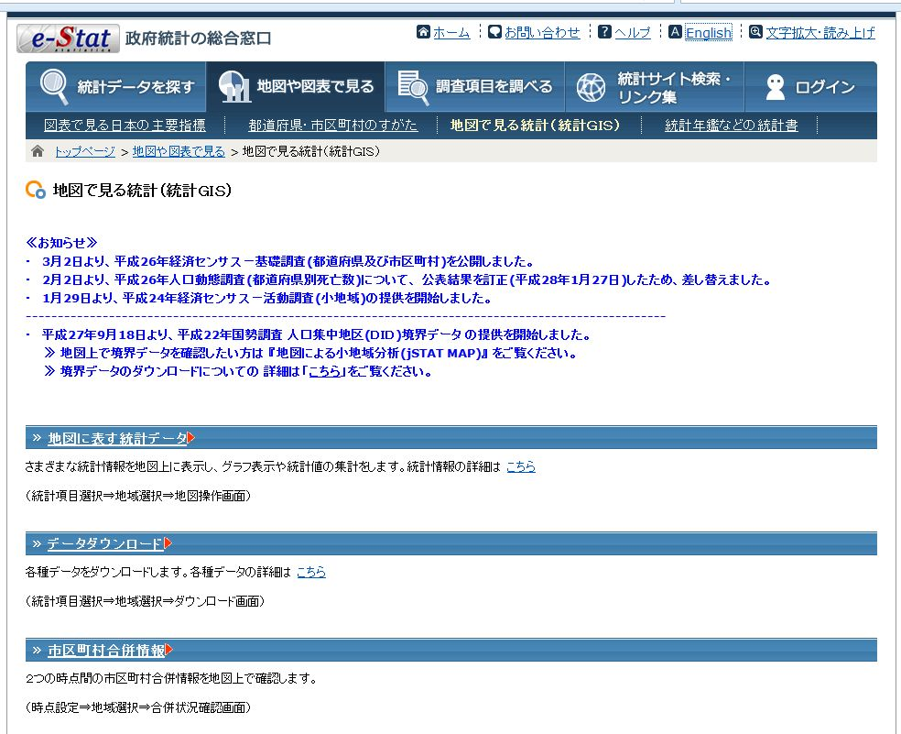

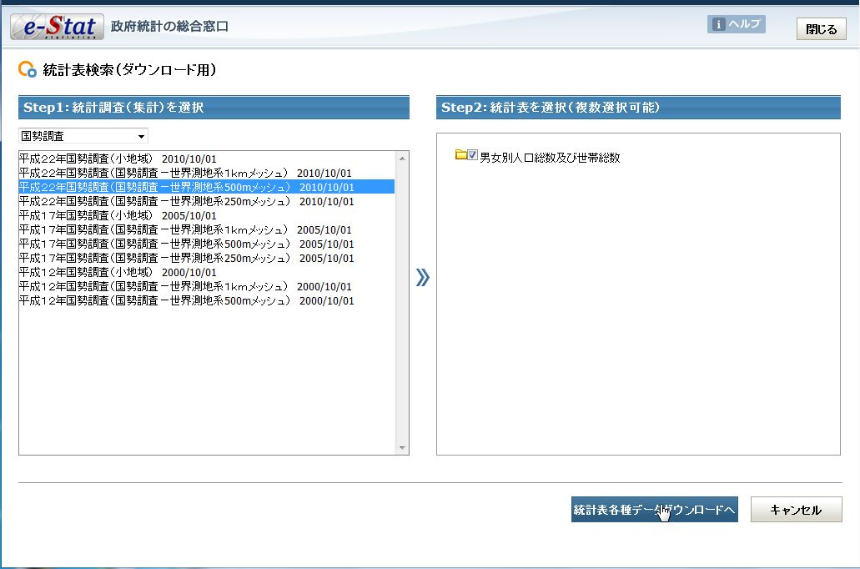

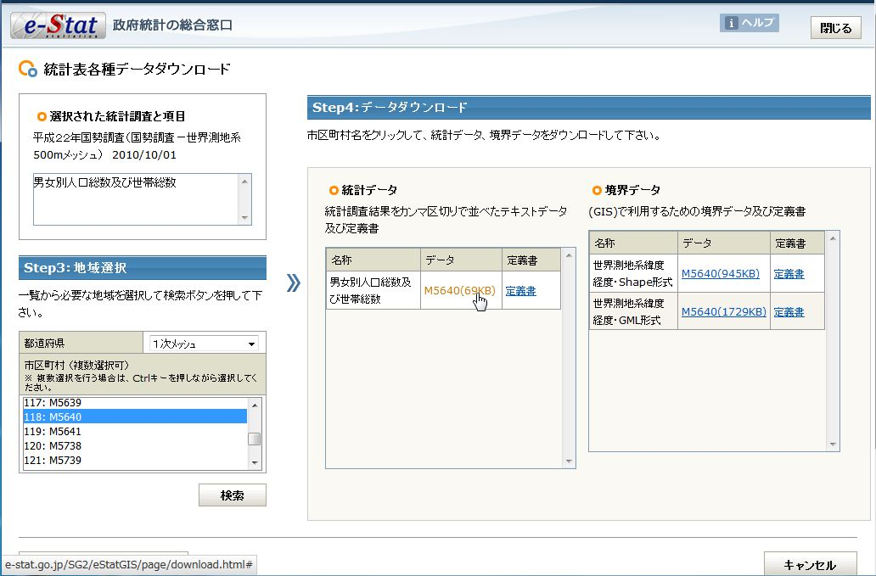

 | Appendix
 | how to know the mesh code
 | http://www.gis-tool.com/mapview/areameshmap.html
 | http://maps.gsi.go.jp/?ll=35.665664,139.7509&z=10&base=std&ls=chiikimesh&disp=1&vs=c1j0l0u0&d=v#10/35.665664/139.750900/&base=std&ls=std%7Cchiikimesh&disp=11&vs=c1j0l0u0f0&d=v
 | https://ja.wikipedia.org/wiki/%E5%9C%B0%E5%9F%9F%E3%83%A1%E3%83%83%E3%82%B7%E3%83%A5

LandUse
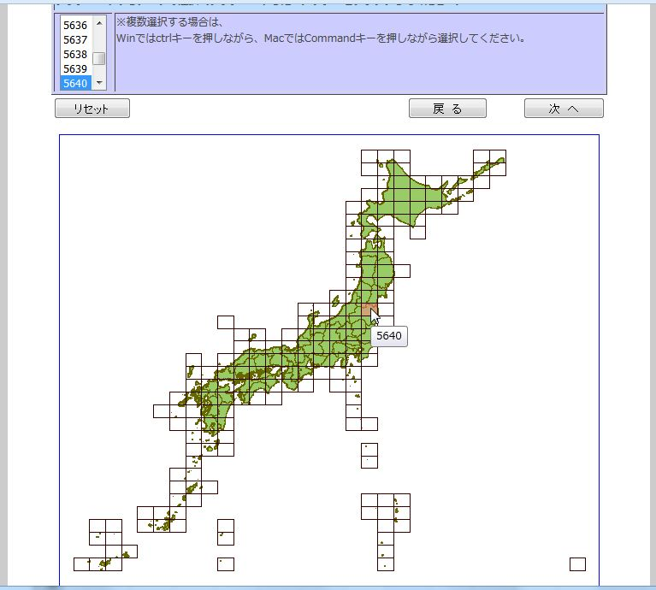
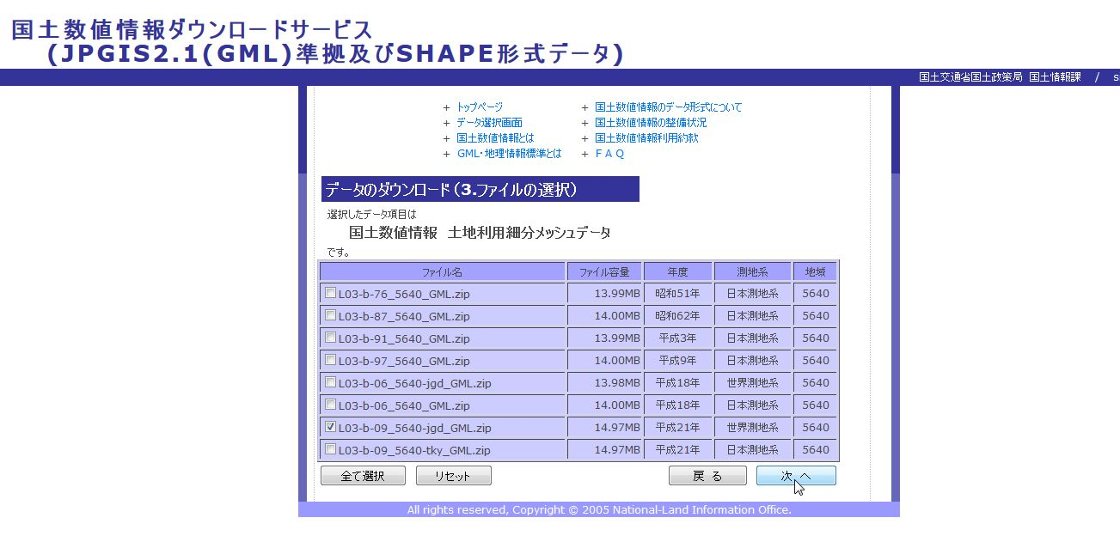
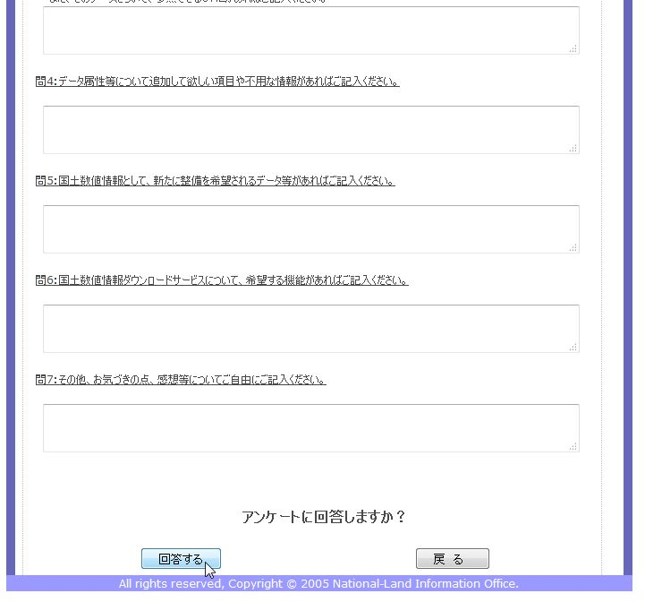
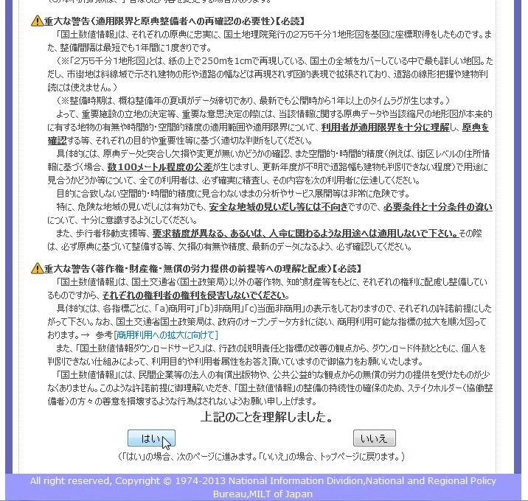
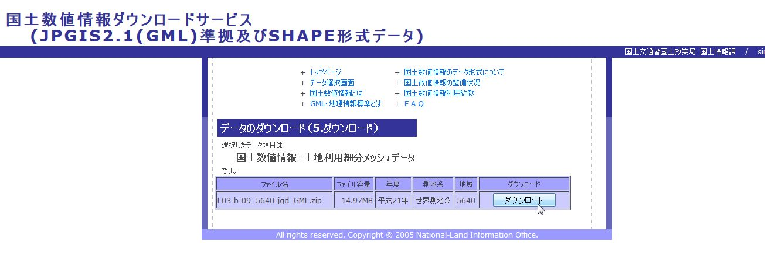
Land Use
 | http://nlftp.mlit.go.jp/ksj/gml/datalist/KsjTmplt-L03-b.html

