Sheet1
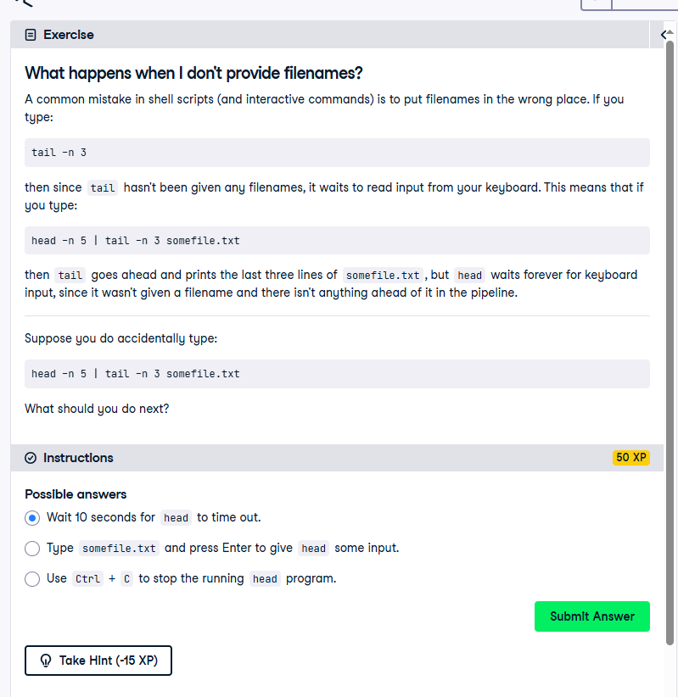
What happens when I don't provide filenames?
A common mistake in shell scripts (and interactive commands) is to put filenames in the wrong place. If you type:

tail -n 3

then since tail hasn't been given any filenames, it waits to read input from your keyboard. This means that if you type:

head -n 5 | tail -n 3 somefile.txt

then tail goes ahead and prints the last three lines of somefile.txt, but head waits forever for keyboard input, since it wasn't given a filename and there isn't anything ahead of it in the pipeline.

Suppose you do accidentally type:

head -n 5 | tail -n 3 somefile.txt

What should you do next?

Instructions
50 XP
Possible answers

Wait 10 seconds for head to time out.

Type somefile.txt and press Enter to give head some input.

Use Ctrl + C to stop the running head program.

