xgboost
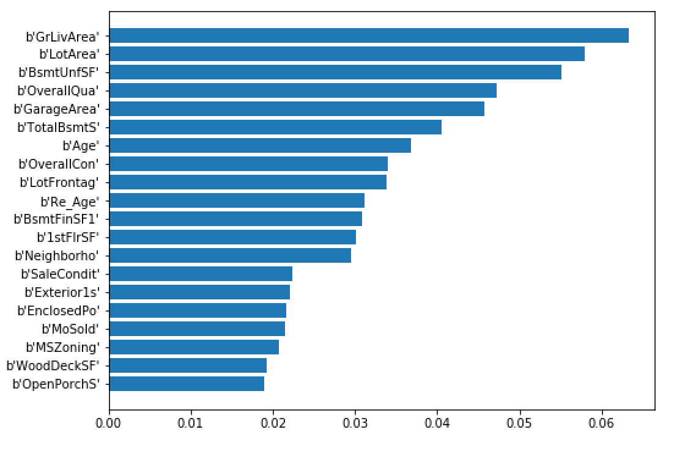
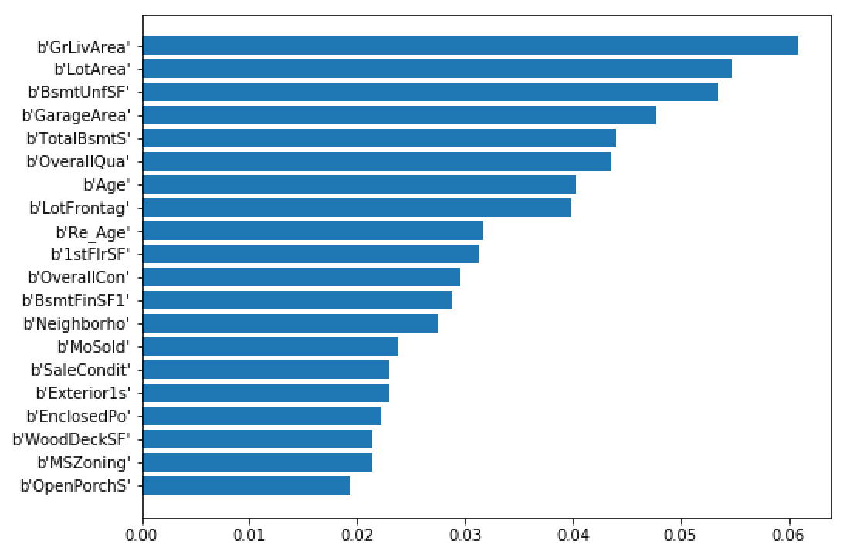
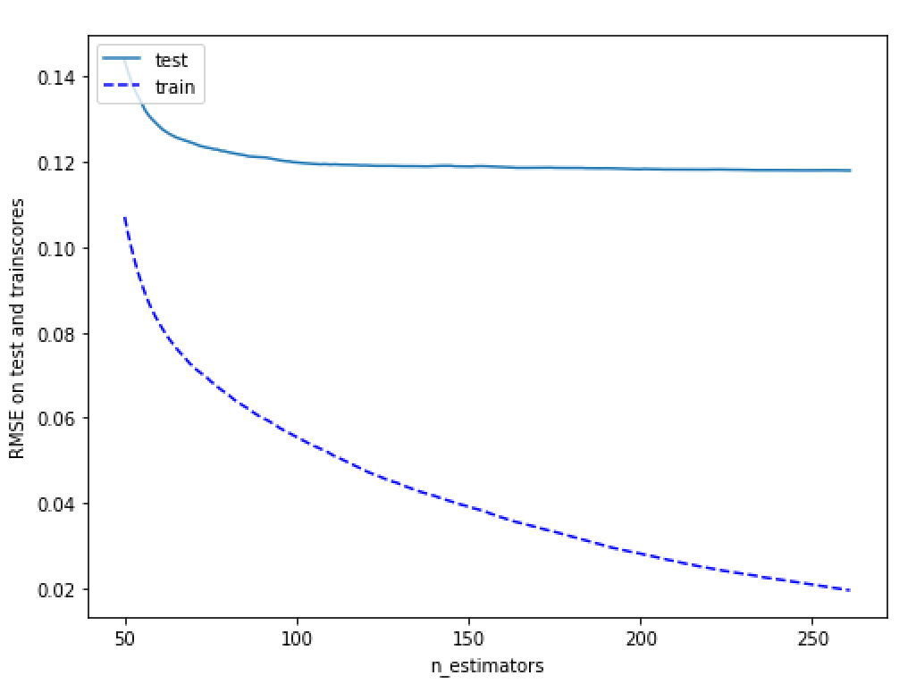
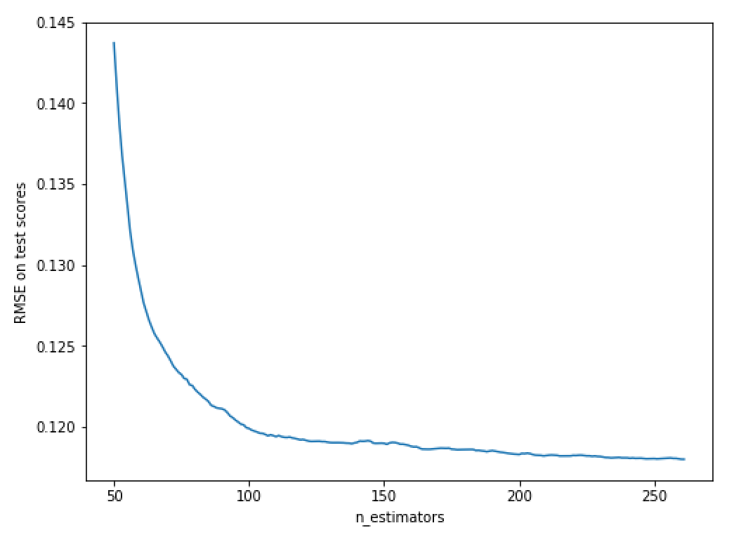
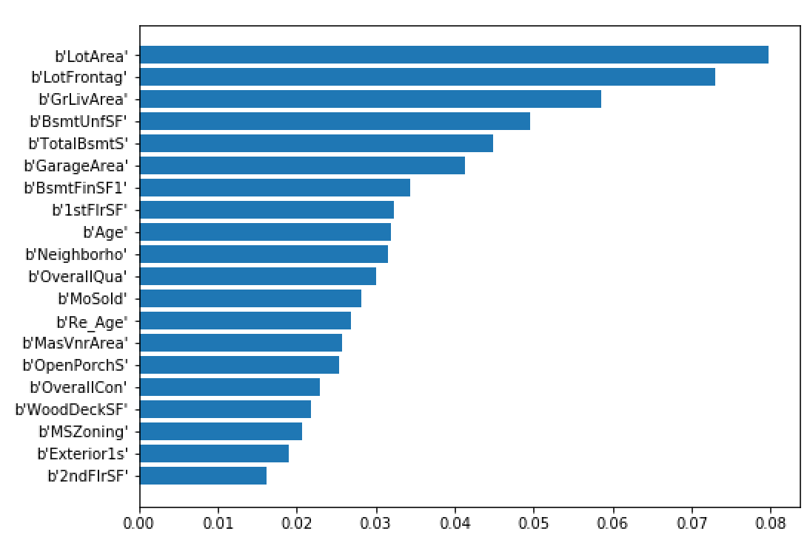
 | With labelencoded data
step 1 | large learning rate, n_estimator optimized |  |  | step 2 | fix learning rate, n_estimator | step 3 | fix learning rate, n_estimator, max_depth, min_child_weight |  | step 4 | Recalibrate n_estimator given tuned parameters in steps 2,3 | step 5: tune subsample and colsample_bytree |  | step 6: tune regularization parameter |  | step 7: reduce learning rate to 0.01, re-tune n_estimators | Final best model
 |  |  |  |  | gridsearchCV on max_depth, min_child_weight |  | gridsearchCV on gamma
 |  |  |  |  |  |  |  |  |  |  |  |  | tried reg_alpha = [1e-5, 1e-4, 1e-3] with 1e-5 being optimal | Starting model | xgb1 = XGBRegressor( | XGBRegressor(base_score=0.5, booster='gbtree', colsample_bylevel=1,
Starting model | xgb1 = XGBRegressor( |  | Params tested | param_test1 = { |  | Params tested | #param_test3 = { |  |  |  |  |  |  |  | learning_rate =0.01, n_estimators=5000, | colsample_bytree=0.8, gamma=0, importance_type='total_gain',
 | learning_rate =0.1, n_estimators=1000, |  |  | 'max_depth':range(3,10,2), |  |  | # 'gamma':[i/10.0 for i in range(0,5)] | Starting model | XGBRegressor(base_score=0.5, booster='gbtree', colsample_bylevel=1, |  | Params tested | param_test4 = { | param_test7 = { |  | max_depth=3, min_child_weight=4, | learning_rate=0.01, max_delta_step=0, max_depth=3,
 | max_depth=5, min_child_weight=1, |  |  | 'min_child_weight':range(1,6,2) |  |  | #} |  | colsample_bytree=0.8, gamma=0, importance_type='total_gain', |  |  | 'subsample':[i/10.0 for i in range(6,10)], | 'reg_lambda':[0.1, 1, 10, 100] |  | gamma=0, subsample=0.8, colsample_bytree=0.8, | min_child_weight=4, missing=None, n_estimator=5000,
 | gamma=0, subsample=0.8, colsample_bytree=0.8, |  |  | } |  |  |  |  | learning_rate=0.1, max_delta_step=0, max_depth=3, |  |  | 'colsample_bytree':[i/10.0 for i in range(6,10)] | } |  | objective= 'reg:linear', n_jobs = -1, | n_estimators=3320, n_jobs=-1, nthread=None, objective='reg:linear',
 | objective= 'reg:linear', n_jobs = -1, |  |  |  |  |  |  |  | min_child_weight=4, missing=None, n_estimators=500, n_jobs=-1, |  |  | } |  |  | seed=27, importance_type = 'total_gain') | random_state=0, reg_alpha=0, reg_lambda=1, scale_pos_weight=1,
 | seed=27, importance_type = 'total_gain') |  |  | param_test2 = { |  |  | param_test3 = { |  | nthread=None, objective='reg:linear', random_state=0, reg_alpha=0, |  |  |  | param_test7 = { |  |  | seed=27, silent=True, subsample=0.8)
 |  |  |  | 'max_depth':[2,3,4], |  |  | 'gamma':[i/100.0 for i in range(0,10)] |  | reg_lambda=1, scale_pos_weight=1, seed=27, silent=True, |  | param_test5 = { |  | 'reg_lambda': [i/10.0 for i in range(16)]
 | submission: | yq_submission19_xgb.csv |  | 'min_child_weight': range(4,7,1) |  |  | } |  | subsample=0.8) |  | 'subsample':[i/100.0 for i in range(75,90,5)], |  | } |  |  | submission: | yq_submission20_xgb_tuned.csv
 | kaggle score | 0.13123 |  | } |  |  |  |  |  |  | 'colsample_bytree':[i/100.0 for i in range(75,90,5)] |  |  |  |  | score: | 0.12795
 |  | 0.12795 |  |  |  |  |  |  |  |  | } |  |  |  | optimal n_estimator is 3320
 |  | 0.00328 |  |  |  |  |  |  |  |  |  |  |  |  | With optimal n_estimator, mean CV test RMSE is 0.1125
 | best n_estimators = 262 |  |  | final best parameters |  |  | final best parameters |  | optimal n_estimator is 398 |  | final best parameters |  | final best parameters |  | With optimal n_estimator, mean CV train RMSE is 0.0500
 | early_stopping_rounds=50 |  |  | Best parameters: {'max_depth': 3, 'min_child_weight': 4} |  |  | Best parameters: {'gamma': 0.0} |  | With optimal n_estimator, mean CV test RMSE is 0.1130 |  | Best parameters: {'colsample_bytree': 0.8, 'subsample': 0.8} |  | reg_alpha = 0 |  | RMSE of xgb entire data is 0.0551
 | FI based on 'gain' |  |  | Best mean test RMSE: 0.1144 |  |  | Best mean test RMSE: 0.1144 |  | With optimal n_estimator, mean CV train RMSE is 0.0455 |  | Best mean test RMSE: 0.1138 |  | reg_lambda = 1
 |  |  |  |  |  |  |  |  | RMSE of xgb entire data is 0.0512
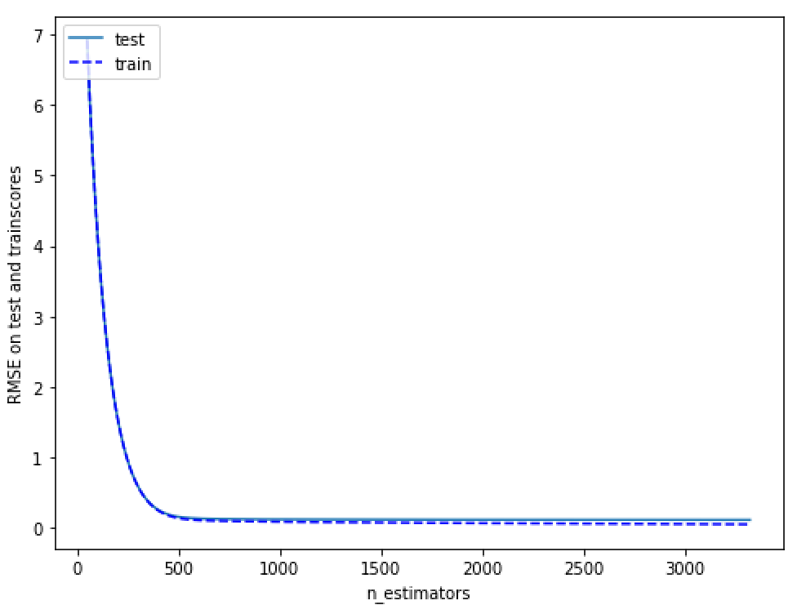
 | optimal n_estimator is 262 |  |  | mean of RMSE: 0.1159, std of MSE: 0.0035 for {'max_depth': 3, 'min_child_weight': 1} |  |  | mean of RMSE: 0.1144, std of MSE: 0.0034 for {'gamma': 0.0} |  |  |  | mean of RMSE: 0.1160, std of MSE: 0.0050 for {'colsample_bytree': 0.6, 'subsample': 0.6} |  | mean of RMSE: 0.1162, std of MSE: 0.0040 for {'reg_lambda': 0.0}
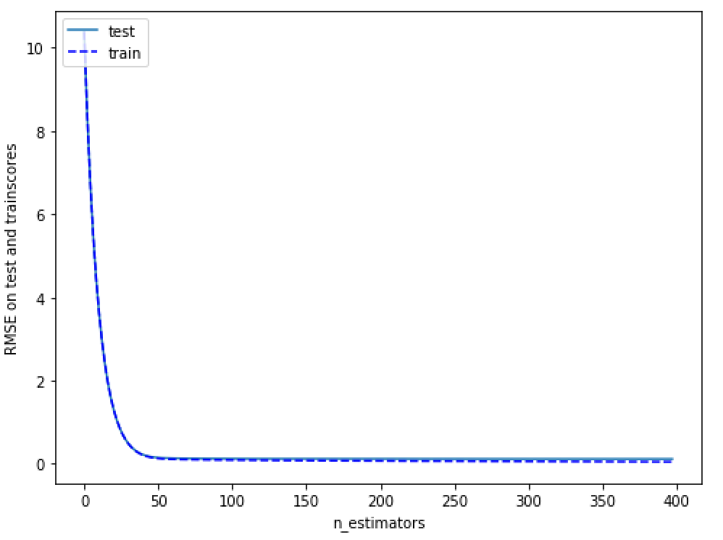
 | With optimal n_estimator, mean CV test RMSE is 0.1180 |  |  | mean of RMSE: 0.1168, std of MSE: 0.0043 for {'max_depth': 3, 'min_child_weight': 3} |  |  | mean of RMSE: 0.1210, std of MSE: 0.0037 for {'gamma': 0.1} |  |  |  | mean of RMSE: 0.1166, std of MSE: 0.0046 for {'colsample_bytree': 0.6, 'subsample': 0.7} |  | mean of RMSE: 0.1172, std of MSE: 0.0042 for {'reg_lambda': 0.1}
 | With optimal n_estimator, mean CV train RMSE is 0.0195 |  |  | mean of RMSE: 0.1154, std of MSE: 0.0035 for {'max_depth': 3, 'min_child_weight': 5} |  |  | mean of RMSE: 0.1265, std of MSE: 0.0040 for {'gamma': 0.2} |  |  |  | mean of RMSE: 0.1166, std of MSE: 0.0043 for {'colsample_bytree': 0.6, 'subsample': 0.8} |  | mean of RMSE: 0.1153, std of MSE: 0.0039 for {'reg_lambda': 0.2}
 | RMSE of xgb entire data is 0.0234 |  |  | mean of RMSE: 0.1183, std of MSE: 0.0038 for {'max_depth': 5, 'min_child_weight': 1} |  |  | mean of RMSE: 0.1305, std of MSE: 0.0043 for {'gamma': 0.3} |  |  |  | mean of RMSE: 0.1154, std of MSE: 0.0042 for {'colsample_bytree': 0.6, 'subsample': 0.9} |  | mean of RMSE: 0.1146, std of MSE: 0.0037 for {'reg_lambda': 0.3}
 |  |  |  | mean of RMSE: 0.1173, std of MSE: 0.0044 for {'max_depth': 5, 'min_child_weight': 3} |  |  | mean of RMSE: 0.1331, std of MSE: 0.0042 for {'gamma': 0.4} |  |  |  | mean of RMSE: 0.1178, std of MSE: 0.0045 for {'colsample_bytree': 0.7, 'subsample': 0.6} |  | mean of RMSE: 0.1163, std of MSE: 0.0036 for {'reg_lambda': 0.4}
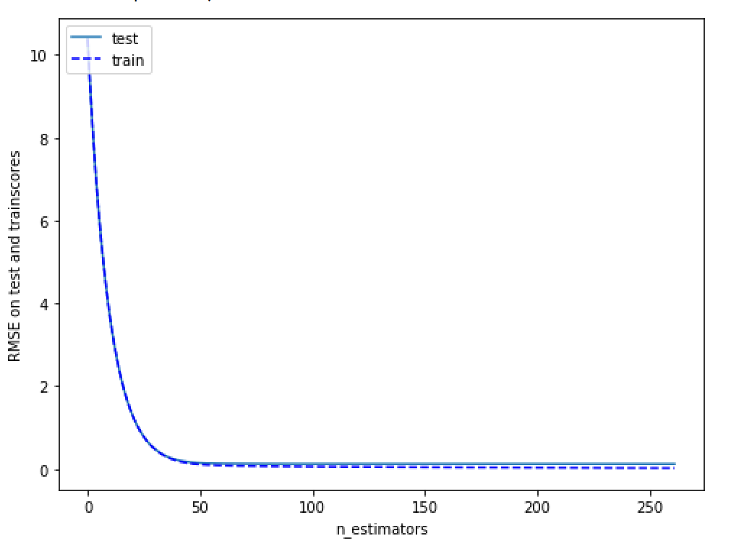
 |  |  |  | mean of RMSE: 0.1160, std of MSE: 0.0041 for {'max_depth': 5, 'min_child_weight': 5} |  |  | Best parameters: {'gamma': 0.0} |  |  |  | mean of RMSE: 0.1143, std of MSE: 0.0041 for {'colsample_bytree': 0.7, 'subsample': 0.7} |  | mean of RMSE: 0.1150, std of MSE: 0.0044 for {'reg_lambda': 0.5}
 |  |  |  | mean of RMSE: 0.1193, std of MSE: 0.0032 for {'max_depth': 7, 'min_child_weight': 1} |  |  | Best mean test RMSE: 0.1144 |  |  |  | mean of RMSE: 0.1156, std of MSE: 0.0045 for {'colsample_bytree': 0.7, 'subsample': 0.8} |  | mean of RMSE: 0.1148, std of MSE: 0.0039 for {'reg_lambda': 0.6}
 |  |  |  | mean of RMSE: 0.1201, std of MSE: 0.0046 for {'max_depth': 7, 'min_child_weight': 3} |  |  |  |  |  |  | mean of RMSE: 0.1155, std of MSE: 0.0039 for {'colsample_bytree': 0.7, 'subsample': 0.9} |  | mean of RMSE: 0.1145, std of MSE: 0.0037 for {'reg_lambda': 0.7}
 |  |  |  | mean of RMSE: 0.1180, std of MSE: 0.0041 for {'max_depth': 7, 'min_child_weight': 5} |  |  | mean of RMSE: 0.1144, std of MSE: 0.0034 for {'gamma': 0.0} |  |  |  | mean of RMSE: 0.1160, std of MSE: 0.0041 for {'colsample_bytree': 0.8, 'subsample': 0.6} |  | mean of RMSE: 0.1154, std of MSE: 0.0047 for {'reg_lambda': 0.8}
 |  |  |  | mean of RMSE: 0.1221, std of MSE: 0.0044 for {'max_depth': 9, 'min_child_weight': 1} |  |  | mean of RMSE: 0.1156, std of MSE: 0.0033 for {'gamma': 0.01} |  |  |  | mean of RMSE: 0.1154, std of MSE: 0.0048 for {'colsample_bytree': 0.8, 'subsample': 0.7} |  | mean of RMSE: 0.1152, std of MSE: 0.0043 for {'reg_lambda': 0.9}
 |  |  |  | mean of RMSE: 0.1209, std of MSE: 0.0040 for {'max_depth': 9, 'min_child_weight': 3} |  |  | mean of RMSE: 0.1153, std of MSE: 0.0039 for {'gamma': 0.02} |  |  |  | mean of RMSE: 0.1138, std of MSE: 0.0034 for {'colsample_bytree': 0.8, 'subsample': 0.8} |  | mean of RMSE: 0.1138, std of MSE: 0.0034 for {'reg_lambda': 1.0}
 |  |  |  | mean of RMSE: 0.1197, std of MSE: 0.0043 for {'max_depth': 9, 'min_child_weight': 5} |  |  | mean of RMSE: 0.1158, std of MSE: 0.0039 for {'gamma': 0.03} |  |  |  | mean of RMSE: 0.1162, std of MSE: 0.0040 for {'colsample_bytree': 0.8, 'subsample': 0.9} |  | mean of RMSE: 0.1145, std of MSE: 0.0037 for {'reg_lambda': 1.1}
 |  |  |  | {'max_depth': 3, 'min_child_weight': 5}, |  |  | mean of RMSE: 0.1167, std of MSE: 0.0037 for {'gamma': 0.04} |  |  |  | mean of RMSE: 0.1153, std of MSE: 0.0044 for {'colsample_bytree': 0.9, 'subsample': 0.6} |  | mean of RMSE: 0.1149, std of MSE: 0.0046 for {'reg_lambda': 1.2}
 |  |  |  | -0.013319798209016858) |  |  | mean of RMSE: 0.1173, std of MSE: 0.0036 for {'gamma': 0.05} |  |  |  | mean of RMSE: 0.1160, std of MSE: 0.0047 for {'colsample_bytree': 0.9, 'subsample': 0.7} |  | mean of RMSE: 0.1159, std of MSE: 0.0041 for {'reg_lambda': 1.3}
 |  |  |  |  |  |  | mean of RMSE: 0.1176, std of MSE: 0.0039 for {'gamma': 0.06} |  |  |  | mean of RMSE: 0.1145, std of MSE: 0.0051 for {'colsample_bytree': 0.9, 'subsample': 0.8} |  | mean of RMSE: 0.1148, std of MSE: 0.0043 for {'reg_lambda': 1.4}
 |  |  |  |  |  |  | mean of RMSE: 0.1182, std of MSE: 0.0040 for {'gamma': 0.07} |  |  |  | mean of RMSE: 0.1154, std of MSE: 0.0047 for {'colsample_bytree': 0.9, 'subsample': 0.9} |  | mean of RMSE: 0.1156, std of MSE: 0.0046 for {'reg_lambda': 1.5}
 |  |  |  | mean of RMSE: 0.1175, std of MSE: 0.0043 for {'max_depth': 2, 'min_child_weight': 4} |  |  | mean of RMSE: 0.1201, std of MSE: 0.0036 for {'gamma': 0.08} |  |  |  | Best parameters: {'colsample_bytree': 0.8, 'subsample': 0.8} |  | Best parameters: {'reg_lambda': 1.0}
 |  |  |  | mean of RMSE: 0.1173, std of MSE: 0.0044 for {'max_depth': 2, 'min_child_weight': 5} |  |  | mean of RMSE: 0.1192, std of MSE: 0.0034 for {'gamma': 0.09} |  |  |  | Best mean test RMSE: 0.1138 |  | Best mean test RMSE: 0.1138
 |  |  |  | mean of RMSE: 0.1169, std of MSE: 0.0043 for {'max_depth': 2, 'min_child_weight': 6} |  |  | Best parameters: {'gamma': 0.0}
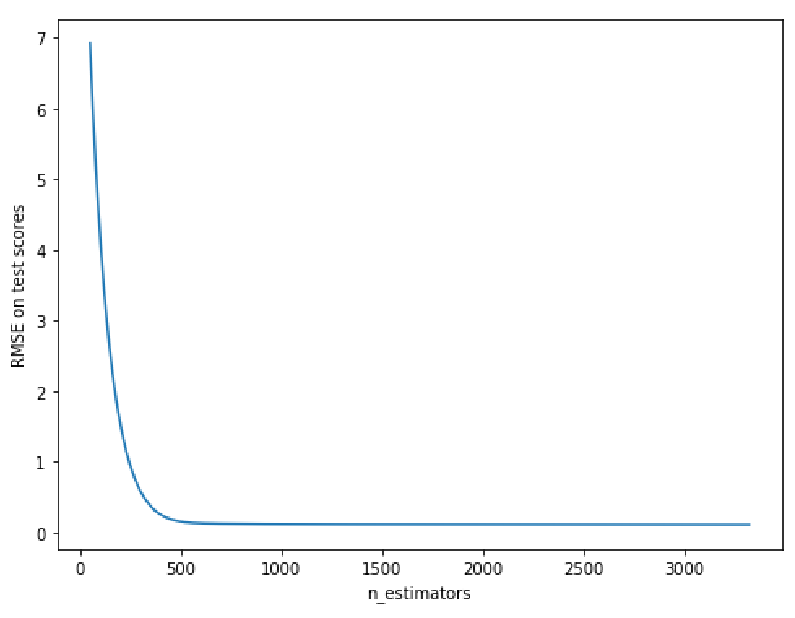
 |  |  |  | mean of RMSE: 0.1144, std of MSE: 0.0034 for {'max_depth': 3, 'min_child_weight': 4} |  |  | Best mean test RMSE: 0.1144 |  |  |  | mean of RMSE: 0.1157, std of MSE: 0.0040 for {'colsample_bytree': 0.75, 'subsample': 0.75}
 |  |  |  | mean of RMSE: 0.1154, std of MSE: 0.0035 for {'max_depth': 3, 'min_child_weight': 5} |  |  |  |  |  |  | mean of RMSE: 0.1171, std of MSE: 0.0042 for {'colsample_bytree': 0.75, 'subsample': 0.8}
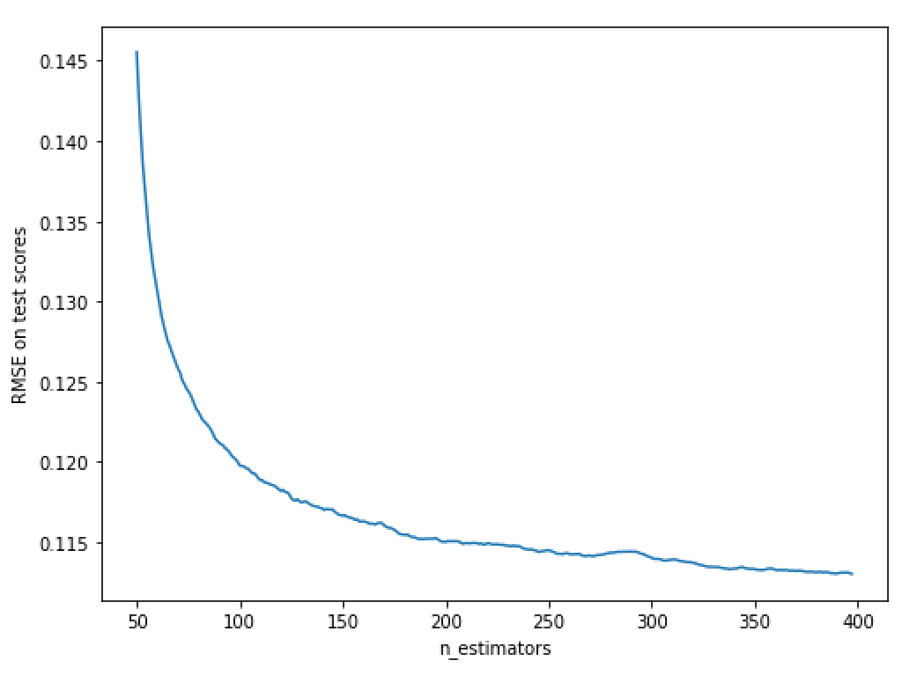
 |  |  |  | mean of RMSE: 0.1145, std of MSE: 0.0041 for {'max_depth': 3, 'min_child_weight': 6} |  |  |  |  |  |  | mean of RMSE: 0.1144, std of MSE: 0.0039 for {'colsample_bytree': 0.75, 'subsample': 0.85}
 |  |  |  | mean of RMSE: 0.1153, std of MSE: 0.0041 for {'max_depth': 4, 'min_child_weight': 4} |  |  |  |  |  |  | mean of RMSE: 0.1150, std of MSE: 0.0035 for {'colsample_bytree': 0.8, 'subsample': 0.75}
 |  |  |  | mean of RMSE: 0.1164, std of MSE: 0.0042 for {'max_depth': 4, 'min_child_weight': 5} |  |  |  |  |  |  | mean of RMSE: 0.1138, std of MSE: 0.0034 for {'colsample_bytree': 0.8, 'subsample': 0.8}
 |  |  |  | mean of RMSE: 0.1156, std of MSE: 0.0044 for {'max_depth': 4, 'min_child_weight': 6} |  |  |  |  |  |  | mean of RMSE: 0.1153, std of MSE: 0.0046 for {'colsample_bytree': 0.8, 'subsample': 0.85}
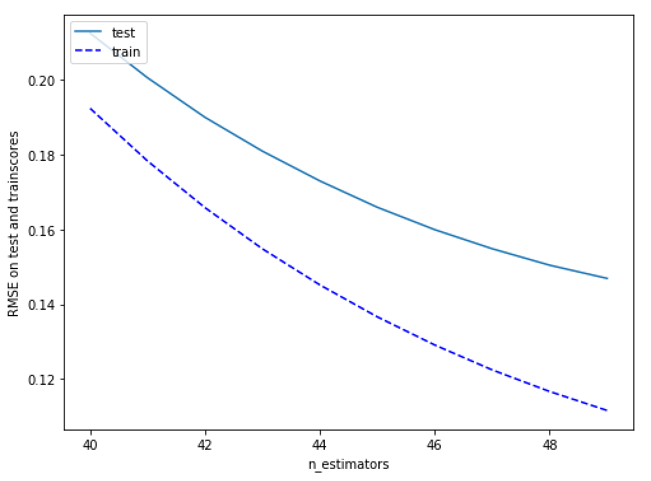
 |  |  |  | Best parameters: {'max_depth': 3, 'min_child_weight': 4} |  |  |  |  |  |  | mean of RMSE: 0.1158, std of MSE: 0.0049 for {'colsample_bytree': 0.85, 'subsample': 0.75}
 |  |  |  | Best mean test RMSE: 0.1144 |  |  |  |  |  |  | mean of RMSE: 0.1151, std of MSE: 0.0042 for {'colsample_bytree': 0.85, 'subsample': 0.8}
 |  |  |  |  |  |  |  |  |  |  | mean of RMSE: 0.1139, std of MSE: 0.0046 for {'colsample_bytree': 0.85, 'subsample': 0.85}
 |  |  |  |  |  |  |  |  |  |  | Best parameters: {'colsample_bytree': 0.8, 'subsample': 0.8}
 |  |  |  |  |  |  |  |  |  |  | Best mean test RMSE: 0.1138

