RF change_02
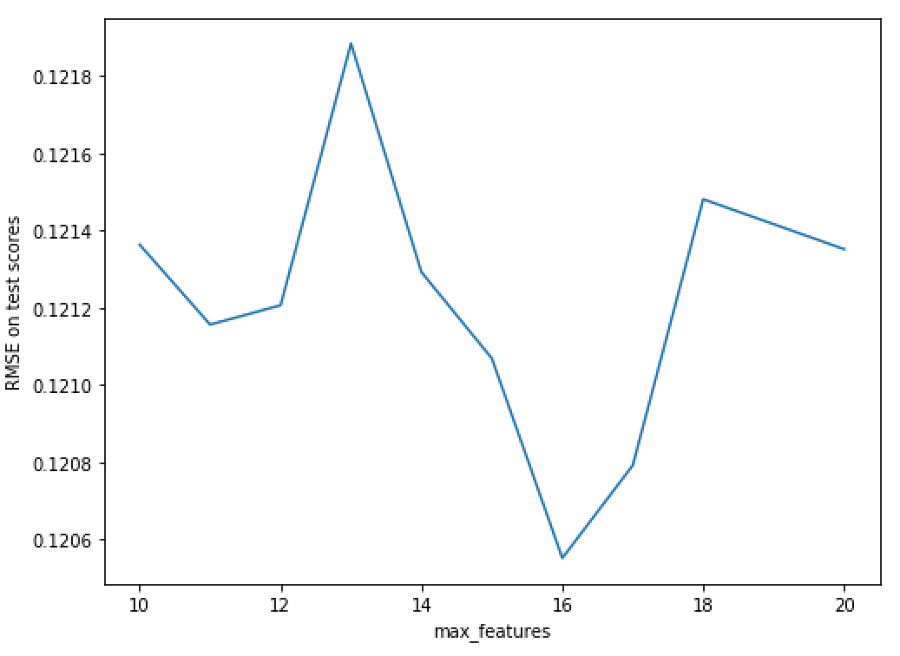
Categoricals with labelencoder, robust scaler (does not matter)
default parameters with train test split | Training |  | Test |  | non-nested CV |  |  | Holding max_depth and n_estimators constant | Holding max_depth, n_estimators and max_features constant | Holding max_depth and n_estimators, min_samples_split constant | Fix max_depth, min_samples_split, min_samples_leaf, max_features, tune n_estimators again
Test size | R^2 | RMSE | R^2 | RMSE | RF1 = tune_Nestimator(X,y) | RF2 = tune_maxdepth(X,y) | best max_depth = 14, n_estimators = 250 | best max_features: 16 | best min_samples_split: 3 | best min_samples_split = 1 | final best n_estimator: 250
0.2 | 0.98 | 0.057 | 0.89 | 0.133 | 183.9686405658722 seconds | 242.00176644325256 seconds | tuneRF3 = tune_Nestimators_maxdepth(X,y) | RF5 = tune_max_features(X,y) | RF4 = tune_min_samples_split(X,y) | tested with n = 100 and n = 250 each several times | rf_model = ensemble.RandomForestRegressor(max_depth = 14, min_samples_split=3, max_features = 16, min_samples_leaf = 1)
0.25 | 0.98 | 0.058 | 0.87 | 0.134 |  |  | n_estimators = np.linspace(100, 300, 21, endpoint=True, dtype = int) | [24 26 28 30 32 34 36 38 40 42 44] | min_samples_split = np.linspace(2,5,4, endpoint=True, dtype=int) |  | n_estimators = np.linspace(50, 400, 8, endpoint=True, dtype = int)
0.3 | 0.98 | 0.06 | 0.88 | 0.144 | best RMSE: 0.12605205496267916 | best RMSE: 0.1263633040675997 | max_depths = np.linspace(2,20,10, endpoint=True, dtype=int) | 132.28533101081848 seconds | rf_model = ensemble.RandomForestRegressor(n_estimators = 250, max_depth = 14, max_features = 16) | RF3 = tune_min_samples_leaf(X,y) | 47.505943298339844 seconds
 |  |  |  |  | best n_estimator: {'n_estimators': 260} | best max_depth: {'max_depth': 16} |  |  |  | min_samples_leaf = np.linspace(1,10,10, endpoint=True, dtype=int) |  | Final submission | yq_submission34_RF_tuned.csv
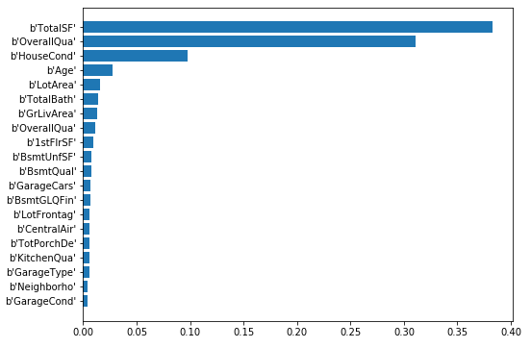
 |  |  |  |  | RandomForestRegressor(bootstrap=True, criterion='mse', max_depth=14, | RandomForestRegressor(bootstrap=True, criterion='mse', max_depth=16, | 1092.787636756897 seconds | best RMSE: 0.1208809989179132 | 24.536365747451782 seconds |  | best RMSE: 0.1206924957201373 | Kaggle score | 0.13354
 |  |  |  |  | max_features='auto', max_leaf_nodes=None, | max_features='auto', max_leaf_nodes=None, | best RMSE: 0.12581221489802072 | best n_estimator: {'max_features': 24} |  | 47.383033990859985 seconds | best n_estimator: {'n_estimators': 250}
 |  |  |  |  | min_impurity_decrease=0.0, min_impurity_split=None, | min_impurity_decrease=0.0, min_impurity_split=None, | best n_estimator: {'max_depth': 14, 'n_estimators': 250} | RandomForestRegressor(bootstrap=True, criterion='mse', max_depth=14, | best RMSE: 0.1205740811433754 |  | RandomForestRegressor(bootstrap=True, criterion='mse', max_depth=14,
 |  |  |  |  | min_samples_leaf=1, min_samples_split=2, | min_samples_leaf=1, min_samples_split=2, | RandomForestRegressor(bootstrap=True, criterion='mse', max_depth=14, | max_features=24, max_leaf_nodes=None, min_impurity_decrease=0.0, | best n_estimator: {'min_samples_split': 3} | best RMSE: 0.12119459464749652 | max_features=16, max_leaf_nodes=None, min_impurity_decrease=0.0,
 |  |  |  |  | min_weight_fraction_leaf=0.0, n_estimators=260, n_jobs=1, | min_weight_fraction_leaf=0.0, n_estimators=260, n_jobs=1, | max_features='auto', max_leaf_nodes=None, | min_impurity_split=None, min_samples_leaf=1, | RandomForestRegressor(bootstrap=True, criterion='mse', max_depth=14, | best n_estimator: {'min_samples_leaf': 1} | min_impurity_split=None, min_samples_leaf=1,
 |  |  |  |  | oob_score=False, random_state=None, verbose=0, warm_start=False) | oob_score=False, random_state=None, verbose=0, warm_start=False) | min_impurity_decrease=0.0, min_impurity_split=None, | min_samples_split=2, min_weight_fraction_leaf=0.0, | max_features=16, max_leaf_nodes=None, min_impurity_decrease=0.0, | RandomForestRegressor(bootstrap=True, criterion='mse', max_depth=14, | min_samples_split=3, min_weight_fraction_leaf=0.0,
 |  |  |  |  |  |  | min_samples_leaf=1, min_samples_split=2, | n_estimators=250, n_jobs=1, oob_score=False, random_state=None, | min_impurity_split=None, min_samples_leaf=1, | max_features=16, max_leaf_nodes=None, min_impurity_decrease=0.0, | n_estimators=250, n_jobs=1, oob_score=False, random_state=None,
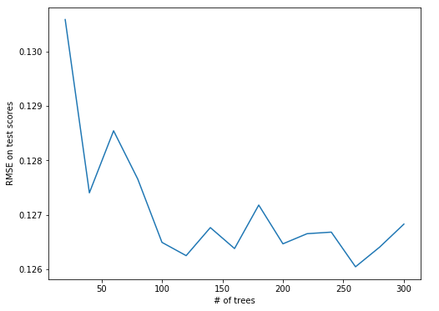
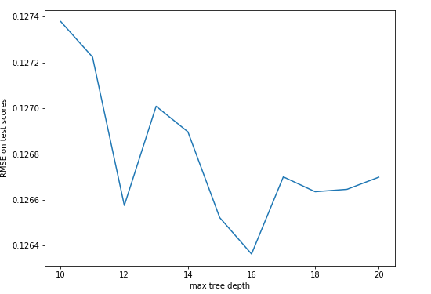
 |  |  |  |  |  |  | min_weight_fraction_leaf=0.0, n_estimators=250, n_jobs=1, | verbose=0, warm_start=False) | min_samples_split=3, min_weight_fraction_leaf=0.0, | min_impurity_split=None, min_samples_leaf=1, | verbose=0, warm_start=False)
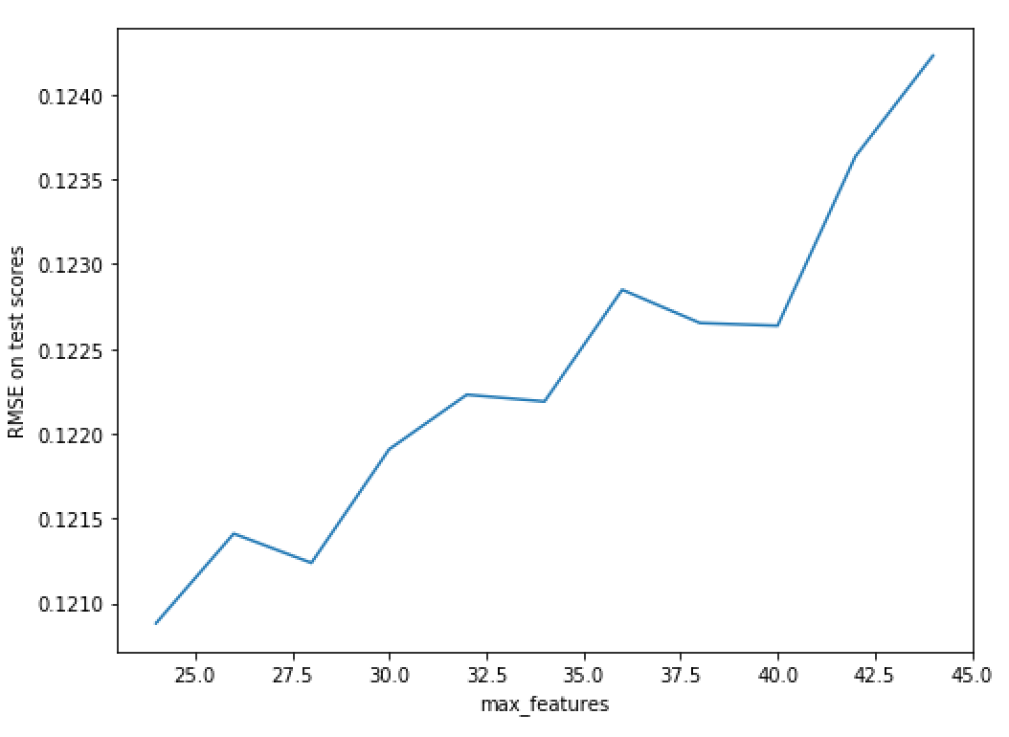
 |  |  |  |  |  |  | oob_score=False, random_state=None, verbose=0, warm_start=False) |  | n_estimators=250, n_jobs=1, oob_score=False, random_state=None, | min_samples_split=3, min_weight_fraction_leaf=0.0,
 |  |  |  |  |  |  |  |  | verbose=0, warm_start=False) | n_estimators=250, n_jobs=1, oob_score=False, random_state=None,
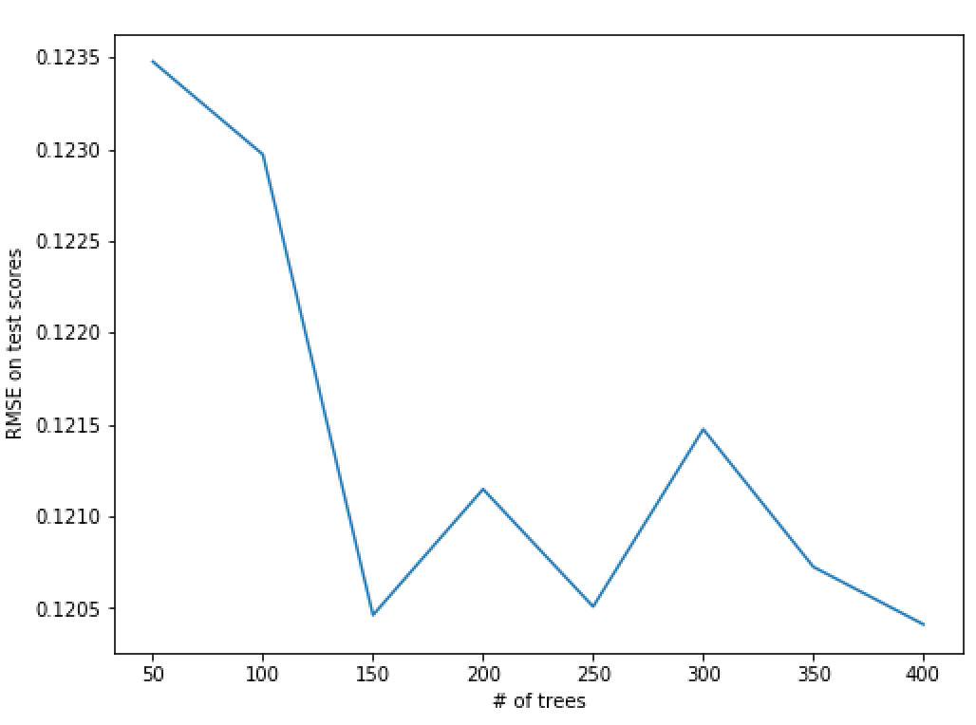
 |  |  |  |  |  |  |  |  |  | verbose=0, warm_start=False)

 |  |  |  |  |  |  |  |  | setting n_estimator = 100 gives min_samples_slit = 3 as the best
 |  |  |  |  |  |  |  |  | 10.160969972610474 seconds

 |  |  |  |  |  |  |  |  | best RMSE: 0.1213186175900126
 |  |  |  |  |  |  |  |  | best n_estimator: {'min_samples_split': 3}
 |  |  |  |  |  |  |  |  | RandomForestRegressor(bootstrap=True, criterion='mse', max_depth=14,
 |  |  |  |  |  |  |  |  | max_features=16, max_leaf_nodes=None, min_impurity_decrease=0.0,
 |  |  |  |  |  |  |  |  | min_impurity_split=None, min_samples_leaf=1,
 |  |  |  |  |  |  |  |  | min_samples_split=3, min_weight_fraction_leaf=0.0,
 |  |  |  |  |  |  |  |  | n_estimators=100, n_jobs=1, oob_score=False, random_state=None,
 |  |  |  |  |  |  |  |  | verbose=0, warm_start=False)

 |  |  |  |  | feature imp | feature imp
 |  |  |  |  | 0 b'OverallQua' 0.451639 | 0 b'OverallQua' 0.447810
 |  |  |  |  | 1 b'TotalSF' 0.279155 | 1 b'TotalSF' 0.284660
 |  |  |  |  | 2 b'HouseCond' 0.079663 | 2 b'HouseCond' 0.078402 |  | [12 15 18 21 24]
 |  |  |  |  | 3 b'Age' 0.024955 | 3 b'Age' 0.026433 |  | 40.21805691719055 seconds
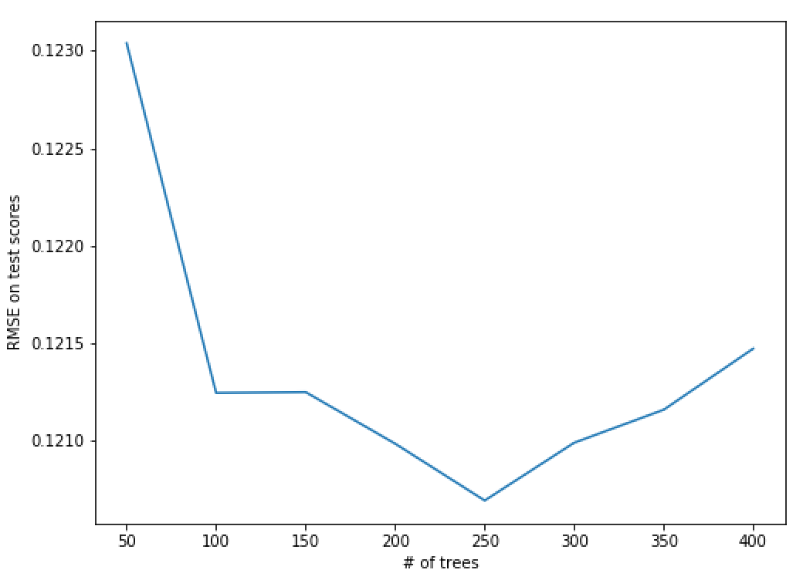
 |  |  |  |  | 4 b'GarageCars' 0.012926 | 4 b'GarageCars' 0.012807
 |  |  |  |  | 5 b'GrLivArea' 0.012169 | 5 b'GrLivArea' 0.011315 |  | best RMSE: 0.12084247874246208
Models | Submission | Kaggle Score |  |  | 6 b'LotArea' 0.012033 | 6 b'LotArea' 0.011262 |  | best n_estimator: {'max_features': 15}
n_estimators = 100, max_depth = 14, max_features = 26 | yq_submission16_RF.csv | 0.14223 |  | <- final best RF model | 7 b'OverallQua' 0.010608 | 7 b'OverallQua' 0.011155 |  | RandomForestRegressor(bootstrap=True, criterion='mse', max_depth=14,
n_estimators = 160, max_depth = 14 | yq_submission17_RF.csv | 0.14468 |  |  | 8 b'TotalBath' 0.009827 | 8 b'TotalBath' 0.009413 |  | max_features=15, max_leaf_nodes=None, min_impurity_decrease=0.0,
n_estimators = 60, max_depth = 12 | yq_submission18_RF.csv | 0.14853 |  |  | 9 b'BsmtUnfSF' 0.008087 | 9 b'GarageType' 0.009007 |  | min_impurity_split=None, min_samples_leaf=1,
 |  |  |  |  | 10 b'GarageType' 0.008020 | 10 b'BsmtUnfSF' 0.008330 |  | min_samples_split=2, min_weight_fraction_leaf=0.0,
 |  |  |  |  | 11 b'1stFlrSF' 0.007191 | 11 b'1stFlrSF' 0.007703 |  | n_estimators=250, n_jobs=1, oob_score=False, random_state=None,
 |  |  |  |  | 12 b'LotFrontag' 0.005876 | 12 b'TotPorchDe' 0.005920 |  | verbose=0, warm_start=False)
 |  |  |  |  | 13 b'TotPorchDe' 0.005525 | 13 b'LotFrontag' 0.005510
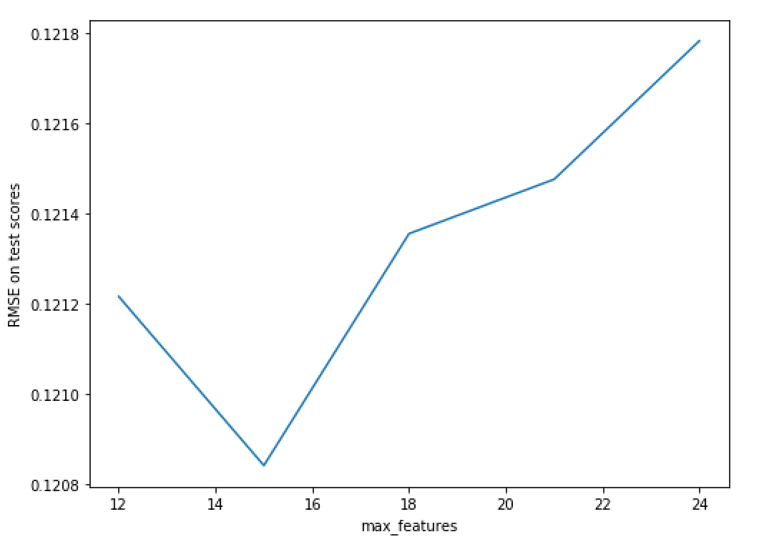
 |  |  |  |  | 14 b'MSZoning' 0.005494 | 14 b'MSZoning' 0.004861
 |  |  |  |  | 15 b'Neighborho' 0.004468 | 15 b'BsmtGLQFin' 0.004813
 |  |  |  |  | 16 b'BsmtGLQFin' 0.004451 | 16 b'Neighborho' 0.004666
 |  |  |  |  | 17 b'BsmtQual' 0.004184 | 17 b'BsmtQual' 0.003823
 |  |  |  |  | 18 b'CentralAir' 0.003267 | 18 b'KitchenQua' 0.003269
 |  |  |  |  | 19 b'KitchenQua' 0.003221 | 19 b'MoSold' 0.003114

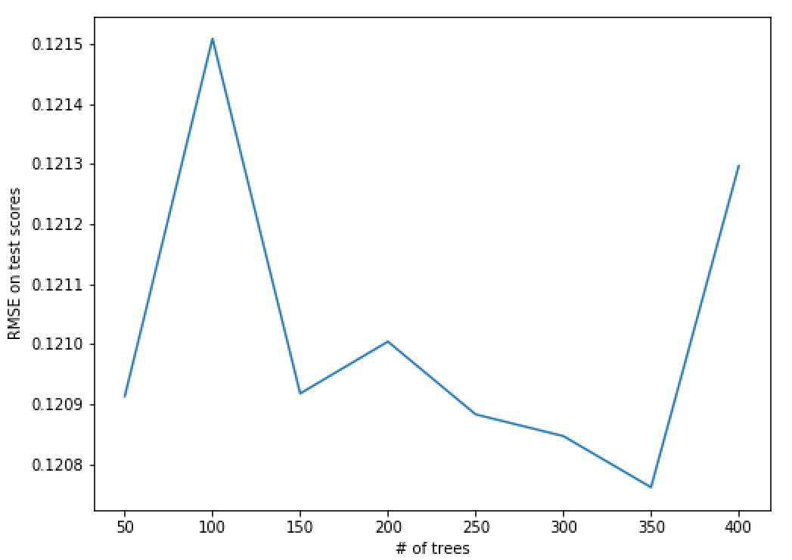

 |  |  |  |  |  |  |  | max_features = np.linspace(12, 18, 7, endpoint=True, dtype = int)

 |  |  |  |  |  |  |  | 65.91718888282776 seconds

 |  |  |  |  |  |  |  | best RMSE: 0.12055160260927753
 |  |  |  |  |  |  |  | best n_estimator: {'max_features': 16}
 |  |  |  |  |  |  |  | RandomForestRegressor(bootstrap=True, criterion='mse', max_depth=14,
 |  |  |  |  |  |  |  | max_features=16, max_leaf_nodes=None, min_impurity_decrease=0.0,
 |  |  |  |  |  |  |  | min_impurity_split=None, min_samples_leaf=1,
 |  |  |  |  |  |  |  | min_samples_split=2, min_weight_fraction_leaf=0.0,
 |  |  |  |  |  |  |  | n_estimators=250, n_jobs=1, oob_score=False, random_state=None,
 |  |  |  |  |  |  |  | verbose=0, warm_start=False)

 |  |  |  |  |  |  |  | The chart below varies a bit across different runs (different random state), but majority has 16 as the optimal

xgboost change_02
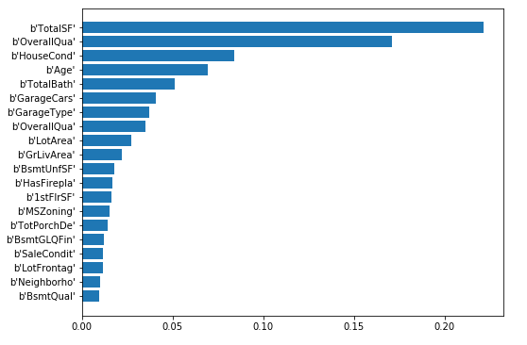
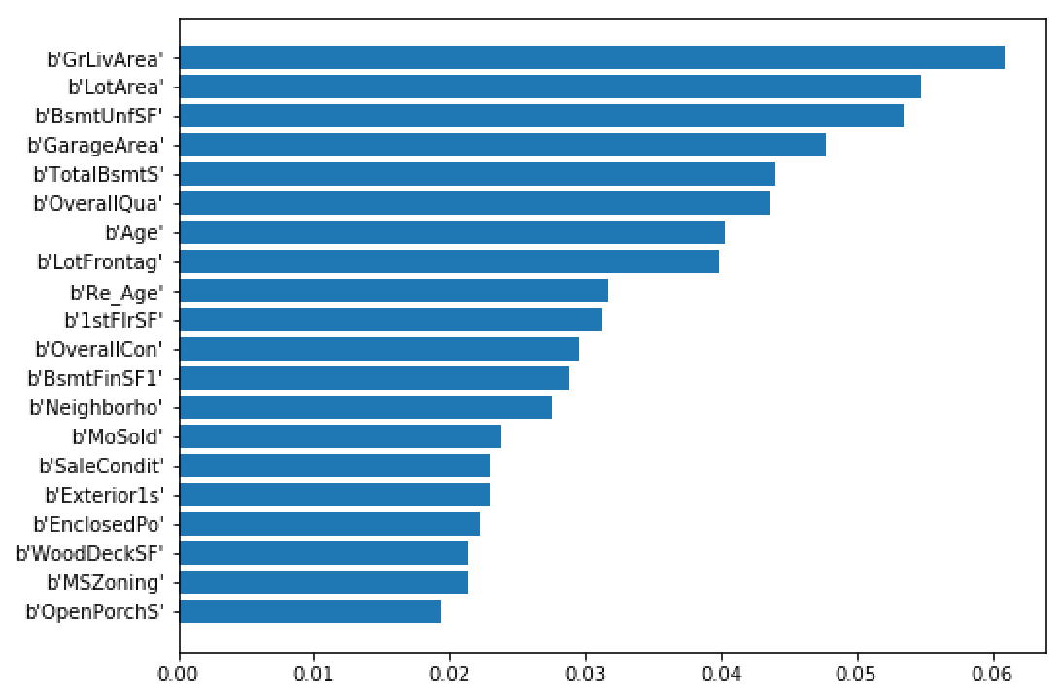
 | With labelencoded data
step 1 | large learning rate, n_estimator optimized |  |  | step 2 | fix learning rate, n_estimator | step 3 | fix learning rate, n_estimator, max_depth, min_child_weight |  | step 4 | Recalibrate n_estimator given tuned parameters in steps 2,3 | step 5: tune subsample and colsample_bytree |  | step 6: tune regularization parameter |  | step 7: reduce learning rate to 0.01, re-tune n_estimators | Final best model
 |  |  |  |  | gridsearchCV on max_depth, min_child_weight |  | gridsearchCV on gamma
 |  |  |  |  |  |  |  |  |  |  |  |  | tried reg_alpha = [1e-5, 1e-4, 1e-3] with 1e-5 being optimal | Starting model | XGBRegressor(base_score=0.5, booster='gbtree', colsample_bylevel=1,
Starting model | xgb1 = XGBRegressor( |  | Params tested | param_test1 = { |  | Params tested | #param_test3 = { |  |  |  |  |  |  |  | colsample_bytree=0.65, gamma=0, importance_type='total_gain',
 | learning_rate =0.1, n_estimators=1000, |  |  | 'max_depth':range(3,10,2), |  |  | # 'gamma':[i/10.0 for i in range(0,5)] | Starting model | XGBRegressor(base_score=0.5, booster='gbtree', colsample_bylevel=1, |  | Params tested | param_test4 = { | param_test7 = { |  | learning_rate=0.01, max_delta_step=0, max_depth=5,
 | max_depth=5, min_child_weight=1, |  |  | 'min_child_weight':range(1,6,2) |  |  | #} |  | colsample_bytree=0.8, gamma=0, importance_type='total_gain', |  |  | 'subsample':[i/10.0 for i in range(6,10)], | 'reg_lambda': [i/10.0 for i in range(16)] |  | min_child_weight=3, missing=None, n_estimators=3000, n_jobs=-1,
 | gamma=0, subsample=0.8, colsample_bytree=0.8, |  |  | } |  |  |  |  | learning_rate=0.1, max_delta_step=0, max_depth=5, |  |  | 'colsample_bytree':[i/10.0 for i in range(6,10)] | } |  | nthread=None, objective='reg:linear', random_state=0, reg_alpha=0,
 | objective= 'reg:linear', n_jobs = -1, |  |  |  |  |  |  |  | min_child_weight=3, missing=None, n_estimators=1000, n_jobs=-1, |  |  | } |  |  | reg_lambda=0.9, scale_pos_weight=1, seed=27, silent=True,
 | seed=27, importance_type = 'total_gain') |  |  | param_test2 = { |  |  | param_test3 = { |  | nthread=None, objective='reg:linear', random_state=0, reg_alpha=0, |  |  |  | param_test7_2 = { |  | subsample=0.55)
 |  |  |  | 'max_depth':[4,5,6], # initial best is 5, check around 5 |  |  | 'gamma':[i/100.0 for i in range(0,10)] |  | reg_lambda=1, scale_pos_weight=1, seed=27, silent=True, |  | param_test5 = { |  | 'reg_lambda': [0.85, 0.9, 0.95]
 | submission: | yq_submission32_xgb_start.csv |  | 'min_child_weight': range(2,5,1) # initial best is 3, check 2,3,4 |  |  | } |  | subsample=0.8) |  | 'subsample':[i/100.0 for i in range(50,70,5)], |  | } |  |  | submission: | yq_submission20_xgb_tuned.csv
 | kaggle score | 0.12624 |  | } |  |  |  |  |  |  | 'colsample_bytree':[i/100.0 for i in range(65,80,5)] |  |  |  | optimal n_estimator is 1996 | score: | 0.12351
 |  |  |  |  |  |  |  |  |  |  | } |  |  |  | With optimal n_estimator, mean CV test RMSE is 0.1063
 |  |  |  |  |  |  |  |  |  |  |  |  |  |  | With optimal n_estimator, mean CV train RMSE is 0.0314
 | best n_estimators = 171 |  |  | final best parameters |  |  | final best parameters |  | optimal n_estimator is 232 |  | final best parameters |  | final best parameters |  | RMSE of xgb entire data is 0.0359
 | early_stopping_rounds=50 |  |  | Best parameters: {'max_depth': 5, 'min_child_weight': 3} |  |  | Best parameters: {'gamma': 0.0} |  | With optimal n_estimator, mean CV test RMSE is 0.1094 |  | Best parameters: {'colsample_bytree': 0.65, 'subsample': 0.55} |  | reg_alpha = 0
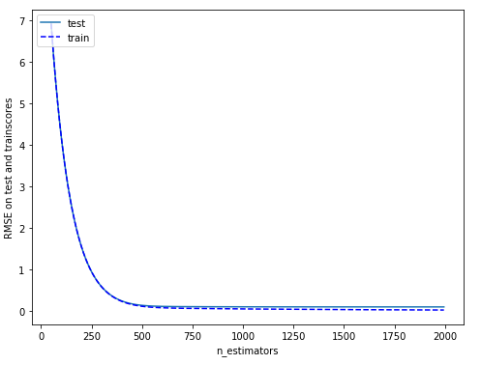
 | FI based on 'gain' |  |  | Best mean test RMSE: 0.11062 |  |  | Best mean test RMSE: 0.1106 |  | With optimal n_estimator, mean CV train RMSE is 0.0228 |  | Best mean test RMSE: 0.1093 |  | reg_lambda = 0.9
 |  |  |  |  |  |  |  |  | RMSE of xgb entire data is 0.0275
 | optimal n_estimator is 171 |  |  | mean of RMSE: 0.1142, std of MSE: 0.0048 for {'max_depth': 3, 'min_child_weight': 1} |  |  |  |  |  |  | mean of RMSE: 0.1103, std of MSE: 0.0049 for {'colsample_bytree': 0.6, 'subsample': 0.6} |  | mean of RMSE: 0.1122, std of MSE: 0.0036 for {'reg_lambda': 0.0}
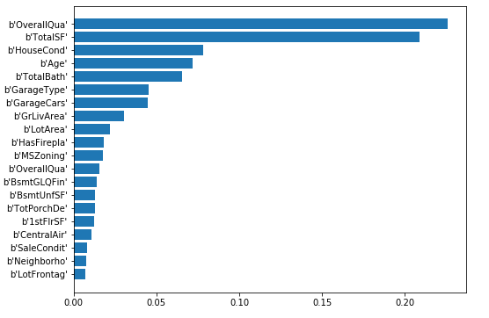
 | With optimal n_estimator, mean CV test RMSE is 0.1130 |  |  | mean of RMSE: 0.1128, std of MSE: 0.0046 for {'max_depth': 3, 'min_child_weight': 3} |  |  |  |  |  |  | mean of RMSE: 0.1136, std of MSE: 0.0059 for {'colsample_bytree': 0.6, 'subsample': 0.7} |  | mean of RMSE: 0.1108, std of MSE: 0.0046 for {'reg_lambda': 0.1}
 | With optimal n_estimator, mean CV train RMSE is 0.0310 |  |  | mean of RMSE: 0.1109, std of MSE: 0.0051 for {'max_depth': 3, 'min_child_weight': 5} |  |  |  |  |  |  | mean of RMSE: 0.1108, std of MSE: 0.0041 for {'colsample_bytree': 0.6, 'subsample': 0.8} |  | mean of RMSE: 0.1121, std of MSE: 0.0057 for {'reg_lambda': 0.2}
 | RMSE of xgb entire data is 0.0355 |  |  | mean of RMSE: 0.1153, std of MSE: 0.0050 for {'max_depth': 5, 'min_child_weight': 1} |  |  |  |  |  |  | mean of RMSE: 0.1107, std of MSE: 0.0049 for {'colsample_bytree': 0.6, 'subsample': 0.9} |  | mean of RMSE: 0.1113, std of MSE: 0.0052 for {'reg_lambda': 0.3}
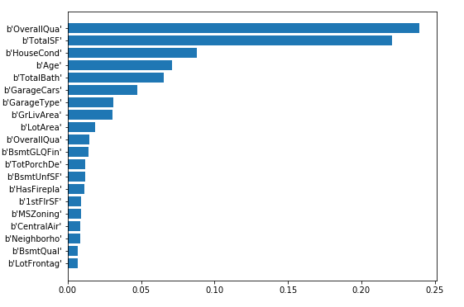
 |  |  |  | mean of RMSE: 0.1106, std of MSE: 0.0051 for {'max_depth': 5, 'min_child_weight': 3} |  |  |  |  |  |  | mean of RMSE: 0.1101, std of MSE: 0.0052 for {'colsample_bytree': 0.7, 'subsample': 0.6} |  | mean of RMSE: 0.1118, std of MSE: 0.0058 for {'reg_lambda': 0.4}
 |  |  |  | mean of RMSE: 0.1115, std of MSE: 0.0049 for {'max_depth': 5, 'min_child_weight': 5} |  |  |  |  |  |  | mean of RMSE: 0.1122, std of MSE: 0.0052 for {'colsample_bytree': 0.7, 'subsample': 0.7} |  | mean of RMSE: 0.1142, std of MSE: 0.0048 for {'reg_lambda': 0.5}
 |  |  |  | mean of RMSE: 0.1164, std of MSE: 0.0051 for {'max_depth': 7, 'min_child_weight': 1} |  |  |  |  |  |  | mean of RMSE: 0.1117, std of MSE: 0.0044 for {'colsample_bytree': 0.7, 'subsample': 0.8} |  | mean of RMSE: 0.1110, std of MSE: 0.0052 for {'reg_lambda': 0.6}
 |  |  |  | mean of RMSE: 0.1119, std of MSE: 0.0046 for {'max_depth': 7, 'min_child_weight': 3} |  |  |  |  |  |  | mean of RMSE: 0.1101, std of MSE: 0.0041 for {'colsample_bytree': 0.7, 'subsample': 0.9} |  | mean of RMSE: 0.1132, std of MSE: 0.0047 for {'reg_lambda': 0.7}
 |  |  |  | mean of RMSE: 0.1128, std of MSE: 0.0049 for {'max_depth': 7, 'min_child_weight': 5} |  |  |  |  |  |  | mean of RMSE: 0.1112, std of MSE: 0.0054 for {'colsample_bytree': 0.8, 'subsample': 0.6} |  | mean of RMSE: 0.1100, std of MSE: 0.0054 for {'reg_lambda': 0.8}
 |  |  |  | mean of RMSE: 0.1188, std of MSE: 0.0052 for {'max_depth': 9, 'min_child_weight': 1} |  |  |  |  |  |  | mean of RMSE: 0.1121, std of MSE: 0.0046 for {'colsample_bytree': 0.8, 'subsample': 0.7} |  | mean of RMSE: 0.1091, std of MSE: 0.0046 for {'reg_lambda': 0.9}
 |  |  |  | mean of RMSE: 0.1129, std of MSE: 0.0049 for {'max_depth': 9, 'min_child_weight': 3} |  |  |  |  |  |  | mean of RMSE: 0.1107, std of MSE: 0.0051 for {'colsample_bytree': 0.8, 'subsample': 0.8} |  | mean of RMSE: 0.1093, std of MSE: 0.0050 for {'reg_lambda': 1.0}
 |  |  |  | mean of RMSE: 0.1141, std of MSE: 0.0049 for {'max_depth': 9, 'min_child_weight': 5} |  |  |  |  |  |  | mean of RMSE: 0.1108, std of MSE: 0.0042 for {'colsample_bytree': 0.8, 'subsample': 0.9} |  | mean of RMSE: 0.1124, std of MSE: 0.0058 for {'reg_lambda': 1.1}
 |  |  |  | Best parameters: {'max_depth': 5, 'min_child_weight': 3} |  |  |  |  |  |  | mean of RMSE: 0.1126, std of MSE: 0.0057 for {'colsample_bytree': 0.9, 'subsample': 0.6} |  | mean of RMSE: 0.1136, std of MSE: 0.0050 for {'reg_lambda': 1.2}
 |  |  |  | Best mean test RMSE: 0.11062 |  |  |  |  |  |  | mean of RMSE: 0.1122, std of MSE: 0.0045 for {'colsample_bytree': 0.9, 'subsample': 0.7} |  | mean of RMSE: 0.1105, std of MSE: 0.0045 for {'reg_lambda': 1.3}
 |  |  |  |  |  |  |  |  |  |  | mean of RMSE: 0.1115, std of MSE: 0.0048 for {'colsample_bytree': 0.9, 'subsample': 0.8} |  | mean of RMSE: 0.1102, std of MSE: 0.0054 for {'reg_lambda': 1.4}
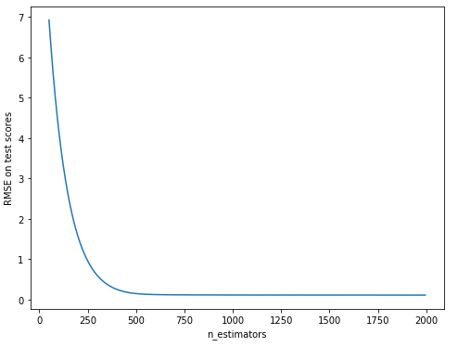
 |  |  |  |  |  |  |  |  |  |  | mean of RMSE: 0.1129, std of MSE: 0.0049 for {'colsample_bytree': 0.9, 'subsample': 0.9} |  | mean of RMSE: 0.1110, std of MSE: 0.0051 for {'reg_lambda': 1.5}
 |  |  |  | mean of RMSE: 0.1140, std of MSE: 0.0051 for {'max_depth': 4, 'min_child_weight': 2} |  |  |  |  |  |  | Best parameters: {'colsample_bytree': 0.7, 'subsample': 0.6} |  | Best parameters: {'reg_lambda': 0.9}
 |  |  |  | mean of RMSE: 0.1117, std of MSE: 0.0055 for {'max_depth': 4, 'min_child_weight': 3} |  |  |  |  |  |  | Best mean test RMSE: 0.1101 |  | Best mean test RMSE: 0.1091
 |  |  |  | mean of RMSE: 0.1118, std of MSE: 0.0050 for {'max_depth': 4, 'min_child_weight': 4}
 |  |  |  | mean of RMSE: 0.1125, std of MSE: 0.0056 for {'max_depth': 5, 'min_child_weight': 2} |  |  |  |  |  |  | mean of RMSE: 0.1111, std of MSE: 0.0047 for {'colsample_bytree': 0.65, 'subsample': 0.5} |  | mean of RMSE: 0.1107, std of MSE: 0.0048 for {'reg_lambda': 0.85}
 |  |  |  | mean of RMSE: 0.1106, std of MSE: 0.0051 for {'max_depth': 5, 'min_child_weight': 3} |  |  |  |  |  |  | mean of RMSE: 0.1093, std of MSE: 0.0050 for {'colsample_bytree': 0.65, 'subsample': 0.55} |  | mean of RMSE: 0.1091, std of MSE: 0.0046 for {'reg_lambda': 0.9}
 |  |  |  | mean of RMSE: 0.1128, std of MSE: 0.0055 for {'max_depth': 5, 'min_child_weight': 4} |  |  |  |  |  |  | mean of RMSE: 0.1099, std of MSE: 0.0046 for {'colsample_bytree': 0.65, 'subsample': 0.6} |  | mean of RMSE: 0.1100, std of MSE: 0.0051 for {'reg_lambda': 0.95}
 |  |  |  | mean of RMSE: 0.1149, std of MSE: 0.0055 for {'max_depth': 6, 'min_child_weight': 2} |  |  |  |  |  |  | mean of RMSE: 0.1113, std of MSE: 0.0046 for {'colsample_bytree': 0.65, 'subsample': 0.65} |  | Best parameters: {'reg_lambda': 0.9}
 |  |  |  | mean of RMSE: 0.1129, std of MSE: 0.0056 for {'max_depth': 6, 'min_child_weight': 3} |  |  |  |  |  |  | mean of RMSE: 0.1128, std of MSE: 0.0056 for {'colsample_bytree': 0.7, 'subsample': 0.5} |  | Best mean test RMSE: 0.1091
 |  |  |  | mean of RMSE: 0.1129, std of MSE: 0.0053 for {'max_depth': 6, 'min_child_weight': 4} |  |  |  |  |  |  | mean of RMSE: 0.1095, std of MSE: 0.0044 for {'colsample_bytree': 0.7, 'subsample': 0.55}
 |  |  |  | Best parameters: {'max_depth': 5, 'min_child_weight': 3} |  |  |  |  |  |  | mean of RMSE: 0.1101, std of MSE: 0.0052 for {'colsample_bytree': 0.7, 'subsample': 0.6}
 |  |  |  | Best mean test RMSE: 0.11062 |  |  |  |  |  |  | mean of RMSE: 0.1111, std of MSE: 0.0046 for {'colsample_bytree': 0.7, 'subsample': 0.65}
 |  |  |  |  |  |  |  |  |  |  | mean of RMSE: 0.1114, std of MSE: 0.0048 for {'colsample_bytree': 0.75, 'subsample': 0.5}
 |  |  |  |  |  |  |  |  |  |  | mean of RMSE: 0.1114, std of MSE: 0.0043 for {'colsample_bytree': 0.75, 'subsample': 0.55}
 |  |  |  |  |  |  |  |  |  |  | mean of RMSE: 0.1121, std of MSE: 0.0053 for {'colsample_bytree': 0.75, 'subsample': 0.6}
 |  |  |  |  |  |  |  |  |  |  | mean of RMSE: 0.1107, std of MSE: 0.0045 for {'colsample_bytree': 0.75, 'subsample': 0.65}
 |  |  |  |  |  |  |  |  |  |  | Best parameters: {'colsample_bytree': 0.65, 'subsample': 0.55}
 |  |  |  |  |  |  |  |  |  |  | Best mean test RMSE: 0.1093

xgboost base
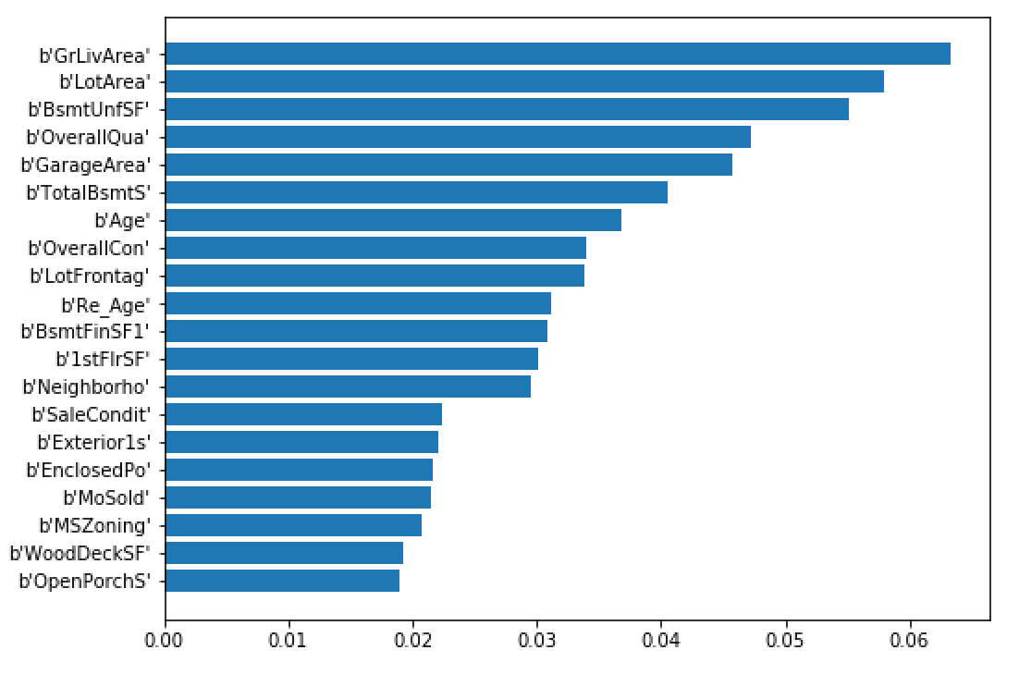
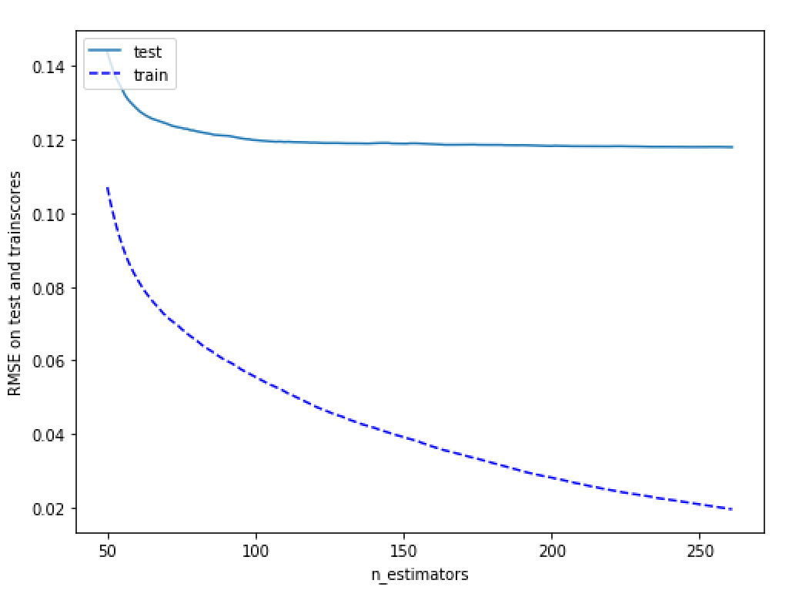
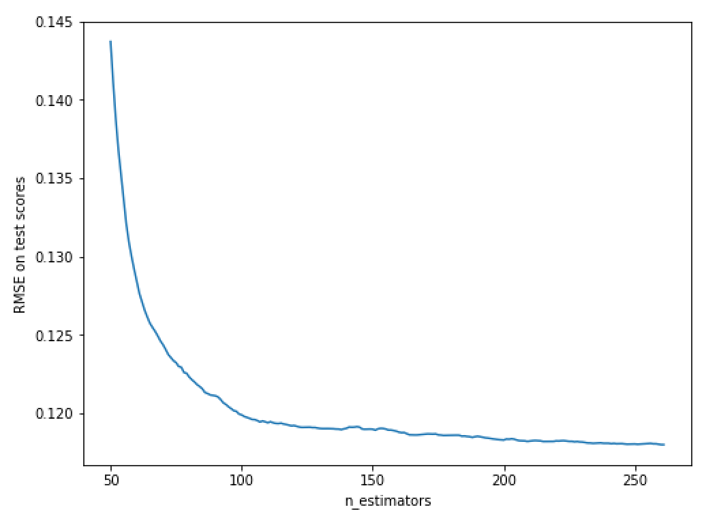
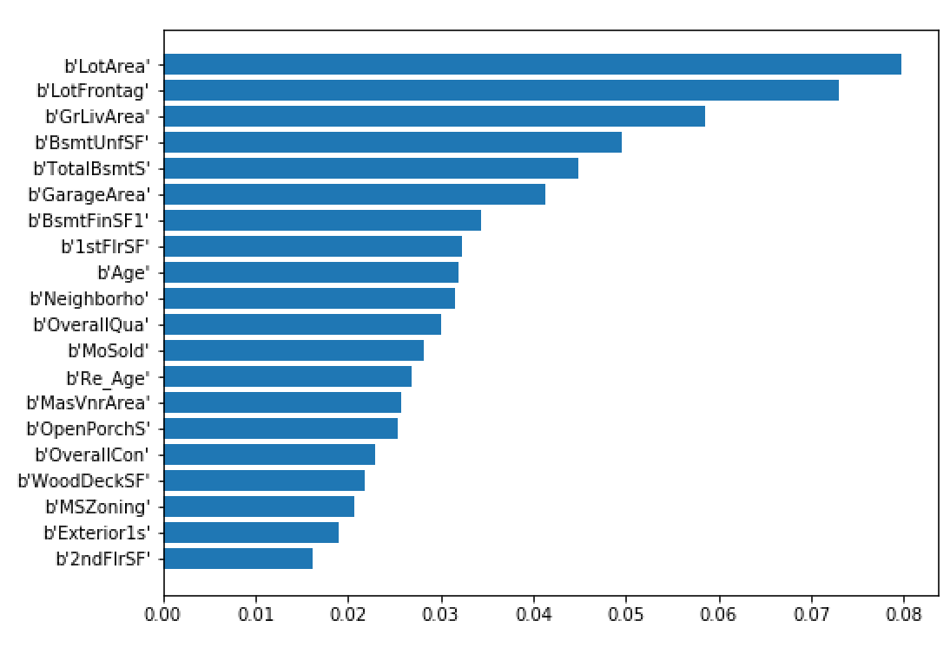
 | With labelencoded data
step 1 | large learning rate, n_estimator optimized |  |  | step 2 | fix learning rate, n_estimator | step 3 | fix learning rate, n_estimator, max_depth, min_child_weight |  | step 4 | Recalibrate n_estimator given tuned parameters in steps 2,3 | step 5: tune subsample and colsample_bytree |  | step 6: tune regularization parameter |  | step 7: reduce learning rate to 0.01, re-tune n_estimators | Final best model
 |  |  |  |  | gridsearchCV on max_depth, min_child_weight |  | gridsearchCV on gamma
 |  |  |  |  |  |  |  |  |  |  |  |  | tried reg_alpha = [1e-5, 1e-4, 1e-3] with 1e-5 being optimal | Starting model | xgb1 = XGBRegressor( | XGBRegressor(base_score=0.5, booster='gbtree', colsample_bylevel=1,
Starting model | xgb1 = XGBRegressor( |  | Params tested | param_test1 = { |  | Params tested | #param_test3 = { |  |  |  |  |  |  |  | learning_rate =0.01, n_estimators=5000, | colsample_bytree=0.8, gamma=0, importance_type='total_gain',
 | learning_rate =0.1, n_estimators=1000, |  |  | 'max_depth':range(3,10,2), |  |  | # 'gamma':[i/10.0 for i in range(0,5)] | Starting model | XGBRegressor(base_score=0.5, booster='gbtree', colsample_bylevel=1, |  | Params tested | param_test4 = { | param_test7 = { |  | max_depth=3, min_child_weight=4, | learning_rate=0.01, max_delta_step=0, max_depth=3,
 | max_depth=5, min_child_weight=1, |  |  | 'min_child_weight':range(1,6,2) |  |  | #} |  | colsample_bytree=0.8, gamma=0, importance_type='total_gain', |  |  | 'subsample':[i/10.0 for i in range(6,10)], | 'reg_lambda':[0.1, 1, 10, 100] |  | gamma=0, subsample=0.8, colsample_bytree=0.8, | min_child_weight=4, missing=None, n_estimator=5000,
 | gamma=0, subsample=0.8, colsample_bytree=0.8, |  |  | } |  |  |  |  | learning_rate=0.1, max_delta_step=0, max_depth=3, |  |  | 'colsample_bytree':[i/10.0 for i in range(6,10)] | } |  | objective= 'reg:linear', n_jobs = -1, | n_estimators=3320, n_jobs=-1, nthread=None, objective='reg:linear',
 | objective= 'reg:linear', n_jobs = -1, |  |  |  |  |  |  |  | min_child_weight=4, missing=None, n_estimators=500, n_jobs=-1, |  |  | } |  |  | seed=27, importance_type = 'total_gain') | random_state=0, reg_alpha=0, reg_lambda=1, scale_pos_weight=1,
 | seed=27, importance_type = 'total_gain') |  |  | param_test2 = { |  |  | param_test3 = { |  | nthread=None, objective='reg:linear', random_state=0, reg_alpha=0, |  |  |  | param_test7 = { |  |  | seed=27, silent=True, subsample=0.8)
 |  |  |  | 'max_depth':[2,3,4], |  |  | 'gamma':[i/100.0 for i in range(0,10)] |  | reg_lambda=1, scale_pos_weight=1, seed=27, silent=True, |  | param_test5 = { |  | 'reg_lambda': [i/10.0 for i in range(16)]
 | submission: | yq_submission19_xgb.csv |  | 'min_child_weight': range(4,7,1) |  |  | } |  | subsample=0.8) |  | 'subsample':[i/100.0 for i in range(75,90,5)], |  | } |  |  | submission: | yq_submission20_xgb_tuned.csv
 | kaggle score | 0.13123 |  | } |  |  |  |  |  |  | 'colsample_bytree':[i/100.0 for i in range(75,90,5)] |  |  |  |  | score: | 0.12795
 |  | 0.12795 |  |  |  |  |  |  |  |  | } |  |  |  | optimal n_estimator is 3320
 |  | 0.00328 |  |  |  |  |  |  |  |  |  |  |  |  | With optimal n_estimator, mean CV test RMSE is 0.1125
 | best n_estimators = 262 |  |  | final best parameters |  |  | final best parameters |  | optimal n_estimator is 398 |  | final best parameters |  | final best parameters |  | With optimal n_estimator, mean CV train RMSE is 0.0500
 | early_stopping_rounds=50 |  |  | Best parameters: {'max_depth': 3, 'min_child_weight': 4} |  |  | Best parameters: {'gamma': 0.0} |  | With optimal n_estimator, mean CV test RMSE is 0.1130 |  | Best parameters: {'colsample_bytree': 0.8, 'subsample': 0.8} |  | reg_alpha = 0 |  | RMSE of xgb entire data is 0.0551
 | FI based on 'gain' |  |  | Best mean test RMSE: 0.1144 |  |  | Best mean test RMSE: 0.1144 |  | With optimal n_estimator, mean CV train RMSE is 0.0455 |  | Best mean test RMSE: 0.1138 |  | reg_lambda = 1
 |  |  |  |  |  |  |  |  | RMSE of xgb entire data is 0.0512
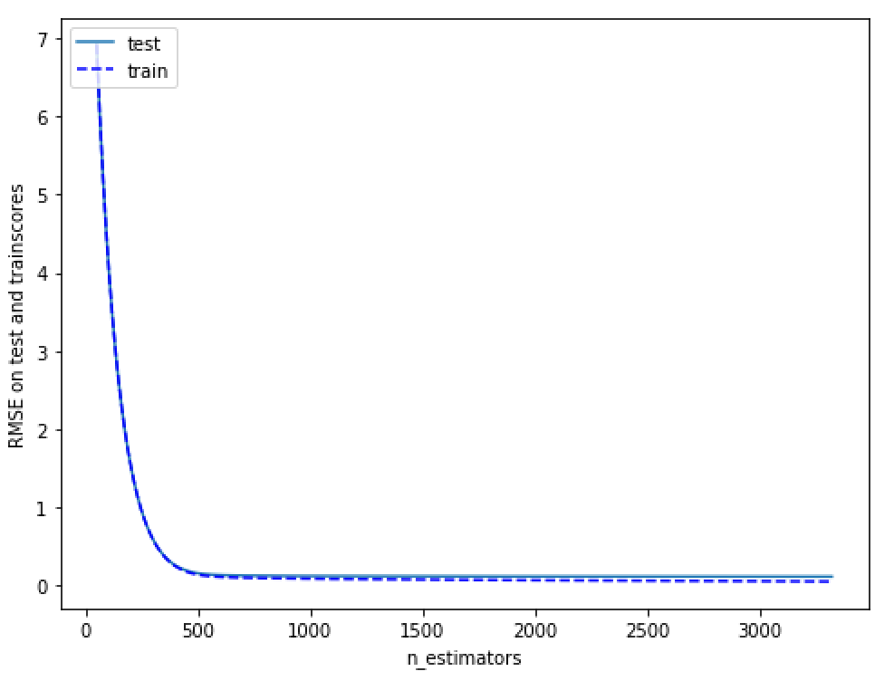
 | optimal n_estimator is 262 |  |  | mean of RMSE: 0.1159, std of MSE: 0.0035 for {'max_depth': 3, 'min_child_weight': 1} |  |  | mean of RMSE: 0.1144, std of MSE: 0.0034 for {'gamma': 0.0} |  |  |  | mean of RMSE: 0.1160, std of MSE: 0.0050 for {'colsample_bytree': 0.6, 'subsample': 0.6} |  | mean of RMSE: 0.1162, std of MSE: 0.0040 for {'reg_lambda': 0.0}
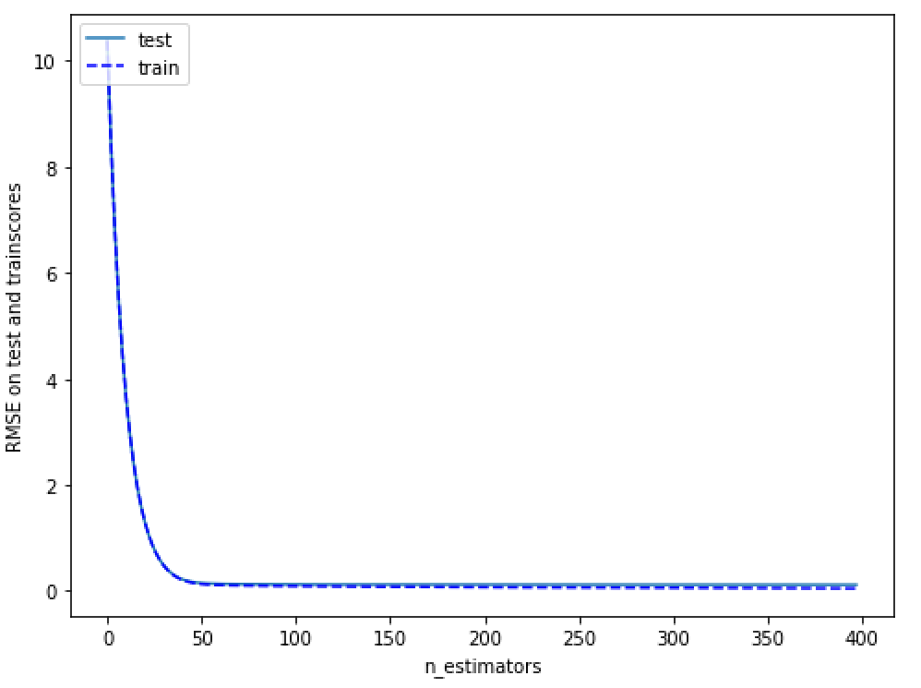
 | With optimal n_estimator, mean CV test RMSE is 0.1180 |  |  | mean of RMSE: 0.1168, std of MSE: 0.0043 for {'max_depth': 3, 'min_child_weight': 3} |  |  | mean of RMSE: 0.1210, std of MSE: 0.0037 for {'gamma': 0.1} |  |  |  | mean of RMSE: 0.1166, std of MSE: 0.0046 for {'colsample_bytree': 0.6, 'subsample': 0.7} |  | mean of RMSE: 0.1172, std of MSE: 0.0042 for {'reg_lambda': 0.1}
 | With optimal n_estimator, mean CV train RMSE is 0.0195 |  |  | mean of RMSE: 0.1154, std of MSE: 0.0035 for {'max_depth': 3, 'min_child_weight': 5} |  |  | mean of RMSE: 0.1265, std of MSE: 0.0040 for {'gamma': 0.2} |  |  |  | mean of RMSE: 0.1166, std of MSE: 0.0043 for {'colsample_bytree': 0.6, 'subsample': 0.8} |  | mean of RMSE: 0.1153, std of MSE: 0.0039 for {'reg_lambda': 0.2}
 | RMSE of xgb entire data is 0.0234 |  |  | mean of RMSE: 0.1183, std of MSE: 0.0038 for {'max_depth': 5, 'min_child_weight': 1} |  |  | mean of RMSE: 0.1305, std of MSE: 0.0043 for {'gamma': 0.3} |  |  |  | mean of RMSE: 0.1154, std of MSE: 0.0042 for {'colsample_bytree': 0.6, 'subsample': 0.9} |  | mean of RMSE: 0.1146, std of MSE: 0.0037 for {'reg_lambda': 0.3}
 |  |  |  | mean of RMSE: 0.1173, std of MSE: 0.0044 for {'max_depth': 5, 'min_child_weight': 3} |  |  | mean of RMSE: 0.1331, std of MSE: 0.0042 for {'gamma': 0.4} |  |  |  | mean of RMSE: 0.1178, std of MSE: 0.0045 for {'colsample_bytree': 0.7, 'subsample': 0.6} |  | mean of RMSE: 0.1163, std of MSE: 0.0036 for {'reg_lambda': 0.4}
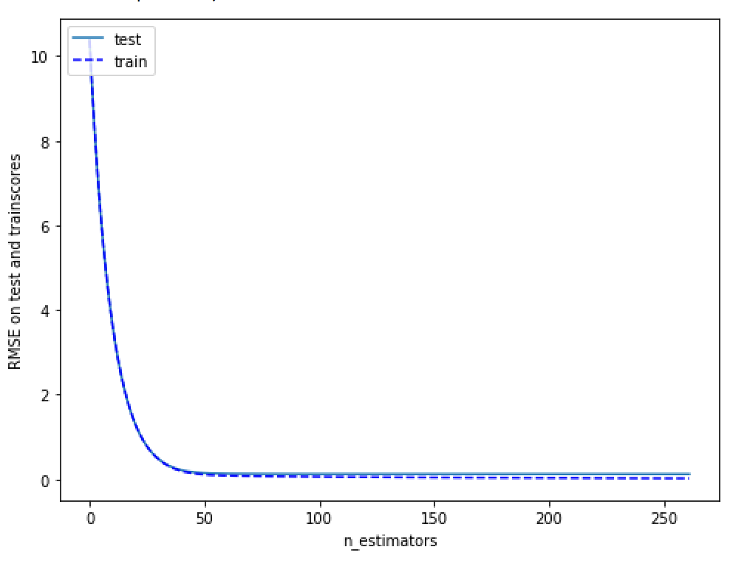
 |  |  |  | mean of RMSE: 0.1160, std of MSE: 0.0041 for {'max_depth': 5, 'min_child_weight': 5} |  |  | Best parameters: {'gamma': 0.0} |  |  |  | mean of RMSE: 0.1143, std of MSE: 0.0041 for {'colsample_bytree': 0.7, 'subsample': 0.7} |  | mean of RMSE: 0.1150, std of MSE: 0.0044 for {'reg_lambda': 0.5}
 |  |  |  | mean of RMSE: 0.1193, std of MSE: 0.0032 for {'max_depth': 7, 'min_child_weight': 1} |  |  | Best mean test RMSE: 0.1144 |  |  |  | mean of RMSE: 0.1156, std of MSE: 0.0045 for {'colsample_bytree': 0.7, 'subsample': 0.8} |  | mean of RMSE: 0.1148, std of MSE: 0.0039 for {'reg_lambda': 0.6}
 |  |  |  | mean of RMSE: 0.1201, std of MSE: 0.0046 for {'max_depth': 7, 'min_child_weight': 3} |  |  |  |  |  |  | mean of RMSE: 0.1155, std of MSE: 0.0039 for {'colsample_bytree': 0.7, 'subsample': 0.9} |  | mean of RMSE: 0.1145, std of MSE: 0.0037 for {'reg_lambda': 0.7}
 |  |  |  | mean of RMSE: 0.1180, std of MSE: 0.0041 for {'max_depth': 7, 'min_child_weight': 5} |  |  | mean of RMSE: 0.1144, std of MSE: 0.0034 for {'gamma': 0.0} |  |  |  | mean of RMSE: 0.1160, std of MSE: 0.0041 for {'colsample_bytree': 0.8, 'subsample': 0.6} |  | mean of RMSE: 0.1154, std of MSE: 0.0047 for {'reg_lambda': 0.8}
 |  |  |  | mean of RMSE: 0.1221, std of MSE: 0.0044 for {'max_depth': 9, 'min_child_weight': 1} |  |  | mean of RMSE: 0.1156, std of MSE: 0.0033 for {'gamma': 0.01} |  |  |  | mean of RMSE: 0.1154, std of MSE: 0.0048 for {'colsample_bytree': 0.8, 'subsample': 0.7} |  | mean of RMSE: 0.1152, std of MSE: 0.0043 for {'reg_lambda': 0.9}
 |  |  |  | mean of RMSE: 0.1209, std of MSE: 0.0040 for {'max_depth': 9, 'min_child_weight': 3} |  |  | mean of RMSE: 0.1153, std of MSE: 0.0039 for {'gamma': 0.02} |  |  |  | mean of RMSE: 0.1138, std of MSE: 0.0034 for {'colsample_bytree': 0.8, 'subsample': 0.8} |  | mean of RMSE: 0.1138, std of MSE: 0.0034 for {'reg_lambda': 1.0}
 |  |  |  | mean of RMSE: 0.1197, std of MSE: 0.0043 for {'max_depth': 9, 'min_child_weight': 5} |  |  | mean of RMSE: 0.1158, std of MSE: 0.0039 for {'gamma': 0.03} |  |  |  | mean of RMSE: 0.1162, std of MSE: 0.0040 for {'colsample_bytree': 0.8, 'subsample': 0.9} |  | mean of RMSE: 0.1145, std of MSE: 0.0037 for {'reg_lambda': 1.1}
 |  |  |  | {'max_depth': 3, 'min_child_weight': 5}, |  |  | mean of RMSE: 0.1167, std of MSE: 0.0037 for {'gamma': 0.04} |  |  |  | mean of RMSE: 0.1153, std of MSE: 0.0044 for {'colsample_bytree': 0.9, 'subsample': 0.6} |  | mean of RMSE: 0.1149, std of MSE: 0.0046 for {'reg_lambda': 1.2}
 |  |  |  | -0.013319798209016858) |  |  | mean of RMSE: 0.1173, std of MSE: 0.0036 for {'gamma': 0.05} |  |  |  | mean of RMSE: 0.1160, std of MSE: 0.0047 for {'colsample_bytree': 0.9, 'subsample': 0.7} |  | mean of RMSE: 0.1159, std of MSE: 0.0041 for {'reg_lambda': 1.3}
 |  |  |  |  |  |  | mean of RMSE: 0.1176, std of MSE: 0.0039 for {'gamma': 0.06} |  |  |  | mean of RMSE: 0.1145, std of MSE: 0.0051 for {'colsample_bytree': 0.9, 'subsample': 0.8} |  | mean of RMSE: 0.1148, std of MSE: 0.0043 for {'reg_lambda': 1.4}
 |  |  |  |  |  |  | mean of RMSE: 0.1182, std of MSE: 0.0040 for {'gamma': 0.07} |  |  |  | mean of RMSE: 0.1154, std of MSE: 0.0047 for {'colsample_bytree': 0.9, 'subsample': 0.9} |  | mean of RMSE: 0.1156, std of MSE: 0.0046 for {'reg_lambda': 1.5}
 |  |  |  | mean of RMSE: 0.1175, std of MSE: 0.0043 for {'max_depth': 2, 'min_child_weight': 4} |  |  | mean of RMSE: 0.1201, std of MSE: 0.0036 for {'gamma': 0.08} |  |  |  | Best parameters: {'colsample_bytree': 0.8, 'subsample': 0.8} |  | Best parameters: {'reg_lambda': 1.0}
 |  |  |  | mean of RMSE: 0.1173, std of MSE: 0.0044 for {'max_depth': 2, 'min_child_weight': 5} |  |  | mean of RMSE: 0.1192, std of MSE: 0.0034 for {'gamma': 0.09} |  |  |  | Best mean test RMSE: 0.1138 |  | Best mean test RMSE: 0.1138
 |  |  |  | mean of RMSE: 0.1169, std of MSE: 0.0043 for {'max_depth': 2, 'min_child_weight': 6} |  |  | Best parameters: {'gamma': 0.0}
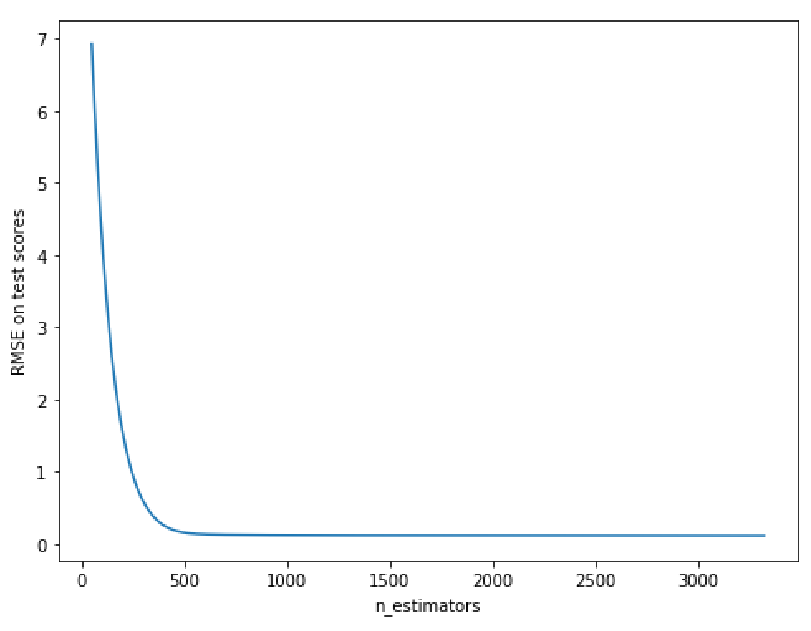
 |  |  |  | mean of RMSE: 0.1144, std of MSE: 0.0034 for {'max_depth': 3, 'min_child_weight': 4} |  |  | Best mean test RMSE: 0.1144 |  |  |  | mean of RMSE: 0.1157, std of MSE: 0.0040 for {'colsample_bytree': 0.75, 'subsample': 0.75}
 |  |  |  | mean of RMSE: 0.1154, std of MSE: 0.0035 for {'max_depth': 3, 'min_child_weight': 5} |  |  |  |  |  |  | mean of RMSE: 0.1171, std of MSE: 0.0042 for {'colsample_bytree': 0.75, 'subsample': 0.8}
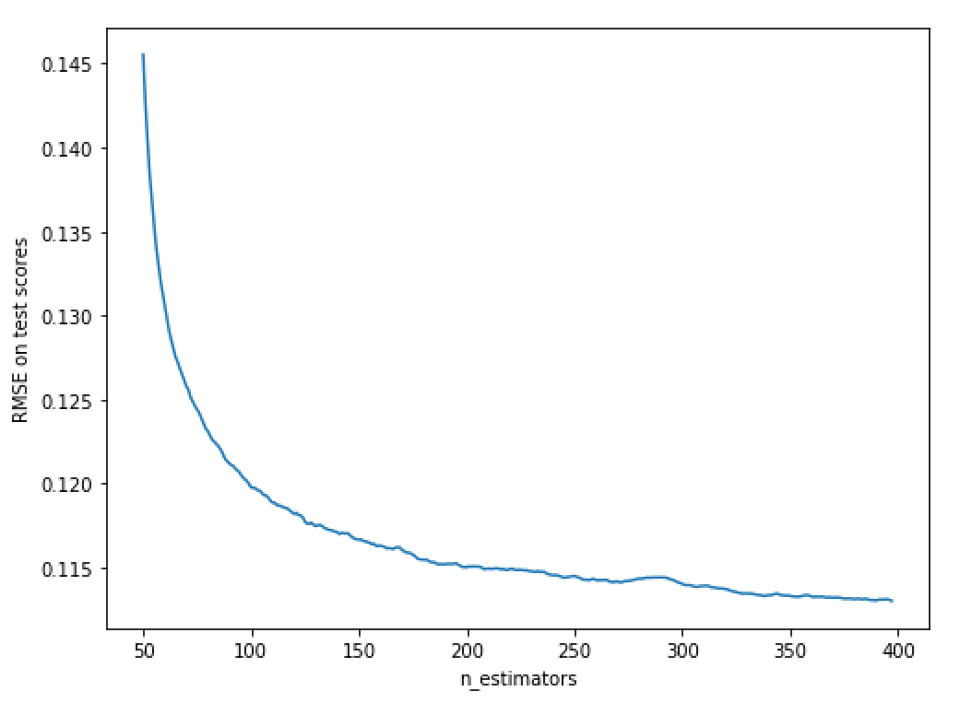
 |  |  |  | mean of RMSE: 0.1145, std of MSE: 0.0041 for {'max_depth': 3, 'min_child_weight': 6} |  |  |  |  |  |  | mean of RMSE: 0.1144, std of MSE: 0.0039 for {'colsample_bytree': 0.75, 'subsample': 0.85}
 |  |  |  | mean of RMSE: 0.1153, std of MSE: 0.0041 for {'max_depth': 4, 'min_child_weight': 4} |  |  |  |  |  |  | mean of RMSE: 0.1150, std of MSE: 0.0035 for {'colsample_bytree': 0.8, 'subsample': 0.75}
 |  |  |  | mean of RMSE: 0.1164, std of MSE: 0.0042 for {'max_depth': 4, 'min_child_weight': 5} |  |  |  |  |  |  | mean of RMSE: 0.1138, std of MSE: 0.0034 for {'colsample_bytree': 0.8, 'subsample': 0.8}
 |  |  |  | mean of RMSE: 0.1156, std of MSE: 0.0044 for {'max_depth': 4, 'min_child_weight': 6} |  |  |  |  |  |  | mean of RMSE: 0.1153, std of MSE: 0.0046 for {'colsample_bytree': 0.8, 'subsample': 0.85}
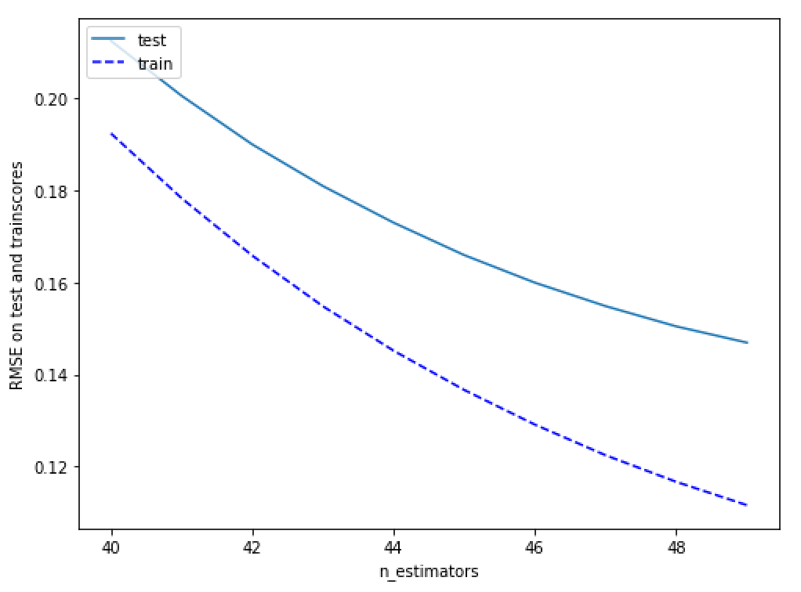
 |  |  |  | Best parameters: {'max_depth': 3, 'min_child_weight': 4} |  |  |  |  |  |  | mean of RMSE: 0.1158, std of MSE: 0.0049 for {'colsample_bytree': 0.85, 'subsample': 0.75}
 |  |  |  | Best mean test RMSE: 0.1144 |  |  |  |  |  |  | mean of RMSE: 0.1151, std of MSE: 0.0042 for {'colsample_bytree': 0.85, 'subsample': 0.8}
 |  |  |  |  |  |  |  |  |  |  | mean of RMSE: 0.1139, std of MSE: 0.0046 for {'colsample_bytree': 0.85, 'subsample': 0.85}
 |  |  |  |  |  |  |  |  |  |  | Best parameters: {'colsample_bytree': 0.8, 'subsample': 0.8}
 |  |  |  |  |  |  |  |  |  |  | Best mean test RMSE: 0.1138

