Test 1
There is the below table in the database
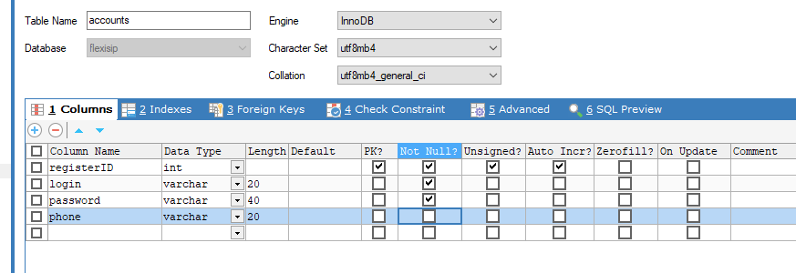

 | Develop the CRUD APIs (create/update/delete/get all with pagination/get one) for this table.
 | All APIs must to have data validation, exception handling and logging.

Test 2
Add the following API process

Basic

 | EndPoint | /api/showSerialpaso/
 | Method | POST
 | Conttext-type | application/json
 | HTTPStatus | ２００

Request |  |  |  |  |  |  | check if there is a file name that matches the system, environment, and machine number, and retrieve only the corresponding HTML files from local disk.
 | Parameters
 | JsonKey |  | Type | Length | Required | Description
 | file |  | stirng(128) | 128 | 〇
Extract file with matching hierarchy and file name
 | app_env |  | int | 4 | ○ | 0: AWS, 1: K5, 2: T2
 | contract_server |  | int | 4 | 〇 | 0: app1, 1: app2 | Sample
 |  |  |  |  |  |  |  |  | C: (if the project is in Hard Disk C)
 |  |  |  |  |  |  | file：hhss
 |  |  |  |  |  |  | app_env：0 | → |  | imprints_html_file
 |  |  |  |  |  |  | contract_app：0
 | Response |  |  |  |  |  | contract_server：1 |  |  |  | AWS
 | JsonKey |  | Type | Description | サイズ | 説明 |  |  |  |  | K5
sstt.html
hhss.html
hhvv.html
 | success |  | bool | bool | 1 | Execution result |  |  |  |  | T2 | app1
 | filename |  | text | 256 | 256 | HTML file name
 | content |  | text | text |  | HTML file content
 | message |  | string(256) | 256 | 256 | Execution result content
 |  |  |  |  |  |  | Obtain the HTML file data existing in the target hierarchy, make sure to send the content (HTML file data) in base64 format.

Format：JSON
Request Sample
{
'file' => "42!6RbyELiwiGKBeNjWNfIGKoGsjFocc9EmnX!35fPA-k53mSW41TdHLDor0XR5fE7E7naXJoMOJ4Ky60V37Ff8",
'app_env' => "0",
'contract_app' => "0",
'contract_server' => "1",
}
Response Sample
【Success】
{
'success' => true,
'filename': "**********.html",
'content': "***********",
'message' => "Seal Info response successfully"
}
【Fail】
{
'success' => false,
''FileName'' => "",
'message' => "Seal Info response false"
}
 |  |  |  |  |  |  | "filename": "**********.html"
 |  |  |  |  |  |  | "content": "***********"

 | Yee

Test 5
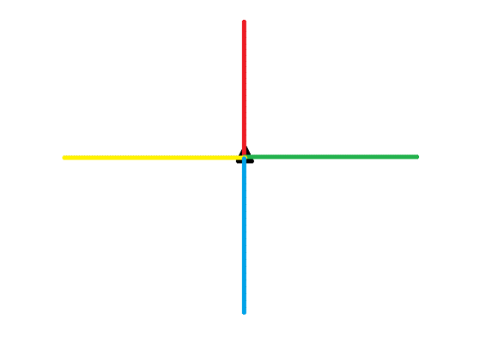
A group of people are walking in the area as shown in the illustration
The red line is the row of red flags
The yellow line is the row of yellow flags
The green line is the row of green flags
The blue line is the row of blue flags

The person walking can tell how far away his or her position is from the two nearest rows of flags on either side

Write a program to find the 10% of people who are furthest away from other people

