Input Sheet
 | Aemetis | High Recovery Membranes
 |  | Feed Gas properties |  |  |  |  |  |  | Product Gas properties |  |  |  | Assumed Recycle Ratio | Actual Recycle Ratio |  |  | After H2S bed Removal |  |  |  | Additional Stream (for analysis)
 | Flowrate | 2300 | scfm | Min. flow | 250 | SCFM |  | Product Gas Flowrate | 1394 | scfm |  | Recycle Ratio | 1.772 | NA |  |  | Product Gas Flowrate | 2300 | scfm |  | Product Gas Flowrate | 1 | scfm
 | Pressure | 65 | psig |  | 0.10869565217 |  |  | Pressure | 150 | psig |  | Recycle Rate | 1775 | SCFM |  |  | Pressure | 63 | psig |  | Pressure | 1 | psig
 | Temperature | 70 | ºF |  |  |  |  | Temperature | 51.7 | ºF |  |  |  |  |  |  | Temperature | 70 | ºF |  | Temperature | 1 | ºF
 |  | 21 | ºC |  |  |  |  |  | 11 | ºC |  |  |  |  |  |  |  | 21 | ºC |  |  | -17 | ºC
 |  |  |  |  |  |  |  | Methane Yield | 99.0%
Gas Composition
Comp. ID | Component Name | Mol. Wt. | Unit | Feed Comp. LP Pretreat | Feed Mass flow (lb/hr) | Nor. Feed Composition (mol%) |  | Unit | Product Gas Comp | Product Mass flow (lb/hr) | Nor Prod. Comp (mol%) |  | Typical. Recycle Gas Comp. (Mol%) | Actual Recycle Gas Comp. (Mol%) | Recycle Mass flow (lb/hr) | Unit | Feed Comp. | Feed Mass flow (lb/hr) | Norm. H2S Bed outlet Comp (mol%) | Unit | Feed Comp. | Feed Mass flow (lb/hr) | Nor Comp. (mol%)
1 | Methane (CH4) | 16.04 | Vol% | 60.14 | 3507.89 | 60.133 |  | Vol% | 98.25 | 3472.82 | 98.24 |  | 51.82 | NA | 2332.9 | lb/hr | 3507.89 | 3507.89 | 60.14 | Vol% | 60.23 | 1.53 | 60.13
2 | Carbon Dioxide (CO2) | 44.01 | Vol% | 38.34 | 6135.96 | 38.335 |  | Vol% | 0.15 | 14.55 | 0.15 |  | 45.44 | NA | 5612.8 | lb/hr | 6135.96 | 6135.96 | 38.34 | Vol% | 38.87 | 2.70 | 38.34
3 | Nitrogen (N2) | 28.014 | Vol% | 0.94 | 95.76 | 0.940 |  | Vol% | 1.49 | 92.03 | 1.49 |  | 1.22 | NA | 95.9 | lb/hr | 95.76 | 95.76 | 0.94 | Vol% | 0.53 | 0.02 | 0.94
4 | Oxygen (O2) | 32.00 | Vol% | 0.46 | 53.53 | 0.460 |  | Vol% | 0.10 | 7.06 | 0.10 |  | 1.46 | NA | 131.1 | lb/hr | 53.53 | 53.53 | 0.46 | Vol% | 0.24 | 0.01 | 0.46
5 | Hydrogen Sulfide (H2S) | 34.08 | ppm | 50.00 | 0.62 | 0.005 |  | ppm | 4.00 | 0.03 | 0.00 |  | 0.00 | NA | 0.1 | ppm | 4.00 | 0.05 | 0.00 | ppm | 95.30 | 0.00 | 0.00
6 | Water (H2O) | 18.02 | Vol% | 0.1270 | 8.32 | 0.127 |  | Vol% | 0.015 | 0.59 | 0.01 |  | 0.07 | NA | 3.5 | lb/hr | 8.32 | 8.32 | 0.13 | lb/MMSCF | 54.46 | 0.00 | 0.13
 |  |  |  | 100.012 |  |  |  |  | 100.005 |  |  |  | 100.010 |  |  | lb/hr |  | 9801.51
 | Avg. Mol. Wt | 27 |  | Check |  |  |  |  |  |  |  |  |  |  |  |  | Avg. Mol. Wt | 27 |  |  | 27
 | Corrected flow | 2300.3 | SCFM |  |  |  |  |  |  |  |  |  |  |  |  |  | Corrected flow | 2300.17 | SCFM |  | 1.0

 | Parameters | Units | Value
 | Site Elevation | ft | 95
 | Low Ambient Temperature | °F | 24
 | High Ambient Temperature | °F | 101

 | Parameters | Units | Maximum | Normal | Minimum
 | Instrument Air Supply Press. | psig | 120 | 100 | 80
 | Instrument Air Supply Temp | °F | 150 | 100 | 60
 | Chilled Water (CHW) Supply Press. | psig | 40 | 25 | 20
 | Chilled Water (CHW) Supply Temp. | °F | 35 | 30 | 30
 | Chilled Water (CHW) Return Temp. (Note 5) | °F | 45 | 40 | 40

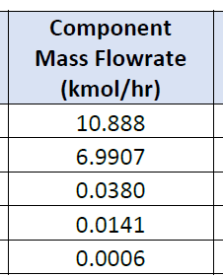
Checks |  |  |  | Composition | Kg/hr | 2.20462*kg/hr=lb/hr |  | lb/hr
 | Ackerman Dairy | 91.08 |  | CH4 | 174.64 | 2.20462 | 16.04 | 385.0148368 | 60.721902825 |  | 10.888 | 60.720
 | Double D Dairy | 204.66 |  | CO2 | 307.66 | 2.20462 | 44.01 | 678.2733892 | 38.987526311 |  | 6.9907 | 38.986
 | Ahlem Farms Jerseys | 107.79 |  | o2 | 1.216 | 2.20462 | 32.00 | 2.68081792 | 0.21192862008 |  | 0.038 | 0.212
 | K & R Blount Dairy | 74.53 |  | H2O | 0.2541 | 2.20462 | 18.02 | 0.560193942 | 0.078642243065 |  | 0.0141 | 0.079
 | Albert Mendes Dairy | 92.39 |  | H2S |  |  |  |  |  |  | 0.0006 | 0.003
 | Morrios Family Enterprises | 44.26 |  |  |  |  |  |  |  |  | 17.9314
 | S&S Dairy | 84.98
 | Bar Vee Dairy Inc. | 39.26
 | Dairy Central | 125.92
 | Martins Brothers Dairy | 142.66
 | Borba Dairy Farms | 190.06
 | AJ Borba Dairy | 120.32
 | Hilmar Holstenis | 134.26
 | Wickstrom Jersey Farms | 147.14
 | Oliveira Dairy | 81.46
 | Alamo Dairy | 150.18
 | Gioletti Dairy | 217.75
 | Vierra Dairy | 217.75
 | Total Flow | 2266

AL Datasheet
PROJECT INFORMATION
 |  | Owner: | Aemetis Inc. |  |  |  | Date: 3/4/2020
 |  | Project: | Aemetis DG Upgrading Facility
 |  | Location: | Ceres, California |  |  |  | Prep. by | Chk by | App by | Rev.
 |  | Contractor: | BIOGAS ENGINEERING INC. |  |  |  | TW | TW | TW | E

SYSTEM DESCRIPTION |  |  |  |  |  |  |  |  |  | Rev.
1 | Specification Name: | Digester Gas CO2 Removal System (Membrane Technology)
2 | PFD Equipment Tags: | 1st Stage Membranes (MF‐2001)/ 2nd Stage Membranes (MF‐2002)
3 | Equipment Service | Digester Gas
4 | Datasheet No: | D‐001 work with Block Flow Diagram (BFD) P1.00
5 | Datasheet Status: | Issued for Proposal |  |  | Issued for Quotation |  | Issued for Purchase
PROCESS_DIGESTER GAS SPECIFICATION (Stream 2 on BFD, RAW FEED from pipeline, after H2S removal beds)
6 | Parameters | Units | Maximum | Normal | Minimum | NOTES
7 | Volumetric Flowrate | SCFM | 2,300 | 2,300 | 250 | 1. The parameters specified is for the digester gas entering to the upgrading facility from the Pipeline. Prior to entering the Pipeline the gas is cooled to 50°F at 125psig.
8 | Pressure (Note 1) | PSIG | 75 | 65 | 60
9 | Temperature (Note 1) | °F | 80 | 70 | 40
10 | Composition
11 | Methane (CH4) | Vol% | 60.14 |  |  |  |  |  |  |  |  | CH4, % | 47.378106686 | 60.09
12 | Carbon Dioxide (CO2) | Vol% | 38.33 |  |  |  |  |  |  |  |  | CO2, % | 31.890682788 | 38.35
13 | Nitrogen (N2) | Vol% | 0.94 |  |  |  |  |  |  |  |  | N2, % | 0.80953271693 | 0.98859180688
14 | Oxygen (O2) | Vol% | 0.46 |  |  |  |  |  |  |  |  | O2, % | 0.40067780939 | 0.48930301552
15 | Hydrogen Sulfide (H2S) | Vol% | 0.0004 |  |  |  |  |  |  |  |  | H2S, % | 0.225 | 0.005
16 | Water (H2O) | Vol% | 0.127 |  |  |  |  |  |  |  |  | H2S, ppmv | 2250 | 50
17 | VOC & Siloxanes | Vol% | Non‐Detect |  |  |  |  |  |  |  |  | H2O, % | 19.697709058 | 0.10588072488
MEMBRANE INLET DIGESTER GAS SPECIFICATION (Stream 9 on BFD)
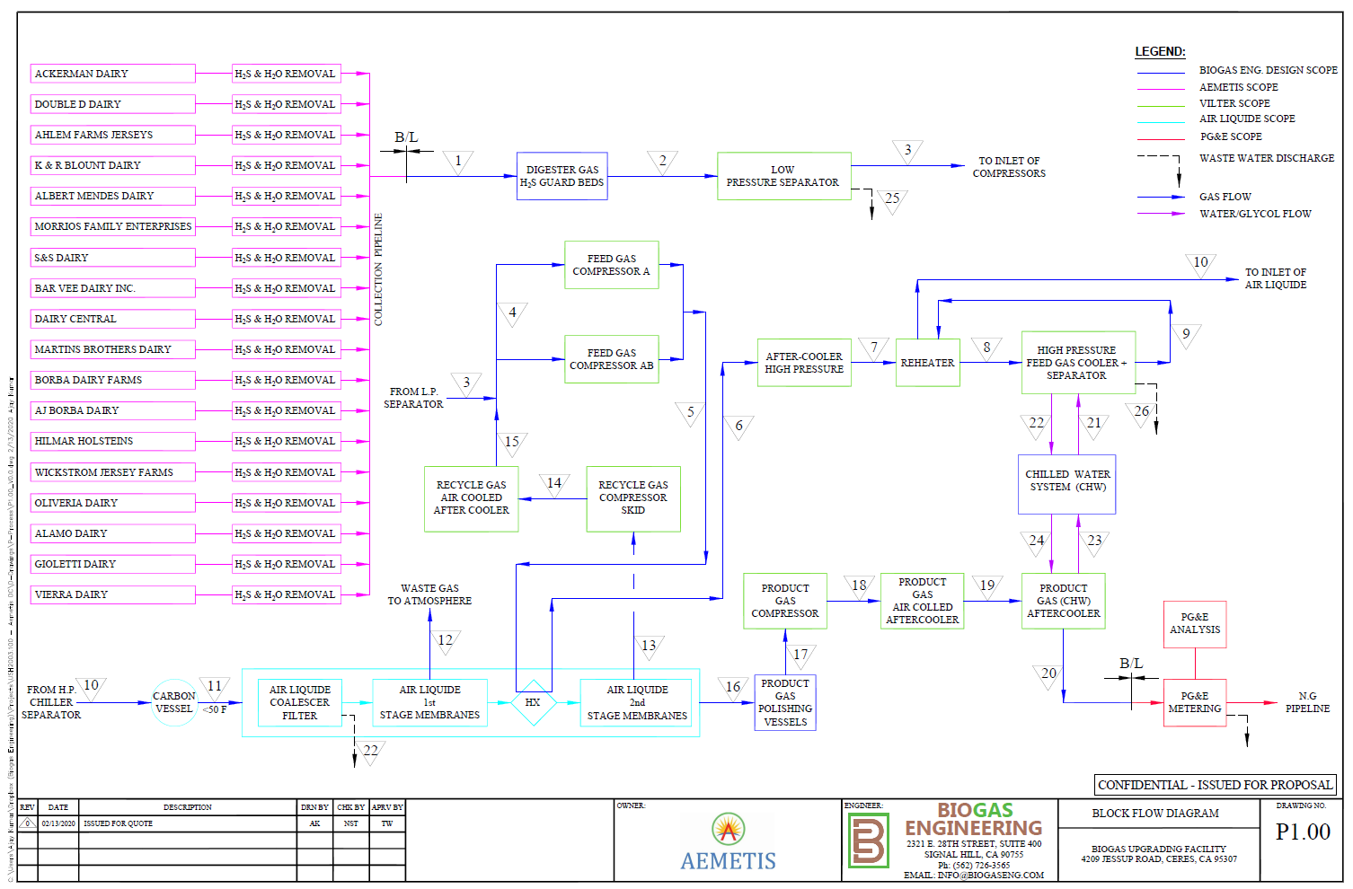
18 | Parameters | Units | Maximum | Normal | Minimum | NOTES |  |  |  |  | recycle ratio
19 | Volumetric Flowrate (Note 2) | SCFM | 4438 | 4438 | 450 | 2. Vendor to advise / confirm recycle flow and composition. 3. Vendor to advise required inlet Feed Pressure. A Recycle compressor and aftercooler will be provided by others, to the mix point with the raw feed DG. 4. The system shall be designed to handle a variation of ±10% in CH4 and CO2 concentration, while meeting the required Product Specification. |  |  |  |  | 1.93
20 | Pressure (Note 3) | PSIG | 65 | 62.4 | 60
21 | Temperature (Note 2) | °F | VTA | VTA | VTA
22 | Composition (Note 3,4)
23 | Methane (CH4) | Vol% | 57.12
24 | Carbon Dioxide (CO2) | Vol% | 40.59
25 | Nitrogen (N2) | Vol% | 1.06
26 | Oxygen (O2) | Vol% | 1.17
27 | Hydrogen Sulfide (H2S) | ppmv | 0.0006
28 | Water (H2O) | Vol% | 0.06
29 | VOC & Siloxanes | ppmv | Non‐Detect
PROCESS_PRODUCT GAS SPECIFICATION (Stream 15)
30 | Parameters | Units | Maximum | Normal | Minimum | NOTES
31 | Volumetric Flowrate | SCFM | VTA | 1,379 | VTA | 5. The product gas (Stream No. 16 on BFD) shall meet the Pacific Gas and Electric (PG&E), Rule 21 pipeline quality specifications. 6. A Product Gas Compressor with gas cooling system will be provided to compress/ cool the product gas from 2nd Stage membrane to desired pressure/ temperature conditions. 7. Vendor to provide the actual energy content in product gas.
32 | Pressure (Note 6) | PSIG | VTA | 156 | 150
33 | Temperature (Note 6) | °F | VTA | VTA | VTA
34 | Energy Content (Note 5, 7) | BTU/SCF | ≥980 |  |  |  |  |  |  | E
35 | Methane Recovery | % | ≥98
36 | Composition (Note 5)
37 | Carbon Dioxide (CO2) | Vol% | <1
38 | Oxygen (O2) | Vol% | <0.1
39 | Hydrogen Sulfide (H2S) | ppmv | <4
40 | Water (H2O) | lb/MMSCF | <7
41 | Siloxanes | ppmv | Non‐Detectable
PROCESS_WASTE GAS SPECIFICATION (Stream 11 on BFD)
42 | Parameters | Units | Maximum | Normal | Minimum | NOTES
43 | Volumetric Flowrate | SCFM | VTA | VTA | VTA | 9. The waste gas (stream no. 12) will be routed to thermal oxidizer. The pressures listed are the anticipated back pressure on the waste stream. Vendor to advise optimum and maximum back pressures.
44 | Pressure (Note 9) | PSIG | VTA | 2 | 0
45 | Temperature | °F | VTA | VTA | VTA
46 | Composition
47 | Methane (CH4) | Vol% | VTA
48 | Carbon Dioxide (CO2) | Vol% | VTA
49 | Nitrogen (N2) | Vol% | VTA
50 | Oxygen (O2) | Vol% | VTA
51 | Hydrogen Sulfide (H2S) | Vol% | VTA
52 | Water (H2O) | Vol% | VTA
PROCESS_RECYCLE GAS SPECIFICATION (Stream 12 on BFD)
53 | Parameters | Units | Maximum | Normal | Minimum | NOTES
54 | Recycle Ratio |  | VTA |  |  | 10. The recycle gas (Stream No. 13 and 14 on BFD) will be routed to Feed Gas Compressor's suction. A recycle gas compressor will be provided to maintain a lower pressure in the 2nd Stage permeate gas line, as the feed digester gas is pressurized (65 psig). The Recycle Compressor Aftercooler will cool the gas to 111F (at stream 14) prior to mixing point with the Raw Gas.
55 | Volumetric Flowrate | SCFM | VTA | VTA | VTA
56 | Pressure (Note 10) | PSIG | 5 | 4 | 0
57 | Temperature | °F | VTA | VTA | VTA
58 | Composition
59 | Methane (CH4) | Vol% | VTA
60 | Carbon Dioxide (CO2) | Vol% | VTA
61 | Nitrogen (N2) | Vol% | VTA
62 | Oxygen (O2) | Vol% | VTA
63 | Hydrogen Sulfide (H2S) | Vol% | VTA
64 | Water (H2O) | Vol% | VTA
PROCESS_UTILITY SYPPLY CONDITIONS
65 | Parameters | Units | Maximum | Normal | Minimum | NOTES
66 | Instrument Air Supply Press. | psig | 120 | 100 | 80
67 | Instrument Air Supply Temp | °F | 150 | 100 | 60
MECHANICAL_EQUIPMENT DESIGN CONSIDERATION
68 | Parameters | Units | Value |  |  | NOTES
69 | Design Pressure | psig | 250 |  |  | 11. The system material of construction shall be suitable for the given digester gas composition.
70 | Design Temperature | °F | 150
71 | Vacuum Condition |  | FV @ 112 °F
72 | Material of Construction |  | Note 11
73 | Electrical Classification Area: |  | Class 1, Division 2, Group D
SITE CONDITIONS
74 | Parameters | Units | Value |  |  | NOTES
75 | Site Elevation | ft | 95
76 | Low Ambient Temperature | °F | 24
77 | High Ambient Temperature | °F | 101
78 | Equipment Location |  | Outdoor
79 | Operation | Vol% | Continuous
Other Requirement
80 | Parameters | Units | Yes | No | NOTES
81 | ACF Bed at Skid Inlet (Note 12) | Yes/No |  |  | 12. Quantity of 2, lead‐lag. To be supplied by vendor.
82 | Coalescer Filter | Yes/No
83 | Heater | Yes/No
84 | Hot Gas Inlet Temp, 2nd Stage | °F | 240 | VTA
85 | Skid Design | Yes/No
86 | Flexibility to add Membranes | Yes/No
87 | Advanced Control System | Yes/No
Additional Notes
13. All equipment tags, instruments tags, and line numbers with in the membrane skid shall have the unique identification |  |  |  |  |  |  |  |  |  | E
number. Hence, A number series between 2,001 to 2,999 is reserved for Air Liquide use only, where "2" means Air Liquide system.
14. The Air Liquide system shall be packaged on skid with control panel/ HMI on the skid, skid wiring, piping, tubing, valves, |  |  |  |  |  |  |  |  |  | E
actuators, instrumentation and other components for a complete and functioning system.
15. The system to be HAZOP'ed immediately after the PID approval. As a minimum, the documents require for the HAZOP are, |  |  |  |  |  |  |  |  |  | E
approved PID, system description, brief control strategy, and Cause and Effect Diagrams.

BIOGAS ENGINEERING Signal Hill, CA biogaseng.com (562) 786‐5656

H2S Vessel Media Datasheet
PROJECT INFORMATION
 |  | Owner: | Aemetis Biofuels |  |  |  | Date: 5/15/2020
 |  | Project: | Aemetis DG Upgrading Facility |  |  |  | Rev. A
 |  | Location: | 4209 Jessup Rd, Ceres, CA 95307 |  |  |  | Prep. by | Chk by | App by | Rev.
 |  | Engineer: | BIOGAS ENGINEERING INC. |  |  |  | NST | AR | TW | A

SYSTEM DESCRIPTION |  |  |  |  |  |  |  |  |  | Rev. | Stream # |  | 1 | 2
1 | Equipment Name: | H2S GUARD BEDS MEDIA |  |  |  |  |  |  |  |  | Stream Name |  | RAW GAS TO H2S GUARD BEDS | RAW FEED TO LOW PRESSURE SEPARATOR
2 | Equipment No. | V-1031A/B (Note 8) |  |  |  |  |  |  |  |  | Pressure | psig | 65.0 | 63.0
3 | Equipment Service | Media for Digester Gas H2S Removal |  |  |  |  |  |  |  |  | Temperature | ºF | 70.0 | 70.0
4 | Datasheet No: | M-006 |  |  |  |  |  |  |  |  | Total Gas Flow | SCFM | 2300.3 | 2300.2
5 | Datasheet Status: | Issued for Proposal |  |  | Issued for Quotation |  | Issued for Purchase
INLET CONDITIONS (Stream 1 on BFD) |  |  |  |  |  |  |  |  |  |  | Actual Gas Flow | ACFM | 432.4 | 443.5
6 | Parameters | Units | Maximum | Normal | Minimum | NOTES |  |  |  |  | Mass Flow | lb/hr | 9802.1 | 9801.5
7 | Gas Flow (14.7 PSIA & 60 °F) | SCFM | 2,300 | 2,300 | 250 | 1. Performance based on Normal & Minimum pressures condition. Mechanical design for Maximum inlet pressure. 2. The system shall be designed to handle a molecular weight variation of ±10%, while meeting the outlet conditions. 3. The expected normal H2S concentration in the dairy digester gas is about 20 ppmv. But, the equipment design shall be for 50 ppmv H2S concentration. |  |  |  |  | Molar Flow | lbmol/hr | 363.7 | 363.7
8 | Inlet Pressure (Note 1) | PSIG | 125.0 | 65.0 | 40 |  |  |  |  |  | Gas Avg Mol. Wt |  | 27.0 | 27.0
9 | Temperature | °F | 70 | 70 | 70 |  |  |  |  |  | Compressibility Factor | z | 1.0 | 1.0
10 | Molecular Weight (Note 2) |  | 29.6 | 27.0 | 24.3 |  |  |  |  |  | Actual Gas Density | lb/ft3
11 | Composition (Note 2)
12 | Methane (CH4) | Vol% | 60.133 |  |  |  |  |  |  |  | Condensate Removed | lb/hr | 0.0
13 | Carbon Dioxide (CO2) | Vol% | 38.335 |  |  |  |  |  |  |  | Methane (CH4) | Vol% | 60.133 | 60.136
14 | Nitrogen (N2) | Vol% | 0.940 |  |  |  |  |  |  |  | Carbon Dioxide (CO2) | Vol% | 38.335 | 38.337
15 | Oxygen (O2) | Vol% | 0.460 |  |  |  |  |  |  |  | Nitrogen (N2) | Vol% | 0.940 | 0.940
16 | Hydrogen Sulfide (H2S) (Note 3) | ppmv | 50.0 |  |  |  |  |  |  |  | Oxygen (O2) | Vol% | 0.460 | 0.460
17 | Water (H2O) | Vol% | 0.127 |  |  |  |  |  |  |  | Hydrogen Sulfide (H2S) | Vol% | 0.005 | 0.000
18 | VOC & Siloxanes | ppmv | Non-Detect |  |  |  |  |  |  |  | Water (H2O) | Vol% | 0.127 | 0.127
OUTLET CONDITIONS (Stream 2 on BFD) |  |  |  |  |  |  |  |  |  |  | Hydrogen (H2) | Vol% | 0.000 | 0.000
19 | Parameters | Units | Maximum | Normal | Minimum | NOTES
20 | Gas Flow (14.7 PSIA & 60 °F) | SCFM | 2,300 | 2,300 | 250 | 4. Vendor to advise the maximum allowable pressure drop across per feet length of media for effective H2S removal from the dairy digester gas. 5. The guaranteed H2S concentration at the outlet of the guard bed shall be less than 4 ppmv. 6. The relative humidity of dairy digester gas is 11%.
21 | Outlet Pressure (Note 4) | PSIG | 123.0 | 63.0 | 38.0
22 | Temperature | °F | 70 | 70 | 70
23 | Molecular Weight |  | 29.6 | 27.0 | 24.3
24 | Composition
25 | Methane (CH4) | Vol% | 60.133
26 | Carbon Dioxide (CO2) | Vol% | 38.335
27 | Nitrogen (N2) | Vol% | 0.940
28 | Oxygen (O2) | Vol% | 0.460
29 | Hydrogen Sulfide (H2S) (Note 5) | ppmv | <4
30 | Water (H2O) (Note 6) | Vol% | 0.127
31 | VOC & Siloxanes | ppmv | Non-Detect
MEDIA INORMATION AND VESSEL CONFIGURATION
32 | Parameters | Units | Maximum | Normal | Minimum | NOTES
33 | Media Type and Name |  | VTA |  |  | 7. Vendor to advise the expected increase in media changeover time for 20 ppmv H2S concentration in the feed line. 8. Vendor to advise the numbers of guard bed require for the effective H2S removal to desired level from the dairy digester gas.
34 | Media Loading | lb/lb-Media | VTA
35 | H2S removed per day | lbs/day | VTA
36 | Media use per day | lbs/day | VTA
37 | Media Changeover Frequency | Months | 12
38 | Required Media Volume | ft3 | VTA
39 | Media Density | lb/ft3 | VTA
40 | Recommended Flow Velocity | ft/minute | VTA
41 | Recommended Vessel ID | ft | VTA
42 | Required Media Bed Depth | ft | VTA
43 | Recommended Vessel Height (T/T) | ft | VTA
44 | Numbers of Guard Beds (Note 8) |  | 2
45 | Preferred Configuration |  | Lead-Leg
46 | Empty Bed Contact Time | Seconds | VTA
47 | Pressure drop per feet height of media | inWC/ft | VTA
48 | Total Pressure Drop Across the media | inWC | VTA
VESSEL DESIGN PARAMETER (BY OTHER)
49 | Parameters | Units | Value |  |  | NOTES
50 | Design Code |  | ASME SEC VIII DIV. 1 |  |  | 9. The system material of construction shall be suitable for the given digester gas composition and for continuous outdoor service at the project location.
51 | Design Pressure | psig | 125
52 | Design Temperature | °F | 150
53 | Vacuum Condition |  | FV @ 112 °F
54 | Material of Construction (Note 10) |  | STAINLESS STEEL
55 | Electrical Classification Area: |  | Class 1, Division 2, Group D
SITE CONDITIONS
56 | Parameters | Units | Value |  |  | NOTES
57 | Site Elevation | ft | 95
58 | Low Ambient Temperature | °F | 24
59 | High Ambient Temperature | °F | 101
60 | Equipment Location |  | Outdoor
61 | Operation |  | Continuous
System Sketch
11. Vendor shall advise the specific requirements for vessel design to support media changeover (i.e. media loading/ unloading nozzle size, platform
requirement etc.).
12. The below is preliminary vessel sketch for reference.

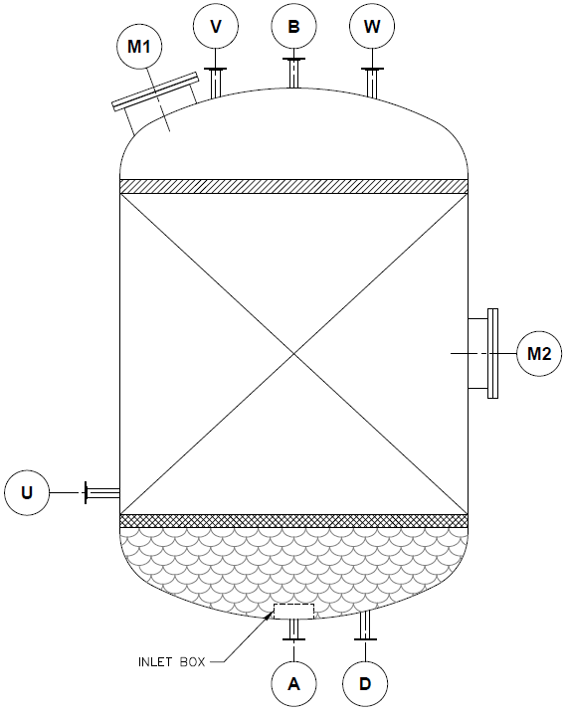

BIOGAS ENGINEERING Signal Hill, CA biogaseng.com (562) 786-5656

