Overview
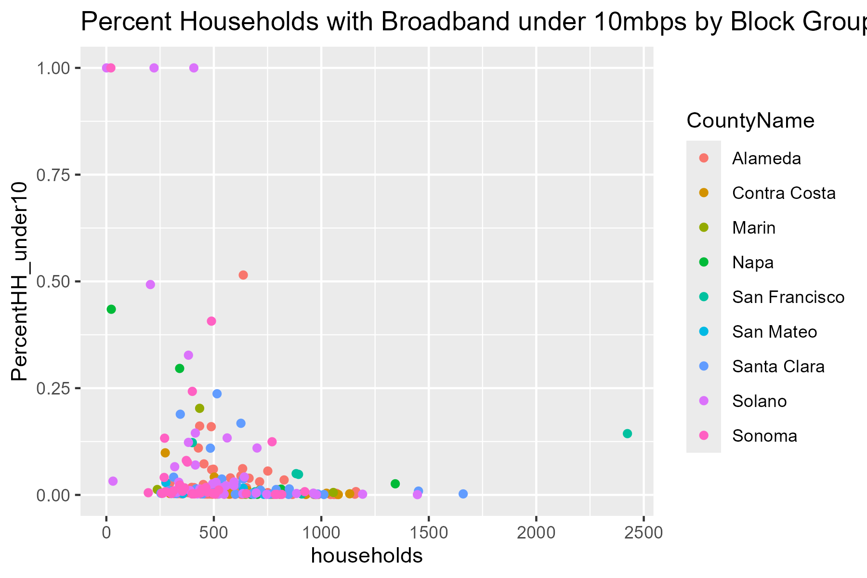
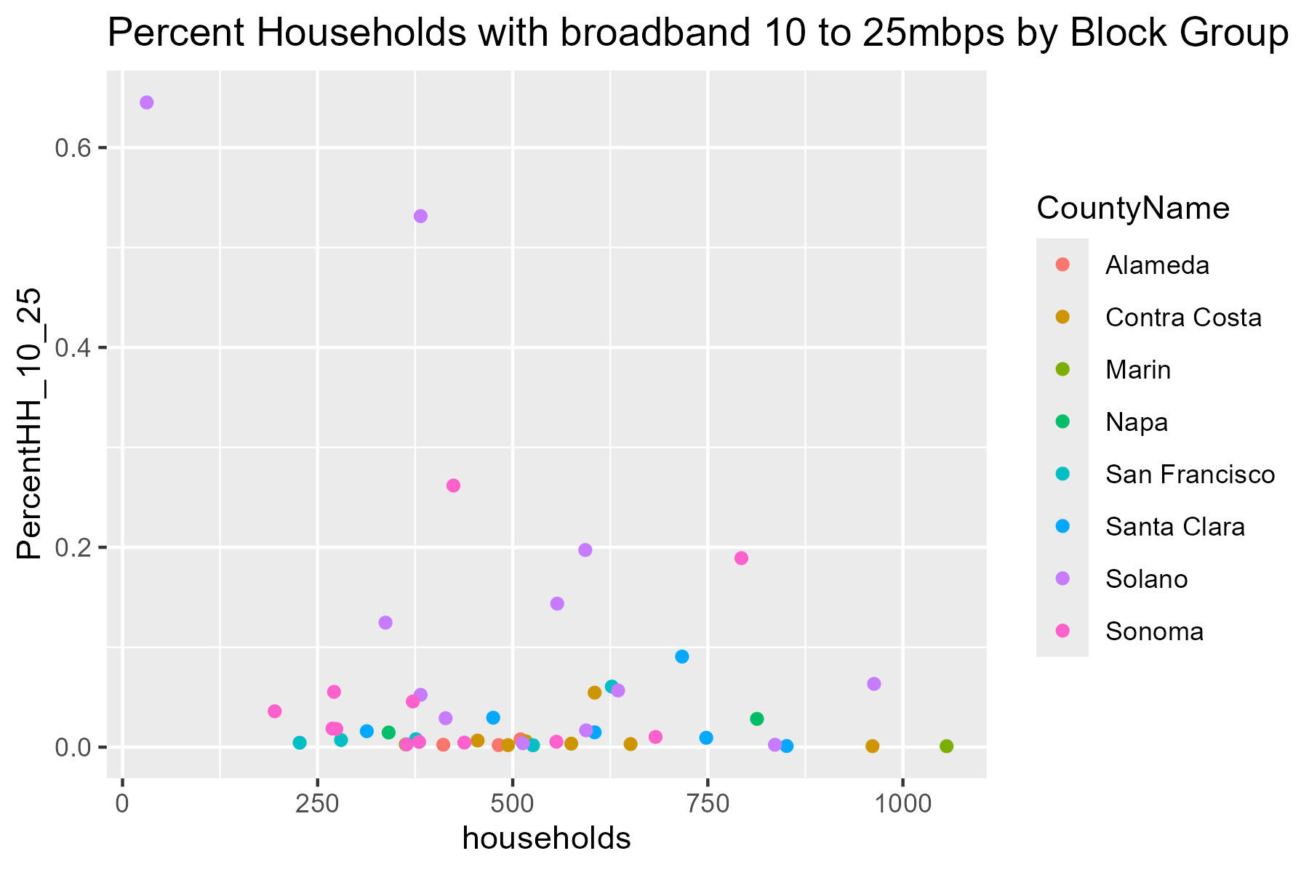
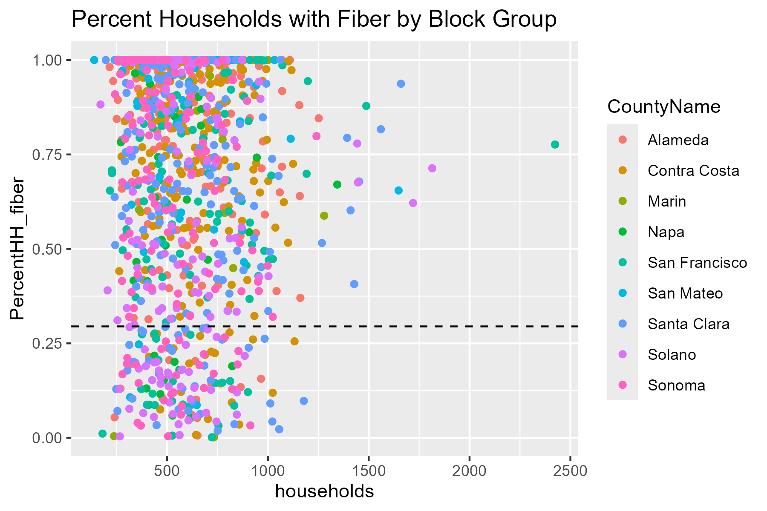
CountyId | CountyName | Households_in_County | County_population | TotalBlackPctinCounty | TotalWhitePctinCounty | TotalHispanicPctinCounty | PercentHH_Under10 | blackPopPctUnder10 | whitePopPctUnder10 | hispPopPctUnder10 | PercentHH_10to25 | BlackPopPct10to25 | WhitePopPct10to25 | HispanicPop10to25 | PercentHH_LowFiber | BlackPopPctLowFiber | WHitePopPctLowFiber | HispanicPopLowFiber
001 | Alameda | 621958 | 1682353 | 9.8004996573 | 31.137103806 | 23.404660021 | 1.8344292699 | 19.402632108 | 19.527970581 | 36.506012699 | 0.42765502495 | 36.862745098 | 22.516339869 | 574 | 0.51109387539 | 10.96897852 | 18.394133211 | 12926
013 | Contra Costa | 423342 | 1165927 | 8.7042327693 | 43.029880945 | 27.008551993 | 0.80379390724 | 14.196977657 | 38.276831793 | 32.720417813 | 1.0568341945 | 12.593306044 | 36.214784493 | 4878 | 1.5104485442 | 14.293955599 | 30.170150705 | 58184
041 | Marin | 111564 | 262321 | 2.4165049691 | 68.38072438 | 18.835701297 | 3.432642487 | 2.7127166865 | 56.861188302 | 29.217943628 | 0.14094432699 | 5.7679409792 | 50.167672703 | 939 | 0.012633440718 | 2.6311379253 | 33.660130719 | 13948
055 | Napa | 55448 | 138019 | 1.7700461531 | 55.179359364 | 35.378462386 | 3.2696474296 | 1.8211514904 | 66.917109024 | 24.426296448 | 2.4263431542 | 0.20981955518 | 69.24045321 | 690 | 2.2882090661 | 2.283185451 | 49.985688809 | 17033
075 | San Francisco | 406628 | 873965 | 5.3463239375 | 41.349710801 | 15.64833832 | 5.7181756297 | 17.539220081 | 24.217839534 | 21.0623039 | 2.21021611 | 15.45261669 | 31.753889675 | 982 | 1.3712012533 | 11.724229351 | 27.426429828 | 17397
081 | San Mateo | 283693 | 764442 | 2.0547013377 | 39.268904639 | 25.036039359 | 0.77770576798 | 5.1645219794 | 13.507211331 | 44.9520684 | #NUM! | #NUM! | #NUM! | 0 | 0.43660666374 | 4.6981064666 | 9.9321186138 | 2916
085 | Santa Clara | 688035 | 1936259 | 2.3223132856 | 32.155667191 | 25.170031489 | 2.3526155549 | 2.8622619065 | 29.111656117 | 49.511697238 | 2.7231059585 | 1.8977710142 | 33.873422254 | 6800 | 1.9895004844 | 3.1625131791 | 21.078062872 | 82037
095 | Solano | 162237 | 453491 | 13.706335958 | 38.758872833 | 28.259656752 | 6.8870808934 | 10.629166986 | 44.961299716 | 29.218714078 | 9.7001763668 | 3.6381954551 | 52.501959028 | 5746 | 2.23178996 | 12.619618209 | 40.659497343 | 53922
097 | Sonoma | 204742 | 488863 | 1.5576961235 | 62.73414024 | 28.932032083 | 3.9407881576 | 2.0100793605 | 61.426171581 | 24.871111626 | 6.4753935047 | 1.3807069219 | 64.359351988 | 3082 | 1.9373012581 | 1.7910585505 | 59.285554193 | 47478

Under10Mbps
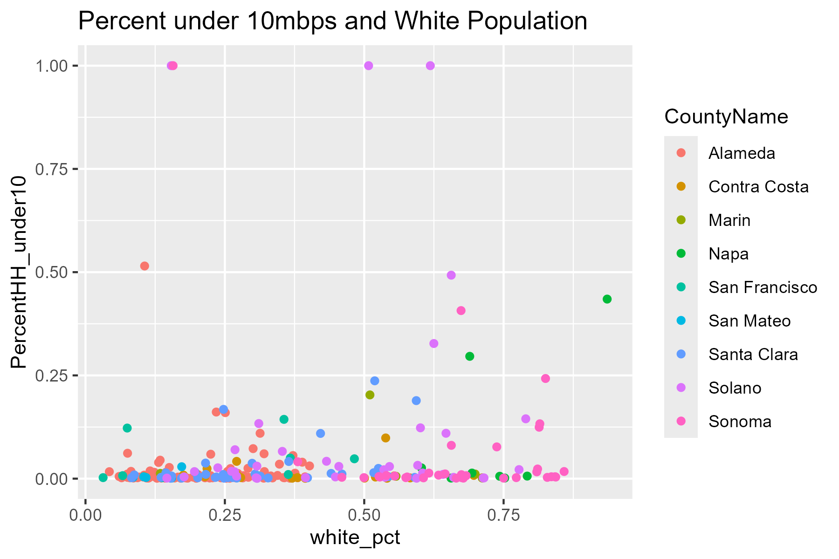

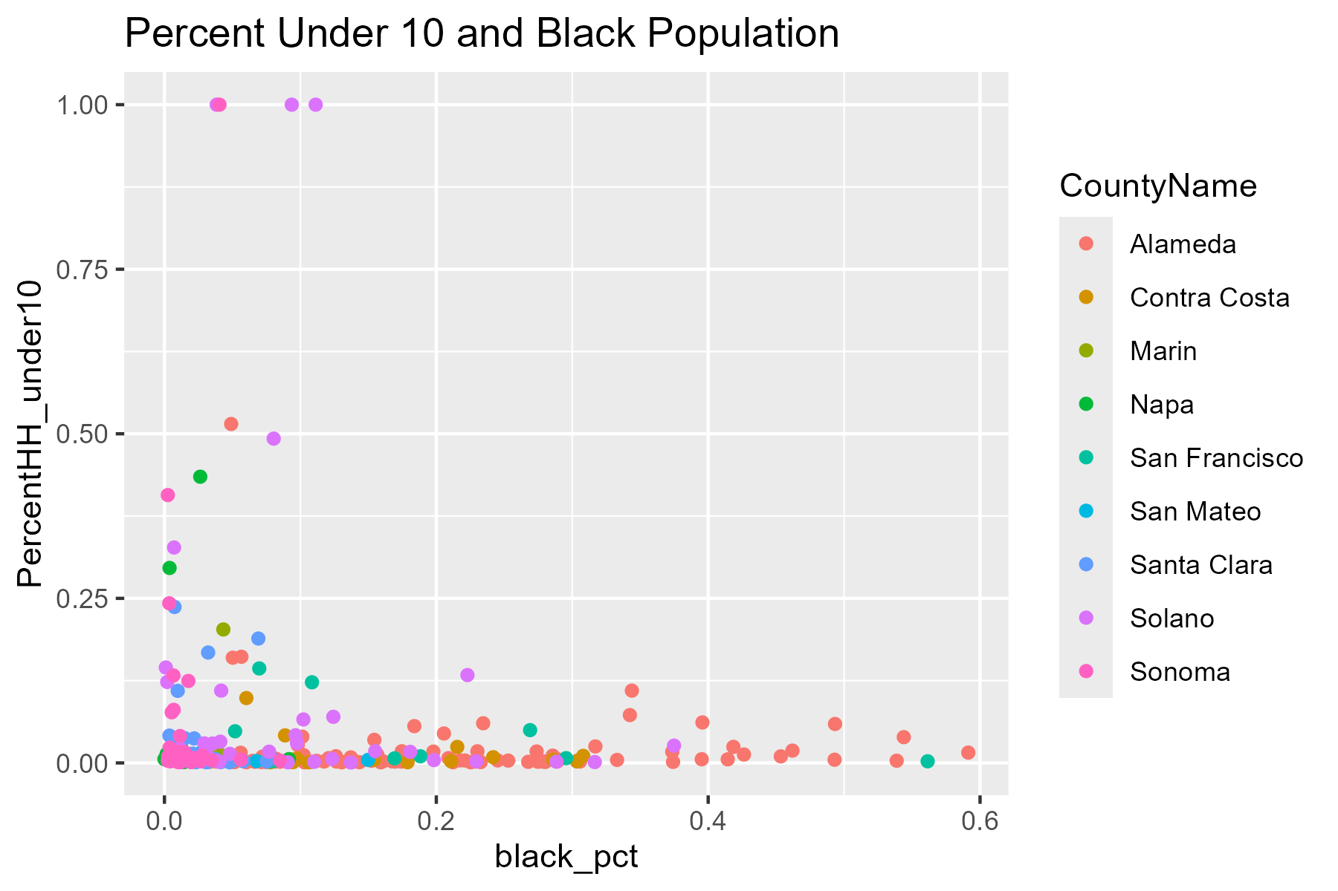

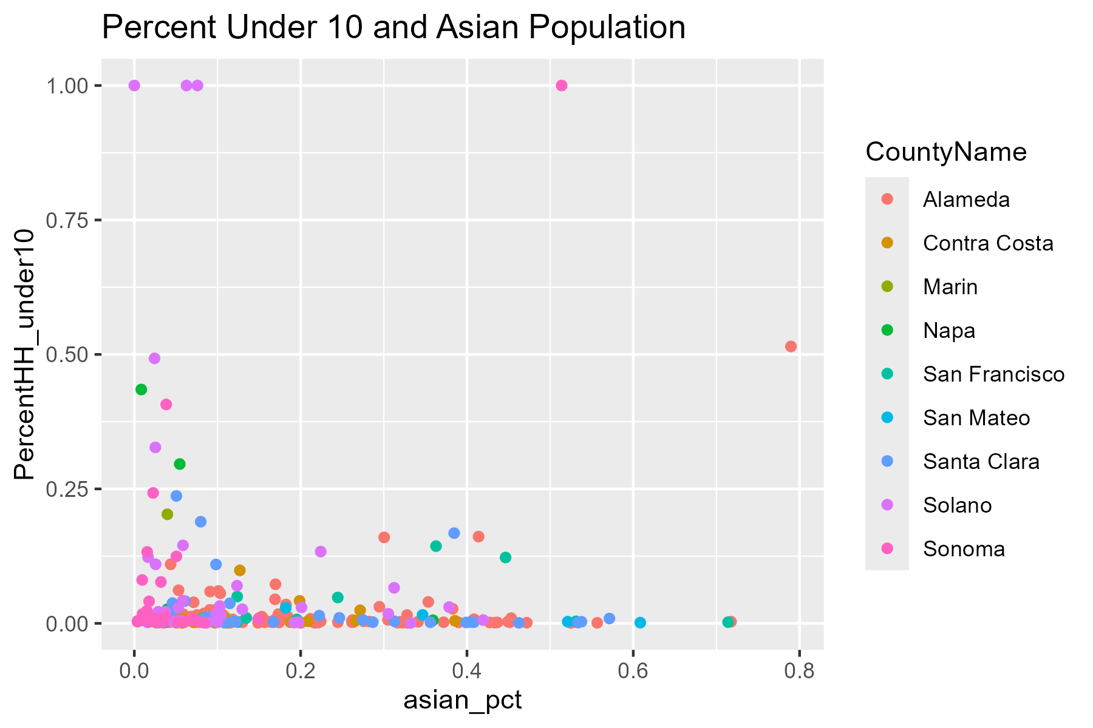

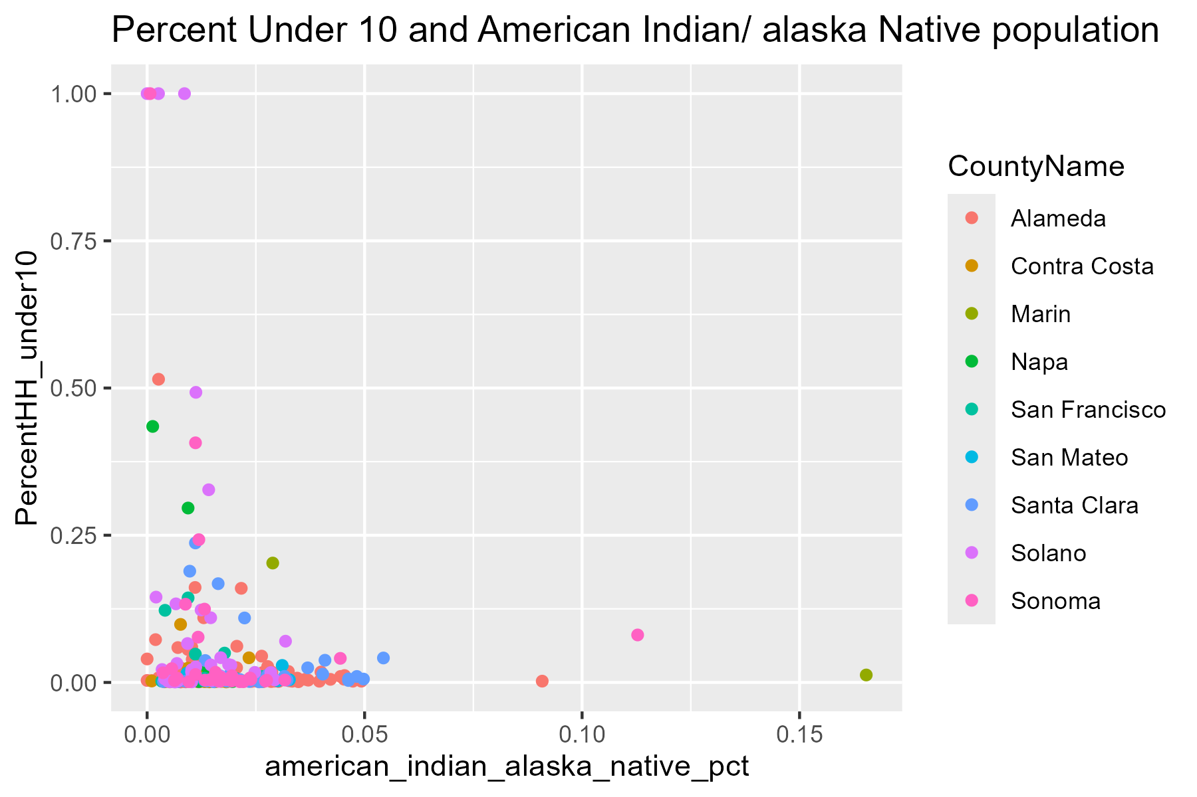

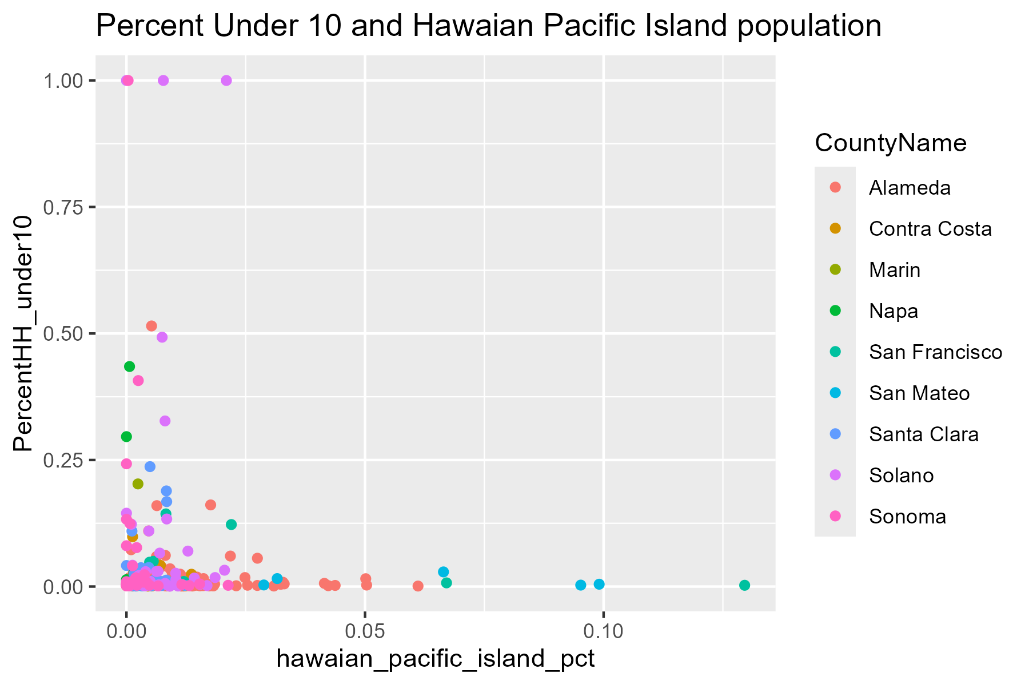

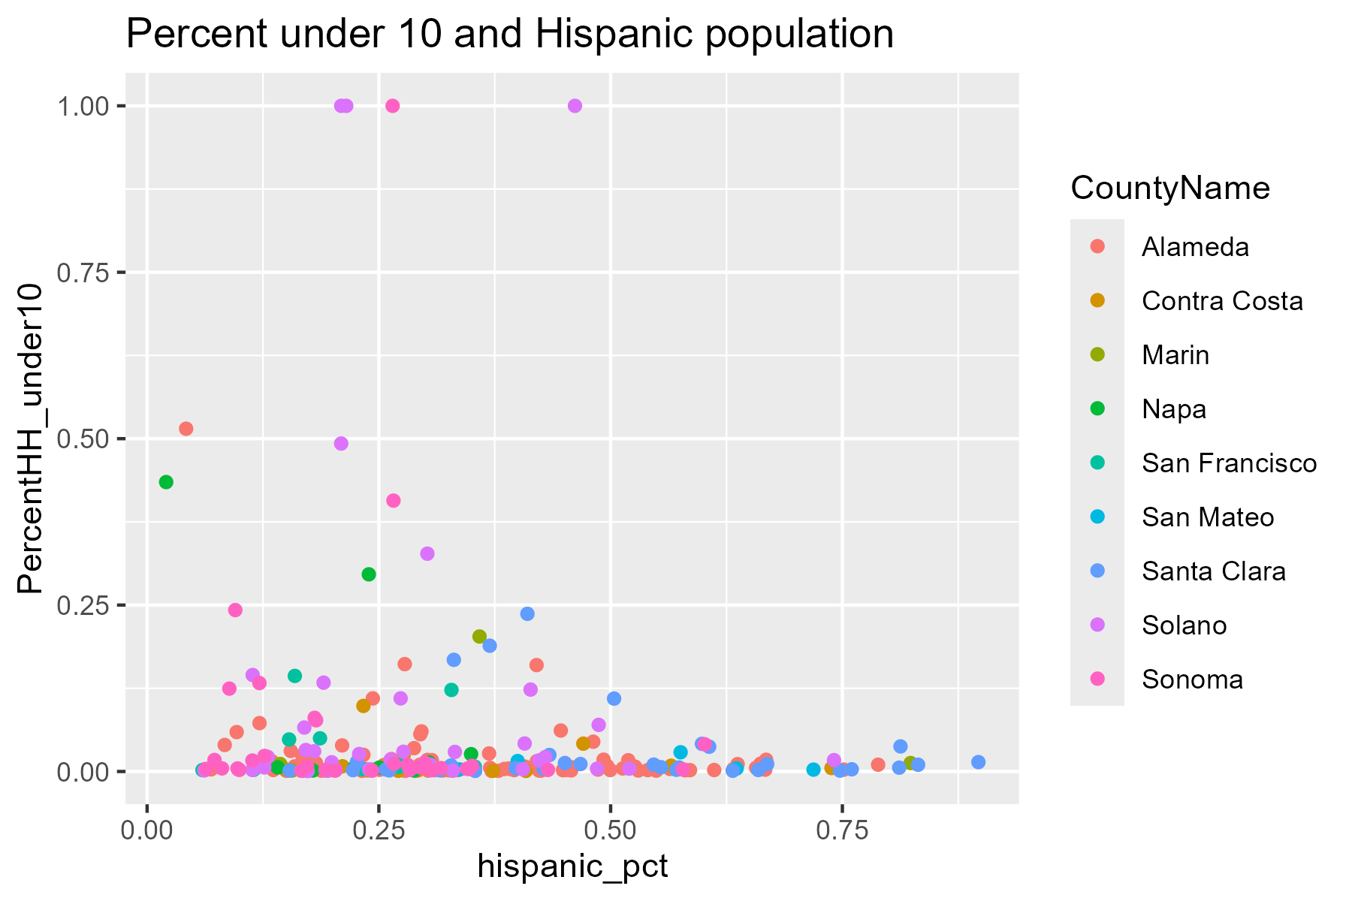

10to25Mbps
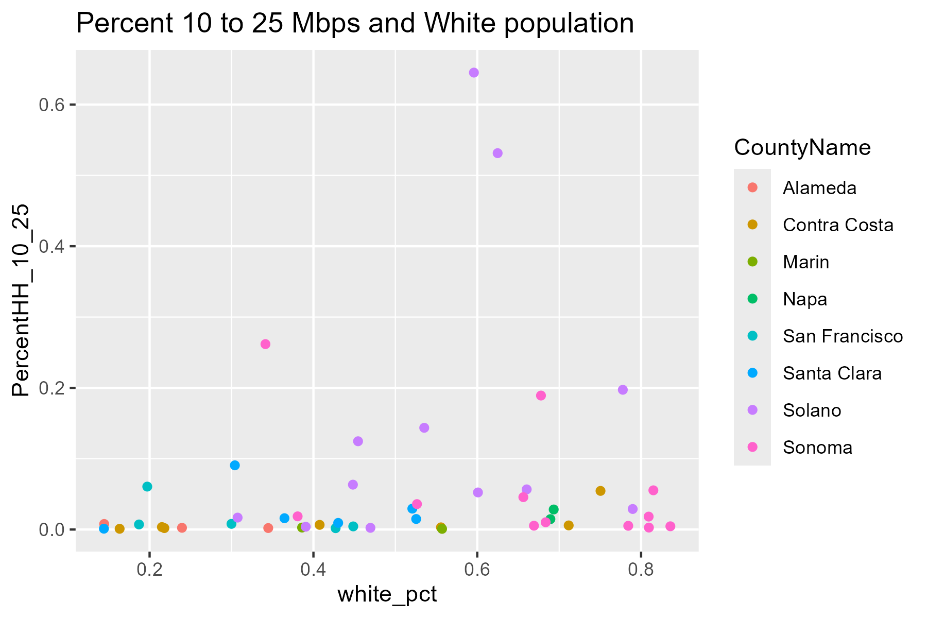

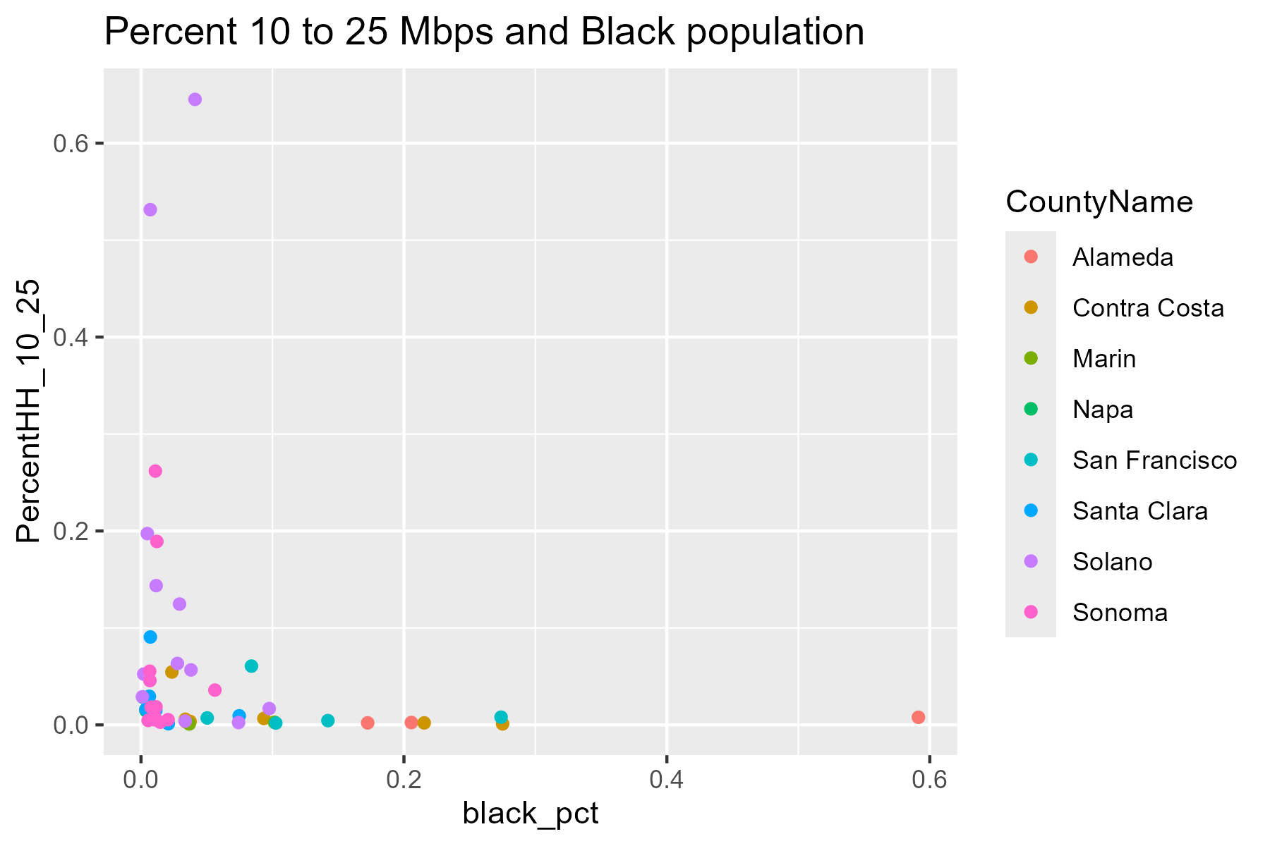

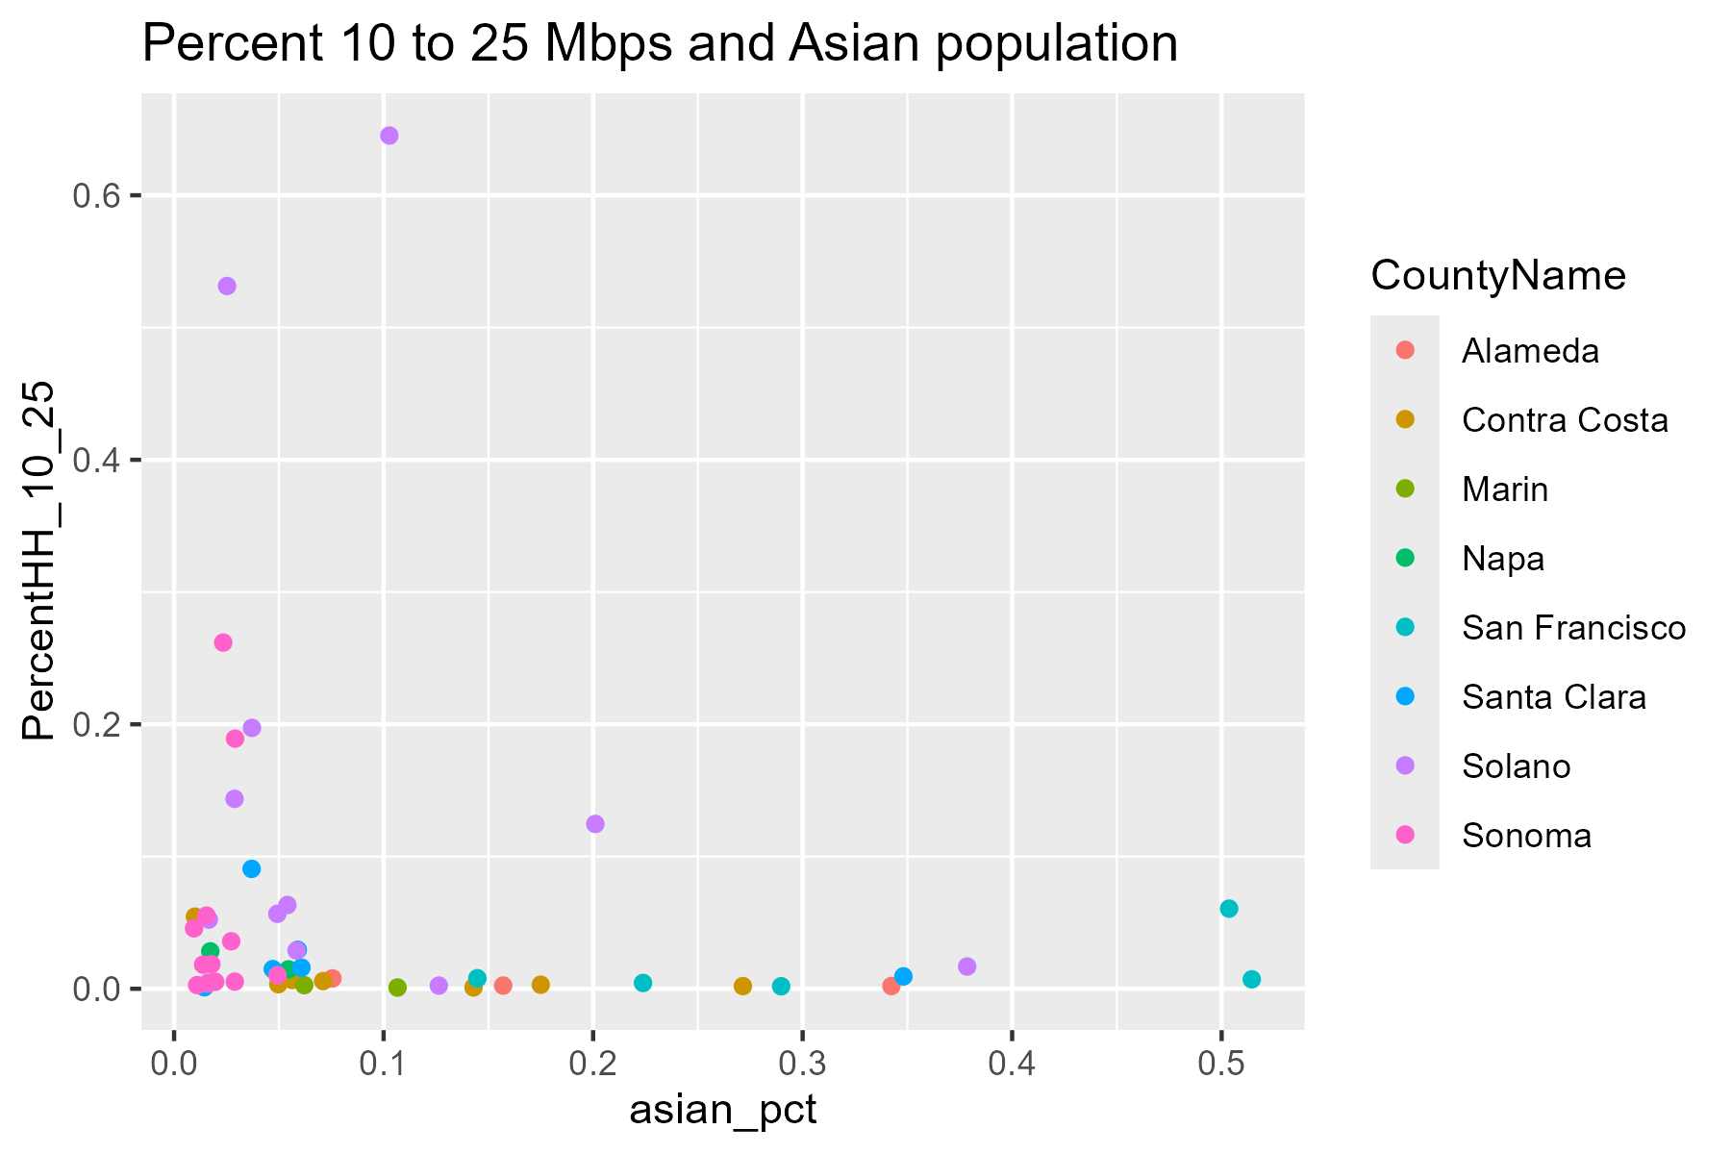

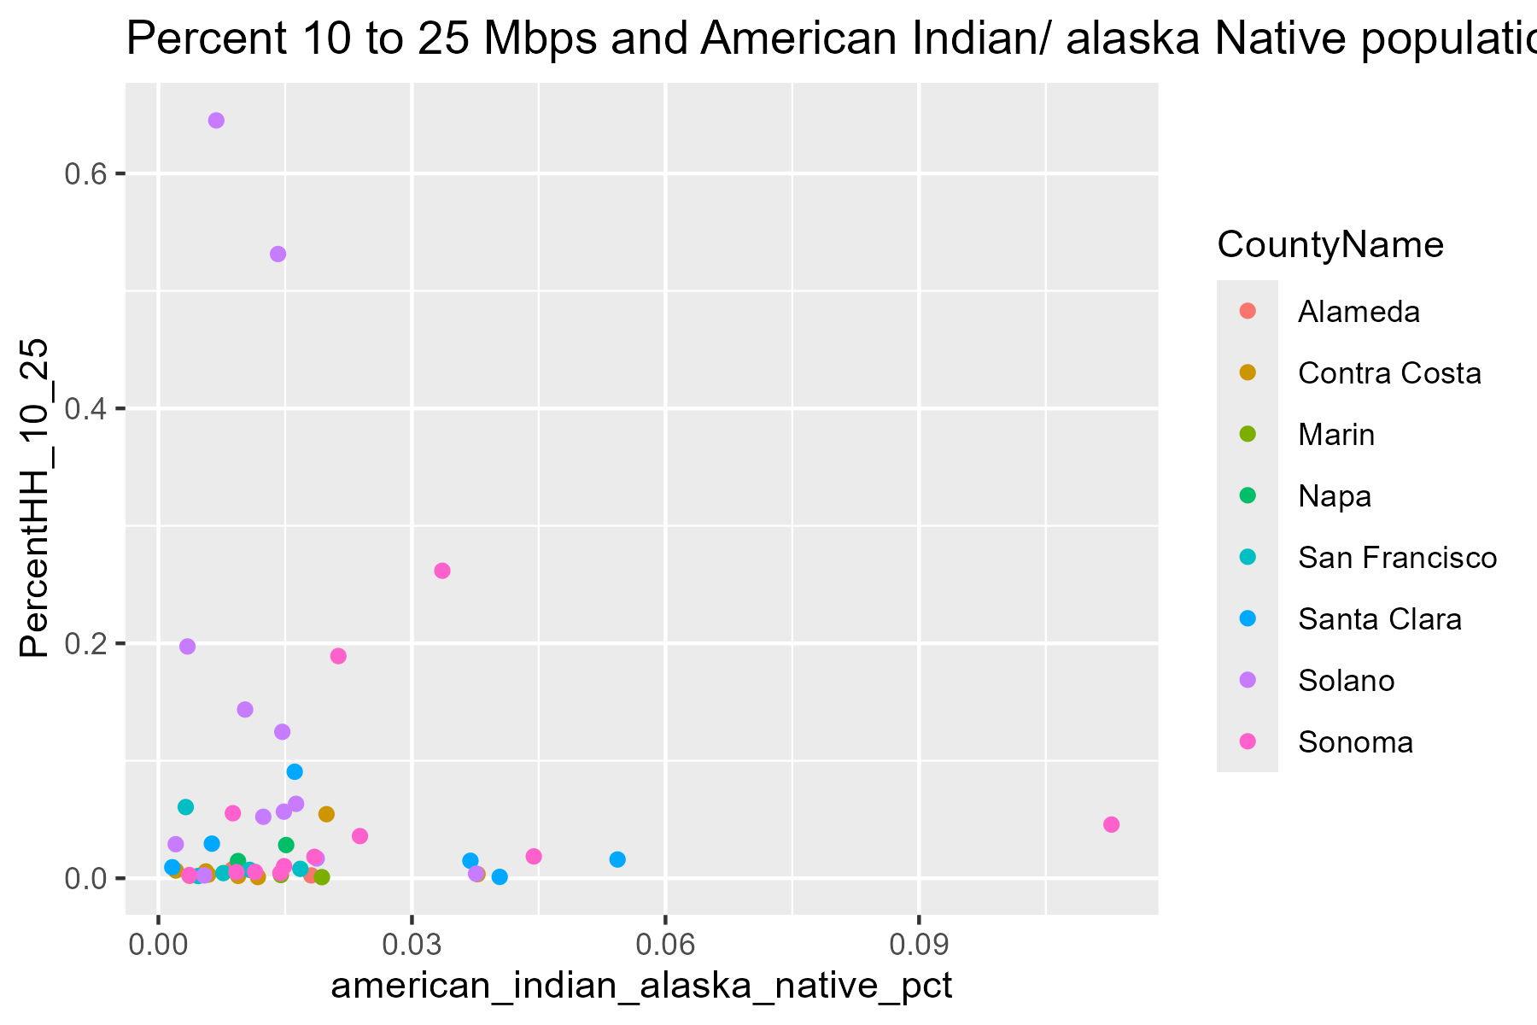

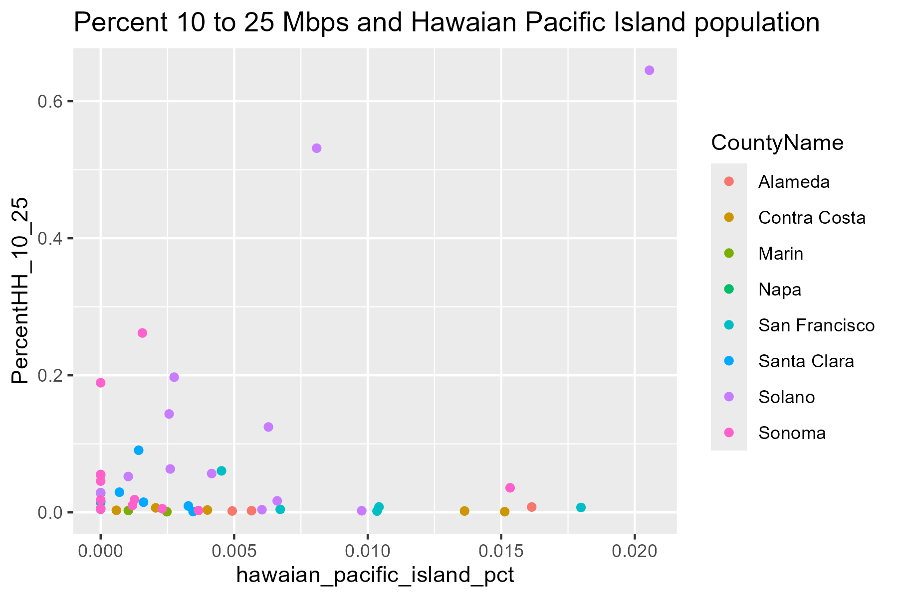

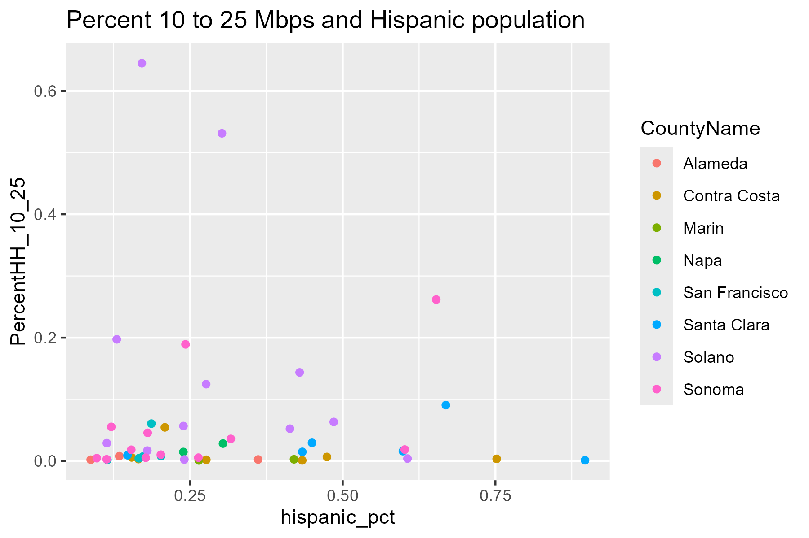

Fiber
