Defects
Summary | Steps to reproduce | Actual result | Expected Result | Priority
Requirement for Asset Name is not clear | 1. As per the requirement - 'The asset name is a combination of 4 uppercase letters and 10 digitalis' 2. The 'Asset Name' format accepts only 4 uppercase letters followed by 10 digits only. The requirement should be clear as it states combination and not the sequence in which the name should be input |  |  | high
Spelling error - while adding existing asset name in the 'add asset' input textbox, the pop-up window displayed contains wrong spelling of asset | 1. Open the browser 2. Enter the URL(http://localhost:3000) 3. Verify the webpage displayed 4. Click on Add Asset tab 5. In the input text box, type 'ISIN0000000015' 6. Click on 'send' button | Pop-up with error message should be displayed with message - 'Asset alredy exist ' and 'Asset name should be unique. Assert with this name already exists' | Pop-up with error message should be displayed with message - 'Asset alredy exist ' and 'Asset name should be unique. Asset with this name already exists' | low | 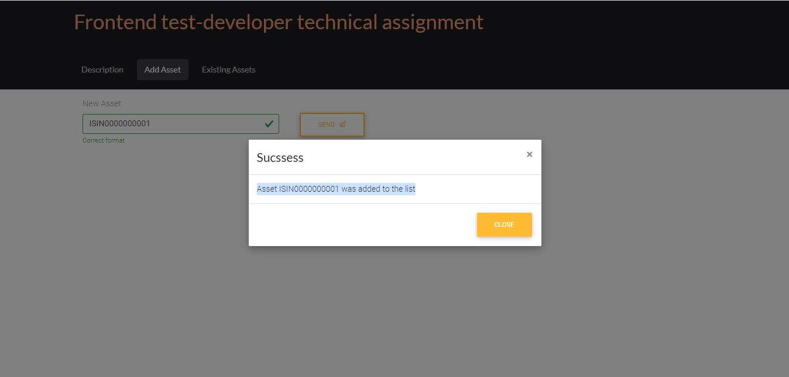 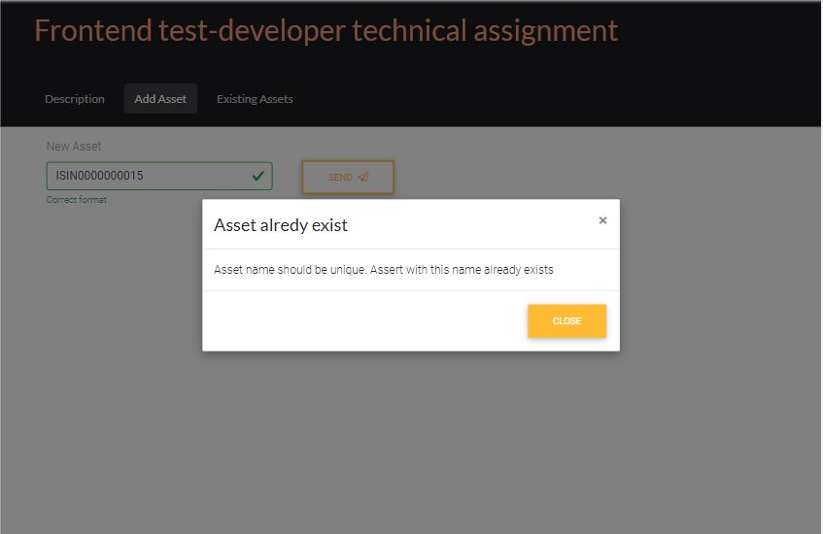
Spelling error - while adding new asset name in the 'add asset' input textbox, the pop-up window displayed contains wrong spelling of success | 1. Open the browser 2. Enter the URL(http://localhost:3000) 3. Verify the webpage displayed 4. Click on Add Asset tab 5. In the input text box, type 'ISIN0000000015' 6. Click on 'send' button | 1. A pop-up window should be displayed 2. 'Sucssess' should be displayed with a message - 'Asset ISIN0000000001 was added to the list' | 1. A pop-up window should be displayed 2. 'Succsess' should be displayed with a message - 'Asset ISIN0000000001 was added to the list' | low
Asset name format check works only after the asset success/existing pop-up is displayed and closed | 1. Open the browser 2. Enter the URL(http://localhost:3000) 3. Verify the webpage displayed 4. Click on Add Asset tab 5. In the input text box, type invalid asset name - 'ISIN0000000015$$' 6. Click on 'send' button 7. In the input text box, type existing asset name - 'ISIN0000000015' 8. Click on 'send' button 9. Click on close button of the pop-up 10. In the input text box, type invalid asset name - 'ISIN0000000015$$' | 1. Message is displayed that format is not correct 2. An error pop-up is displayed stating that the asset name exists in the system 3. Incorrect format with cross symbol and red border is displayed in the textbox | The format check with 'correct or tick-mark' and green color border for correct format OR Incorrect format with cross symbol and red border is displayed in the textbox should be displayed everytime when an asset name is typed in the textbox. | medium | 

