Sheet1
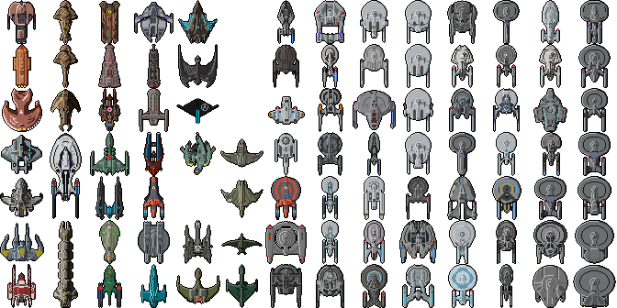
 | 0 | 48 | 96 | 144 | 192 | 240 | 288 | 336 | 384 | 432 | 480 | 528 | 576 | 624
0 | Merchantman | Keldon-Class | batlh-Class | Jem'Hadar | sech-Class | blank | Pathfinder-Class | Steamrunner-Class | Soyuz-Class | Miranda-Class | Nimitz-Class | Freedom-Class | Intrepid-Class | Niagara-Class
48 | Talarian Freighter | Galor-Class | Bajoran Freighter | daSpu'-Class | Klingon Bird-of-Prey (Discovery era) | blank | Walker-Class | Sovereign-Class | Malachowski-Class | Miranda-Class (Lantree variant) | Nova-Class | Constitution-Class (Strange New Worlds) | Nova-Class (Rhode Island variant) | New Orleans-Class
96 | D'Kora Marauder | Hideki-Class | Qugh-Class | Hiawatha-Class | Mars Synth Defense Ship | blank | Intrepid-Class Aeroshuttle | Gagarin-Class | Saber-Class | Miranda-Class (Saratoga variant) | Parliament-Class | Georgiou-Class | Defiant-Class | Cheyenne-Class
144 | Peregrine-Class | Odyssey-Class | D5-Class | Risian Corvette | Breen Interceptor | Bajoran Interceptor | Oberth-Class | Cardenas-Class | Vesta-Class | Miranda-Class (Antares variant) | Challenger-Class | Constitution-II-Class | Constitution-III-Class | Galaxy-Class
192 | Maquis Raider |  | chargh-Class | Wallenberg-Class | blank | Dhailkhina-Class | Sampson-Class | Excelsior-Class | Class III Neutronic Fuel Carrier (Kobayashi Maru) | Shepard-Class | Norway-Class | California-Class | Galaxy-Class (Venture variant) | Springfield-Class
240 | Theta-Class | Groumall Freighter | Tellarite Cruiser | Magee-Class | bortaS bIr-Class | Dia Vectau-Class | Hernandez-Class | Excelsior-Class Refit | Luna-Class | Edison-Class | Constellation-Class | Sagan-Class | Sutherland-Class | Nebula-Class (Phoenix variant)
288 | La Sirena |  | Monaveen | Risian Luxury Cruiser | B'rel-Class | D'deridex-Class | Engle-Class | Reliant-Class | Ross-Class | Akira-Class | Ambassador-Class | Excelsior-II-Class | Hoover-Class | Nebula-Class

