T2.1_statistik
Tests of Normality
 | Kolmogorov-Smirnova |  |  | Shapiro-Wilk |  |  | bland altman start
 | Statistic | df | Sig. | Statistic | df | Sig. | bias: - 0,7778
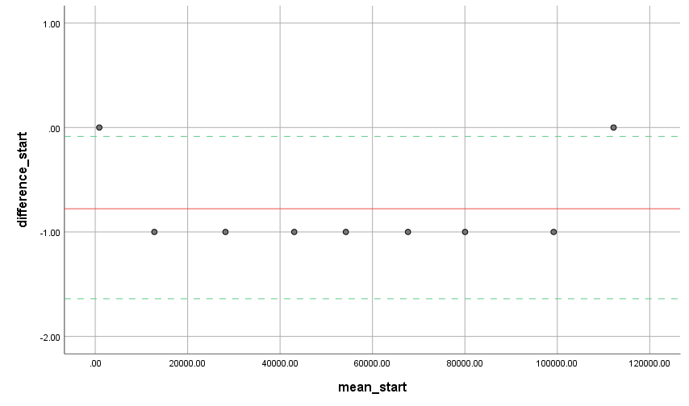
difference_start | 0.471 | 9 | 0.000 | 0.536 | 9 | 0.000 | LoA: [0,086; -1,64]
difference_slut | 0.414 | 9 | 0.000 | 0.617 | 9 | 0.000
a. Lilliefors Significance Correction

Hypothesis Test Summary
 | Null Hypothesis | Test | Sig. | Decision
1 | The median of differences between f_start and obs_start equals 0. | Related-Samples Wilcoxon Signed Rank Test | 0.008 | Reject the null hypothesis.
Asymptotic significances are displayed. The significance level is .050.

Related-Samples Wilcoxon Signed Rank Test Summary |  |  |  |  |  |  | bllandt altman slut
Total N | 9 |  |  |  |  |  | bias: -0,6667
Test Statistic | 28.000 |  |  |  |  |  | LoA: [0,313; -1,647]
Standard Error | 5.292
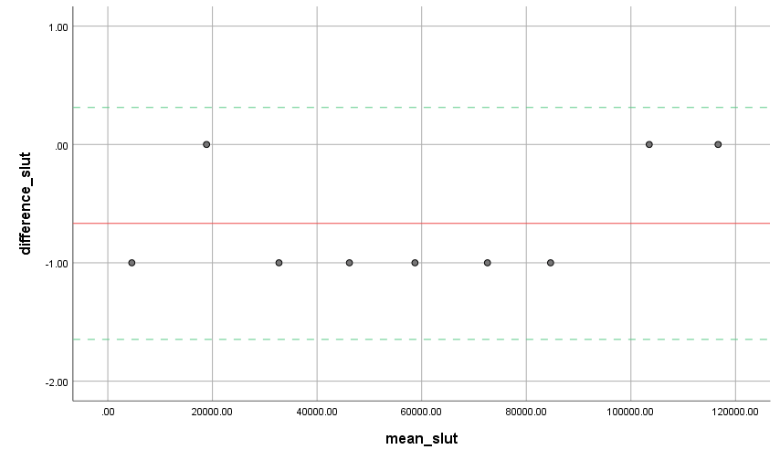
Standardized Test Statistic | 2.646
Asymptotic Sig.(2-sided test) | 0.008

T3.1_statistik
Tests of Normality
 | Kolmogorov-Smirnova |  |  | Shapiro-Wilk |  |  | Bland altman start
 | Statistic | df | Sig. | Statistic | df | Sig. | Bias: -0.9
difference_start11 | 0.524 | 10 | 0.000 | 0.366 | 10 | 0.000 | LoA: [-0,28; 1,52]
difference_slut11 |  | 10 |  |  | 10
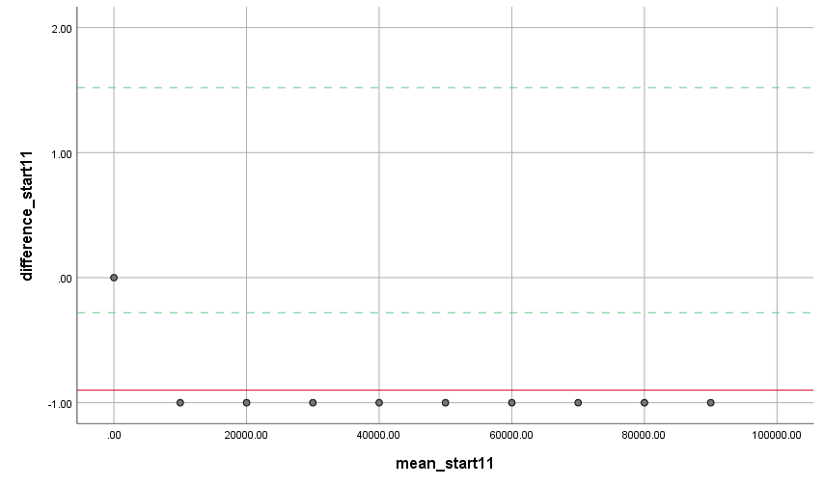
a. Lilliefors Significance Correction

sample 1 start: forv-obs
Hypothesis Test Summary
 | Null Hypothesis | Test | Sig. | Decision
1 | The median of differences between faktisk_start_1 and obs_start_1 equals 0. | Related-Samples Wilcoxon Signed Rank Test | 0.003 | Reject the null hypothesis.
Asymptotic significances are displayed. The significance level is .050.

Related-Samples Wilcoxon Signed Rank Test Summary
Total N | 10
Test Statistic | 45.000
Standard Error | 7.500
Standardized Test Statistic | 3.000
Asymptotic Sig.(2-sided test) | 0.003

sample 1 slut: forv-obs
Hypothesis Test Summary
 | Null Hypothesis | Test | Sig. | Decision
1 | The median of differences between faktisk_slut_1 and obs_slut_1 equals 0. | Related-Samples Wilcoxon Signed Rank Test | 0.002 | Reject the null hypothesis. |  |  | bland altman slut
Asymptotic significances are displayed. The significance level is .050. |  |  |  |  |  |  | Bias: -1
 |  |  |  |  |  |  | LoA: [-1 ; -1]

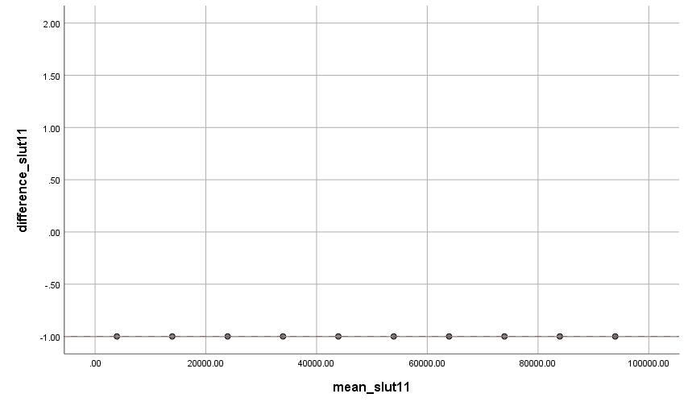
Related-Samples Wilcoxon Signed Rank Test Summary
Total N | 10
Test Statistic | 55.000
Standard Error | 8.696
Standardized Test Statistic | 3.162
Asymptotic Sig.(2-sided test) | 0.002

sample 11 start

Hypothesis Test Summary
 | Null Hypothesis | Test | Sig. | Decision
1 | The median of differences between faktisk_start_11 and obs_start_11 equals 0. | Related-Samples Wilcoxon Signed Rank Test | 0.003 | Reject the null hypothesis.
Asymptotic significances are displayed. The significance level is .050.

Related-Samples Wilcoxon Signed Rank Test Summary
Total N | 10
Test Statistic | 45.000
Standard Error | 7.500
Standardized Test Statistic | 3.000
Asymptotic Sig.(2-sided test) | 0.003

sample 11 slut
Hypothesis Test Summary
 | Null Hypothesis | Test | Sig. | Decision
1 | The median of differences between faktisk_slut_11 and obs_slut_11 equals 0. | Related-Samples Wilcoxon Signed Rank Test | 0.002 | Reject the null hypothesis.
Asymptotic significances are displayed. The significance level is .050.

Related-Samples Wilcoxon Signed Rank Test Summary
Total N | 10
Test Statistic | 55.000
Standard Error | 8.696
Standardized Test Statistic | 3.162
Asymptotic Sig.(2-sided test) | 0.002

FORKERT_T3.1_statistik
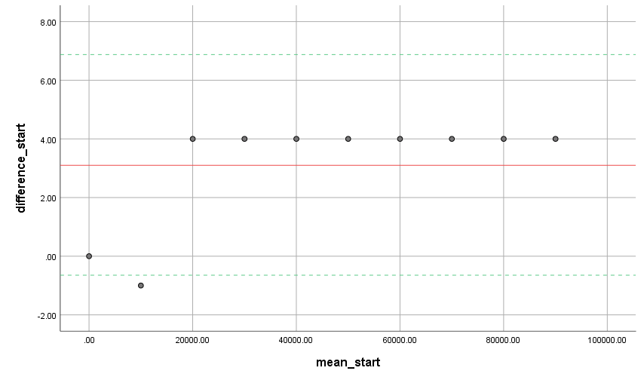
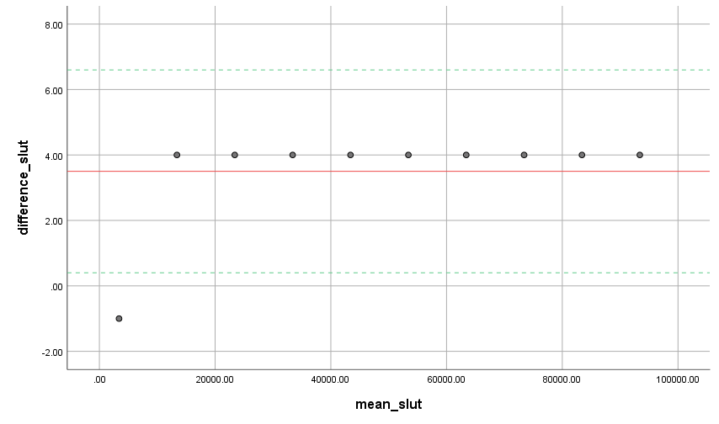
Tests of Normality
 | Kolmogorov-Smirnova |  |  | Shapiro-Wilk |  |  |  |  |  | Bland altman for start | Bland altman for slut
 | Statistic | df | Sig. | Statistic | df | Sig.
Observationer | 0.096 | 10 | .200* | 0.970 | 10 | 0.892
Grupper | 0.096 | 10 | .200* | 0.970 | 10 | 0.892
*. This is a lower bound of the true significance.
a. Lilliefors Significance Correction

 | H0 | De to samples kommer fra populationer med forskellig mean
 | HA | De to samples kommer fra populationer med ens mean

Paired Samples Test
 |  |  |  |  |  |  | t | df | Sig. (2-tailed)

 |  |  |  |  | Lower | Upper
Pair 1 | faktisk_start_1 - obs_start_1 | 3.10000 | 1.91195 | 0.60461 | 1.73227 | 4.46773 | 5.127 | 9 | 0.001
Pair 2 | faktisk_slut_1 - obs_slut_1 | 3.50000 | 1.58114 | 0.50000 | 2.36892 | 4.63108 | 7.000 | 9 | 0.000
Pair 3 | faktisk_start_2 - obs_start_2 | 3.10000 | 1.91195 | 0.60461 | 1.73227 | 4.46773 | 5.127 | 9 | 0.001
Pair 4 | faktisk_slut_2 - obs_slut_2 | 3.50000 | 1.58114 | 0.50000 | 2.36892 | 4.63108 | 7.000 | 9 | 0.000
Pair 5 | faktisk_start_3 - obs_start_3 | 3.10000 | 1.91195 | 0.60461 | 1.73227 | 4.46773 | 5.127 | 9 | 0.001
Pair 6 | faktisk_slut_3 - obs_slut_3 | 3.50000 | 1.58114 | 0.50000 | 2.36892 | 4.63108 | 7.000 | 9 | 0.000
Pair 7 | faktisk_start_4 - obs_start_4 | 3.10000 | 1.91195 | 0.60461 | 1.73227 | 4.46773 | 5.127 | 9 | 0.001
Pair 8 | faktisk_slut_4 - obs_slut_4 | 3.50000 | 1.58114 | 0.50000 | 2.36892 | 4.63108 | 7.000 | 9 | 0.000
Pair 9 | faktisk_start_5 - obs_start_5 | 3.10000 | 1.91195 | 0.60461 | 1.73227 | 4.46773 | 5.127 | 9 | 0.001
Pair 10 | faktisk_slut_5 - obs_slut_5 | 3.50000 | 1.58114 | 0.50000 | 2.36892 | 4.63108 | 7.000 | 9 | 0.000
Pair 11 | faktisk_start_6 - obs_start_6 | 3.10000 | 1.91195 | 0.60461 | 1.73227 | 4.46773 | 5.127 | 9 | 0.001
Pair 12 | faktisk_slut_6 - obs_slut_6 | 3.50000 | 1.58114 | 0.50000 | 2.36892 | 4.63108 | 7.000 | 9 | 0.000
Pair 13 | faktisk_start_7 - obs_start_7 | 3.10000 | 1.91195 | 0.60461 | 1.73227 | 4.46773 | 5.127 | 9 | 0.001
Pair 14 | faktisk_slut_7 - obs_slut_7 | 3.50000 | 1.58114 | 0.50000 | 2.36892 | 4.63108 | 7.000 | 9 | 0.000
Pair 15 | faktisk_start_8 - obs_start_8 | 3.10000 | 1.91195 | 0.60461 | 1.73227 | 4.46773 | 5.127 | 9 | 0.001
Pair 16 | faktisk_slut_8 - obs_slut_8 | 3.50000 | 1.58114 | 0.50000 | 2.36892 | 4.63108 | 7.000 | 9 | 0.000
Pair 17 | faktisk_start_9 - obs_start_9 | 3.10000 | 1.91195 | 0.60461 | 1.73227 | 4.46773 | 5.127 | 9 | 0.001
Pair 18 | faktisk_slut_9 - obs_slut_9 | 3.50000 | 1.58114 | 0.50000 | 2.36892 | 4.63108 | 7.000 | 9 | 0.000
Pair 19 | faktisk_start_10 - obs_start_10 | 3.10000 | 1.91195 | 0.60461 | 1.73227 | 4.46773 | 5.127 | 9 | 0.001
Pair 20 | faktisk_slut_10 - obs_slut_10 | 3.50000 | 1.58114 | 0.50000 | 2.36892 | 4.63108 | 7.000 | 9 | 0.000
Pair 21 | faktisk_start_11 - obs_start_11 | 3.10000 | 1.91195 | 0.60461 | 1.73227 | 4.46773 | 5.127 | 9 | 0.001
Pair 22 | faktisk_slut_11 - obs_slut_11 | 3.50000 | 1.58114 | 0.50000 | 2.36892 | 4.63108 | 7.000 | 9 | 0.000
Pair 23 | faktisk_start_12 - obs_start_12 | 3.10000 | 1.91195 | 0.60461 | 1.73227 | 4.46773 | 5.127 | 9 | 0.001
Pair 24 | faktisk_slut_12 - obs_slut_12 | 3.50000 | 1.58114 | 0.50000 | 2.36892 | 4.63108 | 7.000 | 9 | 0.000

FORKERT_T2.1_statistik
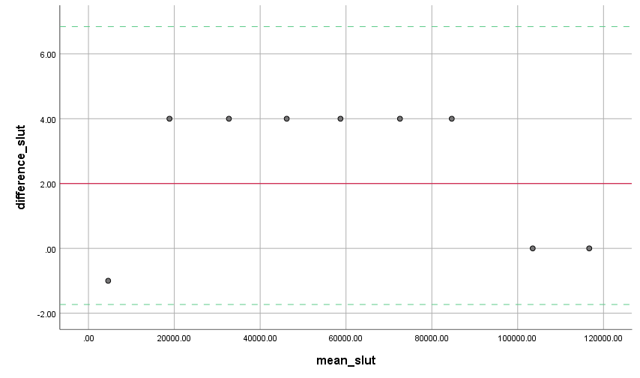
Tests of Normality
 | Kolmogorov-Smirnova |  |  | Shapiro-Wilk
 | Statistic | df | Sig. | Statistic | df | Sig. |  |  |  |  |  | Bland altman plot start
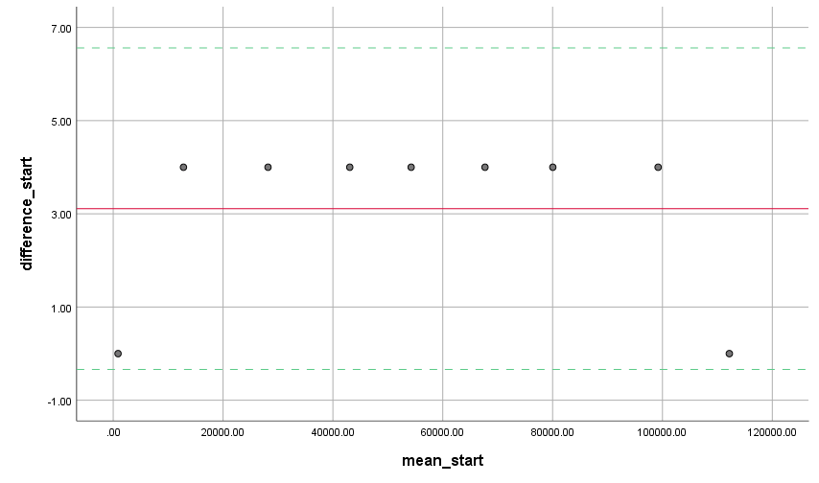
f_start | 0.098 | 9 | .200* | 0.973 | 9 | 0.919
obs_start | 0.098 | 9 | .200* | 0.973 | 9 | 0.919
f_slut | 0.097 | 9 | .200* | 0.975 | 9 | 0.937
obs_slut | 0.097 | 9 | .200* | 0.975 | 9 | 0.937
*. This is a lower bound of the true significance.
a. Lilliefors Significance Correction

 |  | Paired Samples Test
 |  |  |  | Paired Differences |  |  |  |  | t | df | Sig. (2-tailed)
 |  |  |  | Mean | Std. Deviation | Std. Error Mean | 95% Confidence Interval of the Difference
 |  |  |  |  |  |  | Lower | Upper
 |  | Pair 1 | f_start - obs_start | 3.11111 | 1.76383 | 0.58794 | 1.75531 | 4.46691 | 5.292 | 8 | 0.001
 |  | Pair 2 | f_slut - obs_slut | 2.55556 | 2.18581 | 0.72860 | 0.87539 | 4.23572 | 3.507 | 8 | 0.008 | Bland altman plot slut

T2.1_statistik forkert aflæsnin
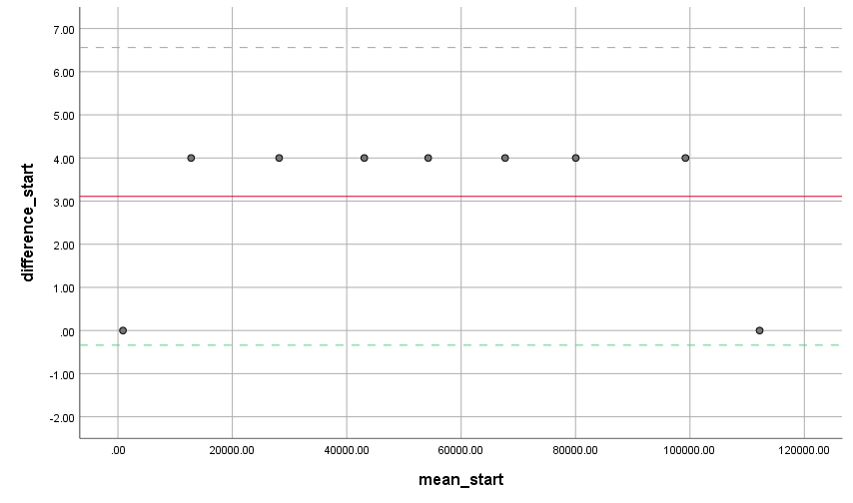
Tests of Normality
 | Kolmogorov-Smirnova |  |  | Shapiro-Wilk |  |  |  |  | Bland altman start
 | Statistic | df | Sig. | Statistic | df | Sig.
difference_start | 0.471 | 9 | 0.000 | 0.536 | 9 | 0.000 | f-obs
difference_slut | 0.412 | 9 | 0.000 | 0.663 | 9 | 0.001 | f-obs
a. Lilliefors Significance Correction

START
 | Hypothesis Test Summary
 |  | Null Hypothesis | Test | Sig. | Decision
 | 1 | The median of differences between f_start and obs_start equals 0. | Related-Samples Wilcoxon Signed Rank Test | 0.008 | Reject the null hypothesis.
 | Asymptotic significances are displayed. The significance level is .050.

 | Related-Samples Wilcoxon Signed Rank Test Summary |  |  |  |  |  |  |  | bias 3.11
 | Total N | 9 |  |  |  |  |  |  | LoA: [6,56 ; -0,34]
 | Test Statistic | 0.000
 | Standard Error | 5.292
 | Standardized Test Statistic | -2.646
 | Asymptotic Sig.(2-sided test) | 0.008

 |  |  |  |  |  |  |  | Bland altman plot slut

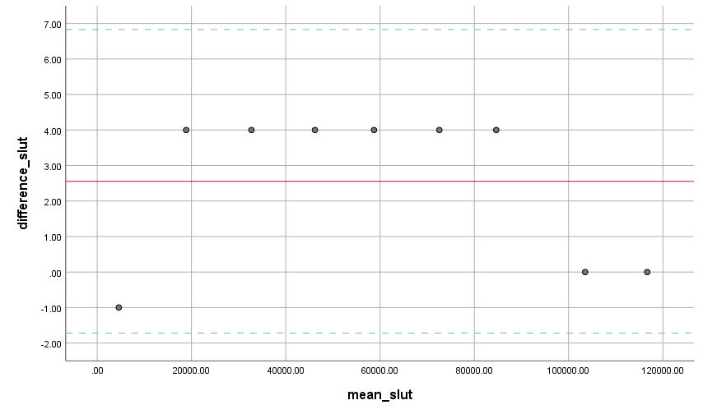
SLUT
 | Hypothesis Test Summary
 |  | Null Hypothesis | Test | Sig. | Decision
 | 1 | The median of differences between f_slut and obs_slut equals 0. | Related-Samples Wilcoxon Signed Rank Test | 0.019 | Reject the null hypothesis.
 | Asymptotic significances are displayed. The significance level is .050.

 | Related-Samples Wilcoxon Signed Rank Test Summary
 | Total N | 9
 | Test Statistic | 1.000
 | Standard Error | 5.534
 | Standardized Test Statistic | -2.349
 | Asymptotic Sig.(2-sided test) | 0.019
 |  |  |  |  |  |  |  |  | Bias: 2,56
 |  |  |  |  |  |  |  |  | LoA: [6,83 ; -1,72]

T3.1_statistik_forkert aflæsnin
Tests of Normality
 | Kolmogorov-Smirnova |  |  | Shapiro-Wilk |  |  | Bland altman start
 | Statistic | df | Sig. | Statistic | df | Sig. | Bias: 3.1
difference_start11 | 0.481 | 10 | 0.000 | 0.532 | 10 | 0.000 | LoA: [6,84; -0,64]
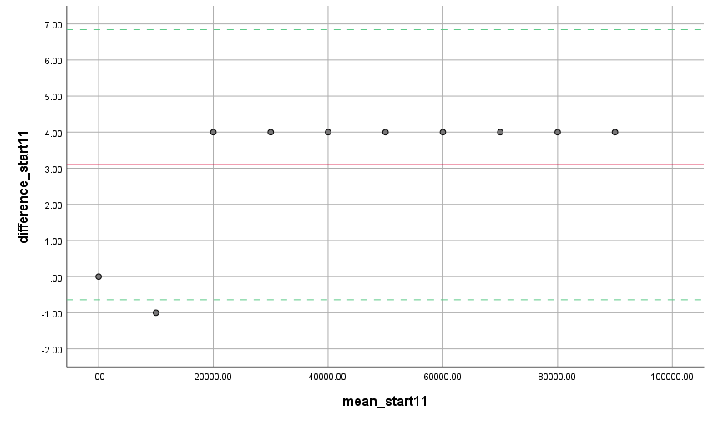
difference_slut11 | 0.524 | 10 | 0.000 | 0.366 | 10 | 0.000
a. Lilliefors Significance Correction

Forv_start11-obs_start11
Hypothesis Test Summary
 | Null Hypothesis | Test | Sig. | Decision
1 | The median of differences between faktisk_start_11 and obs_start_11 equals 0. | Related-Samples Wilcoxon Signed Rank Test | 0.006 | Reject the null hypothesis.
Asymptotic significances are displayed. The significance level is .050.

Related-Samples Wilcoxon Signed Rank Test Summary
Total N | 10
Test Statistic | 1.000
Standard Error | 7.794
Standardized Test Statistic | -2.758
Asymptotic Sig.(2-sided test) | 0.006

 |  |  |  |  |  |  | Bland altman slut
 |  |  |  |  |  |  | Bias: 3.5
Forv_slut11-obs_slut11 |  |  |  |  |  |  | LoA: [6,60; 0,40]

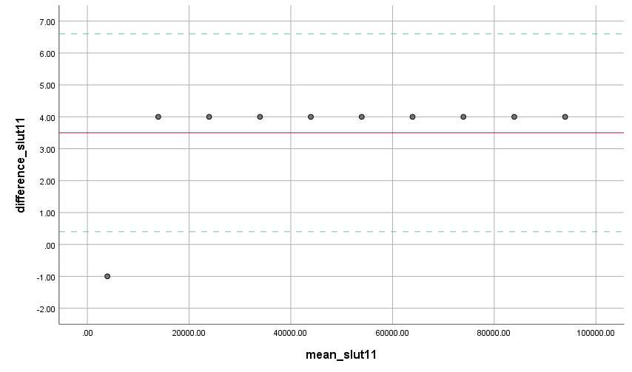
Hypothesis Test Summary
 | Null Hypothesis | Test | Sig. | Decision
1 | The median of differences between faktisk_slut_11 and obs_slut_11 equals 0. | Related-Samples Wilcoxon Signed Rank Test | 0.003 | Reject the null hypothesis.
Asymptotic significances are displayed. The significance level is .050.

Related-Samples Wilcoxon Signed Rank Test Summary
Total N | 10
Test Statistic | 1.000
Standard Error | 9.014
Standardized Test Statistic | -2.940
Asymptotic Sig.(2-sided test) | 0.003

F_start1-obs_start1

Hypothesis Test Summary
 | Null Hypothesis | Test | Sig. | Decision
1 | The median of differences between faktisk_start_1 and obs_start_1 equals 0. | Related-Samples Wilcoxon Signed Rank Test | 0.006 | Reject the null hypothesis.
Asymptotic significances are displayed. The significance level is .050.

Related-Samples Wilcoxon Signed Rank Test Summary
Total N | 10
Test Statistic | 1.000
Standard Error | 7.794
Standardized Test Statistic | -2.758
Asymptotic Sig.(2-sided test) | 0.006

F_slut1-obs_slut1
Hypothesis Test Summary
 | Null Hypothesis | Test | Sig. | Decision
1 | The median of differences between faktisk_slut_1 and obs_slut_1 equals 0. | Related-Samples Wilcoxon Signed Rank Test | 0.003 | Reject the null hypothesis.
Asymptotic significances are displayed. The significance level is .050.

Related-Samples Wilcoxon Signed Rank Test Summary
Total N | 10
Test Statistic | 1.000
Standard Error | 9.014
Standardized Test Statistic | -2.940
Asymptotic Sig.(2-sided test) | 0.003

