Template
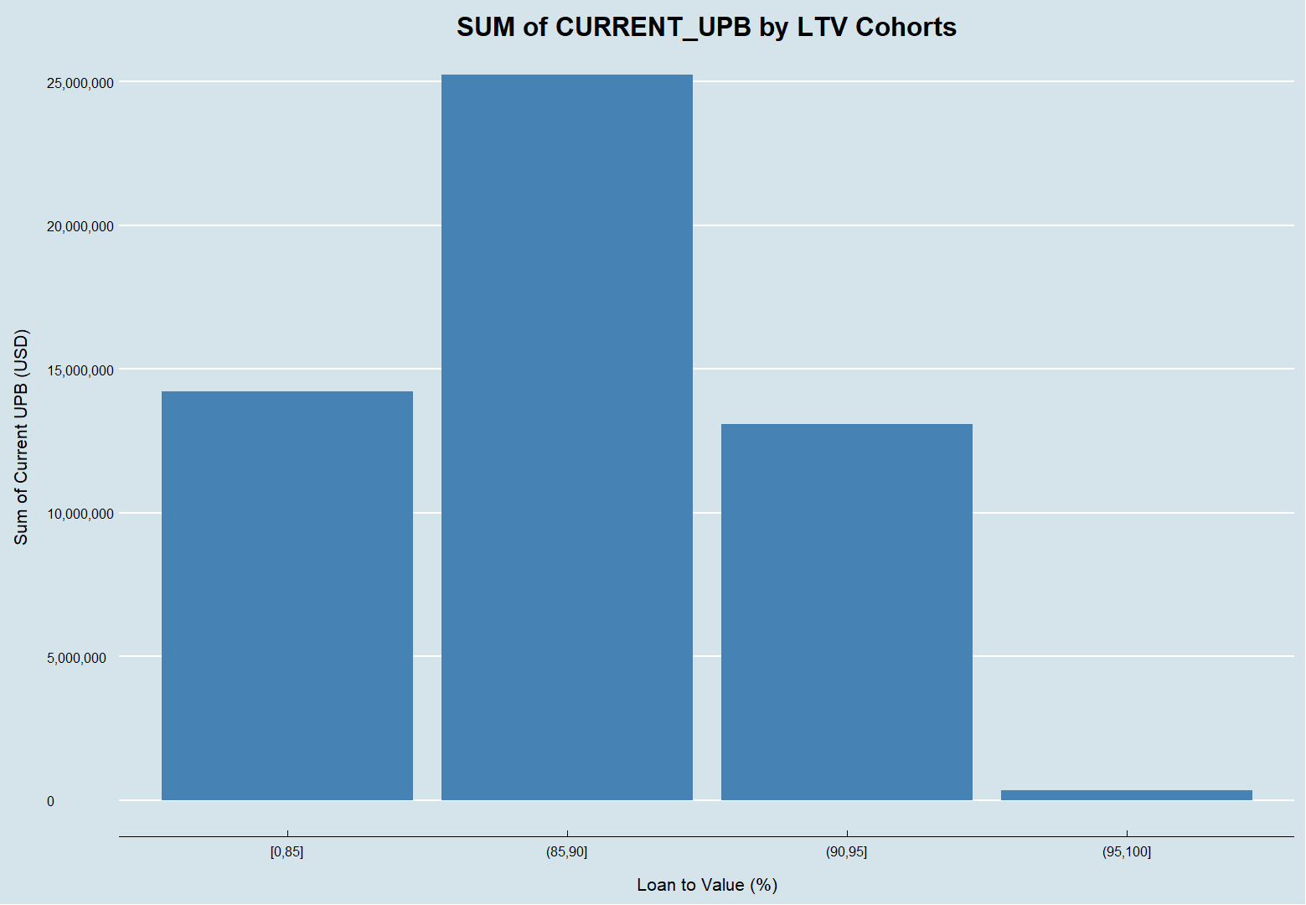
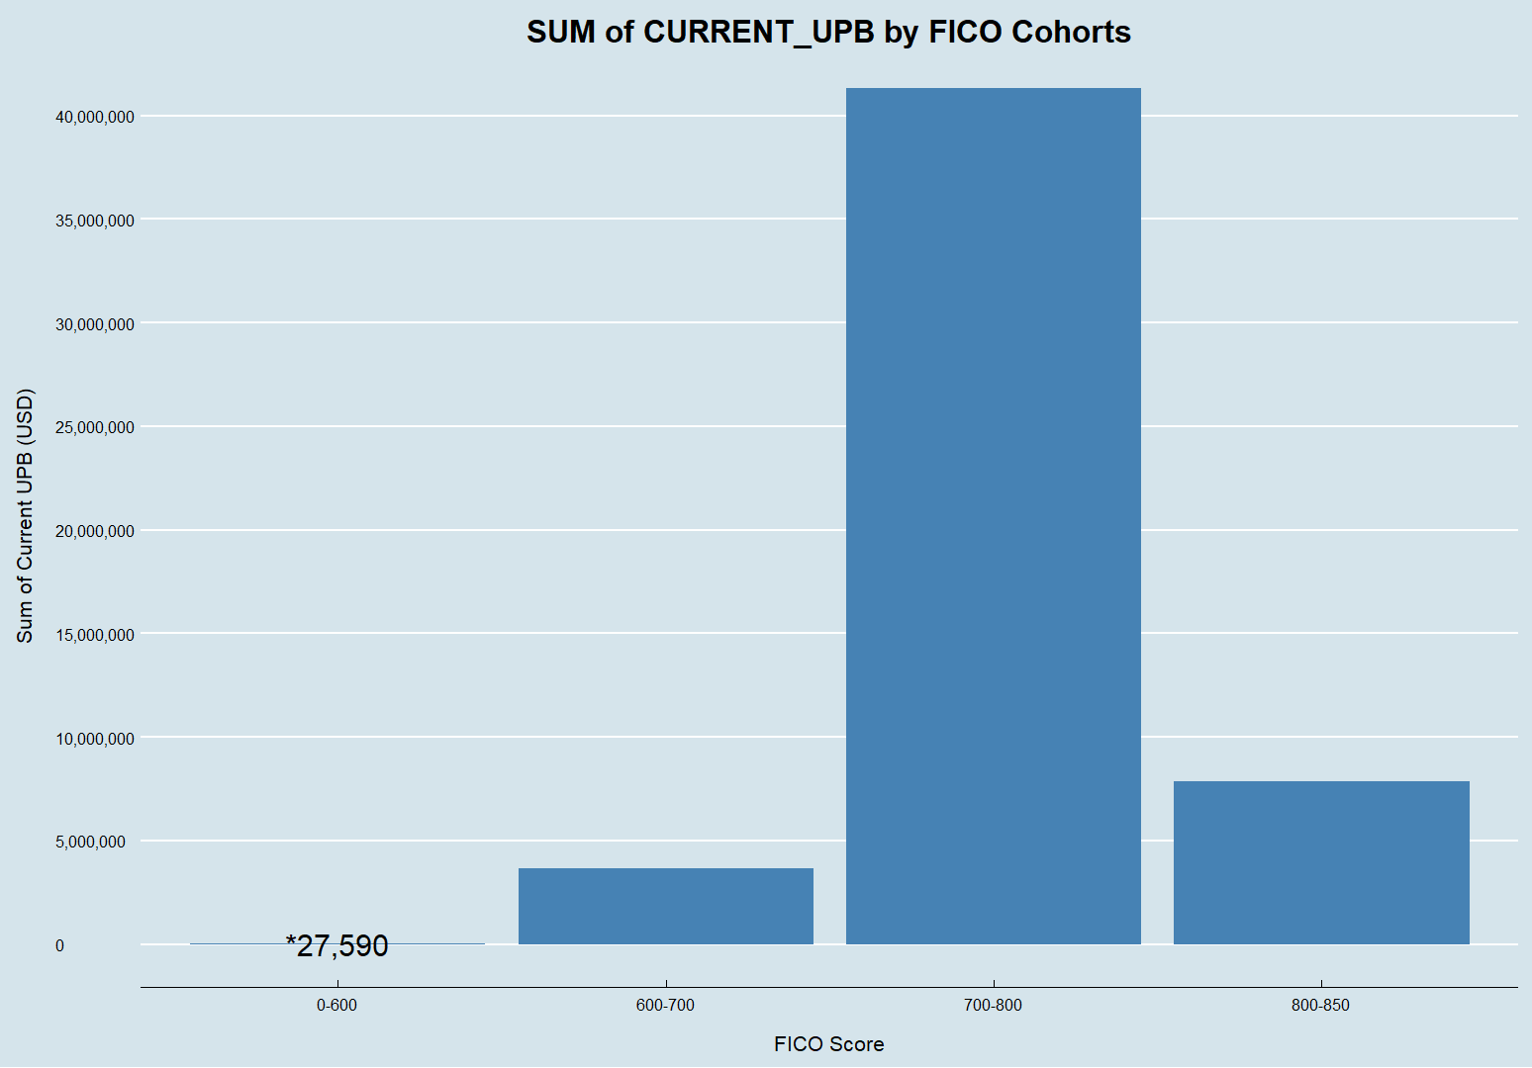
RiskSpan New Hire Skills Assessment

Enter Full Name | Nikolas Lee
Enter Test Begin Date | 2021-10-13

REPORT 1: Data by Lender Institution Type
Institution Types | Loan Count | Average Current Balance | Max Current Balance | Min Current Balance
Bank Owned Mortgage Company - National | 187 | $242,900.00 | $720,000.00 | $43,225.00
Community Banks | 499 | $211,840.00 | $729,750.00 | $28,500.00
Credit Unions | 374 | $175,150.00 | $578,250.00 | $22,500.00
Mortgage Banker - (Large) | 279 | $260,374.00 | $729,750.00 | $59,000.00
Mortgage Banker - Bank Owned | 661 | $236,263.00 | $625,500.00 | $25,018.00
Total | 2000 | $1,126,527.00 | $3,383,250.00 | $178,243.00

REPORT 2: Data by LTV (Loan to Value) Cohorts
Loan to Value Cohorts | Loan Count | Average Current Balance | Max Current Balance | Min Current Balance
<= 85% | 344 | $223,986.00 | $729,750.00 | $43,300.00
>85% and <= 90% | 823 | $235,966.00 | $729,750.00 | $22,500.00
>90% and <= 95% | 796 | $209,504.00 | $561,700.00 | $28,500.00
> 95% | 37 | $200,910.00 | $371,510.00 | $65,475.00
Total | 2000 | $870,366.00 | $2,392,710.00 | $159,775.00

REPORT 3: Data by Loan Age Cohort (Loan Age = 6/1/2013 minus LOAN_ORIG_DATE in months)
Loan Age Cohorts | Loan Count | Average Current Balance | Max Current Balance | Min Current Balance
Unknown | 16 | $256,425.00 | $404,700.00 | $88,065.00
0 - 9 Months | 316 | $234,278.00 | $562,500.00 | $45,000.00
10 - 19 Months | 729 | $229,098.00 | $720,000.00 | $25,018.00
20 - 29 Months | 522 | $212,228.00 | $729,750.00 | $22,500.00
30 - 39 Months | 243 | $206,224.00 | $546,376.00 | $41,705.00
>= 40 Months | 174 | $226,482.00 | $729,750.00 | $35,000.00
Total | 2000 | $1,364,735.00 | $3,693,076.00 | $257,288.00

REPORT 4: Create a Crosstab Report- SUM of CURRENT_UPB by LTV Cohorts and FICO Cohorts
 | <= 85% | >85% and <= 90% | >90% and <= 95% | > 95%
< 600 | $27,950.00 | $- | $- | $-
600 - 699 | $664,510.00 | $1,760,111.00 | $1,195,565.00 | $33,010.00
700 - 799 | $11,043,867.00 | $19,450,047.00 | $10,603,058.00 | $234,886.00
>= 800 | $2,510,766.00 | $4,005,022.00 | $1,277,784.00 | $72,927.00

REPORT 5: Create a bar graph in your statistical program of Report 4: SUM of CURRENT_UPB by LTV Cohorts and FICO Cohorts and paste an image below.

