Tổng quan
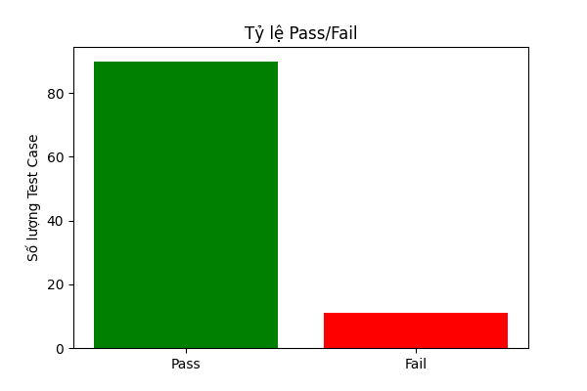
Tổng số Test Case | Số Test Case Pass | Số Test Case Fail | Thời gian bắt đầu | Thời gian kết thúc
101 | 90 | 11 | 2024-11-16 08:39:41 | 2024-11-16 08:40:02

