Tổng quan
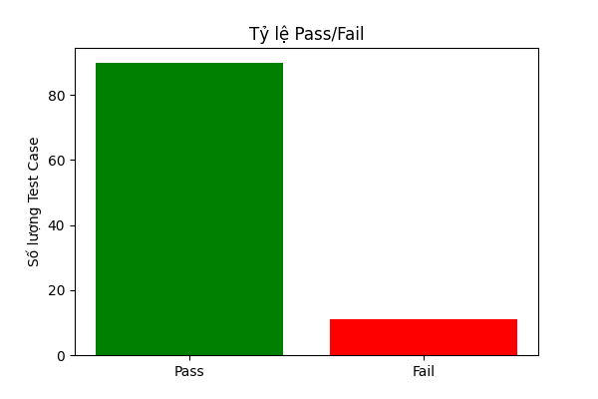
Tổng số Test Case | Số Test Case Pass | Số Test Case Fail | Thời gian bắt đầu | Thời gian kết thúc
101 | 90 | 11 | 2024-11-16 09:52:55 | 2024-11-16 09:53:10

