Logins
Recommended Hosting Summary
What | Platform | Cost | Difficulty | Link | UserName | Password | Token
Frontend (web pages) | Vercel | Free | Very easy
Backend (API server) | Railway | ~$5/month | Easy
Database tunnel | Tailscale | Free (up to 3 devices) | Easy
SQL Server | Stays in your office | $0 extra | Nothing to change |  |  | Nuy...30
Cloudflare |  |  |  |  | Github Copilot | Github Copilot
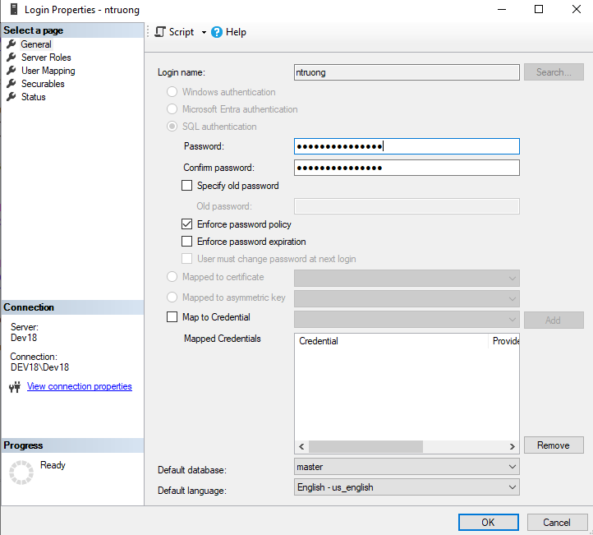
Vercel |  |  |  |  | Github Copilot | Github Copilot

Account | Website | Purpose
GitHub | github.com | Store your code — required by Vercel
Cloudflare | cloudflare.com | Permanent backend tunnel (no domain needed)
Vercel | vercel.com | Host your frontend, sign up via GitHub

Cloudflare
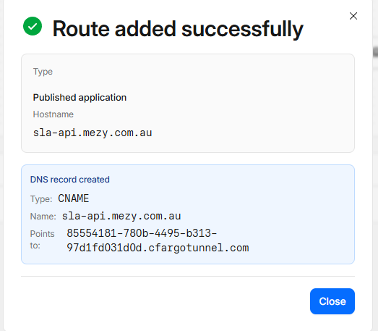
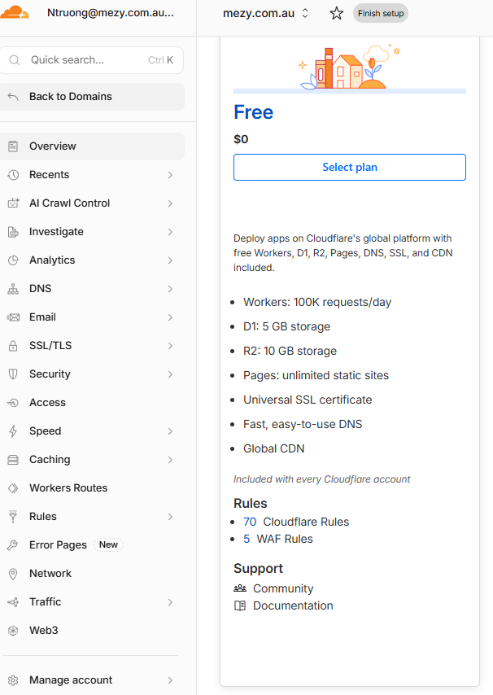
Cloudflare nameservers
 | jule.ns.cloudflare.com
 | rob.ns.cloudflare.com

