Sheet1
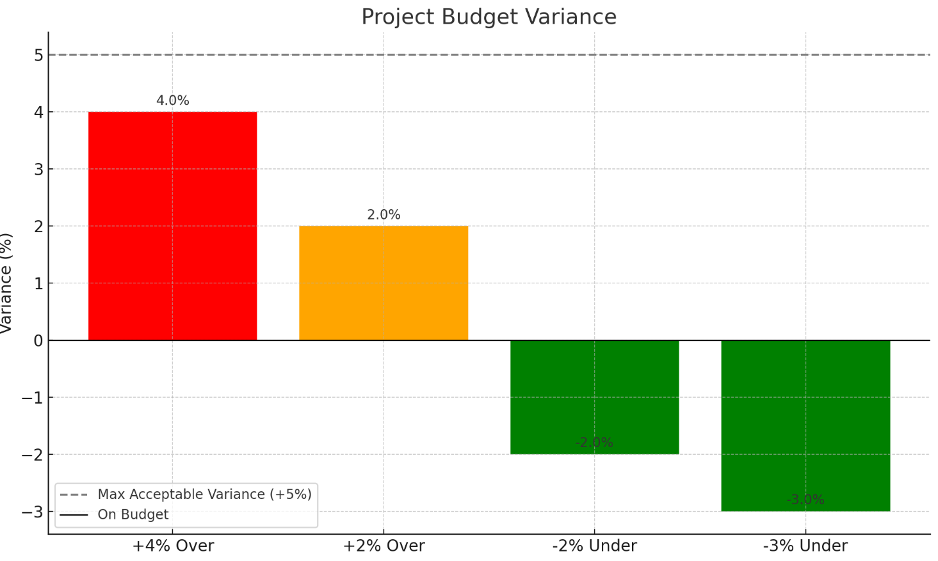
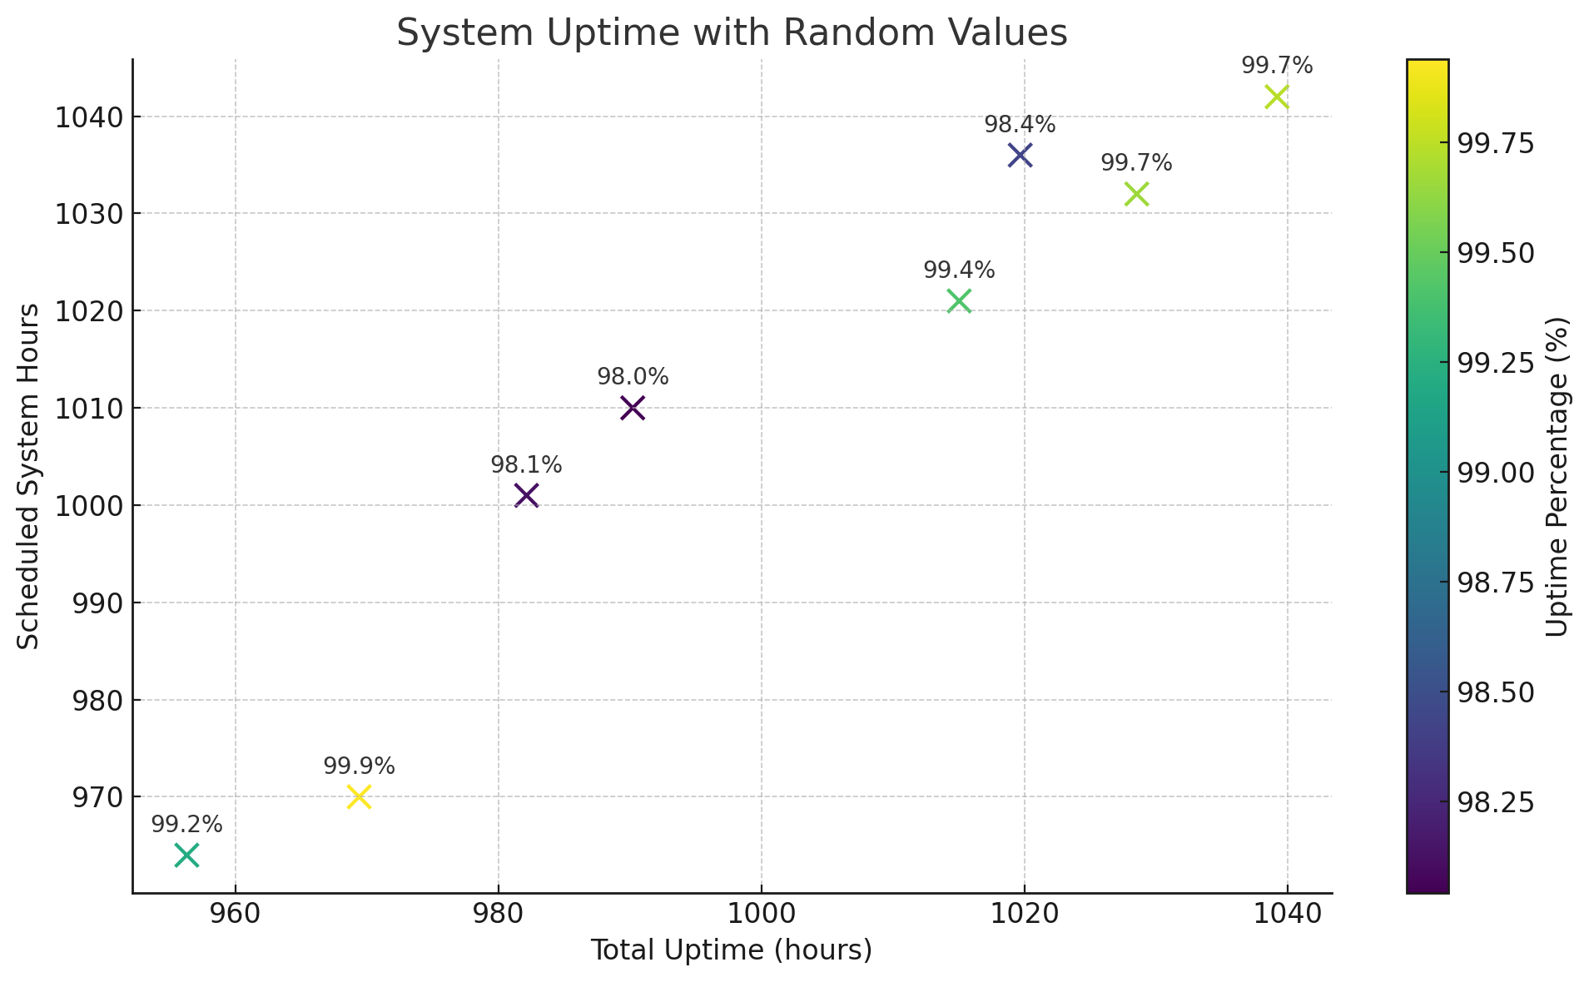
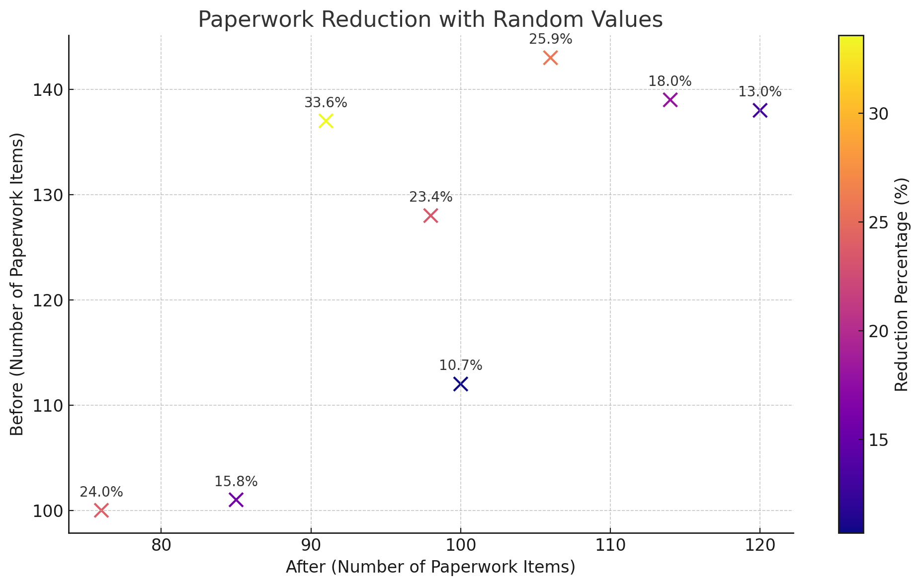
Metric | Description
Total System Uptime (hours) | Total hours the system was available
Total Scheduled System Hours | Total hours system was expected to run
Number of Staff Trained | Number of staff members who completed training
Total Staff Assigned to Training | All staff members required to take training
Number of Cybersecurity Incidents | Security breaches or threats detected
Total Admin Task Cost (Before/After) | Cost spent on admin tasks before vs after implementation
Number of Bugs (Critical/Major/Minor) | Bugs reported during pilot or deployment phases
Project Actual Cost | Total money spent
Project Budgeted Cost | Original planned budget
Total Post-Go-Live User Errors | Number of user mistakes made after deployment
Total Actions Attempted by Users | Interactions users attempted post-go-live
Training Feedback Scores | Survey scores given by participants after training
Total Appointments Scheduled Automatically | Appointments handled without manual input
Total Appointments Scheduled | Total appointments scheduled
Downtime During Deployment (minutes) | Minutes system was inaccessible during rollout
System Response Time (average, in sec) | Avg. time system takes to respond to user actions
EHR Access Time (average, in sec) | Avg. time to access electronic health records
Paperwork Volume Before/After | Quantity of paperwork pre- and post-system
Number of Patient Complaints | Number of formal complaints received
Total Patients Surveyed | Patients who provided feedback
Number of Staff Errors in Admin Tasks | Errors made by staff before/after deployment
Patient Satisfaction Survey Score | Score based on feedback (typically out of 100 or 5)
Data Migration Errors | Incorrect or failed records during migration
Total Records Migrated | All records transferred to new system

KPI/CSF | Type | Formula | Optimal Value | Accepted Value | Monitoring Frequency
System Uptime | KPI | (Total Uptime / Scheduled System Hours) × 100 | ≥ 99.9% | ≥ 99.5% | Weekly
Training Completion Rate | KPI | (Staff Trained / Total Assigned) × 100 | ≥ 95% | ≥ 90% | Weekly
Cybersecurity Incident Rate | KPI | Number of Incidents per Year | 0 incidents | ≤ 1 minor/year | Continuous Monitoring
Admin Task Cost Reduction | KPI | ((Before - After) / Before) × 100 | ≥ 20% | ≥ 15% | Quarterly
Bug Rate (per severity) | KPI | Bug Count by Severity / Test Sessions | 0 Critical, ≤ 2 Major, ≤ 5 Minor | 0 Critical, ≤ 3 Major, ≤ 10 Minor | Daily
Project Budget Variance | KPI | ((Actual - Budgeted) / Budgeted) × 100 | ≤ 3% | ≤ 5% | Quarterly
Post-Deployment User Error Rate | KPI | (User Errors / Total Actions) × 100 | ≤ 3% | ≤ 5% | Weekly
Training Satisfaction Score | KPI | Average Score from Feedback | ≥ 90% | ≥ 85% | At Training Completion
Appointment Scheduling Efficiency | KPI | (Auto-Scheduled / Total Appointments) × 100 | ≥ 95% | ≥ 85% | Monthly
HIPAA/GDPR Compliance | CSF | Compliance Audit Score | 100% | ≥ 98% | Biannually
System Response Time | KPI | Average of All Response Times | ≤ 2 sec | ≤ 5 sec | Daily
EHR Access Time | KPI | Avg. Time to Access Records | ≤ 3 sec | ≤ 10 sec | Weekly
Paperwork Reduction | KPI | ((Before - After) / Before) × 100 | ≥ 40% | ≥ 30% | Quarterly
Patient Satisfaction Score | KPI | (Sum of Scores / Total Responses) × 100 | ≥ 90% | ≥ 80% | Biannually
Data Migration Accuracy | KPI | (1 - (Errors / Total Records)) × 100 | ≥ 99% | ≥ 98% | Monthly
Regulatory Compliance Score | CSF | Compliance Assessment Results | 100% compliance | ≥ 95% compliance | Biannually

