Acronymes
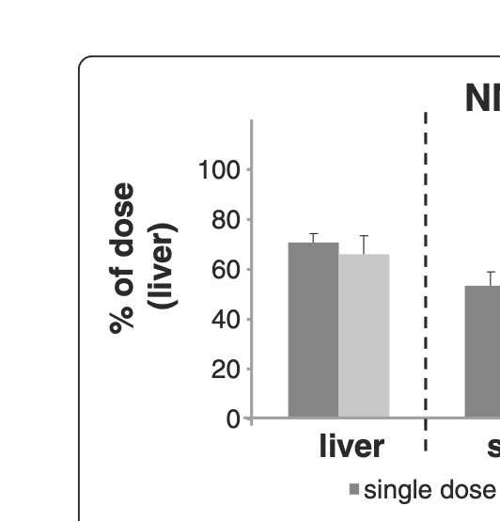
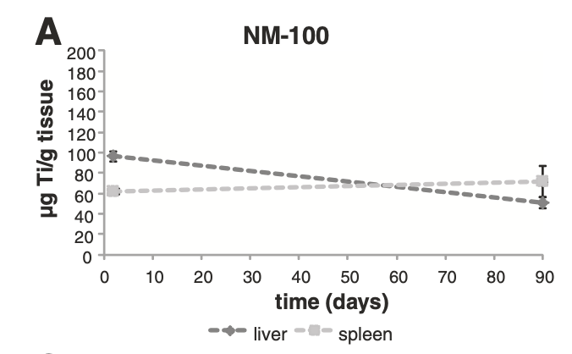
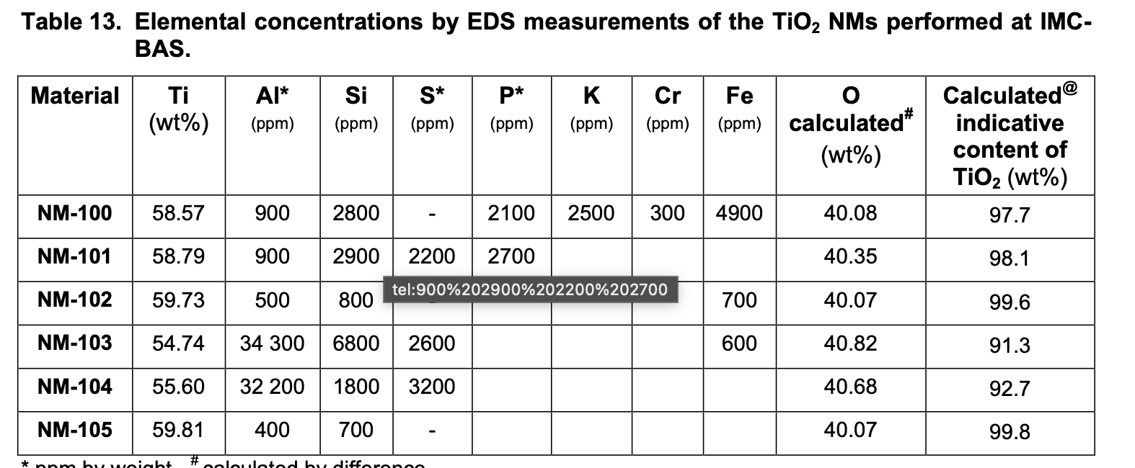
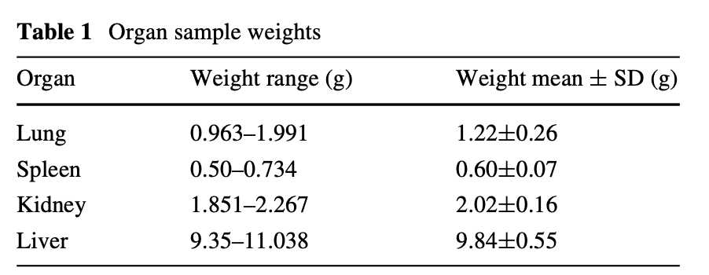
Acronyme | Definition
IV | intravenous_injection
IT | intratracheal_instillation
ug | μg
 |  |  |  | Ti |  | TiO2
 |  |  |  | 47.87 | g/mol | 79.87 | g/mol
 |  |  |  |  |  | 0.60 | Ti/TiO2

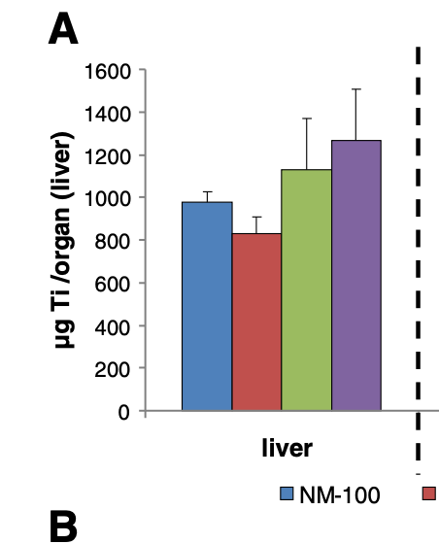
 |  |  |  |  | 98 | ug/g
 |  | 1.679 | mg TiO2 | liver_weight | 9.8 | g
 |  |  |  |  | 960.4 | ug Ti
 |  |  |  |  | 0.9604 | mg Ti
 |  |  |  |  | 1.6024 | mg TiO2

