Аркуш1
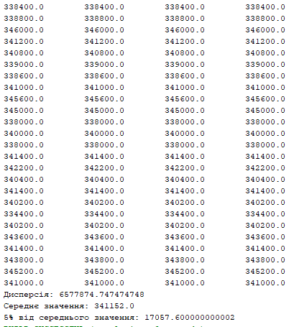
338400.00 | 7581066.6667
338800.00
346000.00 | 341024.00
341200.00 | 341024
340800.00
339000.00
338600.00
341000.00
345600.00
345000.00
338000.00
340000.00
338000.00
341400.00
342200.00
340400.00
341400.00
340200.00
334400.00
340200.00
343600.00
341400.00
343800.00
345200.00
341000.00
338400
338800
346000
341200
340800
339000
338600
341000
345600
345000
338000
340000
338000
341400
342200
340400
341400
340200
334400
340200
343600
341400
343800
345200
341000
338400
338800
346000
341200
340800
339000
338600
341000
345600
345000
338000
340000
338000
341400
342200
340400
341400
340200
334400
340200
343600
341400
343800
345200
341000
338400
338800
346000
341200
340800
339000
338600
341000
345600
345000
338000
340000
338000
341400
342200
340400
341400
340200
334400
340200
343600
341400
343800
345200
341000

