Notes
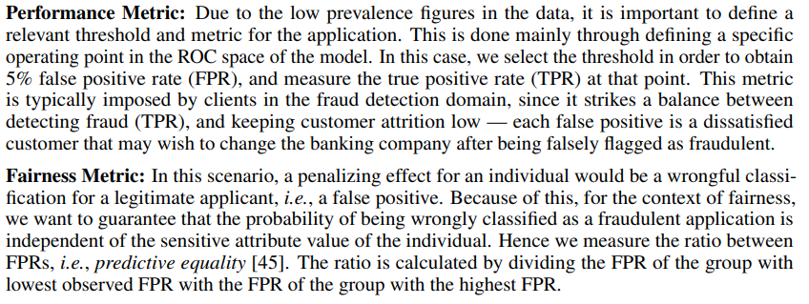
Are there recommended data splits (e.g., training, development/validation, testing)? | The performed data splits are based on the temporal information of the dataset. To this end, we use the column month, similarly to the original data.We made the column available so practitioners can test different temporal cross validation strategies. The results presented in the paper use the first six months of data for training and the last two months for validation. This was the split used for the original dataset.
Does the dataset identify any subpopulations (e.g., by age, gender)? | Yes, the datasets identify subpopulations, as one of the main objectives is to study of fairness under different scenarios. Age is included as one of the features of the dataset, as a continuous variable. In the dataset, the number of applications decreases with age. Inversely, the prevalence of fraud increases with age. In the empirical study, we binarize this feature based on a threshold (< 50, ≥ 50), to create groups for calculating fairness metrics. With the selected threshold we obtain approximately 80% of the applications in the former group and 20% of the applications in the latter. The latter group has a prevalence of fraud approximately two times superior to the former. These values vary across datasets in the suite. Additionally, the dataset includes annual income and professional status, which can also potentially be used for the study of fairness.

