List
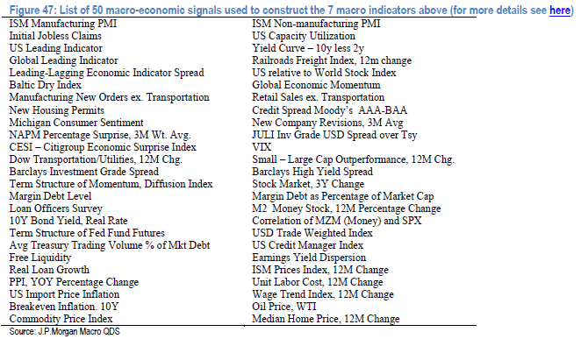
Indicator | Symbol | Completed | Notes
ISM Manufacturing PMI | NAPMPMI | X | Have til 1950
Initial Jobless Claims | INJCJC | X | I have both weekly and the smoother 4-week average, data is ,000, for example 242,000
US Leading Indicator |  | X | Underlying index numbers, back to 1959
Global Leading Indicator | MSGTLI | X | I used a Morgan Stanley index, available back to 1996
Leading-Lagging Economic Indicator Spread | LAGILAGY | X | Conference Board data
Baltic Dry Index | BDIY | X | Data back to 1985
Manufacturing New Orders ex. Transportation | DGNOMETR | X | Starts in 1992, data is in mlns of $, NSA
New Housing Permits | NHSPATOT | X | Back to 1980, in thousands, seasonally adjusted, annualized
Michigan Consumer Sentiment |  | X | Starts in 1978
NAPM Percentage Surprise, 3M Wt. Avg. |  | X | Not sure how they calculated, I did a table with expected and actual, that’s the surprise
CESI – Citigroup Economic Surprise Index | CESIUSD | X | US Daily to 2003, there is a global one as well
Dow Transportation/Utilities, 12M Chg. | Tran | X | Not sure if this is a ratio or two sep. indexes, I have data for both
Dow Transportation/Utilities, 12M Chg. | UTIL | X | Back to 1980
Barclays Investment Grade Spread | BI10SPR | X | Bloomberg Barclays CDX IG 10Y Basket OTR Current Spread, back to 2004
Term Structure of Momentum, Diffusion Index |  | ? | Not sure what this is. Stocks? Economic data?
Margin Debt Level | MARGDEBT | X | From 1990
Loan Officers Survey | SLDETIGT | X | Report doesn't say which one, I used (quarterly) Net % of Domestic Respondents Tightening Standards - C&I Loans for Large/Medium borrowers
10Y Bond Yield, Real Rate | RR10HUS | X | Back to 1980, based on headline CPI, there is also a core, monthly
Term Structure of Fed Fund Futures |  | ? | Yield curve of Fed funds? VCMM0022 for tabular data on BBG
Avg Treasury Trading Volume % of Mkt Debt |  | X | Have monthly volume numbers and BBG total outstadning, have to create https://www.sifma.org/resources/research/us-treasury-trading-volume/
Free Liquidity |  | ? | Not sure what this is, corporate bonds, bank balance sheets?
Real Loan Growth | TOTBKCR (FRED) | X | Bank Credit of All Commercial Banks, Billions of U.S. Dollars, Weekly, Seasonally Adjusted
PPI, YOY Percentage Change | FDIUFDYO | X | This only goes back to 2011, it was remodeled then
US Import Price Inflation | IMP1YOY% | X | Y/Y, back to 1990
Breakeven Inflation. 10Y | USGGBE10 | X | From 1998
Commodity Price Index | CRB CMDT | X | Back to 1980
ISM Non-manufacturing PMI | NAPMNMI | X | 1997
US Capacity Utilization | CPTICHNG | X | 1990
Yield Curve – 10y less 2y | USYC2Y10 | X | US Treasury 2/10, back to 1980
Railroads Freight Index, 12m change | RAILORGT | X | Weekly index value, will have to calculate change
US relative to World Stock Index | M1WOU & SPX | X | I have two index values, MSCI's world index and S&P 500, can construct a ratio, or calculate a return
Global Economic Momentum | CESIG10 | X | Not sure how they measured this, but CESIG10 is Citi's economic surprise index for "major economies"
Retail Sales ex. Transportation | RSTAXAUT | X | Underlying index, back to 1992
Credit Spread Moody’s AAA-BAA | .MOODAAAB | X | Created this index
New Company Revisions, 3M Avg |  | ? | Not sure what this is, something related to ratings changes?
JULI Inv Grade USD Spread over Tsy | Source: Fred | x | In house JP Morgan indexes, not on BBG, instead, I downloaded (from FRED) Moody's Seasoned Aaa Corporate Bond Yield Relative to Yield on 10-Year Treasury Constant Maturity©, Percent, Monthly, Not Seasonally Adjusted
VIX | VIX | X | Back to 1990
Small – Large Cap Outperformance, 12M Chg | RTY / RIY | X | I loaded Russell 2000 (RTY small cap benchmark) and Russell 1000 (RIY), from 1990
Barclays High Yield Spread | LG30OAS | X | Bloomberg Barclays Global High Yield Average OAS, back to 2000
Stock Market, 3Y Change | SPX | X | I have S&P closes back to 1950, underlying, need to calc 3-year change
Margin Debt as Percentage of Market Cap | .DEBTCAP G | X | Margin debt among New York Stock Exchange member firms as a percentageof total market capitalization of the NYSE, American Stock Exchange and Nasdaq Stock Market, including closed-end funds.
M2 Money Stock, 12M Percentage Change | M2% YOY | X | 1960
Correlation of MZM (Money) and SPX | MZM and SPX | X | I dumped out MZM and SPX, weekly, dates do not match up
USD Trade Weighted Index | MSCEUSTW | X | 1993, Morgan Stanley USD trade weighted index
Earnings Yield Dispersion |  | ? | Vague idea what this is but don't know where to find it, found some academic papers
US Credit Manager Index | NACCCMI | X | Back to 2002, all that is available
ISM Prices Index, 12M Change | NAPMPRIC | X | Back to 1980
Unit Labor Cost, 12M Change | COSYNFRM | X | Back to 1980
Wage Trend Index, 12M Change | WAGETRND | X | Back to 1980
Oil Price, WTI | CL1 Cmdty | X | Back to 1990, futures daily nearest
Median Home Price, 12M Change | EHSLMP%Y | X | Median existing single family home prices y/y % change

