test cases
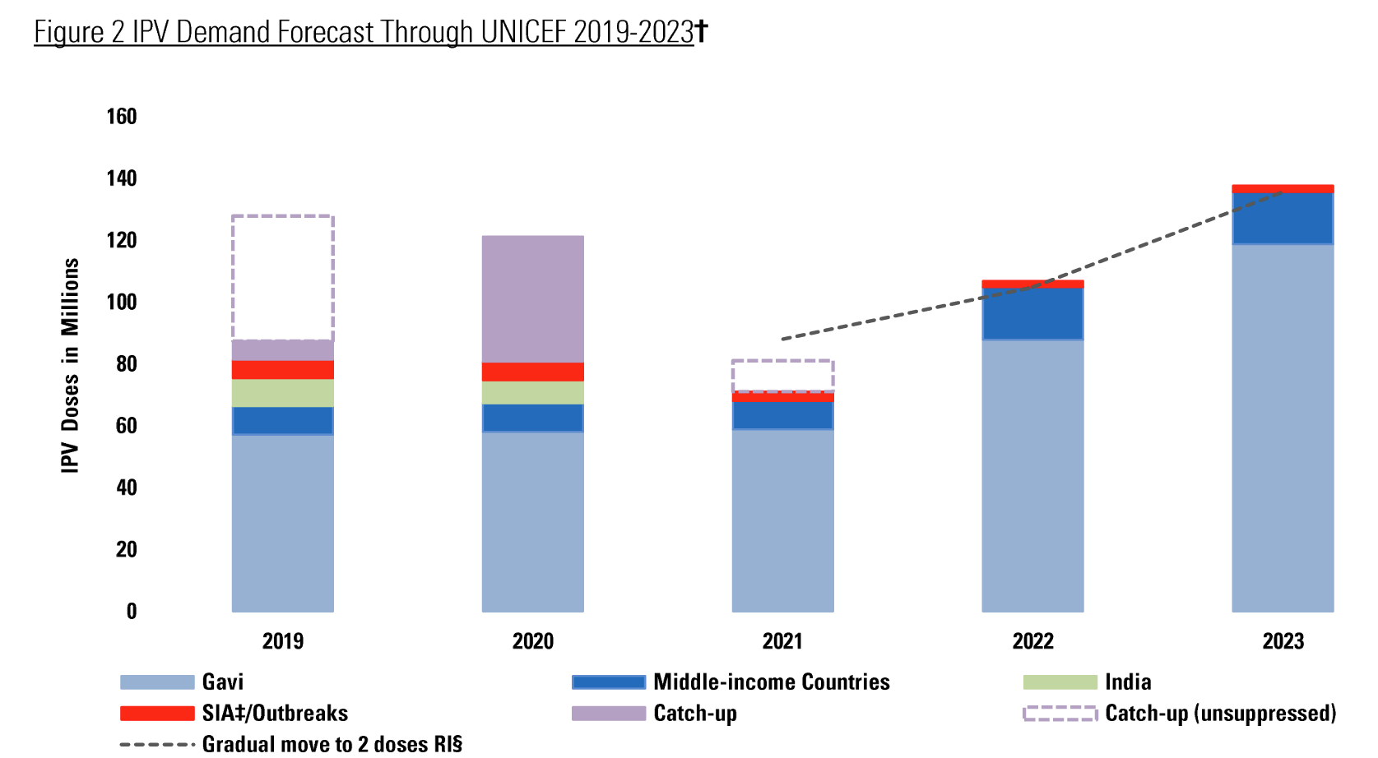
Vaccine | wb_status | 2000 | 2001 | 2002 | 2003 | 2004 | 2005 | 2006 | 2007 | 2008 | 2009 | 2010 | 2011 | 2012 | 2013 | 2014 | 2015 | 2016 | 2017 | 2018 | 2019 | 2020 | 2021 | 2022 | 2023 | 2024 | 2025 | 2026 | 2027 | 2028 | 2029 | 2030
 | Low Income |  |  |  |  |  |  |  |  |  |  |  |  |  |  | 182,557.13 | 5,620,506.00 | 11,783,969.18 | 13,589,576.47 | 17,163,411.38 | 30,497,092.23 | 28,965,671.40 | 21,892,027.23 | 35,370,385.88 | 43,383,048.32 | 44,168,092.63 | 44,456,827.61 | 42,173,052.11 | 39,813,928.58 | 40,842,161.27 | 41,967,858.65 | 42,986,086.19
 | Lower Middle Income |  |  |  |  |  |  | 538,568.80 | 572,237.68 | 1,564,054.08 | 1,802,422.57 | 1,596,326.35 | 1,432,203.17 | 1,193,206.36 | 1,051,750.03 | 655,606.60 | 8,514,221.23 | 33,776,311.03 | 38,078,979.37 | 47,893,109.39 | 51,577,086.67 | 50,891,906.88 | 61,887,019.62 | 76,540,581.27 | 87,435,209.82 | 86,151,311.96 | 85,634,774.52 | 86,020,716.87 | 90,723,780.50 | 87,674,087.29 | 88,839,418.96 | 89,969,889.64

 |  |  |  |  |  |  |  |  |  |  |  |  |  |  |  | Global demand12 for MCV is estimated to be 450 million doses in
 |  |  |  |  |  |  |  |  |  |  |  |  |  |  |  | 2020 (figure 2), with coverage for MCV1 and MCV2 expected to reach |  |  |  |  | Low Income | 28,965,671.40
 |  |  |  |  |  |  |  |  |  |  |  |  |  |  |  | 89% and 85% by 2030, respectively, under base case assumptions |  |  |  |  | Lower Middle Income | 50,891,906.88

LIC/LMIC IPV - 2020
 | Low Income | Lower Middle Income
 | 28,965,671.40 | 50,891,906.88

