Sheet1
No | 製品名 | 会社 | amazon URL | イメージ | 値段
1 | Anker PowerConf H700 | Anker | https://amzn.asia/d/3UOucgD | 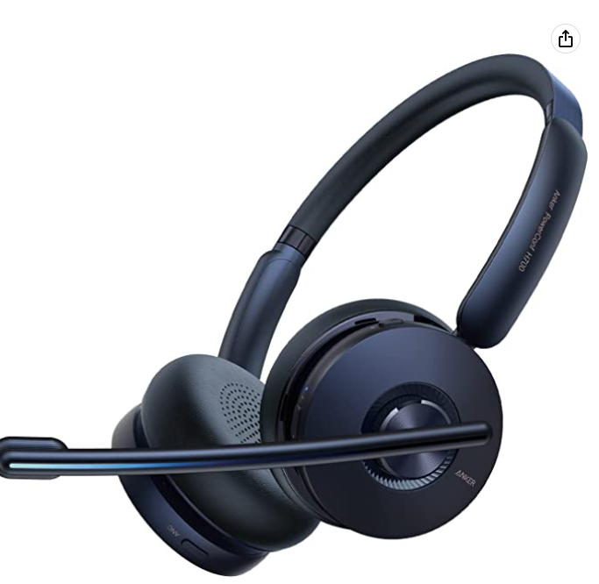 | ¥12,980
2 | Apple EarPods | Apple | https://amzn.asia/d/h6o6lRE |  | ¥2,668
3 | audio-technica ATH-102USB | audio-technica | https://amzn.asia/d/fVCtFlC | 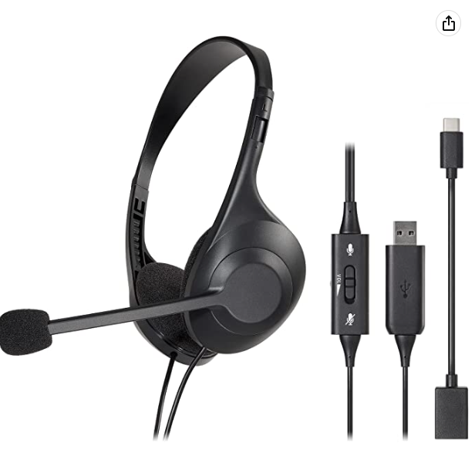 | ¥2,727
4 | EPOS PC5 Chat | Sennheiser | https://amzn.asia/d/asKE1tL |  | ¥3,500
5 | Jabra Evolve 20 | Jabra | https://amzn.asia/d/dVP7RgK |  | ¥5,200
6 | Jabra Evolve2 30 | Jabra | https://amzn.asia/d/agiA3Xd | 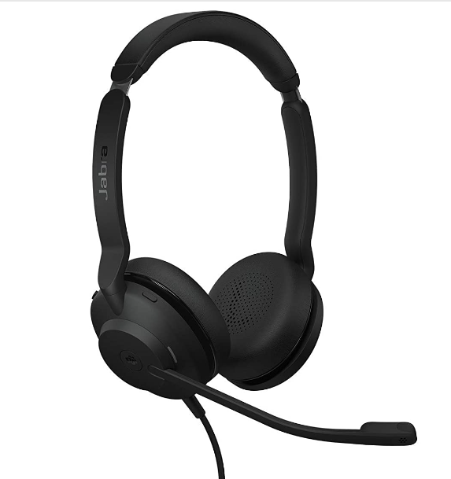 | ¥12,870
7 | Logicool H340 | Logicool | https://amzn.asia/d/b9G5ONx | 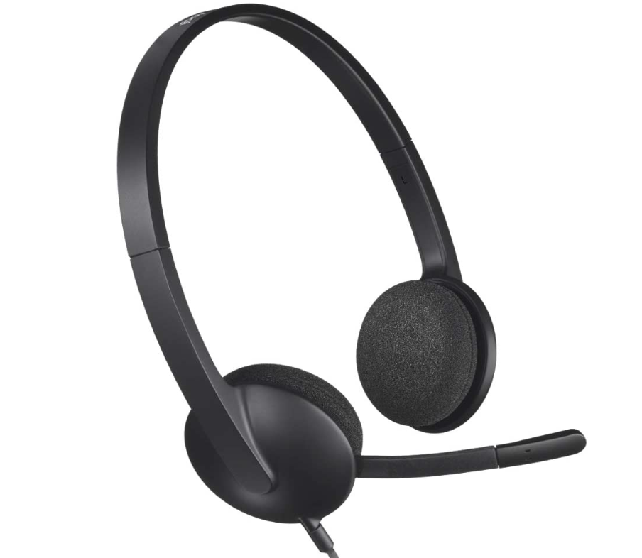 | ¥3,480
8 | Logicool H111 | Logicool | https://amzn.asia/d/a3Ia19n | 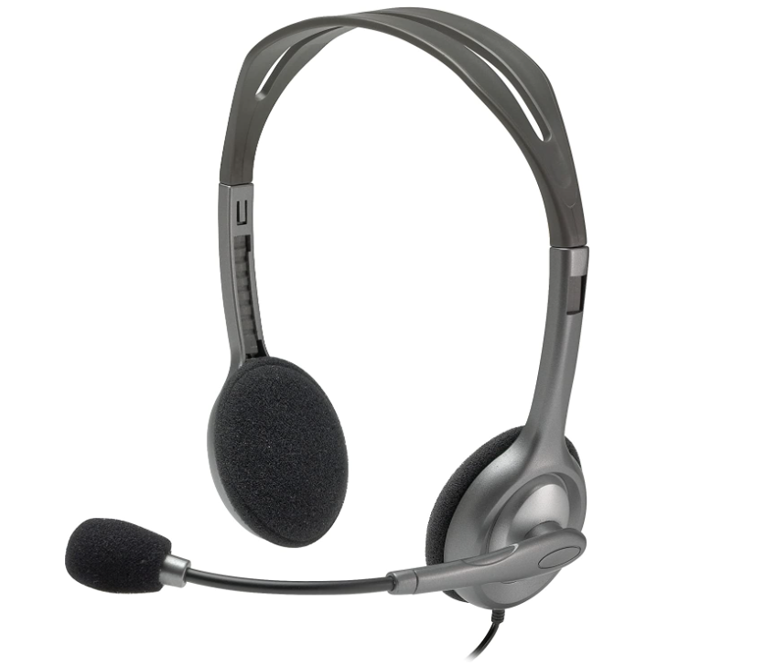 | ¥1,330
9 | Logicool H390 | Logicool | https://amzn.asia/d/dDQQErJ | 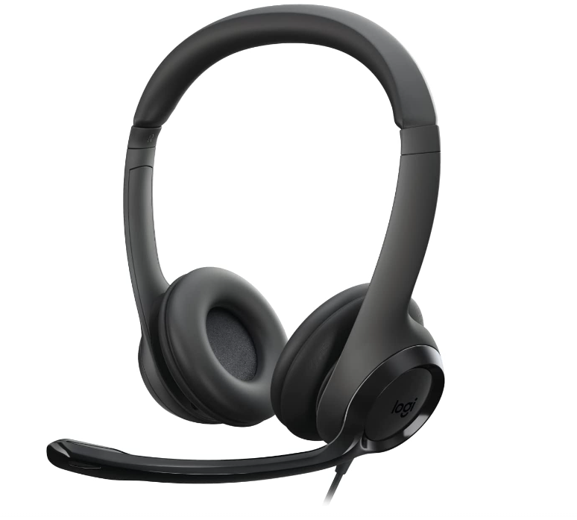 | ¥3,600
10 | Shokz OpenComm | Shokz | https://amzn.asia/d/82BIF4S | 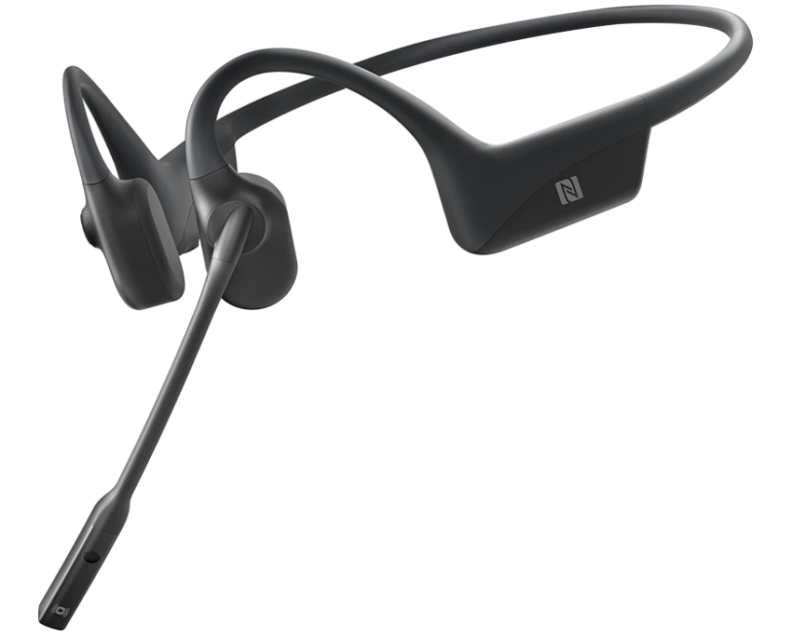 | ¥22,880
11 | Anker Soundcore Liberty Air 2 Pro | Anker | https://amzn.asia/d/3AZguvH | 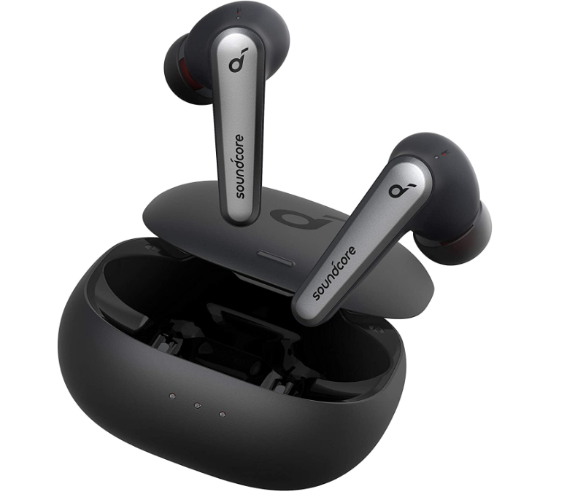 | ¥12,980
12 | Recon Air | Turtle Beach | https://amzn.asia/d/f8dGaul | 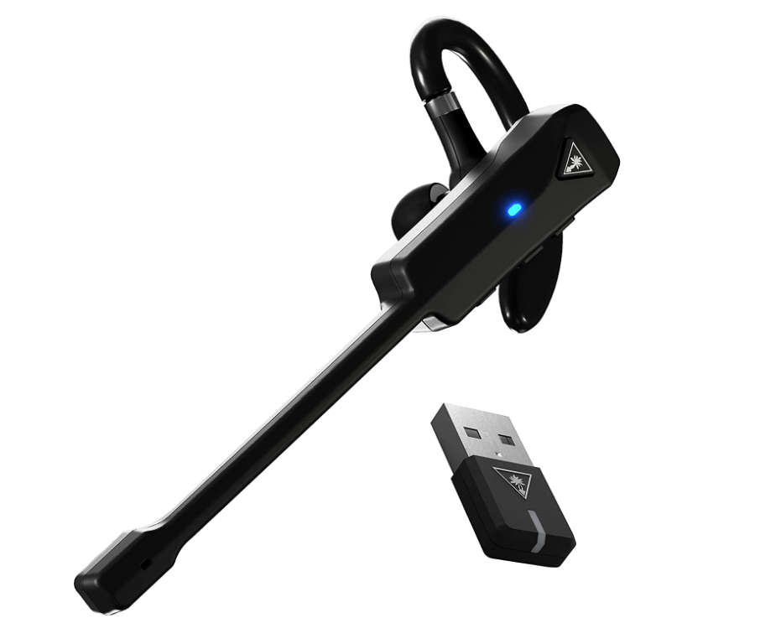 | ¥4,433

Sheet1 (2)
No | 会社 | 製品名 | 標準価格 | 実売価格 | イメージ
1 | audio-technica | ATH-M50xSTS-USB | ¥27,000 | ¥27,000 | 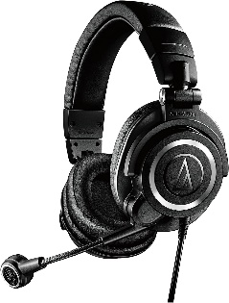
2 | Jabra | Engage 50 Ⅱ | ¥29,040 | ¥29,040 | 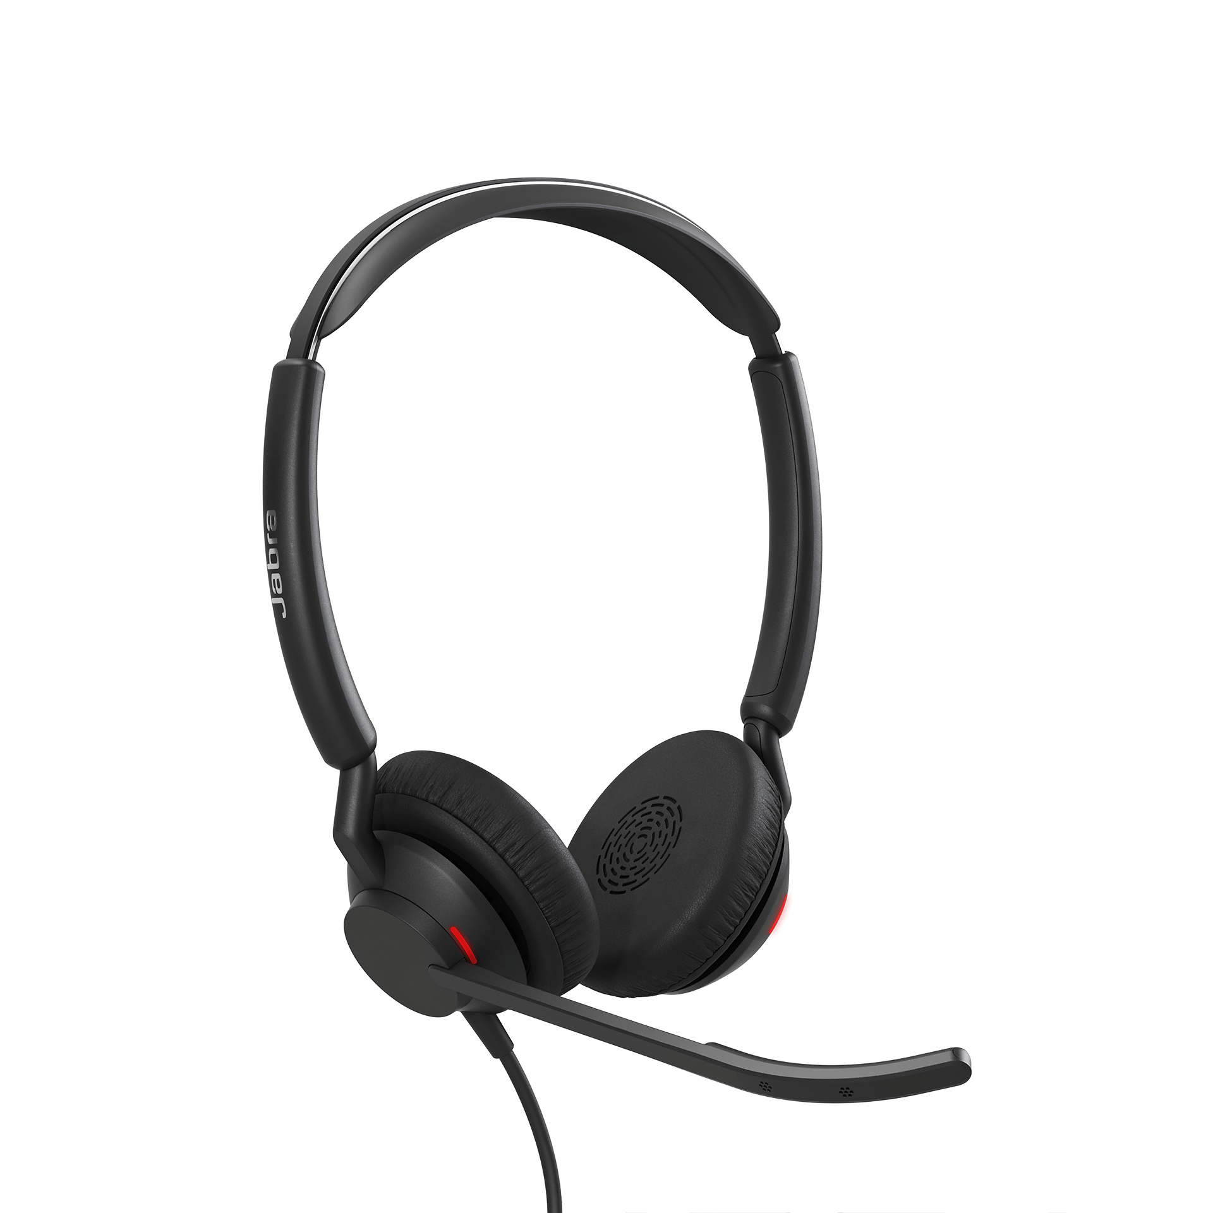
3 | エレコム | HS-EP101UNCBK | ¥11,980 | ¥6,600 | 