RGB light ring_BOM
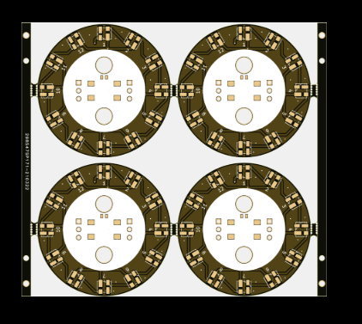 RGB灯环
Comment | Description | Designator | Footprint | LibRef | Pins | Quantity | 备注
Button_2 | 高按键，高度6mm | B1, | Button_6 x 6 | LibRef | 4 | 1 | 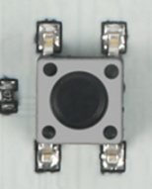
4.7K | Desc | R1, | R_0603 | LibRef | 2 | 1 | 总数量按盘装
WS2812 | Desc | RGB12,RGB11,RGB10,RGB9,RGB8,RGB7,RGB6,,RGB5,RGB4,RGB3,RGB2,RGB1, | LED_FGGWS3535-2812 | LibRef | 4 | 12 | 易创提供
PH2.0 | Desc | J1, | SMD-Horizontal-PH2.00mm-4P | LibRef | 6 | 1 | 4Pin PH2.0卧贴

