Sheet1
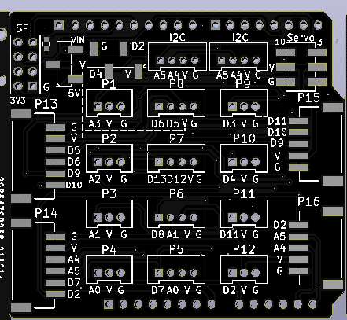 ArduinoUnoPH2.0扩展板V3.1
Comment | Description | Designator | Footprint | LibRef | Pins | Quantity | 链接
10uF | desc | C1, | C_0603 | libref | 2 | 1
Edge_Con5（卧贴） | desc | J12,J14, | SMD-Horizontal-PH2.00mm-5P | libref | 7 | 2
Edge_Con6（卧贴） | desc | J13,J15, | SMD-Horizontal-PH2.00mm-6P | libref | 8 | 2
贴片3Pin错位排针_黑色（右上） | desc | J17, | SMD-2.54mm-Pitch-3P | libref | 3 | 1 | https://item.taobao.com/item.htm?id=641124259762&ali_trackid=2:mm_99396806_46570087_81282000356:1638605047_237_127452043&union_lens=lensId:OPT@1638605004@210812b2_0836_17d84781f60_b6dd@01;recoveryid:201_11.1.81.73_14152656_1638604961302;prepvid:201_11.11.62.22_14151377_1638605003912&spm=a2e1u.19484427.29996460.14&pvid=100_11.8.226.14_83389_9111638605004484666&scm=null&bxsign=tbkQpcw0T/yCBuumv2lFfwtRJCSxoVCPTnm92gCXkILwEdMFkkkIzKtKvdpvaAQ55LlV2fCGw2rxUOqj9BaccNkFxBwuhc4wcJad7Zkbf2tgNY=
贴片4Pin错位排母_黑色（右上） | desc | JP2, | SMD-2.54mm-Pitch-4P | libref | 4 | 1 | https://item.taobao.com/item.htm?id=622435185276&ali_trackid=2:mm_99396806_46570087_81282000356:1638606613_266_1543490577&union_lens=lensId:OPT@1638606606@2106e92c_0888_17d849090bf_1130@01;recoveryid:201_11.1.81.73_14152656_1638604961302;prepvid:201_11.21.57.63_14165944_1638606605765&spm=a2e1u.19484427.29996460.14&pvid=100_33.69.115.100_26323_2421638606606399786&scm=null&bxsign=tbkT4Ga1o3NopLnYAkBdpsU4iktcVBWKCyxt1bt0lfhG1gR6itXCH48IKIPu8PBTlYkqHKCYzp8fvpXNhijn3bV7WgMvuwTcpxz9z0piiJe5nk=
Edge_Con3 PH2.0 3A | desc | J1,J2,J4,J5,J7,J8,J10,J11, | DIP-PH2.00mm-3A | libref | 3 | 8 | 要普通长针
Edge_Con4 PH2.0 4A | desc | J3,J16,J6,J9,J19,J20, | DIP-PH2.00mm-4A | libref | 4 | 6 | 要普通长针
ArduinoUnoR3 | U1 |  | DIP-PH2.54mm | 32 | 1 | 蓝色排针6pin*1 红色排针8pin*1 蓝色排针8pin*1 黑色排针10Pin*1 | 定制短脚
贴片双排排针(黑色) | desc | JP3, | SMD_3x2P_2.54mm | libref | 6 | 1
跳线帽（红色） | desc |  |  |  | 1 |  | https://detail.tmall.com/item.htm?id=563996848564&ali_trackid=2:mm_99396806_46570087_81282000356:1638606700_187_1479105211&union_lens=lensId:OPT@1638606690@2103f78f_083e_17d8491d931_26cd@01;recoveryid:201_11.1.81.73_14152656_1638604961302;prepvid:201_11.1.81.73_14156116_1638606689540&spm=a2e1u.19484427.29996460.24&pvid=100_33.55.63.143_161034_9681638606690368045&scm=null&bxsign=tbkMOJ0HhoHeKzuTnCXvP/Wt2iODpidEIXEWsxrQs2Bb3/DSiC0TGtKfP43W/H6NQptIdQstFPTnEeqVJzsmU18ahwSvptwithlFpAb/GHnlhw=

生产注意
