Pinout
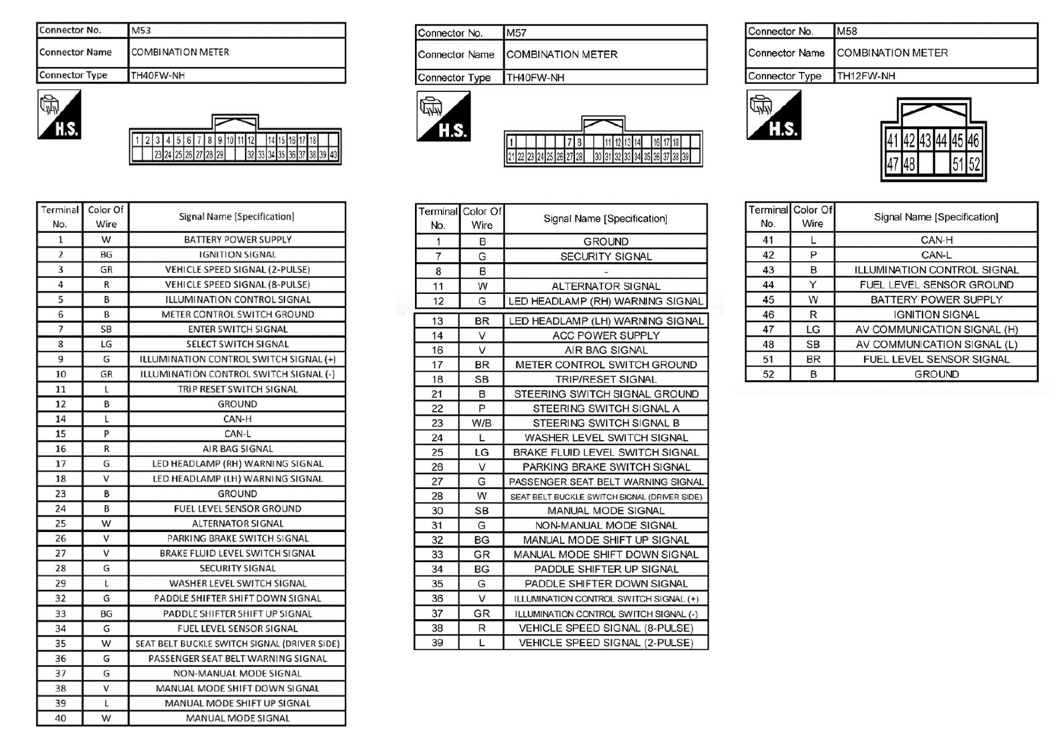

 | VSS

CLK |  |  | VCC

CMD |  |  | DAT0 | 1.8

 |  | VCCQ
 |  | 1.8

12 pin
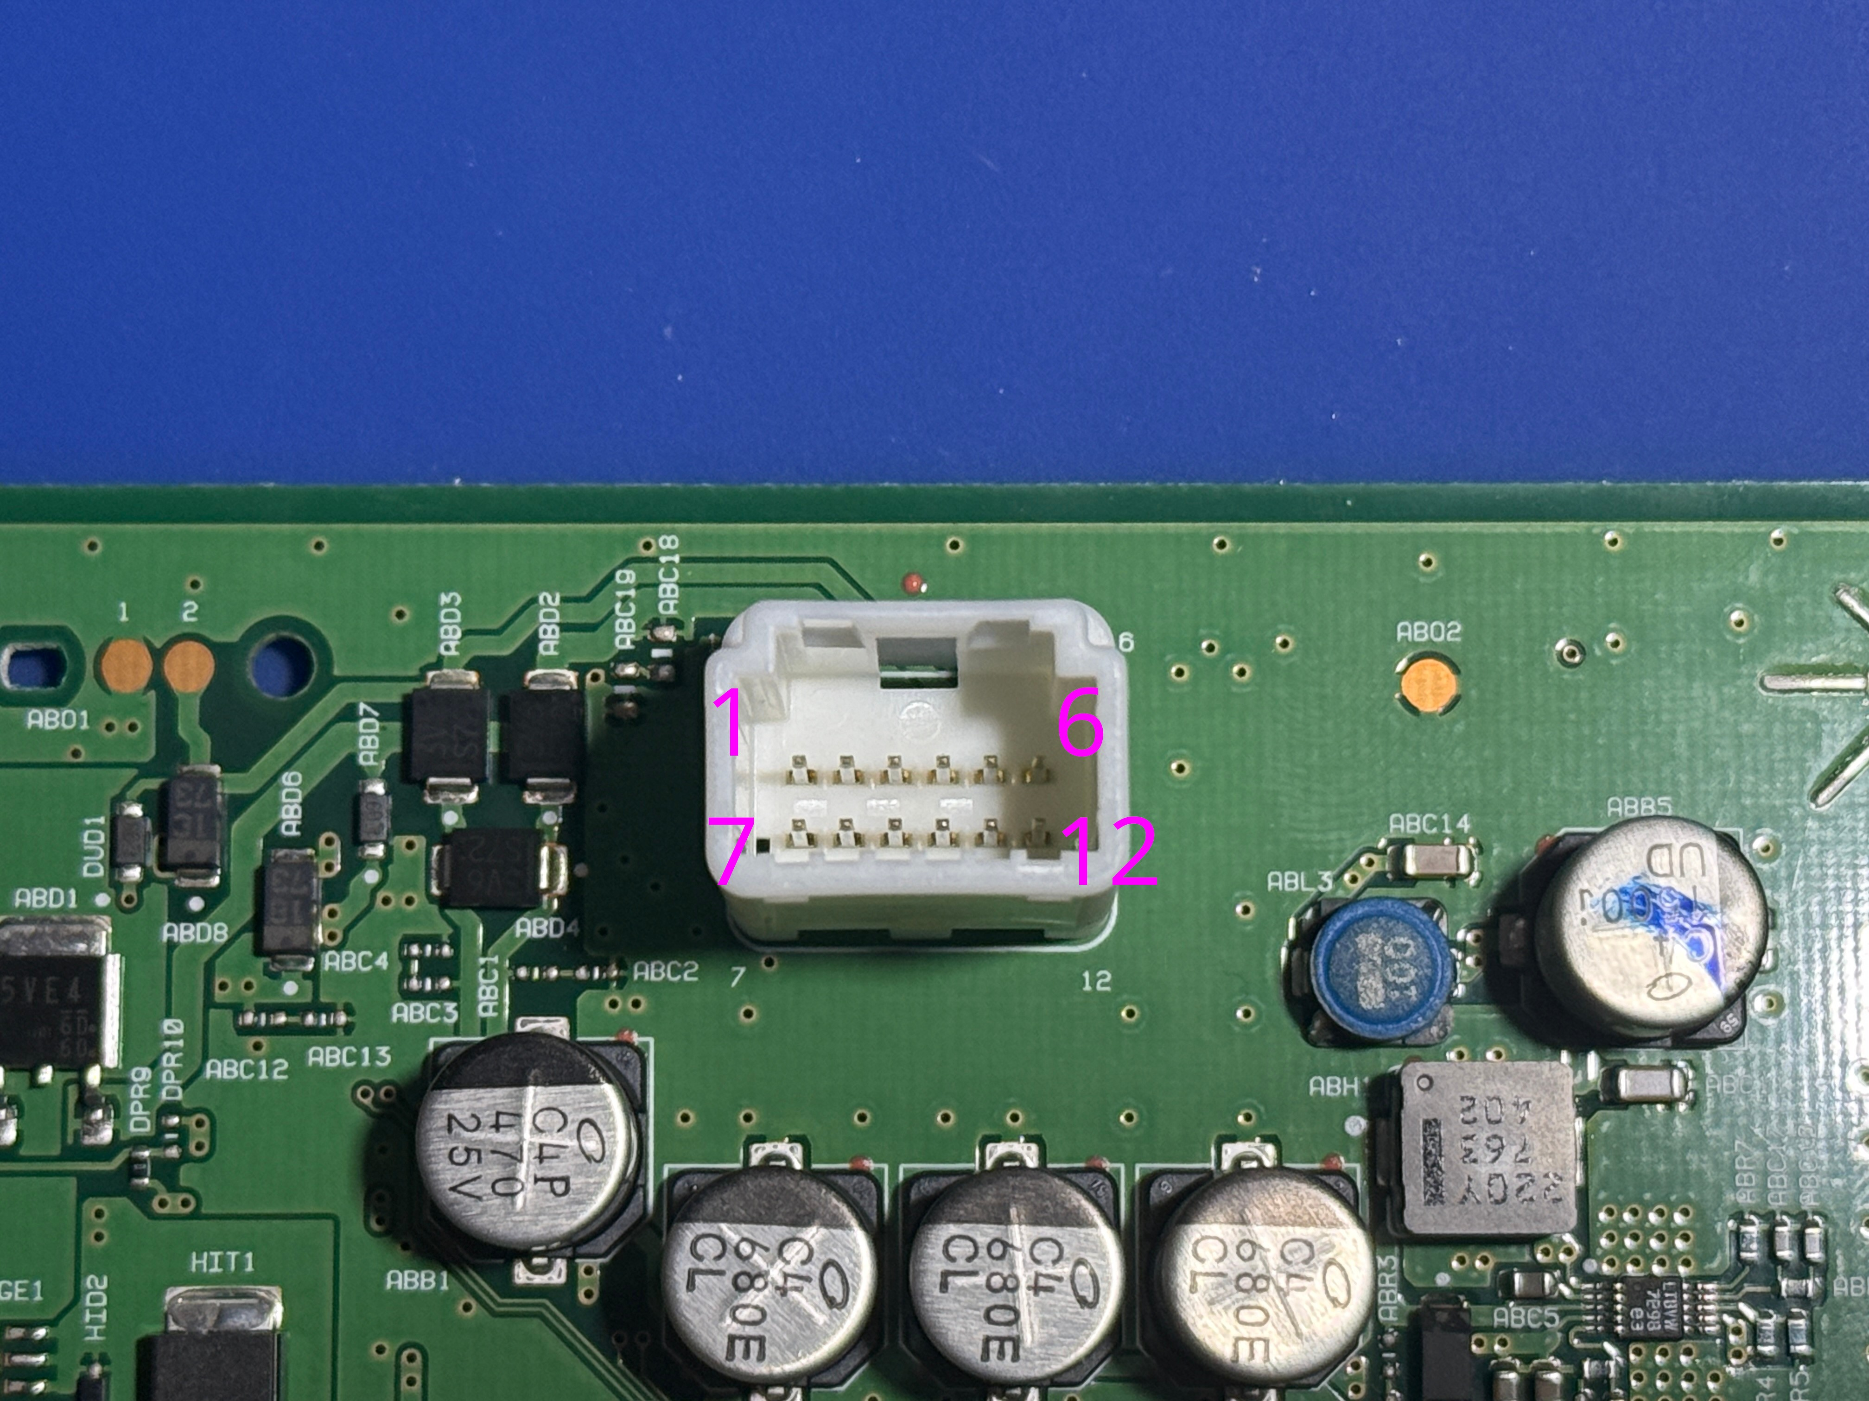

 |  |  |  |  |  | https://www.te.com/en/product-1473898-1.html

 |  |  |  |  |  | ILL | 165Hz | 50% brightness = 50% DC
 |  |  |  |  |  |  |  | 75% brightness = 75% DC
 |  |  |  |  |  |  |  | -330mV = low
 |  |  |  |  |  |  |  | full bright or min brightness = 330mV steady

1 | 2 | 3 | 4 | 5 | 6
CANH | CANL | ILL | GND | B+ | IG
CANH | CANL |  |  | FUEL | GND
7 | 8 | 9 | 10 | 11 | 12

40 pin
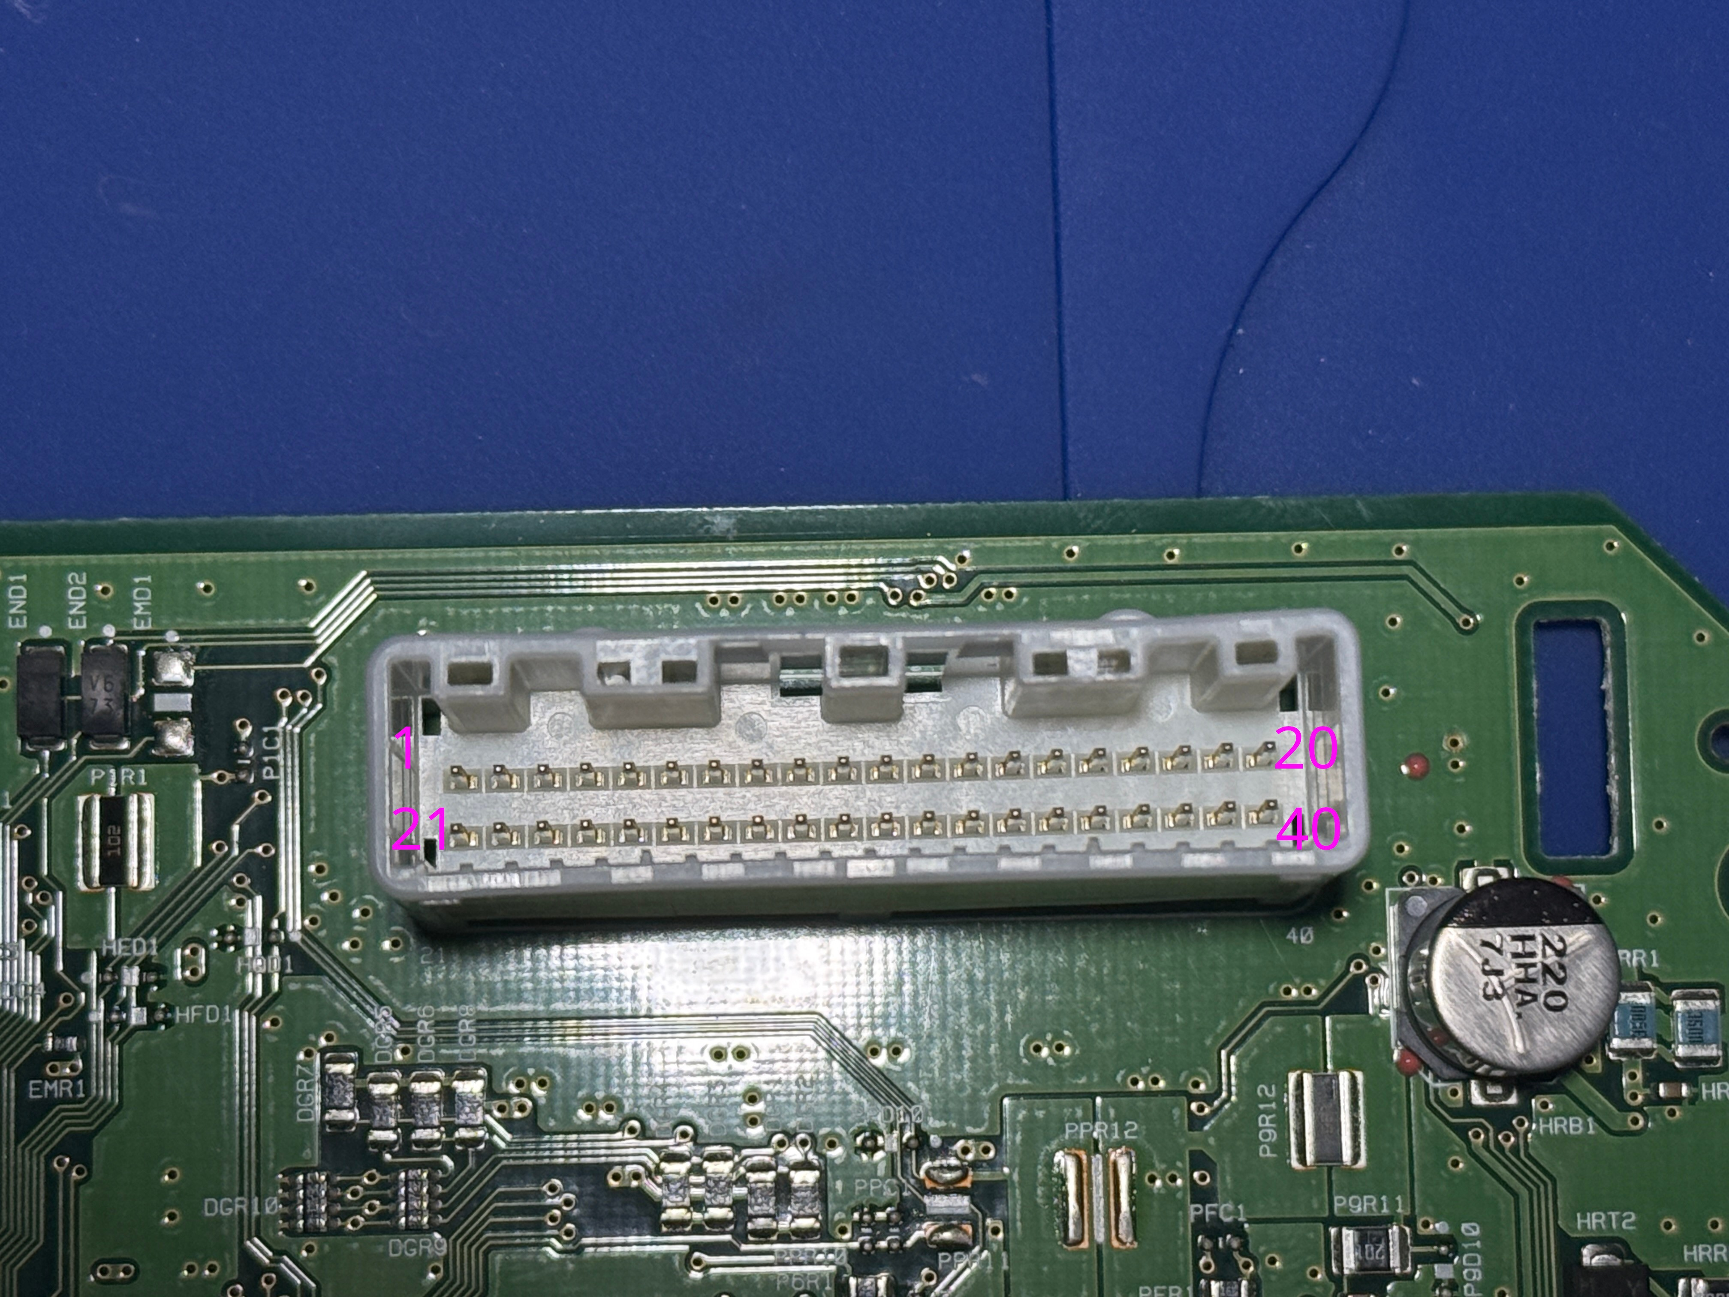
 |  |  |  |  |  |  |  |  |  |  |  |  |  |  |  |  |  |  |  | PIN | Description
 |  |  |  |  |  |  |  |  |  |  |  |  |  |  |  |  |  |  |  | 1 | Ground
 |  |  |  |  |  |  |  |  |  |  |  |  |  |  |  |  |  |  |  | 2
 |  |  |  |  |  |  |  |  |  |  |  |  |  |  |  |  |  |  |  | 3
 |  |  |  |  |  |  |  |  |  |  |  |  |  |  |  |  |  |  |  | 4
 |  |  |  |  |  |  |  |  |  |  |  |  |  |  |  |  |  |  |  | 5
 |  |  |  |  |  |  |  |  |  |  |  |  |  |  |  |  |  |  |  | 6
 |  |  |  |  |  |  |  |  |  |  |  |  |  |  |  |  |  | sw | io26 | 7 | Security | 12V - Off | 0V - On
 |  |  |  |  |  |  |  |  |  |  |  |  |  |  |  |  |  |  |  | 8 | ?
 |  |  |  |  |  |  |  |  |  |  |  |  |  |  |  |  |  |  |  | 9
 |  |  |  |  |  |  |  |  |  |  |  |  |  |  |  |  |  |  |  | 10
 |  |  |  |  |  |  |  |  |  |  |  |  |  |  |  |  |  | sw | io19 | 11 | Alternator | 11.26 - Idle | 0V - Battery Light ON
 |  |  |  |  |  |  |  |  |  |  |  |  |  |  |  |  |  |  |  | 12 | LED Headlight Warning (R)
 |  |  |  |  |  |  |  |  |  |  |  |  |  |  |  |  |  |  |  | 13 | LED Headlight Warning (L)
 |  |  |  |  |  |  |  |  |  |  |  |  |  |  |  |  |  | sw | io23 | 14 | ACC Power | 12V - On | 0V - Off
 |  |  |  |  |  |  |  |  |  |  |  |  |  |  |  |  |  |  |  | 15
 |  |  |  |  |  |  |  |  |  |  |  |  |  |  |  |  |  | sw | io18 | 16 | Air Bag | 4V - On | 0V - Off
 |  |  |  |  |  |  |  |  |  |  |  |  |  |  |  |  |  |  |  | 17 | Ground
 |  |  |  |  |  |  |  |  |  |  |  |  |  |  |  |  |  | sw | io25 | 18 | Trip Reset | 4.8V - Not Pressed | 0V - Pressed
 |  |  |  |  |  |  |  |  |  |  |  |  |  |  |  |  |  |  |  | 19
 |  |  |  |  |  |  |  |  |  |  |  |  |  |  |  |  |  |  |  | 20
 |  |  |  |  |  |  |  |  |  |  |  |  |  |  |  |  |  |  |  | 21
 |  |  |  |  |  |  |  |  |  |  |  |  |  |  |  |  |  |  |  | 22 | STSW A | 5V - Not Pressed | 3.3V - OK | 2.07V - Voice | 1.21V - Ch Down | 0.55V - Ch Up | 0V - Back
 |  |  |  |  |  |  |  |  |  |  |  |  |  |  |  |  |  |  |  | 23 | STSW B | 5V - Not Pressed | 3.3V - Right | 2.07V - Left | 1.21V - Phone | 0.55V - Vol up | 0V - Vol Down
 |  |  |  |  |  |  |  |  |  |  |  |  |  |  |  |  |  | sw | io5 | 24 | Washer Fluid | 10.2V - Idle | 0V - Fluid Low
 |  |  |  |  |  |  |  |  |  |  |  |  |  |  |  |  |  | sw | io22 | 25 | Brake Fluid | 10.2V - Idle | 0V - Fluid Low
 |  |  |  |  |  |  |  |  |  |  |  |  |  |  |  |  |  | sw | io21 | 26 | Parking Brake | 10.2V - Pkg Brake Released | 0V - Pkg Brake Engaged
 |  |  |  |  |  |  |  |  |  |  |  |  |  |  |  |  |  | sw | io17 | 27 | Passenger Seat Belt | 10.2V - Buckled | 0V - Unbuckled
 |  |  |  |  |  |  |  |  |  |  |  |  |  |  |  |  |  | sw | io16 | 28 | Driver Seat Belt | 10.2V - Buckled | 0V - Unbuckled
https://www.te.com/en/product-1376113-8.html?compatible=1318695-1 |  |  |  |  |  |  |  |  |  |  |  |  |  |  |  |  |  |  |  | 29
 |  |  |  |  |  |  |  |  |  |  |  |  |  |  |  |  |  |  |  | 30 | Manual Mode
 |  |  |  |  |  |  |  |  |  |  |  |  |  |  |  |  |  |  |  | 31 | Non-Manual Mode
https://www.te.com/en/product-2325415-1.html |  |  |  |  |  |  |  |  |  |  |  |  |  |  |  |  |  |  |  | 32 | Manual Shift Up
 |  |  |  |  |  |  |  |  |  |  |  |  |  |  |  |  |  |  |  | 33 | Manual Shift Down
 |  |  |  |  |  |  |  |  |  |  |  |  |  |  |  |  |  | sw | io33 | 34 | Paddle Shift Up | 10.7V - Not Pressed | 0V - Pressed
 |  |  |  |  |  |  |  |  |  |  |  |  |  |  |  |  |  | sw | io32 | 35 | Paddle Shift Down | 10.7V - Not Pressed | 0V - Pressed
 |  |  |  |  |  |  |  |  |  |  |  |  |  |  |  |  |  | sw | io35 | 36 | Brightness Up | 4.8V - Not Pressed | 0V - Pressed
 |  |  |  |  |  |  |  |  |  |  |  |  |  |  |  |  |  | sw | io34 | 37 | Brightness Down | 4.8V - Not Pressed | 0V - Pressed
 |  |  |  |  |  |  |  |  |  |  |  |  |  |  |  |  |  |  |  | 38 | Vehicle Speed (8 Pulse)
 |  |  |  |  |  |  |  |  |  |  |  |  |  |  |  |  |  |  |  | 39 | Vehicle Speed (2 Pulse)
 |  |  |  |  |  |  |  |  |  |  |  |  |  |  |  |  |  |  |  | 40
1 | 2 | 3 | 4 | 5 | 6 | 7 | 8 | 9 | 10 | 11 | 12 | 13 | 14 | 15 | 16 | 17 | 18 | 19 | 20
GND |  |  |  |  |  | SECURITY |  |  |  | ALTERNATOR |  |  | ACC |  | AIR BAG | GND | TRIP RESET |  | GND
GND | STSW A | STSW B | WASHER FLUID | BRAKE FLUID | PARKING BRAKE | PSGR BELT | DRVR BELT |  | MANUAL MODE | NON MANUAL | SHIFT UP | SHIFT DOWN | PADDLE UP | PADDLE DOWN | BRIGHT UP | BRIGHT DOWN |  |  | GND
21 | 22 | 23 | 24 | 25 | 26 | 27 | 28 | 29 | 30 | 31 | 32 | 33 | 34 | 35 | 36 | 37 | 38 | 39 | 40

CAN DB
CAN ID | 0x002
Description | Steering Angle
DLC | 8
Interval | 10ms

Byte | Bit 7 (8) | Bit 6 (4) | Bit 5 (2) | Bit 4 (1) | Bit 3 (8) | Bit 2 (4) | Bit 1 (2) | Bit 0 (1)
Byte 0 | steering angle, signed little-endian, factor −0.1°
Byte 1
Byte 2 | absolute steering rate, factor approximately 4°/s
Byte 3 |  |  |  |  | rolling counter
Byte 4
Byte 5
Byte 6
Byte 7

CAN ID | 0x160
Description | Pedal
DLC | 8
Interval

Byte | Bit 7 (8) | Bit 6 (4) | Bit 5 (2) | Bit 4 (1) | Bit 3 (8) | Bit 2 (4) | Bit 1 (2) | Bit 0 (1)
Byte 0 |  | Pedal Fully Pressed?
Byte 1
Byte 2
Byte 3 | Accelerator Position (% * 2)
Byte 4
Byte 5 | Inverse Accelerator Position (0xFF - byte 3)
Byte 6
Byte 7

CAN ID | 0x180
Description | Engine RPM
DLC | 8
Interval

Byte | Bit 7 (8) | Bit 6 (4) | Bit 5 (2) | Bit 4 (1) | Bit 3 (8) | Bit 2 (4) | Bit 1 (2) | Bit 0 (1)
Byte 0 | ENGINE_RPM
Byte 1
Byte 2
Byte 3
Byte 4
Byte 5 | ACCELERATOR_POSITION (0.5% / bit)
Byte 6 | COUNTER
Byte 7

CAN ID | 0x182
Description
DLC | 8
Interval

Byte | Bit 7 (8) | Bit 6 (4) | Bit 5 (2) | Bit 4 (1) | Bit 3 (8) | Bit 2 (4) | Bit 1 (2) | Bit 0 (1)
Byte 0
Byte 1
Byte 2
Byte 3
Byte 4
Byte 5 |  |  |  |  | COUNTER (0:F)
Byte 6 |  | Brake Pressed
Byte 7

CAN ID | 0x1A5 |  |  |  |  |  |  |  |  | Adding then removing this message triggers AWD error
Description | AWD
DLC
Interval

Byte | Bit 7 (8) | Bit 6 (4) | Bit 5 (2) | Bit 4 (1) | Bit 3 (8) | Bit 2 (4) | Bit 1 (2) | Bit 0 (1)
Byte 0
Byte 1
Byte 2
Byte 3
Byte 4
Byte 5
Byte 6
Byte 7

CAN ID | 0x216
Description | BCM
DLC
Interval | 20ms
 |  |  |  |  |  |  |  |  |  | OP_STATE |  |  | WIPER_STATE
Byte | Bit 7 (8) | Bit 6 (4) | Bit 5 (2) | Bit 4 (1) | Bit 3 (8) | Bit 2 (4) | Bit 1 (2) | Bit 0 (1) | 0b000 |  |  | 0b000
Byte 0 | WIPER_STATE |  |  |  |  | OP_STATE |  |  | 0b001 |  |  | 0b001
Byte 1 |  | DRL on | Headlights |  | Fog Lights |  |  |  | 0b010 |  |  | 0b010
Byte 2 |  |  |  |  |  |  |  |  | 0b011 |  |  | 0b011
 |  |  |  |  |  |  |  |  | 0b100 |  |  | 0b100
 |  |  |  |  |  |  |  |  | 0b101 |  |  | 0b101
 |  |  |  |  |  |  |  |  | 0b110 |  |  | 0b110
CAN ID | 0x280 |  |  |  |  |  |  |  | 0b111 |  |  | 0b111
Description | Cluster Status #1
DLC | 8
Interval | 20ms

Byte | Bit 7 (8) | Bit 6 (4) | Bit 5 (2) | Bit 4 (1) | Bit 3 (8) | Bit 2 (4) | Bit 1 (2) | Bit 0 (1)
Byte 0 |  |  |  |  |  |  | Driver Unbuckled
Byte 1 | Fuel Level Voltage Normalized Raw (10-bit)
Byte 2
Byte 3
Byte 4 | Processed Vehicle Speed (km/h * 100)
Byte 5
Byte 6 | Fuel Level Voltage ADC Raw Value (10-bit)
Byte 7

CAN ID | 0x284
Description | Front Wheel Speeds
DLC | 8
Interval

Byte | Bit 7 (8) | Bit 6 (4) | Bit 5 (2) | Bit 4 (1) | Bit 3 (8) | Bit 2 (4) | Bit 1 (2) | Bit 0 (1)
Byte 0 | FRONT RIGHT WHEEL SPEED
Byte 1 |  |  |  |  |  |  |  |  |  | raw_kmh * 0.005
Byte 2 | FRONT LEFT WHEEL SPEED
Byte 3
Byte 4
Byte 5
Byte 6
Byte 7

CAN ID | 0x285
Description | Rear Wheel Speeds
DLC | 8
Interval

Byte | Bit 7 (8) | Bit 6 (4) | Bit 5 (2) | Bit 4 (1) | Bit 3 (8) | Bit 2 (4) | Bit 1 (2) | Bit 0 (1)
Byte 0 | REAR RIGHT WHEEL SPEED
Byte 1
Byte 2 | REAR LEFT WHEEL SPEED
Byte 3
Byte 4
Byte 5
Byte 6
Byte 7

CAN ID | 0x292
Description | Brake?
DLC
Interval | 20ms

Byte | Bit 7 (8) | Bit 6 (4) | Bit 5 (2) | Bit 4 (1) | Bit 3 (8) | Bit 2 (4) | Bit 1 (2) | Bit 0 (1)
Byte 0 | LONGITUDINAL ACCELERATION
Byte 1 | RAW * 0.001 |  |  |  | RAW * 0.001
Byte 2 | LATERAL ACCELERATION
Byte 3 | YAW RATE
Byte 4 | RAW * 0.1
Byte 5
Byte 6 | BRAKE PRESSURE RAW
Byte 7 |  |  |  |  |  |  | COUNTER

CAN ID | 0x2B1 |  |  |  |  |  |  |  |  | BARS |  |  | CC_SPEED |  |  | EMG_BRAKE |  | LANE_ASSIST |  | EMG_BRAKE_2 |  | BLIND_SPOT_2
Description | ADAS |  |  |  |  |  |  |  | 0b00 | No Bars |  | 0x00 | Blank |  | 0b00 | Disabled | 0b00 | Disabled | 0b00 | Disabled | 0b00 | Disabled
DLC | 6 |  |  |  |  |  |  |  | 0b01 | 1 Bar |  | 0x01-0xFE | SPEED - 1 |  | 0b01 | Enabled | 0b01 | Enabled | 0b01 | Green Enabled | 0b01 | Green Enabled
Interval | 20ms |  |  |  |  |  |  |  | 0b10 | 2 Bars |  | 0xFF | - - - |  | 0b10 | White Blink (Warning Icon) | 0b10 | White Blink (Warning Icon) | 0b10 | Green Blink (Warning Icon) | 0b10 | Green Blink (Warning Icon)
 |  |  |  |  |  |  |  |  | 0b11 | 3 Bars |  |  |  |  | 0b11 | Yellow Solid (Warning Icon) | 0b11 | Yellow Solid (Warning Icon) | 0b11 | Yellow Solid (Warning Icon) | 0b11 | Yellow Solid (Warning Icon)
Byte | Bit 7 (8) | Bit 6 (4) | Bit 5 (2) | Bit 4 (1) | Bit 3 (8) | Bit 2 (4) | Bit 1 (2) | Bit 0 (1)
Byte 0 | CRUISE_CONTROL |  | CC Enabled |  | BARS |  | Display MPH | Adaptive CC |  | TONES |  |  | CRUISE_CONTROL |  |  | CAR_AHEAD |  | BLIND_SPOT |  | LANE_ASSIST_2
Byte 1 | CAR_AHEAD |  | Lane Assist Warning Left | Lane Assist Warning Right | Blind Spot Left Blink | Blind Spot Right Blink | Emergency Brake Warning | Winding Road Icon | 0b000 | none |  | 0b00 | None |  | 0b00 | None | 0b00 | Disabled | 0b00 | Disabled
Byte 2 | EMG_BRAKE |  | LANE_ASSIST |  | BLIND_SPOT |  | FEB Light Blink | FEB Light | 0b001 | constant beep |  | 0b01 | CC Icon |  | 0b01 | White Car Ahead | 0b01 | Enabled | 0b01 | Green Enabled
Byte 3 | EMG_BRAKE_2 |  | LANE_ASSIST_2 |  | BLIND_SPOT_2 |  |  |  | 0b010 | quick beep |  | 0b10 | CC Blink |  | 0b10 | Yellow Blinking Car | 0b10 | White Blink (Warning Icon) | 0b10 | Green Blink (Warning Icon)
Byte 4 | CC_SPEED |  |  |  |  |  |  |  | 0b011 | triple fast beep |  | 0b11 | Yellow CC (Warning) |  | 0b11 | Crash Alert | 0b11 | Yellow Solid (Warning Icon) | 0b11 | Yellow Solid (Warning Icon)
Byte 5 | TONES |  |  | Switch Page | Blink Speed | Prompt Page |  |  | 0b100 | fast single beep
 |  |  |  |  |  |  |  |  | 0b101 | quad beep
 |  |  |  |  |  |  |  |  | 0b110 | single beep
 |  |  |  |  |  |  |  |  | 0b111 | double beep
CAN ID | 0x2DE
Description | Cluster Status #2
DLC | 8
Interval | 100ms

Byte | Bit 7 (8) | Bit 6 (4) | Bit 5 (2) | Bit 4 (1) | Bit 3 (8) | Bit 2 (4) | Bit 1 (2) | Bit 0 (1)
Byte 0 |  |  | Paddle Shift Down Req | Paddle Shift Up Req | Stick Shift Down Req | Stick Shift Up Req | Auto Mode? | Manual Mode
Byte 1
Byte 2
Byte 3 | Average Fuel Economy (km/L * 100)
Byte 4
Byte 5
Byte 6 | Distance to Empty (KM * 0.1)
Byte 7

CAN ID | 0x351 |  |  |  |  |  |  |  |  | KEY_PROMPTS
Description | Intelligent Key |  |  |  |  |  |  |  | 0x0 | None
DLC | 8 |  |  |  |  |  |  |  | 0x1 | Brake + Push Start
Interval | 100ms |  |  |  |  |  |  |  | 0x2 | No visible response
 |  |  |  |  |  |  |  |  | 0x3 | Key ID Incorrect
Byte | Bit 7 (8) | Bit 6 (4) | Bit 5 (2) | Bit 4 (1) | Bit 3 (8) | Bit 2 (4) | Bit 1 (2) | Bit 0 (1) | 0x4 | Turn Steering Wheel + Push Button
Byte 0 |  |  |  |  |  |  |  |  | 0x5 | Shift to Park
Byte 1 | UNLOCK | LOCK |  |  |  |  |  |  | 0x6 | Power turned off to save battery
Byte 2 |  |  |  |  |  |  |  |  | 0x7 | Key Battery Low
Byte 3 |  |  |  |  |  |  |  |  | 0x8 | No key detected
Byte 4 |  |  |  |  |  |  |  |  | 0x9 | Power will turn off to save battery
Byte 5 | Steering Lock Registration Complete | Key System Error | Double beep | Fast beep | KEY_PROMPTS |  |  |  | 0xA | Push Ignition to OFF
Byte 6 | Beep |  |  | Auto High Beam |  |  |  |  | 0XB | Clutch + Push Start
Byte 7 |  |  |  |  |  |  |  |  | 0xC | No Visible Response
 |  |  |  |  |  |  |  |  | 0xD | No visible response
 |  |  |  |  |  |  |  |  | 0xE | Touch Key to start button
 |  |  |  |  |  |  |  |  | 0xF | Push brake and start button to drive
CAN ID | 0x354
Description | Chassis Control
DLC | 8
Interval | 50ms

Byte | Bit 7 (8) | Bit 6 (4) | Bit 5 (2) | Bit 4 (1) | Bit 3 (8) | Bit 2 (4) | Bit 1 (2) | Bit 0 (1) |  | TCS_STATE
Byte 0 | VEHICLE SPEED (KMH * 100) |  |  |  |  |  |  |  | 0b000 | None
Byte 1 |  |  |  |  |  |  |  |  | 0b001 | TCS Off Solid + TCS Solid
Byte 2 |  |  |  |  |  |  |  |  | 0b010 | TCS Off Solid
Byte 3 |  |  |  |  |  |  |  |  | 0b011 | TCS Blinking
Byte 4 | TCS_STATE |  |  | ABS | ABS latch | BRAKE | BRAKE latch |  | 0b100 | TCS Blinking
Byte 5 |  |  |  | COUNTER |  |  |  |  | 0b101 | TCS Solid
Byte 6 |  |  |  | BRAKE Pressed |  |  |  |  | 0b110 | TCS Off + TCS Blinking
Byte 7 |  |  |  |  |  |  |  |  | 0b111 | TCS Off + TCS Blinking

CAN ID | 0x355
Description | Cluster Status #3
DLC | 8
Interval | 100ms

Byte | Bit 7 (8) | Bit 6 (4) | Bit 5 (2) | Bit 4 (1) | Bit 3 (8) | Bit 2 (4) | Bit 1 (2) | Bit 0 (1)
Byte 0 | Processed Vehicle Speed (km/h * 100)
Byte 1
Byte 2 | Displayed Vehicle Speed (km/h * 100)
Byte 3
Byte 4
Byte 5
Byte 6
Byte 7

CAN ID | 0x358
Description | ?
DLC | 8
Interval | 100ms

Byte | Bit 7 (8) | Bit 6 (4) | Bit 5 (2) | Bit 4 (1) | Bit 3 (8) | Bit 2 (4) | Bit 1 (2) | Bit 0 (1)
Byte 0
Byte 1 | Dim Backlight
Byte 2 |  |  |  |  |  | Right Blinker Request | Left Blinker Request | Trunk Open
Byte 3 |  |  | Low Oil Pressure
Byte 4 | TPMS Light
Byte 5
Byte 6
Byte 7

CAN ID | 0x35D
Description
DLC | 8
Interval | 100ms

Byte | Bit 7 (8) | Bit 6 (4) | Bit 5 (2) | Bit 4 (1) | Bit 3 (8) | Bit 2 (4) | Bit 1 (2) | Bit 0 (1)
Byte 0
Byte 1
Byte 2
Byte 3
Byte 4 |  | ? |  | Brake Pressed
Byte 5
Byte 6
Byte 7

 | 0x385
Description | TPMS Info
DLC | 8
Interval | 100ms

Byte | Bit 7 (8) | Bit 6 (4) | Bit 5 (2) | Bit 4 (1) | Bit 3 (8) | Bit 2 (4) | Bit 1 (2) | Bit 0 (1)
Byte 0 |  |  |  |  |  |  | 0 = "Tire pressures appear while driving"
Byte 1 | FR Flat Tire | FL Flat Tire | RR Flat Tire | RL Flat Tire | FR Tire Warning | FL Tire Warning | RR Tire Warning | RL Tire Warning
Byte 2 | Front Right Tire PSI * 4
Byte 3 | Front Left Tire PSI * 4
Byte 4 | Rear Right Tire PSI * 4
Byte 5 | Rear Left Tire PSI * 4
Byte 6 | FR Valid | FL Valid | RR Valid | RL Valid
Byte 7 | Target kPA Front(190 + N*10) |  |  |  | Target kPa Rear (190 + N*10)

 | 0x3AF
Description | ?
DLC | 8
Interval | 100ms

Byte | Bit 7 (8) | Bit 6 (4) | Bit 5 (2) | Bit 4 (1) | Bit 3 (8) | Bit 2 (4) | Bit 1 (2) | Bit 0 (1)
Byte 0 | Hazard Button Pressed

 |  |  |  |  |  |  |  |  | GEARS
 |  |  |  |  |  |  |  |  | 0b00000 | No Gear |  | 0b10000 | 1 (M)
CAN ID | 0x421 |  |  |  |  |  |  |  | 0b00001 | Park |  | 0b10001 | 2 (M)
Description | Automatic Transmission |  |  |  |  |  |  |  | 0b00010 | Reverse |  | 0b10010 | 3 (M)
DLC | 3 |  |  |  |  |  |  |  | 0b00011 | Neutral |  | 0b10011 | 4 (M)
Interval | 60ms |  |  |  |  |  |  |  | 0b00100 | Drive |  | 0b10100 | 5 (M)
 |  |  |  |  |  |  |  |  | 0b00101 | Drive (S) |  | 0b10101 | 6 (M)
Byte | Bit 7 (8) | Bit 6 (4) | Bit 5 (2) | Bit 4 (1) | Bit 3 (8) | Bit 2 (4) | Bit 1 (2) | Bit 0 (1) | 0b00110 | Low |  | 0b10110 | 7 (M)
Byte 0 | GEARS |  |  |  |  | AT Error |  | AT Error | 0b00111 |  |  | 0b10111 | 8 (M)
Byte 1 |  |  |  |  |  | Flash Gear |  |  | 0b01000 | 1
Byte 2 |  | Beep |  |  |  |  |  |  | 0b01001 | 2
 |  |  |  |  |  |  |  |  | 0b01010 | 3
 |  |  |  |  |  |  |  |  | 0b01011 | 4
 |  |  |  |  |  |  |  |  | 0b01100 | 5
 |  |  |  |  |  |  |  |  | 0b01101 | 6
 |  |  |  |  |  |  |  |  | 0b01110
 |  |  |  |  |  |  |  |  | 0b01111

CAN ID | 0x4DF
Description
DLC | 8
Interval | 100ms

Byte | Bit 7 (8) | Bit 6 (4) | Bit 5 (2) | Bit 4 (1) | Bit 3 (8) | Bit 2 (4) | Bit 1 (2) | Bit 0 (1)
Byte 0
Byte 1
Byte 2
Byte 3
Byte 4
Byte 5
Byte 6
Byte 7

CAN ID | 0x4CC
Description
DLC | 5
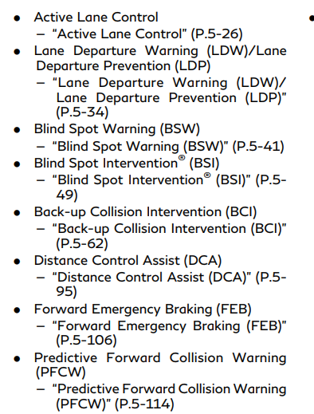
Interval | 500ms
 |  |  |  |  |  |  |  |  |  | acronyms (unconfirmed)
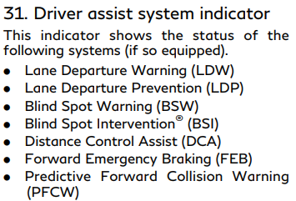
Byte | Bit 7 (8) | Bit 6 (4) | Bit 5 (2) | Bit 4 (1) | Bit 3 (8) | Bit 2 (4) | Bit 1 (2) | Bit 0 (1) |  | DCA
Byte 0 |  |  |  |  |  | Unavailable High Accelerator Temperature - DCA | Unavailable High Accelerator Temperature - BCI | Unavailable High Accelerator Temperature - FEB
Byte 1 | Unavailable Clean Rear Camera - LDW | Unavailable Clean Rear Camera - BSW | Malfunction - PFCW | Malfunction - LDW | Malfunction - BSW | Unavailable High Cabin Temperature - LDW | Unavailable High Cabin Temperature - LDP | Unavailable High Cabin Temperature - BSI
Byte 2 | Unavailable Front Radar Obstruction - ICC | Unavailable Front Radar Obstruction - PFCW | Unavailable Front Radar Obstruction - DCA | Unavailable Front Radar Obstruction - FEB | Unavailable Select Driving Aids in Settings | Unavailable Select Driving Aids in Settings | Currently Unavailable - ICC | Currently Unavailable - ICC
Byte 3 |  |  |  |  | Unavailable Side Radar Obstruction - BSW | Unavailable Side Radar Obstruction - BSI | Unavailable Side Radar Obstruction - BCI
Byte 4 | Malfunction - DCA | Malfunction - LDP | Malfunction - BSI | Malfunction - FEB | Malfunction - BCI | System OFF - BCI

CAN ID | 0x54A
Description | HVAC #1
DLC | 8
Interval | 100ms

Byte | Bit 7 (8) | Bit 6 (4) | Bit 5 (2) | Bit 4 (1) | Bit 3 (8) | Bit 2 (4) | Bit 1 (2) | Bit 0 (1)
Byte 0
Byte 1
Byte 2
Byte 3
Byte 4 | Driver HVAC Temp
Byte 5 | Passenger HVAC Temp
Byte 6
Byte 7

CAN ID | 0x54B
Description | HVAC #2
DLC | 8
Interval

Byte | Bit 7 (8) | Bit 6 (4) | Bit 5 (2) | Bit 4 (1) | Bit 3 (8) | Bit 2 (4) | Bit 1 (2) | Bit 0 (1) |  | BLOWER_SPEED |  |  | AIR_DIRECTION
Byte 0 |  |  |  |  |  |  |  |  | 0b0011 | Level 1 |  | 0b001 | Upper
Byte 1 |  |  |  |  |  |  |  |  | 0b0101 | Level 2 |  | 0b010 | Upper + Lower
Byte 2 |  |  | AIR_DIRECTION |  |  |  |  |  | 0b0111 | Level 3 |  | 0b011 | Lower
Byte 3 |  | Dual |  |  |  |  |  | Recirculation | 0b1001 | Level 4 |  | 0b100 | Defogger + Lower
Byte 4 |  |  | BLOWER_SPEED |  |  |  |  |  | 0b1011 | Level 5 |  | 0b101 | Defogger
Byte 5 |  | Steering Heater |  |  |  |  |  |  | 0b1101 | Level 6
Byte 6 |  |  |  |  |  |  |  |  | 0b1111 | Level 7
Byte 7

CAN ID | 0x54C
Description | HVAC #3
DLC | 8
Interval

Byte | Bit 7 (8) | Bit 6 (4) | Bit 5 (2) | Bit 4 (1) | Bit 3 (8) | Bit 2 (4) | Bit 1 (2) | Bit 0 (1)
Byte 0
Byte 1
Byte 2
Byte 3
Byte 4
Byte 5
Byte 6
Byte 7

CAN ID | 0x54D
Description | HVAC #4
DLC | 8
Interval

Byte | Bit 7 (8) | Bit 6 (4) | Bit 5 (2) | Bit 4 (1) | Bit 3 (8) | Bit 2 (4) | Bit 1 (2) | Bit 0 (1)
Byte 0
Byte 1 |  |  |  |  |  |  | Driver Seat Heat AUTO | Passenger Seat Heat AUTO
Byte 2
Byte 3
Byte 4
Byte 5 |  |  |  |  |  | Driver Seat Heat OFF | Driver Seat Heat LOW | Driver Seat Heat MID
Byte 6 | Driver Seat Heat HIGH |  |  |  |  | Passenger Seat Heat OFF | Passenger Seat Heat LOW | Passenger Seat Heat MID
Byte 7 | Passenger Seat Heat HIGH

CAN ID | 0x551
Description | Engine
DLC | 8
Interval | 100

Byte | Bit 7 (8) | Bit 6 (4) | Bit 5 (2) | Bit 4 (1) | Bit 3 (8) | Bit 2 (4) | Bit 1 (2) | Bit 0 (1)
Byte 0 | Coolant Temperature
Byte 1 | CUMULATIVE_FUEL_USAGE_COUNTER
Byte 2
Byte 3
Byte 4
Byte 5
Byte 6
Byte 7

CAN ID | 0x56C
Description | Chassis Control
DLC | 5
Interval | 100ms

Byte | Bit 7 (8) | Bit 6 (4) | Bit 5 (2) | Bit 4 (1) | Bit 3 (8) | Bit 2 (4) | Bit 1 (2) | Bit 0 (1)
Byte 0 |  | trace control blue squares | trace control 2 squares wheels | trace control blue lines on wheels |  |  |  |  |  | DRIVE_MODES
Byte 1 |  | Trace Control Saddle Curve | DRIVE_MODES |  |  | Quad Beep | Continuous Beep |  | 0b000 | STANDARD
Byte 2 |  | Front Left Wheel |  | Front Right Wheel |  | Rear Left Wheel |  | Rear Right Wheel | 0b001 | SPORT
Byte 3 |  |  |  |  |  |  |  |  | 0b010 | ECO
Byte 4 |  |  |  |  |  |  |  |  | 0b011 | SNOW
Byte 5 |  |  |  |  |  |  |  |  | 0b100 | PERSONAL
Byte 6 |  |  |  |  |  |  |  |  | 0b101 | SPORT PLUS
Byte 7

CAN ID | 0x56E
Description | Telematics
DLC | 4
Interval | 100ms
 |  |  |  |  |  |  |  |  |  | Baseline : 86 00 00 00
Byte | Bit 7 (8) | Bit 6 (4) | Bit 5 (2) | Bit 4 (1) | Bit 3 (8) | Bit 2 (4) | Bit 1 (2) | Bit 0 (1)
Byte 0 | Idle? | Busy? |  |  |  |  |  | Unlock Command
Byte 1 | Lock Command
Byte 2
Byte 3

CAN ID | 0x5C5
Description | Meter Status?
DLC | 8
Interval | 100ms

Byte | Bit 7 (8) | Bit 6 (4) | Bit 5 (2) | Bit 4 (1) | Bit 3 (8) | Bit 2 (4) | Bit 1 (2) | Bit 0 (1)
Byte 0 | Meter OFF | Meter ON | Gas Light Status |  | Low Brake Fluid | Parking Brake | Running?
Byte 1 | Odometer Mileage
Byte 2
Byte 3
Byte 4
Byte 5
Byte 6
Byte 7

CAN ID | 0x580
Description
DLC | 8
Interval | 100ms

Byte | Bit 7 (8) | Bit 6 (4) | Bit 5 (2) | Bit 4 (1) | Bit 3 (8) | Bit 2 (4) | Bit 1 (2) | Bit 0 (1)
Byte 0 | ENGINE TORQUE (raw / 16 Nm)
Byte 1
Byte 2 |  |  |  |  |  |  |  | Low Oil Pressure
Byte 3 |  |  |  |  |  |  |  | Loose Fuel Cap
Byte 4 | ENGINE OIL TEMP ( RAW C + 40 )
Byte 5 |  | ECO mode light
Byte 6
Byte 7

CAN ID | 0x60D
Description | BCM
DLC | 8
Interval | 100ms

Byte | Bit 7 (8) | Bit 6 (4) | Bit 5 (2) | Bit 4 (1) | Bit 3 (8) | Bit 2 (4) | Bit 1 (2) | Bit 0 (1) |  | POWER_STATE |  |  | CHIMES
Byte 0 | Trunk | Rear Passenger Door | Rear Driver Door | Passenger Door | Driver Door | Parking Lights | Headlights |  | 0b00 | Off |  | 0b00000 | None
Byte 1 |  | Right Turn Signal | Left Turn Signal |  | High Beam | IG/RUN | ACC | Fog Lights | 0b01 | ACC |  | 0b00001 | Headlight Reminder
Byte 2 |  |  |  | all doors locked |  | Rear Fog light |  |  | 0b10 | IG/RUN |  | 0b10000 | Door Open Chime
Byte 3 |  |  | CHIMES |  |  |  |  |  | 0b11 | IG/RUN + ACC |  | 0b10010 | Single Short High Pitch Beep
Byte 4 |  |  |  |  |  |  |  |  |  |  |  | 0b10011 | Periodic Quad Beep
Byte 5 |  |  |  |  |  |  |  |  |  |  |  | 0b10101 | Startup Beep
Byte 6 |  |  |  |  |  |  |  |  |  |  |  | 0b11000 | Long Constant Beep
Byte 7 |  |  |  |  |  |  |  |  |  |  |  | 0b11001 | Long Constant Beep

CAN ID | 0x625
Description | BCM or Power control module
DLC | 6
Interval | 100ms |  |  |  |  |  |  |  |  |  |  | 0D -> 0E

Byte | Bit 7 (8) | Bit 6 (4) | Bit 5 (2) | Bit 4 (1) | Bit 3 (8) | Bit 2 (4) | Bit 1 (2) | Bit 0 (1) |  | START_STATE | acc | 0x3 wen cranking |  |  | wipers
Byte 0 |  |  | START_STATE |  |  | wiper on low | Wipers not at top |  | 0b00 | Normal | byte 3 | 1D |  | high | 08-0a
Byte 1 | AC Compressor OR Front Fan | Parking Lights | Headlight | High Beam | Fog Lights |  |  |  | 0b01 | ? | byte0 5:4 |  |  | mid | 0x04-0x06
Byte 2 |  |  |  |  |  |  |  |  | 0b10 | ? | run |  |  | low
Byte 3 |  |  |  | IG/RUN |  |  |  |  | 0b11 | Cranking
Byte 4
Byte 5

