Pinout
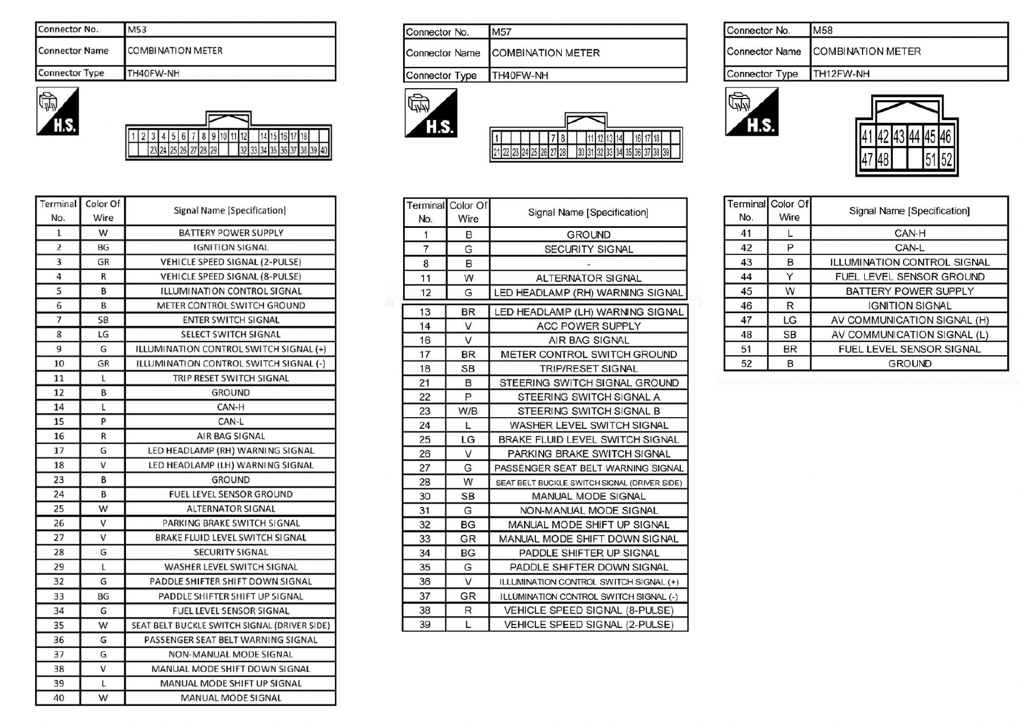

 | VSS

CLK |  |  | VCC

CMD |  |  | DAT0 | 1.8

 |  | VCCQ
 |  | 1.8

12 pin
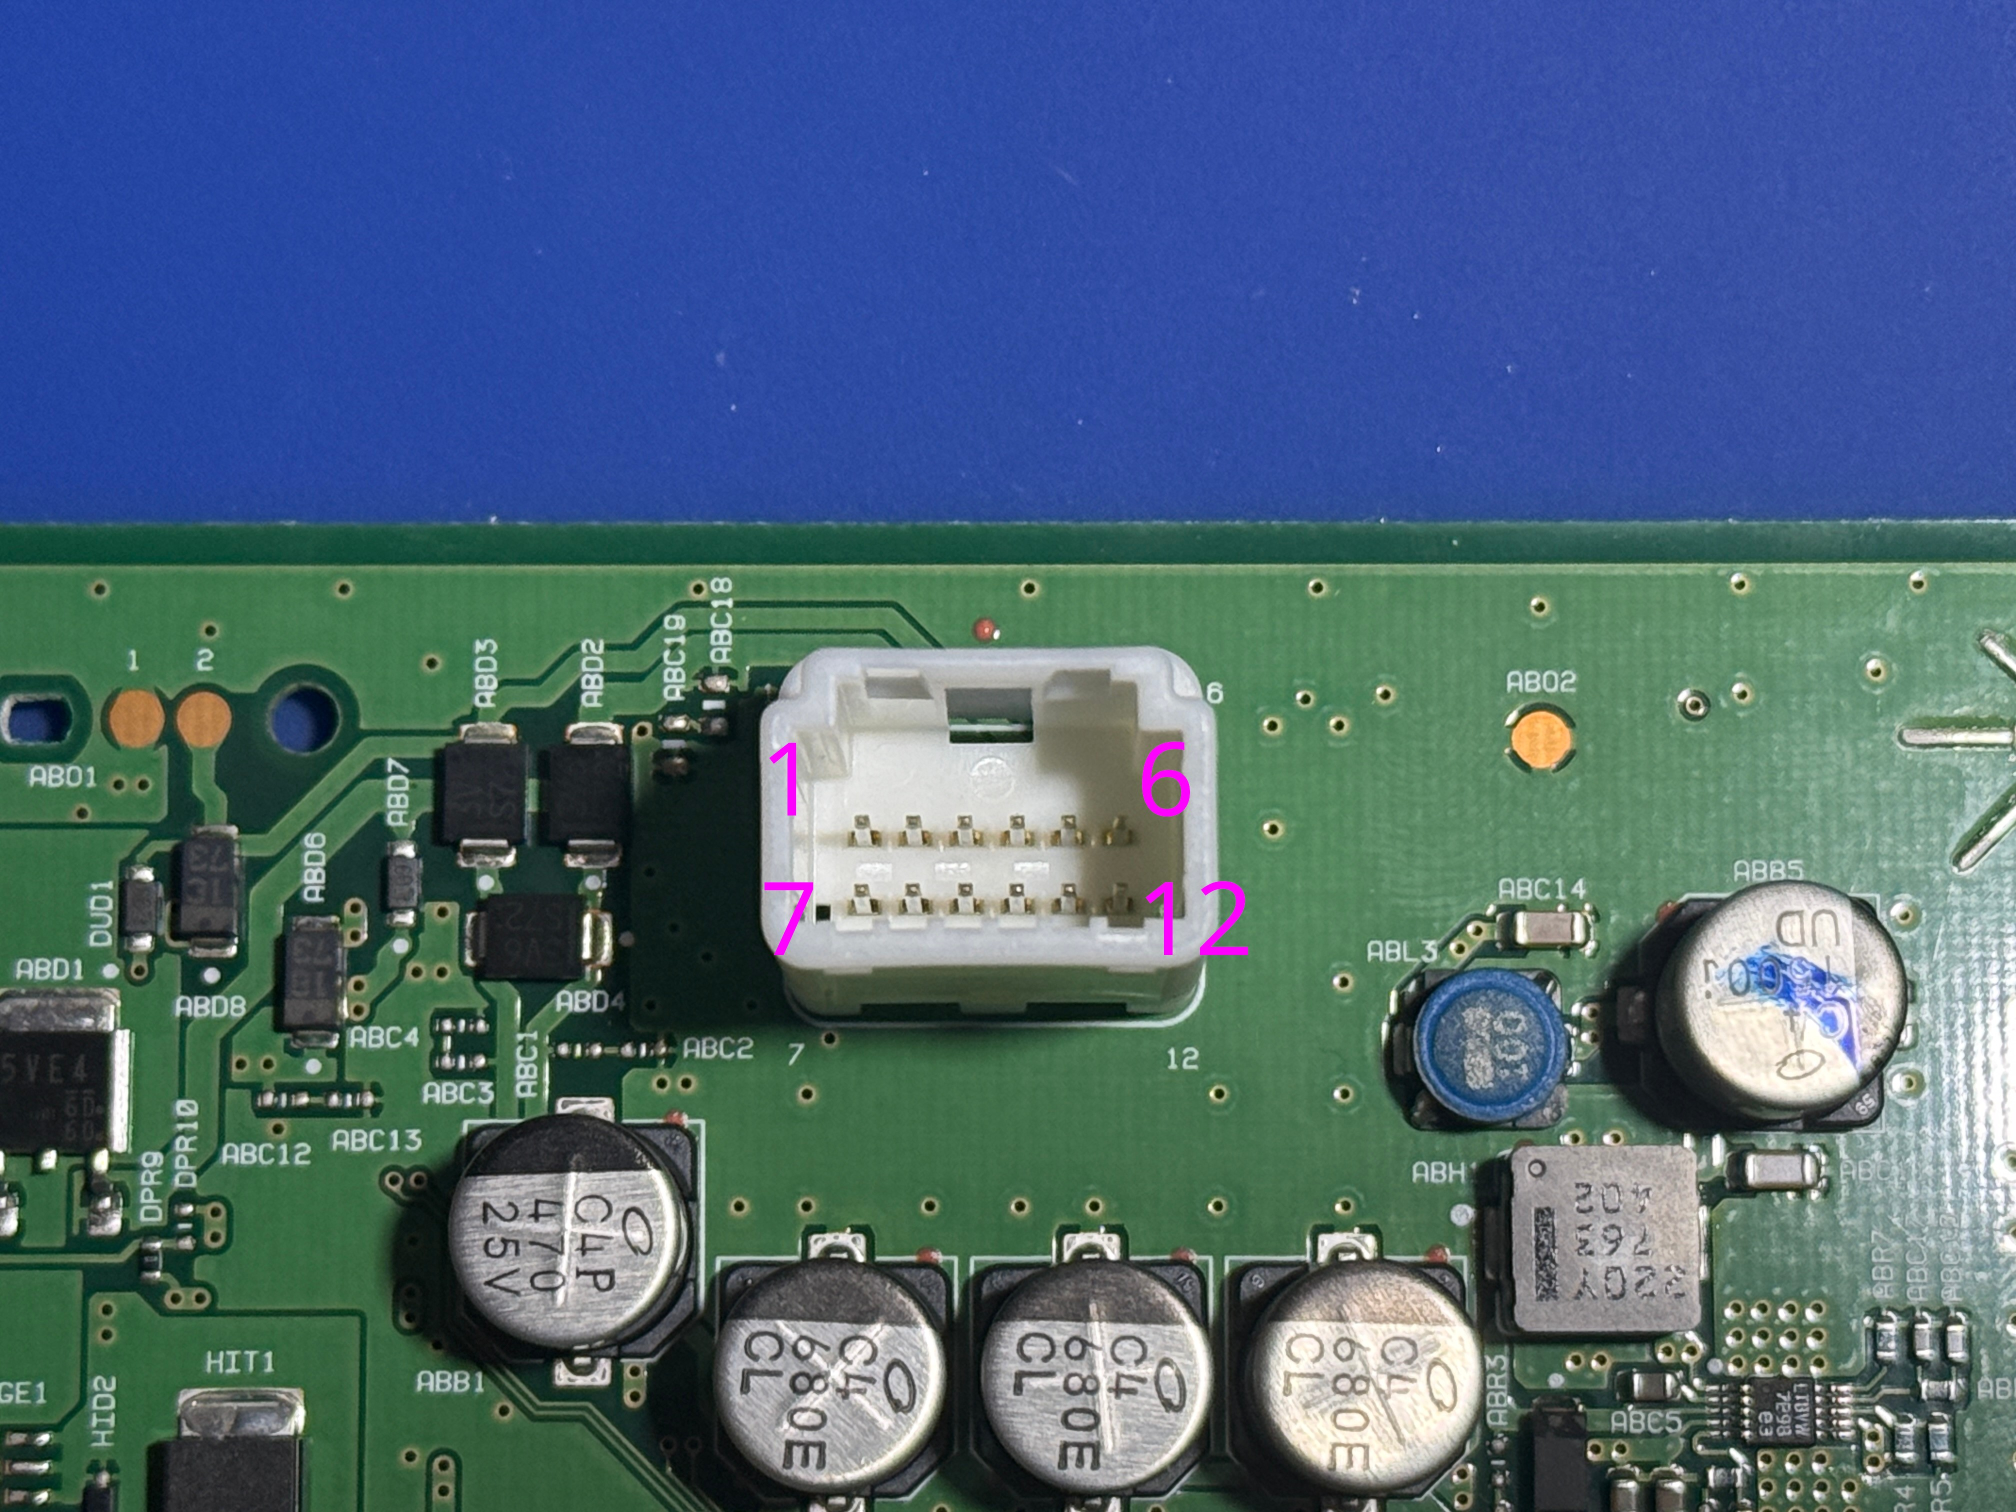

 |  |  |  |  |  | https://www.te.com/en/product-1473898-1.html

 |  |  |  |  |  | ILL | 165Hz | 50% brightness = 50% DC
 |  |  |  |  |  |  |  | 75% brightness = 75% DC
 |  |  |  |  |  |  |  | -330mV = low
 |  |  |  |  |  |  |  | full bright or min brightness = 330mV steady

1 | 2 | 3 | 4 | 5 | 6
CANH | CANL | ILL | GND | B+ | IG
CANH | CANL |  |  | FUEL | GND
7 | 8 | 9 | 10 | 11 | 12

40 pin
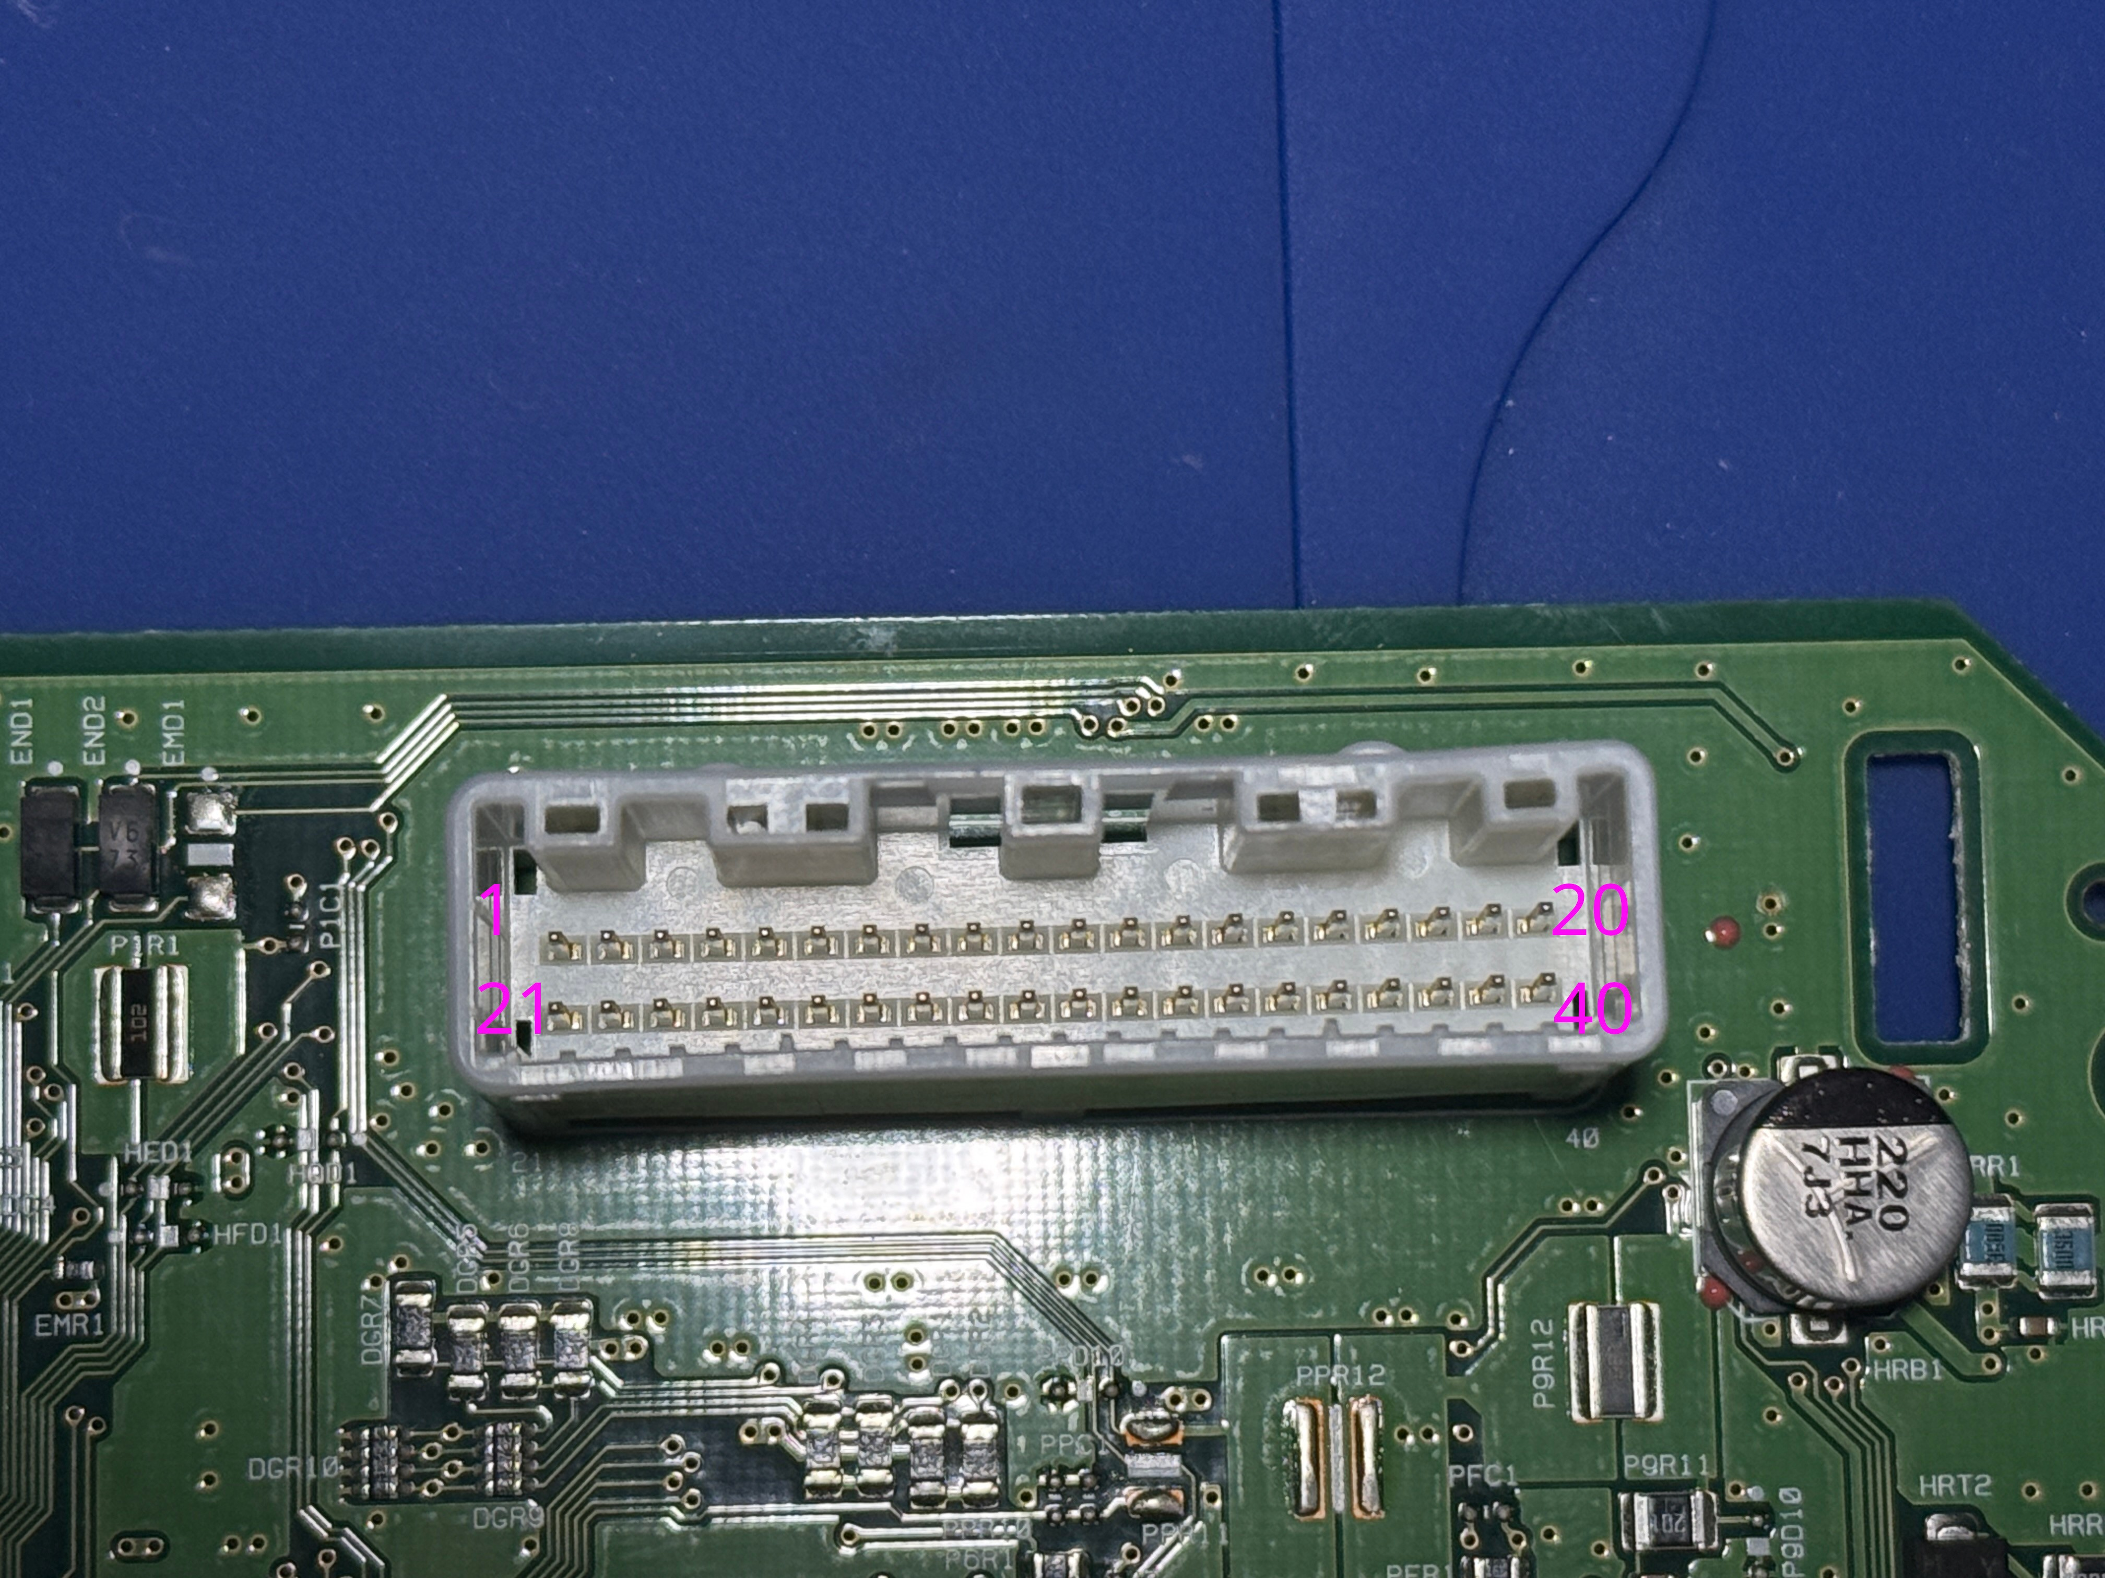
 |  |  |  |  |  |  |  |  |  |  |  |  |  |  |  |  |  |  |  | PIN | Description
 |  |  |  |  |  |  |  |  |  |  |  |  |  |  |  |  |  |  |  | 1 | Ground
 |  |  |  |  |  |  |  |  |  |  |  |  |  |  |  |  |  |  |  | 2
 |  |  |  |  |  |  |  |  |  |  |  |  |  |  |  |  |  |  |  | 3
 |  |  |  |  |  |  |  |  |  |  |  |  |  |  |  |  |  |  |  | 4
 |  |  |  |  |  |  |  |  |  |  |  |  |  |  |  |  |  |  |  | 5
 |  |  |  |  |  |  |  |  |  |  |  |  |  |  |  |  |  |  |  | 6
 |  |  |  |  |  |  |  |  |  |  |  |  |  |  |  |  |  | sw | io26 | 7 | Security | 12V - Off | 0V - On
 |  |  |  |  |  |  |  |  |  |  |  |  |  |  |  |  |  |  |  | 8 | ?
 |  |  |  |  |  |  |  |  |  |  |  |  |  |  |  |  |  |  |  | 9
 |  |  |  |  |  |  |  |  |  |  |  |  |  |  |  |  |  |  |  | 10
 |  |  |  |  |  |  |  |  |  |  |  |  |  |  |  |  |  | sw | io19 | 11 | Alternator | 11.26 - Idle | 0V - Battery Light ON
 |  |  |  |  |  |  |  |  |  |  |  |  |  |  |  |  |  |  |  | 12 | LED Headlight Warning (R)
 |  |  |  |  |  |  |  |  |  |  |  |  |  |  |  |  |  |  |  | 13 | LED Headlight Warning (L)
 |  |  |  |  |  |  |  |  |  |  |  |  |  |  |  |  |  | sw | io23 | 14 | ACC Power | 12V - On | 0V - Off
 |  |  |  |  |  |  |  |  |  |  |  |  |  |  |  |  |  |  |  | 15
 |  |  |  |  |  |  |  |  |  |  |  |  |  |  |  |  |  | sw | io18 | 16 | Air Bag | 4V - On | 0V - Off
 |  |  |  |  |  |  |  |  |  |  |  |  |  |  |  |  |  |  |  | 17 | Ground
 |  |  |  |  |  |  |  |  |  |  |  |  |  |  |  |  |  | sw | io25 | 18 | Trip Reset | 4.8V - Not Pressed | 0V - Pressed
 |  |  |  |  |  |  |  |  |  |  |  |  |  |  |  |  |  |  |  | 19
 |  |  |  |  |  |  |  |  |  |  |  |  |  |  |  |  |  |  |  | 20
 |  |  |  |  |  |  |  |  |  |  |  |  |  |  |  |  |  |  |  | 21
 |  |  |  |  |  |  |  |  |  |  |  |  |  |  |  |  |  |  |  | 22 | STSW A | 5V - Not Pressed | 3.3V - OK | 2.07V - Voice | 1.21V - Ch Down | 0.55V - Ch Up | 0V - Back
 |  |  |  |  |  |  |  |  |  |  |  |  |  |  |  |  |  |  |  | 23 | STSW B | 5V - Not Pressed | 3.3V - Right | 2.07V - Left | 1.21V - Phone | 0.55V - Vol up | 0V - Vol Down
 |  |  |  |  |  |  |  |  |  |  |  |  |  |  |  |  |  | sw | io5 | 24 | Washer Fluid | 10.2V - Idle | 0V - Fluid Low
 |  |  |  |  |  |  |  |  |  |  |  |  |  |  |  |  |  | sw | io22 | 25 | Brake Fluid | 10.2V - Idle | 0V - Fluid Low
 |  |  |  |  |  |  |  |  |  |  |  |  |  |  |  |  |  | sw | io21 | 26 | Parking Brake | 10.2V - Pkg Brake Released | 0V - Pkg Brake Engaged
 |  |  |  |  |  |  |  |  |  |  |  |  |  |  |  |  |  | sw | io17 | 27 | Passenger Seat Belt | 10.2V - Buckled | 0V - Unbuckled
 |  |  |  |  |  |  |  |  |  |  |  |  |  |  |  |  |  | sw | io16 | 28 | Driver Seat Belt | 10.2V - Buckled | 0V - Unbuckled
https://www.te.com/en/product-1376113-8.html?compatible=1318695-1 |  |  |  |  |  |  |  |  |  |  |  |  |  |  |  |  |  |  |  | 29
 |  |  |  |  |  |  |  |  |  |  |  |  |  |  |  |  |  |  |  | 30 | Manual Mode
 |  |  |  |  |  |  |  |  |  |  |  |  |  |  |  |  |  |  |  | 31 | Non-Manual Mode
https://www.te.com/en/product-2325415-1.html |  |  |  |  |  |  |  |  |  |  |  |  |  |  |  |  |  |  |  | 32 | Manual Shift Up
 |  |  |  |  |  |  |  |  |  |  |  |  |  |  |  |  |  |  |  | 33 | Manual Shift Down
 |  |  |  |  |  |  |  |  |  |  |  |  |  |  |  |  |  | sw | io33 | 34 | Paddle Shift Up | 10.7V - Not Pressed | 0V - Pressed
 |  |  |  |  |  |  |  |  |  |  |  |  |  |  |  |  |  | sw | io32 | 35 | Paddle Shift Down | 10.7V - Not Pressed | 0V - Pressed
 |  |  |  |  |  |  |  |  |  |  |  |  |  |  |  |  |  | sw | io35 | 36 | Brightness Up | 4.8V - Not Pressed | 0V - Pressed
 |  |  |  |  |  |  |  |  |  |  |  |  |  |  |  |  |  | sw | io34 | 37 | Brightness Down | 4.8V - Not Pressed | 0V - Pressed
 |  |  |  |  |  |  |  |  |  |  |  |  |  |  |  |  |  |  |  | 38 | Vehicle Speed (8 Pulse)
 |  |  |  |  |  |  |  |  |  |  |  |  |  |  |  |  |  |  |  | 39 | Vehicle Speed (2 Pulse)
 |  |  |  |  |  |  |  |  |  |  |  |  |  |  |  |  |  |  |  | 40
1 | 2 | 3 | 4 | 5 | 6 | 7 | 8 | 9 | 10 | 11 | 12 | 13 | 14 | 15 | 16 | 17 | 18 | 19 | 20
GND |  |  |  |  |  | SECURITY |  |  |  | ALTERNATOR |  |  | ACC |  | AIR BAG | GND | TRIP RESET |  | GND
GND | STSW A | STSW B | WASHER FLUID | BRAKE FLUID | PARKING BRAKE | PSGR BELT | DRVR BELT |  | MANUAL MODE | NON MANUAL | SHIFT UP | SHIFT DOWN | PADDLE UP | PADDLE DOWN | BRIGHT UP | BRIGHT DOWN |  |  | GND
21 | 22 | 23 | 24 | 25 | 26 | 27 | 28 | 29 | 30 | 31 | 32 | 33 | 34 | 35 | 36 | 37 | 38 | 39 | 40

CAN DB
CAN ID | 0x002 |  |  |  |  |  |  |  |  | Signal status
Description | Steering Angle |  |  |  |  |  |  |  |  | confirmed
DLC | 8 |  |  |  |  |  |  |  |  | probable
Interval | 10 ms |  |  |  |  |  |  |  |  | documented
Sender | Vehicle |  |  |  |  |  |  |  |  | candidate (?)

Byte | Bit 7 (8) | Bit 6 (4) | Bit 5 (2) | Bit 4 (1) | Bit 3 (8) | Bit 2 (4) | Bit 1 (2) | Bit 0 (1)
Byte 0 | STEERING ANGLE (×-0.1 deg)
Byte 1
Byte 2 | STEERING RATE (×4 deg/s)
Byte 3
Byte 4 |  |  |  |  | COUNTER
Byte 5
Byte 6
Byte 7 | CHECKSUM

CAN ID | 0x02A
Description | SCM Status
DLC | 6
Interval
Sender | Vehicle

Byte | Bit 7 (8) | Bit 6 (4) | Bit 5 (2) | Bit 4 (1) | Bit 3 (8) | Bit 2 (4) | Bit 1 (2) | Bit 0 (1)
Byte 0
Byte 1
Byte 2
Byte 3
Byte 4 |  |  |  |  |  |  |  | SCM SYSTEM ERROR
Byte 5

CAN ID | 0x160
Description | Accelerator Pedal
DLC | 8
Interval
Sender | Vehicle

Byte | Bit 7 (8) | Bit 6 (4) | Bit 5 (2) | Bit 4 (1) | Bit 3 (8) | Bit 2 (4) | Bit 1 (2) | Bit 0 (1)
Byte 0 |  | PEDAL FULLY PRESSED? |  |  | ENGINE STOPPED
Byte 1
Byte 2
Byte 3 | ACCEL POSITION (×0.5 %)
Byte 4
Byte 5 | ACCEL POSITION INV
Byte 6 |  |  |  |  | ENGINE RUNNING
Byte 7

CAN ID | 0x174 |  |  |  |  |  |  |  |  | GEAR_ACTUAL |  | GEAR_TARGET |  | SHIFT_MODE
Description | Transmission (gear / shift) |  |  |  |  |  |  |  | 0b0001 (1) | 1 | 0b0001 (1) | 1 | 0b00 (0) | Standard
DLC | 8 |  |  |  |  |  |  |  | 0b0010 (2) | 2 | 0b0010 (2) | 2 | 0b01 (1) | Eco
Interval |  |  |  |  |  |  |  |  | 0b0011 (3) | 3 | 0b0011 (3) | 3 | 0b10 (2) | Sport
Sender | Vehicle |  |  |  |  |  |  |  | 0b0100 (4) | 4 | 0b0100 (4) | 4 | 0b11 (3) | Snow
 |  |  |  |  |  |  |  |  | 0b0101 (5) | 5 | 0b0101 (5) | 5
Byte | Bit 7 (8) | Bit 6 (4) | Bit 5 (2) | Bit 4 (1) | Bit 3 (8) | Bit 2 (4) | Bit 1 (2) | Bit 0 (1) | 0b0110 (6) | 6 | 0b0110 (6) | 6
Byte 0 | SHIFT TORQUE CAND? |  |  |  |  |  |  |  | 0b0111 (7) | 7 | 0b0111 (7) | 7
Byte 1 |  |  |  |  |  |  |  |  | 0b1001 (9) | R | 0b1001 (9) | R
Byte 2 |  |  |  |  |  |  |  |  | 0b1010 (10) | P/N | 0b1010 (10) | P/N
Byte 3 | GEAR ACTUAL |  |  |  | GEAR TARGET
Byte 4 |  |  |  |  | COUNTER
Byte 5 | LOCKUP CAND? |  |  |  | SHIFT MODE
Byte 6
Byte 7

CAN ID | 0x176
Description | Transmission Speeds
DLC | 7
Interval
Sender | Vehicle

Byte | Bit 7 (8) | Bit 6 (4) | Bit 5 (2) | Bit 4 (1) | Bit 3 (8) | Bit 2 (4) | Bit 1 (2) | Bit 0 (1)
Byte 0 |  |  |  |  | OUTPUT SPEED ↓
Byte 1 | OUTPUT SPEED
Byte 2 | ENGINE RPM (rpm)
Byte 3
Byte 4
Byte 5
Byte 6 |  |  |  |  | COUNTER

CAN ID | 0x177
Description | Transmission Status
DLC | 8
Interval
Sender | Vehicle

Byte | Bit 7 (8) | Bit 6 (4) | Bit 5 (2) | Bit 4 (1) | Bit 3 (8) | Bit 2 (4) | Bit 1 (2) | Bit 0 (1)
Byte 0
Byte 1 | MANUAL MODE |  |  | PARK
Byte 2
Byte 3
Byte 4 | SHIFT ACTIVE CAND?
Byte 5
Byte 6
Byte 7

CAN ID | 0x180
Description | Engine RPM
DLC | 8
Interval
Sender | Vehicle

Byte | Bit 7 (8) | Bit 6 (4) | Bit 5 (2) | Bit 4 (1) | Bit 3 (8) | Bit 2 (4) | Bit 1 (2) | Bit 0 (1)
Byte 0 | ENGINE RPM (×0.125 rpm)
Byte 1
Byte 2
Byte 3
Byte 4
Byte 5 | ACCEL POSITION (×0.5 %)
Byte 6 |  |  |  |  | COUNTER
Byte 7

CAN ID | 0x182
Description | Engine 2
DLC | 8
Interval
Sender | Vehicle

Byte | Bit 7 (8) | Bit 6 (4) | Bit 5 (2) | Bit 4 (1) | Bit 3 (8) | Bit 2 (4) | Bit 1 (2) | Bit 0 (1)
Byte 0
Byte 1 | COAST CAND?
Byte 2
Byte 3
Byte 4 | THROTTLE CAND?
Byte 5 |  |  | ENGINE STOPPED |  | COUNTER
Byte 6 |  | BRAKE PRESSED
Byte 7

CAN ID | 0x1A5 |  |  |  |  |  |  |  |  | Adding then removing this message triggers AWD error
Description | AWD
DLC | 8
Interval
Sender | Vehicle

Byte | Bit 7 (8) | Bit 6 (4) | Bit 5 (2) | Bit 4 (1) | Bit 3 (8) | Bit 2 (4) | Bit 1 (2) | Bit 0 (1)
Byte 0
Byte 1
Byte 2
Byte 3
Byte 4
Byte 5
Byte 6
Byte 7

CAN ID | 0x1C3
Description | Unresolved 0x1C3
DLC | 8
Interval
Sender | Vehicle

Byte | Bit 7 (8) | Bit 6 (4) | Bit 5 (2) | Bit 4 (1) | Bit 3 (8) | Bit 2 (4) | Bit 1 (2) | Bit 0 (1)
Byte 0
Byte 1
Byte 2
Byte 3
Byte 4
Byte 5 |  |  |  |  |  |  | COUNTER
Byte 6
Byte 7 | CHECKSUM

CAN ID | 0x1F9 |  |  |  |  |  |  |  |  | ENGINE_STATE
Description | Engine RPM (copy) |  |  |  |  |  |  |  | 0b000 (0) | Off (IG off)
DLC | 8 |  |  |  |  |  |  |  | 0b010 (2) | IG on, stopped
Interval |  |  |  |  |  |  |  |  | 0b100 (4) | Running
Sender | Vehicle |  |  |  |  |  |  |  | 0b101 (5) | Running (settled)
 |  |  |  |  |  |  |  |  | 0b110 (6) | Cranking
Byte | Bit 7 (8) | Bit 6 (4) | Bit 5 (2) | Bit 4 (1) | Bit 3 (8) | Bit 2 (4) | Bit 1 (2) | Bit 0 (1)
Byte 0 |  |  | ENGINE STATE
Byte 1
Byte 2 | ENGINE RPM (×0.125 rpm)
Byte 3
Byte 4
Byte 5
Byte 6
Byte 7

CAN ID | 0x216
Description | BCM Lights
DLC | 3
Interval | 20 ms
Sender | Vehicle

Byte | Bit 7 (8) | Bit 6 (4) | Bit 5 (2) | Bit 4 (1) | Bit 3 (8) | Bit 2 (4) | Bit 1 (2) | Bit 0 (1)
Byte 0 | WIPER STATE? |  | HOOD OPEN? |  |  | OP STATE?
Byte 1 |  | DRL ON | HEADLIGHTS |  | FOG LIGHTS?
Byte 2 | CHECKSUM?

CAN ID | 0x239
Description | Pedal / Cruise Switches
DLC | 8
Interval
Sender | Vehicle

Byte | Bit 7 (8) | Bit 6 (4) | Bit 5 (2) | Bit 4 (1) | Bit 3 (8) | Bit 2 (4) | Bit 1 (2) | Bit 0 (1)
Byte 0 | PEDAL?
Byte 1 | PEDAL INV?
Byte 2 |  |  |  |  |  |  | CRUISE MASTER | PEDAL RELEASED?
Byte 3 | CRUISE SWITCH?
Byte 4 |  | IG READY? |  |  |  |  | COUNTER
Byte 5 | ACCEL POSITION (×0.5 %)
Byte 6
Byte 7

CAN ID | 0x245
Description | Unresolved 0x245
DLC | 8
Interval
Sender | Vehicle

Byte | Bit 7 (8) | Bit 6 (4) | Bit 5 (2) | Bit 4 (1) | Bit 3 (8) | Bit 2 (4) | Bit 1 (2) | Bit 0 (1)
Byte 0
Byte 1
Byte 2
Byte 3 |  |  |  |  |  |  |  | TCS OFF
Byte 4 | COUNTER
Byte 5
Byte 6
Byte 7 |  |  |  |  |  |  | COUNTER2

CAN ID | 0x280
Description | Cluster Status 1 (meter)
DLC | 8
Interval | 20 ms
Sender | Meter (cluster)

Byte | Bit 7 (8) | Bit 6 (4) | Bit 5 (2) | Bit 4 (1) | Bit 3 (8) | Bit 2 (4) | Bit 1 (2) | Bit 0 (1)
Byte 0 |  |  |  |  |  |  | DRIVER UNBUCKLED
Byte 1 | FUEL LEVEL NORM
Byte 2 | ↑ FUEL LEVEL NORM
Byte 3
Byte 4 | SPEED PROCESSED (×0.01 km/h)
Byte 5
Byte 6 | FUEL ADC
Byte 7 | ↑ FUEL ADC

CAN ID | 0x284
Description | Front Wheel Speeds
DLC | 8
Interval
Sender | Vehicle

Byte | Bit 7 (8) | Bit 6 (4) | Bit 5 (2) | Bit 4 (1) | Bit 3 (8) | Bit 2 (4) | Bit 1 (2) | Bit 0 (1)
Byte 0 | FR WHEEL SPEED (×0.005 km/h)
Byte 1
Byte 2 | FL WHEEL SPEED (×0.005 km/h)
Byte 3
Byte 4 | VEHICLE SPEED? (×0.01 km/h)
Byte 5
Byte 6 | COUNTER
Byte 7 | CHECKSUM

CAN ID | 0x285
Description | Rear Wheel Speeds
DLC | 8
Interval
Sender | Vehicle

Byte | Bit 7 (8) | Bit 6 (4) | Bit 5 (2) | Bit 4 (1) | Bit 3 (8) | Bit 2 (4) | Bit 1 (2) | Bit 0 (1)
Byte 0 | RR WHEEL SPEED (×0.005 km/h)
Byte 1
Byte 2 | RL WHEEL SPEED (×0.005 km/h)
Byte 3
Byte 4 | VEHICLE SPEED KMH (km/h)
Byte 5
Byte 6 | COUNTER
Byte 7 | CHECKSUM

CAN ID | 0x286
Description | Unresolved 0x286
DLC | 2
Interval
Sender | Vehicle

Byte | Bit 7 (8) | Bit 6 (4) | Bit 5 (2) | Bit 4 (1) | Bit 3 (8) | Bit 2 (4) | Bit 1 (2) | Bit 0 (1)
Byte 0 | SPEED DEPENDENT CAND?
Byte 1 | COUNTER

CAN ID | 0x292
Description | Forces
DLC | 8
Interval | 20 ms
Sender | Vehicle

Byte | Bit 7 (8) | Bit 6 (4) | Bit 5 (2) | Bit 4 (1) | Bit 3 (8) | Bit 2 (4) | Bit 1 (2) | Bit 0 (1)
Byte 0 | LONG ACCEL (×0.001 -2.048 g)
Byte 1 | ↑ LONG ACCEL |  |  |  | LAT ACCEL ↓
Byte 2 | LAT ACCEL (×0.001 -2.048 g)
Byte 3 | YAW RATE? (×0.1 -204.8 deg/s)
Byte 4 | ↑ YAW RATE?
Byte 5
Byte 6 | BRAKE PRESSURE
Byte 7 |  |  |  |  |  |  | COUNTER

CAN ID | 0x2AA
Description | Unresolved 0x2AA
DLC | 8
Interval
Sender | Vehicle

Byte | Bit 7 (8) | Bit 6 (4) | Bit 5 (2) | Bit 4 (1) | Bit 3 (8) | Bit 2 (4) | Bit 1 (2) | Bit 0 (1)
Byte 0
Byte 1
Byte 2
Byte 3
Byte 4
Byte 5
Byte 6 |  |  |  |  | COUNTER
Byte 7 | CHECKSUM

CAN ID | 0x2AB
Description | Chassis (yaw rate)
DLC | 8
Interval
Sender | Vehicle

Byte | Bit 7 (8) | Bit 6 (4) | Bit 5 (2) | Bit 4 (1) | Bit 3 (8) | Bit 2 (4) | Bit 1 (2) | Bit 0 (1)
Byte 0 | YAW RATE (×-0.0191 deg/s)
Byte 1 | ↑ YAW RATE
Byte 2 | WHEEL ANGLE CAND?
Byte 3
Byte 4
Byte 5
Byte 6
Byte 7

CAN ID | 0x2B0
Description | Unresolved 0x2B0
DLC | 8
Interval
Sender | Vehicle

Byte | Bit 7 (8) | Bit 6 (4) | Bit 5 (2) | Bit 4 (1) | Bit 3 (8) | Bit 2 (4) | Bit 1 (2) | Bit 0 (1)
Byte 0
Byte 1
Byte 2
Byte 3 | BRAKE SW OFF | BRAKE SW ON
Byte 4
Byte 5
Byte 6 | COUNTER
Byte 7

CAN ID | 0x2B1 |  |  |  |  |  |  |  |  | CRUISE_CONTROL |  | DISTANCE_BARS |  | CAR_AHEAD |  | EMG_BRAKE |  | LANE_ASSIST |  | BLIND_SPOT
Description | ADAS |  |  |  |  |  |  |  | 0b00 (0) | None | 0b00 (0) | No bars | 0b00 (0) | None | 0b00 (0) | Disabled | 0b00 (0) | Disabled | 0b00 (0) | Disabled
DLC | 6 |  |  |  |  |  |  |  | 0b01 (1) | CC icon | 0b01 (1) | 1 bar | 0b01 (1) | White car ahead | 0b01 (1) | Enabled | 0b01 (1) | Enabled | 0b01 (1) | Enabled
Interval | 20 ms |  |  |  |  |  |  |  | 0b10 (2) | CC blink | 0b10 (2) | 2 bars | 0b10 (2) | Yellow blinking car | 0b10 (2) | White blink (warning icon) | 0b10 (2) | White blink (warning icon) | 0b10 (2) | White blink (warning icon)
Sender | Vehicle |  |  |  |  |  |  |  | 0b11 (3) | Yellow CC (warning) | 0b11 (3) | 3 bars | 0b11 (3) | Crash alert | 0b11 (3) | Yellow solid (warning icon) | 0b11 (3) | Yellow solid (warning icon) | 0b11 (3) | Yellow solid (warning icon)

Byte | Bit 7 (8) | Bit 6 (4) | Bit 5 (2) | Bit 4 (1) | Bit 3 (8) | Bit 2 (4) | Bit 1 (2) | Bit 0 (1) |  | EMG_BRAKE_2 |  | LANE_ASSIST_2 |  | BLIND_SPOT_2 |  | CC_SPEED |  | TONES
Byte 0 | CRUISE CONTROL |  | CC ENABLED | CC BIT4? | DISTANCE BARS |  | DISPLAY MPH | ADAPTIVE CC | 0b00 (0) | Disabled | 0b00 (0) | Disabled | 0b00 (0) | Disabled | 0x00 | Blank | 0b000 (0) | None
Byte 1 | CAR AHEAD |  | LANE WARN LEFT | LANE WARN RIGHT | BSW LEFT BLINK | BSW RIGHT BLINK | EMERGENCY BRAKE WARNING | WINDING ROAD | 0b01 (1) | Green enabled | 0b01 (1) | Green enabled | 0b01 (1) | Green enabled | 0x01–0xFE | Speed + 1 (shown as raw − 1) | 0b001 (1) | Constant beep
Byte 2 | EMG BRAKE |  | LANE ASSIST |  | BLIND SPOT |  | FEB LIGHT BLINK | FEB LIGHT | 0b10 (2) | Green blink (warning icon) | 0b10 (2) | Green blink (warning icon) | 0b10 (2) | Green blink (warning icon) | 0xFF | - - - | 0b010 (2) | Quick beep
Byte 3 | EMG BRAKE 2 |  | LANE ASSIST 2 |  | BLIND SPOT 2 |  |  |  | 0b11 (3) | Yellow solid (warning icon) | 0b11 (3) | Yellow solid (warning icon) | 0b11 (3) | Yellow solid (warning icon) |  |  | 0b011 (3) | Triple fast beep
Byte 4 | CC SPEED (-1) |  |  |  |  |  |  |  |  |  |  |  |  |  |  |  | 0b100 (4) | Fast single beep
Byte 5 | TONES |  |  | SWITCH PAGE | BLINK SPEED | PROMPT PAGE |  |  |  |  |  |  |  |  |  |  | 0b101 (5) | Quad beep
 |  |  |  |  |  |  |  |  |  |  |  |  |  |  |  |  | 0b110 (6) | Single beep
 |  |  |  |  |  |  |  |  |  |  |  |  |  |  |  |  | 0b111 (7) | Double beep

CAN ID | 0x2DE
Description | Cluster Status 2 (meter)
DLC | 8
Interval | 100 ms
Sender | Meter (cluster)

Byte | Bit 7 (8) | Bit 6 (4) | Bit 5 (2) | Bit 4 (1) | Bit 3 (8) | Bit 2 (4) | Bit 1 (2) | Bit 0 (1)
Byte 0 |  |  | PADDLE DOWN REQ | PADDLE UP REQ | STICK DOWN REQ | STICK UP REQ | AUTO MODE? | MANUAL MODE
Byte 1
Byte 2
Byte 3 | AVG FUEL ECONOMY (×0.01 km/L)
Byte 4 | ↑ AVG FUEL ECONOMY
Byte 5
Byte 6 | DISTANCE TO EMPTY (×0.1 km)
Byte 7

CAN ID | 0x300
Description | Power Steering Assist
DLC | 1
Interval
Sender | Vehicle

Byte | Bit 7 (8) | Bit 6 (4) | Bit 5 (2) | Bit 4 (1) | Bit 3 (8) | Bit 2 (4) | Bit 1 (2) | Bit 0 (1)
Byte 0 | STEER EFFORT CAND

CAN ID | 0x351 |  |  |  |  |  |  |  |  | KEY_PROMPT
Description | Intelligent Key |  |  |  |  |  |  |  | 0b0000 (0) | None
DLC | 8 |  |  |  |  |  |  |  | 0b0001 (1) | Brake + Push Start
Interval | 100 ms |  |  |  |  |  |  |  | 0b0010 (2) | No visible response (0x2)
Sender | Vehicle |  |  |  |  |  |  |  | 0b0011 (3) | Key ID Incorrect
 |  |  |  |  |  |  |  |  | 0b0100 (4) | Turn Steering Wheel + Push Button
Byte | Bit 7 (8) | Bit 6 (4) | Bit 5 (2) | Bit 4 (1) | Bit 3 (8) | Bit 2 (4) | Bit 1 (2) | Bit 0 (1) | 0b0101 (5) | Shift to Park
Byte 0 |  |  |  |  |  |  |  |  | 0b0110 (6) | Power turned off to save battery
Byte 1 | UNLOCK | LOCK |  |  |  |  |  |  | 0b0111 (7) | Key Battery Low
Byte 2 |  |  |  |  |  |  |  |  | 0b1000 (8) | No key detected
Byte 3 |  |  |  |  |  |  |  |  | 0b1001 (9) | Power will turn off to save battery
Byte 4 |  |  |  |  |  |  |  |  | 0b1010 (10) | Push Ignition to OFF
Byte 5 | STEERING LOCK REG COMPLETE | KEY SYSTEM ERROR | DOUBLE BEEP | FAST BEEP | KEY PROMPT |  |  |  | 0b1011 (11) | Clutch + Push Start (shared firmware)
Byte 6 | BEEP |  |  | AUTO HIGH BEAM |  |  |  |  | 0b1100 (12) | No visible response (0xC)
Byte 7 | CHECKSUM? |  |  |  |  |  |  |  | 0b1101 (13) | No visible response (0xD)
 |  |  |  |  |  |  |  |  | 0b1110 (14) | Touch Key to Start Button
 |  |  |  |  |  |  |  |  | 0b1111 (15) | Push Brake and Start Button to Drive

CAN ID | 0x354 |  |  |  |  |  |  |  |  | TCS_STATE
Description | Chassis Control (ABS) |  |  |  |  |  |  |  | 0b000 (0) | None
DLC | 8 |  |  |  |  |  |  |  | 0b001 (1) | TCS OFF solid + slip solid
Interval | 50 ms |  |  |  |  |  |  |  | 0b010 (2) | TCS OFF solid
Sender | Vehicle |  |  |  |  |  |  |  | 0b011 (3) | Slip blinking (not seen on bench)
 |  |  |  |  |  |  |  |  | 0b100 (4) | Slip blinking
Byte | Bit 7 (8) | Bit 6 (4) | Bit 5 (2) | Bit 4 (1) | Bit 3 (8) | Bit 2 (4) | Bit 1 (2) | Bit 0 (1) | 0b101 (5) | Slip solid
Byte 0 | VEHICLE SPEED (×0.01 km/h) |  |  |  |  |  |  |  | 0b110 (6) | TCS OFF + slip blinking
Byte 1 |  |  |  |  |  |  |  |  | 0b111 (7) | TCS OFF + slip blinking
Byte 2
Byte 3
Byte 4 | TCS STATE |  |  | ABS | ABS LATCH | BRAKE | BRAKE LATCH
Byte 5 |  |  |  | COUNTER
Byte 6 |  |  |  | BRAKE PRESSED
Byte 7

CAN ID | 0x355
Description | Cluster Status 3 (meter)
DLC | 8
Interval | 100 ms
Sender | Meter (cluster)

Byte | Bit 7 (8) | Bit 6 (4) | Bit 5 (2) | Bit 4 (1) | Bit 3 (8) | Bit 2 (4) | Bit 1 (2) | Bit 0 (1)
Byte 0 | SPEED PROCESSED (×0.01 km/h)
Byte 1
Byte 2 | SPEED DISPLAYED (×0.01 km/h)
Byte 3
Byte 4
Byte 5
Byte 6
Byte 7

CAN ID | 0x358
Description | Body / Lamps
DLC | 8
Interval | 100 ms
Sender | Vehicle

Byte | Bit 7 (8) | Bit 6 (4) | Bit 5 (2) | Bit 4 (1) | Bit 3 (8) | Bit 2 (4) | Bit 1 (2) | Bit 0 (1)
Byte 0
Byte 1 | DIM BACKLIGHT |  |  |  |  |  |  | BULB CHECK CAND?
Byte 2 |  |  |  |  |  | RIGHT BLINKER REQ? | LEFT BLINKER REQ? | TRUNK OPEN
Byte 3 | UNLOCK EVENT CAND? |  | LOW OIL PRESSURE
Byte 4 | TPMS LIGHT
Byte 5 | REMOTE START STATE?
Byte 6
Byte 7

CAN ID | 0x35D
Description | Brake Signal
DLC | 8
Interval | 100 ms
Sender | Vehicle

Byte | Bit 7 (8) | Bit 6 (4) | Bit 5 (2) | Bit 4 (1) | Bit 3 (8) | Bit 2 (4) | Bit 1 (2) | Bit 0 (1)
Byte 0 | IG ON | CRANKING
Byte 1
Byte 2
Byte 3
Byte 4 |  | UNKNOWN B4 6? |  | BRAKE PRESSED
Byte 5
Byte 6
Byte 7 | REMOTE START CAND?

CAN ID | 0x385
Description | TPMS
DLC | 8
Interval | 100 ms
Sender | Vehicle

Byte | Bit 7 (8) | Bit 6 (4) | Bit 5 (2) | Bit 4 (1) | Bit 3 (8) | Bit 2 (4) | Bit 1 (2) | Bit 0 (1)
Byte 0 |  |  |  |  |  |  | PRESSURES WHILE DRIVING
Byte 1 | FR FLAT | FL FLAT | RR FLAT | RL FLAT | FR WARNING | FL WARNING | RR WARNING | RL WARNING
Byte 2 | FR PRESSURE (×0.25 psi)
Byte 3 | FL PRESSURE (×0.25 psi)
Byte 4 | RR PRESSURE (×0.25 psi)
Byte 5 | RL PRESSURE (×0.25 psi)
Byte 6 | FR VALID | FL VALID | RR VALID | RL VALID
Byte 7 | TARGET FRONT (×10 +190 kPa) |  |  |  | TARGET REAR (×10 +190 kPa)

CAN ID | 0x3AF
Description | Hazard Switch
DLC | 1
Interval | 100 ms
Sender | Vehicle

Byte | Bit 7 (8) | Bit 6 (4) | Bit 5 (2) | Bit 4 (1) | Bit 3 (8) | Bit 2 (4) | Bit 1 (2) | Bit 0 (1)
Byte 0 | HAZARD BUTTON

CAN ID | 0x3EC
Description | Engine RPM (meter tach source)
DLC | 2
Interval
Sender | Vehicle

Byte | Bit 7 (8) | Bit 6 (4) | Bit 5 (2) | Bit 4 (1) | Bit 3 (8) | Bit 2 (4) | Bit 1 (2) | Bit 0 (1)
Byte 0 | ENGINE RPM (×0.125 rpm)
Byte 1

CAN ID | 0x421 |  |  |  |  |  |  |  |  | GEAR
Description | Automatic Transmission |  |  |  |  |  |  |  | 0b00000 (0) | None
DLC | 3 |  |  |  |  |  |  |  | 0b00001 (1) | P
Interval | 60 ms |  |  |  |  |  |  |  | 0b00010 (2) | R
Sender | Vehicle |  |  |  |  |  |  |  | 0b00011 (3) | N
 |  |  |  |  |  |  |  |  | 0b00100 (4) | D
Byte | Bit 7 (8) | Bit 6 (4) | Bit 5 (2) | Bit 4 (1) | Bit 3 (8) | Bit 2 (4) | Bit 1 (2) | Bit 0 (1) | 0b00101 (5) | D (S)
Byte 0 | GEAR |  |  |  |  | AT ERROR A |  | AT ERROR B | 0b00110 (6) | L
Byte 1 |  |  |  |  |  | FLASH GEAR |  |  | 0b01000 (8) | 1
Byte 2 |  | BEEP |  |  |  |  |  |  | 0b01001 (9) | 2
 |  |  |  |  |  |  |  |  | 0b01010 (10) | 3
 |  |  |  |  |  |  |  |  | 0b01011 (11) | 4
 |  |  |  |  |  |  |  |  | 0b01100 (12) | 5
 |  |  |  |  |  |  |  |  | 0b01101 (13) | 6
 |  |  |  |  |  |  |  |  | 0b10000 (16) | M1
 |  |  |  |  |  |  |  |  | 0b10001 (17) | M2
 |  |  |  |  |  |  |  |  | 0b10010 (18) | M3
 |  |  |  |  |  |  |  |  | 0b10011 (19) | M4
 |  |  |  |  |  |  |  |  | 0b10100 (20) | M5
 |  |  |  |  |  |  |  |  | 0b10101 (21) | M6
 |  |  |  |  |  |  |  |  | 0b10110 (22) | M7
 |  |  |  |  |  |  |  |  | 0b10111 (23) | M8

CAN ID | 0x4CC
Description | ADAS Errors
DLC | 5
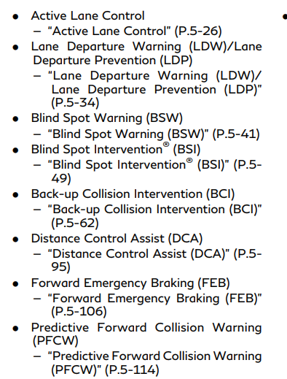
Interval | 500 ms
Sender | Vehicle |  |  |  |  |  |  |  |  | acronyms (unconfirmed)
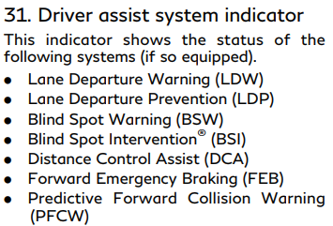
 |  |  |  |  |  |  |  |  |  | DCA
Byte | Bit 7 (8) | Bit 6 (4) | Bit 5 (2) | Bit 4 (1) | Bit 3 (8) | Bit 2 (4) | Bit 1 (2) | Bit 0 (1)
Byte 0 |  |  |  |  |  | UNAVAIL HIGH ACCEL TEMP DCA | UNAVAIL HIGH ACCEL TEMP BCI | UNAVAIL HIGH ACCEL TEMP FEB
Byte 1 | UNAVAIL CLEAN REAR CAM LDW | UNAVAIL CLEAN REAR CAM BSW | MALFUNCTION PFCW | MALFUNCTION LDW | MALFUNCTION BSW | UNAVAIL HIGH CABIN TEMP LDW | UNAVAIL HIGH CABIN TEMP LDP | UNAVAIL HIGH CABIN TEMP BSI
Byte 2 | UNAVAIL FRONT RADAR ICC | UNAVAIL FRONT RADAR PFCW | UNAVAIL FRONT RADAR DCA | UNAVAIL FRONT RADAR FEB | UNAVAIL SELECT DRIVING AIDS A | UNAVAIL SELECT DRIVING AIDS B | CURRENTLY UNAVAIL ICC A | CURRENTLY UNAVAIL ICC B
Byte 3 |  |  |  |  | UNAVAIL SIDE RADAR BSW | UNAVAIL SIDE RADAR BSI | UNAVAIL SIDE RADAR BCI
Byte 4 | MALFUNCTION DCA | MALFUNCTION LDP | MALFUNCTION BSI | MALFUNCTION FEB | MALFUNCTION BCI | SYSTEM OFF BCI

CAN ID | 0x4DF
Description
DLC | 8
Interval | 100 ms
Sender

Byte | Bit 7 (8) | Bit 6 (4) | Bit 5 (2) | Bit 4 (1) | Bit 3 (8) | Bit 2 (4) | Bit 1 (2) | Bit 0 (1)
Byte 0
Byte 1
Byte 2
Byte 3
Byte 4
Byte 5
Byte 6
Byte 7

CAN ID | 0x4F6
Description | Page Slot Prerequisite B
DLC | 8
Interval
Sender | Vehicle

Byte | Bit 7 (8) | Bit 6 (4) | Bit 5 (2) | Bit 4 (1) | Bit 3 (8) | Bit 2 (4) | Bit 1 (2) | Bit 0 (1)
Byte 0
Byte 1
Byte 2
Byte 3
Byte 4
Byte 5
Byte 6
Byte 7

CAN ID | 0x519
Description | Drive Mode Switch / Startup (raw)
DLC | 8
Interval
Sender | Vehicle

Byte | Bit 7 (8) | Bit 6 (4) | Bit 5 (2) | Bit 4 (1) | Bit 3 (8) | Bit 2 (4) | Bit 1 (2) | Bit 0 (1)
Byte 0 | STATE?
Byte 1
Byte 2
Byte 3
Byte 4
Byte 5
Byte 6
Byte 7

CAN ID | 0x51B
Description | Service Distance (wrong ID?)
DLC | 6
Interval
Sender | Vehicle

Byte | Bit 7 (8) | Bit 6 (4) | Bit 5 (2) | Bit 4 (1) | Bit 3 (8) | Bit 2 (4) | Bit 1 (2) | Bit 0 (1)
Byte 0
Byte 1
Byte 2
Byte 3
Byte 4 |  |  | SERVICE DISTANCE? ↓
Byte 5 | SERVICE DISTANCE? (×5 km)

CAN ID | 0x51C
Description | Page Slot Prerequisite A
DLC | 8
Interval
Sender | Vehicle

Byte | Bit 7 (8) | Bit 6 (4) | Bit 5 (2) | Bit 4 (1) | Bit 3 (8) | Bit 2 (4) | Bit 1 (2) | Bit 0 (1)
Byte 0
Byte 1
Byte 2
Byte 3
Byte 4
Byte 5
Byte 6
Byte 7

CAN ID | 0x544
Description | Vehicle Speed
DLC | 4
Interval
Sender | Vehicle

Byte | Bit 7 (8) | Bit 6 (4) | Bit 5 (2) | Bit 4 (1) | Bit 3 (8) | Bit 2 (4) | Bit 1 (2) | Bit 0 (1)
Byte 0 | VEHICLE SPEED KMH (km/h)
Byte 1
Byte 2
Byte 3

CAN ID | 0x54A
Description | HVAC 1
DLC | 8
Interval | 100 ms
Sender | Vehicle

Byte | Bit 7 (8) | Bit 6 (4) | Bit 5 (2) | Bit 4 (1) | Bit 3 (8) | Bit 2 (4) | Bit 1 (2) | Bit 0 (1)
Byte 0
Byte 1
Byte 2
Byte 3
Byte 4 | DRIVER TEMP
Byte 5 | PASSENGER TEMP
Byte 6
Byte 7

CAN ID | 0x54B |  |  |  |  |  |  |  |  | AIR_DIRECTION |  | BLOWER_SPEED
Description | HVAC 2 |  |  |  |  |  |  |  | 0b001 (1) | Upper | 0b0011 (3) | Level 1
DLC | 8 |  |  |  |  |  |  |  | 0b010 (2) | Upper + Lower | 0b0101 (5) | Level 2
Interval |  |  |  |  |  |  |  |  | 0b011 (3) | Lower | 0b0111 (7) | Level 3
Sender | Vehicle |  |  |  |  |  |  |  | 0b100 (4) | Defogger + Lower | 0b1001 (9) | Level 4
 |  |  |  |  |  |  |  |  | 0b101 (5) | Defogger | 0b1011 (11) | Level 5
Byte | Bit 7 (8) | Bit 6 (4) | Bit 5 (2) | Bit 4 (1) | Bit 3 (8) | Bit 2 (4) | Bit 1 (2) | Bit 0 (1) |  |  | 0b1101 (13) | Level 6
Byte 0 |  |  |  |  |  |  |  |  |  |  | 0b1111 (15) | Level 7
Byte 1
Byte 2 |  |  | AIR DIRECTION
Byte 3 |  | DUAL |  |  |  |  | RECIRCULATION
Byte 4 |  |  | BLOWER SPEED
Byte 5 |  | STEERING HEATER
Byte 6
Byte 7

CAN ID | 0x54C
Description | HVAC 3 (outside temperature)
DLC | 8
Interval
Sender | Vehicle

Byte | Bit 7 (8) | Bit 6 (4) | Bit 5 (2) | Bit 4 (1) | Bit 3 (8) | Bit 2 (4) | Bit 1 (2) | Bit 0 (1)
Byte 0 | TEMP B0 CAND?
Byte 1
Byte 2
Byte 3
Byte 4
Byte 5 |  | BLOWER OUTPUT
Byte 6 | OUTSIDE TEMP (×0.5 -41 degC)
Byte 7 | TEMP B7 CAND?

CAN ID | 0x54D
Description | HVAC 4 (seat heat)
DLC | 8
Interval
Sender | Vehicle

Byte | Bit 7 (8) | Bit 6 (4) | Bit 5 (2) | Bit 4 (1) | Bit 3 (8) | Bit 2 (4) | Bit 1 (2) | Bit 0 (1)
Byte 0
Byte 1 |  |  |  |  |  |  | DRIVER SEAT AUTO | PASSENGER SEAT AUTO
Byte 2
Byte 3
Byte 4
Byte 5 |  |  |  |  |  | DRIVER SEAT OFF | DRIVER SEAT LOW | DRIVER SEAT MID
Byte 6 | DRIVER SEAT HIGH |  |  |  |  | PASSENGER SEAT OFF | PASSENGER SEAT LOW | PASSENGER SEAT MID
Byte 7 | PASSENGER SEAT HIGH

CAN ID | 0x551 |  |  |  |  |  |  |  |  | CRUISE_ICON |  | ENGINE_STATE
Description | Engine (coolant / MIL / cruise) |  |  |  |  |  |  |  | 0b0000 (0) | None | 0b00 (0) | Off
DLC | 8 |  |  |  |  |  |  |  | 0b0001 (1) | Green up-arrow CC | 0b01 (1) | IG on, stopped
Interval | 100 ms |  |  |  |  |  |  |  | 0b0010 (2) | White up-arrow CC | 0b10 (2) | Running
Sender | Vehicle |  |  |  |  |  |  |  | 0b0011 (3) | Green up-arrow blink / no speed | 0b11 (3) | Cranking
 |  |  |  |  |  |  |  |  | 0b0100 (4) | Green speed-set CC
Byte | Bit 7 (8) | Bit 6 (4) | Bit 5 (2) | Bit 4 (1) | Bit 3 (8) | Bit 2 (4) | Bit 1 (2) | Bit 0 (1) | 0b0101 (5) | White speed-set CC
Byte 0 | COOLANT TEMP (-40 degC) |  |  |  |  |  |  |  | 0b0110 (6) | Green speed-set blink / no speed
Byte 1 | FUEL USAGE COUNTER |  |  |  |  |  |  |  | 0b1001 (9) | Green up-arrow, numeric speed blinking
Byte 2 |  |  |  |  |  |  |  |  | 0b1100 (12) | Green speed-set, numeric speed blinking
Byte 3 | IG READY | MIL FLASH | MIL SOLID
Byte 4 | CRUISE SET SPEED (mph)
Byte 5 | CRUISE ICON |  |  |  |  |  | ENGINE STATE
Byte 6 |  | ECO MODE
Byte 7

CAN ID | 0x553
Description | Oil Service
DLC | 6
Interval
Sender | Vehicle

Byte | Bit 7 (8) | Bit 6 (4) | Bit 5 (2) | Bit 4 (1) | Bit 3 (8) | Bit 2 (4) | Bit 1 (2) | Bit 0 (1)
Byte 0
Byte 1
Byte 2
Byte 3
Byte 4 |  |  | SERVICE DISTANCE ↓
Byte 5 | SERVICE DISTANCE (×5 km)

CAN ID | 0x56C |  |  |  |  |  |  |  |  | TRACE_SQUARE_LINES |  | DRIVE_MODE
Description | Chassis Control / Drive Mode |  |  |  |  |  |  |  | 0b00 (0) | None | 0b000 (0) | Standard
DLC | 6 |  |  |  |  |  |  |  | 0b01 (1) | 1 line | 0b001 (1) | Sport
Interval | 100 ms |  |  |  |  |  |  |  | 0b10 (2) | 2 lines | 0b010 (2) | Eco
Sender | Vehicle |  |  |  |  |  |  |  | 0b11 (3) | 3 lines | 0b011 (3) | Snow
 |  |  |  |  |  |  |  |  |  |  | 0b100 (4) | Personal
Byte | Bit 7 (8) | Bit 6 (4) | Bit 5 (2) | Bit 4 (1) | Bit 3 (8) | Bit 2 (4) | Bit 1 (2) | Bit 0 (1) |  |  | 0b101 (5) | Sport Plus
Byte 0 |  | TRACE BLUE SQUARES | TRACE SQUARE LINES |  |  |  | CHASSIS ERROR
Byte 1 |  | TRACE SADDLE CURVE | DRIVE MODE |  |  | QUAD BEEP | CONTINUOUS BEEP
Byte 2 |  | FL WHEEL HIGHLIGHT |  | FR WHEEL HIGHLIGHT |  | RL WHEEL HIGHLIGHT |  | RR WHEEL HIGHLIGHT
Byte 3
Byte 4
Byte 5 |  |  |  |  |  |  | COUNTER

CAN ID | 0x56E
Description | Telematics
DLC | 4
Interval | 100 ms
Sender | Vehicle |  |  |  |  |  |  |  |  | Baseline : 86 00 00 00

Byte | Bit 7 (8) | Bit 6 (4) | Bit 5 (2) | Bit 4 (1) | Bit 3 (8) | Bit 2 (4) | Bit 1 (2) | Bit 0 (1)
Byte 0 | UNKNOWN B0 7? | UNKNOWN B0 6? |  |  |  |  |  | UNLOCK CMD
Byte 1 | LOCK CMD
Byte 2
Byte 3

CAN ID | 0x580
Description | Engine 3
DLC | 8
Interval | 100 ms
Sender | Vehicle

Byte | Bit 7 (8) | Bit 6 (4) | Bit 5 (2) | Bit 4 (1) | Bit 3 (8) | Bit 2 (4) | Bit 1 (2) | Bit 0 (1)
Byte 0 | ENGINE TORQUE (×0.0625 Nm)
Byte 1
Byte 2 |  |  |  |  |  |  |  | LOW OIL PRESSURE
Byte 3 |  |  |  |  |  |  |  | LOOSE FUEL CAP
Byte 4 | OIL TEMP? (-40 degC)
Byte 5 |  | ECO LIGHT
Byte 6
Byte 7 |  |  | ENGINE RUNNING?

CAN ID | 0x5B0 |  |  |  |  |  |  |  |  | DRIVE_MODE_FLAGS
Description | Drive Mode |  |  |  |  |  |  |  | 0x01 (1) | Sport
DLC | 2 |  |  |  |  |  |  |  | 0x04 (4) | Standard
Interval |  |  |  |  |  |  |  |  | 0x10 (16) | Eco
Sender | Vehicle |  |  |  |  |  |  |  | 0x40 (64) | Snow

Byte | Bit 7 (8) | Bit 6 (4) | Bit 5 (2) | Bit 4 (1) | Bit 3 (8) | Bit 2 (4) | Bit 1 (2) | Bit 0 (1)
Byte 0 | DRIVE MODE FLAGS
Byte 1 | COUNTER

CAN ID | 0x5C5
Description | Cluster Status 4 (meter)
DLC | 8
Interval | 100 ms
Sender | Meter (cluster)

Byte | Bit 7 (8) | Bit 6 (4) | Bit 5 (2) | Bit 4 (1) | Bit 3 (8) | Bit 2 (4) | Bit 1 (2) | Bit 0 (1)
Byte 0 | METER OFF | METER ON | GAS LIGHT |  | LOW BRAKE FLUID | PARKING BRAKE | RUNNING?
Byte 1 | ODOMETER RAW
Byte 2
Byte 3
Byte 4
Byte 5
Byte 6
Byte 7

CAN ID | 0x5E4
Description | Power Steering
DLC | 3
Interval
Sender | Vehicle

Byte | Bit 7 (8) | Bit 6 (4) | Bit 5 (2) | Bit 4 (1) | Bit 3 (8) | Bit 2 (4) | Bit 1 (2) | Bit 0 (1)
Byte 0 |  |  |  |  |  | POWER STEERING WARNING
Byte 1
Byte 2

CAN ID | 0x60D |  |  |  |  |  |  |  |  | CHIMES
Description | BCM |  |  |  |  |  |  |  | 0b00000 (0) | None
DLC | 8 |  |  |  |  |  |  |  | 0b00001 (1) | Headlight reminder
Interval | 100 ms |  |  |  |  |  |  |  | 0b10000 (16) | Door open chime
Sender | Vehicle |  |  |  |  |  |  |  | 0b10010 (18) | Single short high-pitch beep
 |  |  |  |  |  |  |  |  | 0b10011 (19) | Periodic quad beep
Byte | Bit 7 (8) | Bit 6 (4) | Bit 5 (2) | Bit 4 (1) | Bit 3 (8) | Bit 2 (4) | Bit 1 (2) | Bit 0 (1) | 0b10101 (21) | Startup beep
Byte 0 | TRUNK | REAR PASSENGER DOOR | REAR DRIVER DOOR | PASSENGER DOOR | DRIVER DOOR | PARKING LIGHTS | HEADLIGHTS |  | 0b11000 (24) | Long constant beep
Byte 1 |  | RIGHT TURN | LEFT TURN |  | HIGH BEAM | IG RUN | ACC | FOG LIGHTS | 0b11001 (25) | Long constant beep (0x19)
Byte 2 |  |  |  | ALL DOORS LOCKED |  | REAR FOG
Byte 3 |  |  | CHIMES
Byte 4
Byte 5
Byte 6
Byte 7

CAN ID | 0x625 |  |  |  |  |  |  |  |  | START_STATE |  | AWAKE_STATE
Description | BCM / IPDM |  |  |  |  |  |  |  | 0b00 (0) | Normal | 0b01 (1) | Awake
DLC | 6 |  |  |  |  |  |  |  | 0b01 (1) | ? (1) | 0b10 (2) | Standby
Interval | 100 ms |  |  |  |  |  |  |  | 0b10 (2) | ? (2) |  |  |  | 0D -> 0E
Sender | Vehicle |  |  |  |  |  |  |  | 0b11 (3) | Cranking
 |  |  |  |  |  |  |  |  |  |  |  |  | acc | 0x3 wen cranking |  | wipers
Byte | Bit 7 (8) | Bit 6 (4) | Bit 5 (2) | Bit 4 (1) | Bit 3 (8) | Bit 2 (4) | Bit 1 (2) | Bit 0 (1) |  |  |  |  | byte 3 | 1D | high | 08-0a
Byte 0 |  |  | START STATE |  |  | WIPER LOW | WIPERS NOT AT TOP |  |  |  |  |  | byte0 5:4 |  | mid | 0x04-0x06
Byte 1 | AC COMPRESSOR OR FAN | PARKING LIGHTS | HEADLIGHT | HIGH BEAM | FOG LIGHTS |  |  |  |  |  |  |  | run |  | low
Byte 2
Byte 3 |  |  |  | IG RUN |  |  | AWAKE STATE?
Byte 4
Byte 5

CAN ID | 0x6E2
Description | Unresolved 0x6E2 (tach gate)
DLC | 8
Interval
Sender | Vehicle

Byte | Bit 7 (8) | Bit 6 (4) | Bit 5 (2) | Bit 4 (1) | Bit 3 (8) | Bit 2 (4) | Bit 1 (2) | Bit 0 (1)
Byte 0
Byte 1
Byte 2 |  |  |  |  |  | PAGE
Byte 3 | RPM DIV64 CAND?
Byte 4
Byte 5
Byte 6 |  | TACH ZERO FLAG
Byte 7

