A8
A3: Example of potential inconsistencies in CRyPTIC variants table
A7: Possible discrepancies in the CRyPTIC data formats

Variant labelling
Standard format (Variant position REF field corresponds to nucleotide in H37Rv annotation)
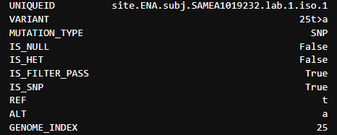

However, from genome positions 11875 onwards,there are a number of situations where the REF field doesn’t correspond to the H37Rv reference nucleotide in that position, but instead to its complement. For example, in genome position 11875, we have a REF of g, whereas position 11875 on the H37Rv genome as c.
In these situations, we interpret these as reads on the antisense, so this is read as corresponding to c>t SNP in the reference orientation

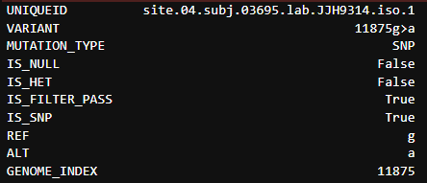

Pairwise distances

 | In a number of cases, pairwise distances seem incompatible with the distances to M. tb. For example the pairwise distance between two isolates is 117, but the distances of the isolates to M. tb are 95 and 621 respectively, which would suggest that the pairwise distance should be at least 526

