Algorithm Overview
Rasterization
OpenGL
1. Rasterization

Ray-Tracing
CUDA

2. Bounding Sphere Update

3. Ray Creation

4. Ray Sorting

5. Ray Hierarchy Creation

6. Ray Hierarchy Traversal

7. Final Intersection Tests

Ray Hashing
Bits 32-30
Bits 29-1

Light Index
Direction Spherical Coordinates

Bits 32-11
Bits 10-1

Origin
Direction Spherical Coordinates

Ray Trimming
1
Ray Keys Array
1
5
5
8
8

Ray Values Array
0
1
3
5
7
8

0
Head Flags Array
0
1
0
1
0
1
0
0
1

Inclusive Scan (Head Flags Array)

Scan Output Array
0
0
1
1
2
2
3
3
3
4

Trim

1
Ray Keys Array
1
5
5
8
8

Ray Values Array
0
1
3
5
7
8

Sorting Overview
0
Indexed Ray Array
1
2
3
4
5
6
7
8
9

Compression

0
3
Chunk Base Array
7
8

Chunk Size Array
3
4
1
2

Sorting

0
3
Chunk Base Array
7
8

Chunk Size Array
3
1
2
4

Decompression

0
4
6
Indexed Ray Array
1
2
7
8
9
3
5
13

Ray Compression
0
Ray Values Array
1
2
3
4
5
6
7
8
9

Calculate Head Flags

1
Head Flags Array
0
0
1
0
0
0
1
1
0

Inclusive Scan (Head Flags Array)

Scan Output Array
0
1
1
1
2
2
2
2
3
4

Calculate Chunks

0
3
Chunk Base Array
7
8

Chunk Size Array
3
4
1
2

Ray Decompression
0
Indexed Ray Array
1
2
3
4
5
6
7
8
9

0
3
Chunk Base Array
7
8

Chunk Size Array
3
1
2
4

Calculate Skeleton

3
Skeleton Array
1
2
4

Exclusive Scan(Skeleton Array)

Scan Output Array
0
3
4
6

Calculate Sorted Rays

0
4
6
Indexed Ray Array
1
2
7
8
9
3
5

Cone-Ray Union
Bounding Cone
Level 1
 | Y Axis

Bounding Cone
Level 2
c

Bounding Cone
Level 3

Z Axis

Ray Hierarchy
Bounding Cone
Level 1
 | Y Axis

Bounding Cone
Level 2
c

Bounding Cone
Level 3

Z Axis

Hashing Area
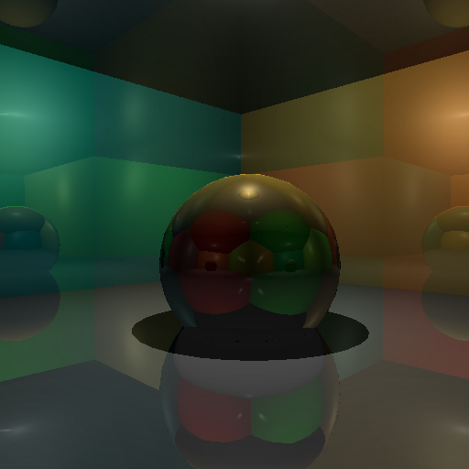

Secondary Rays
Shadow Ray

Inciding Ray

Refracted Ray

Reflected Ray

Bounding Sphere
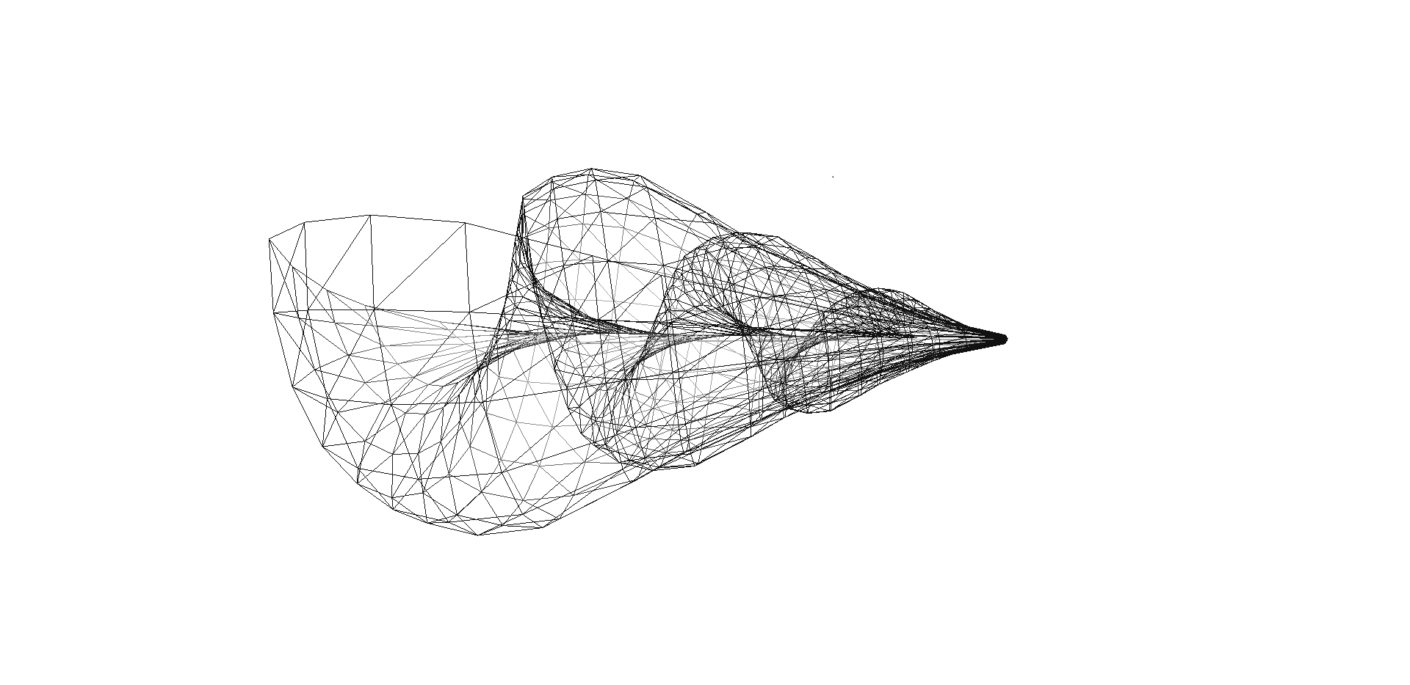

Barycentric Coordinates
Vertex A

Hit Point

Vertex C

Vertex B

Configuration Graphs
N8 D2
RAH Office | Our Office | RAH Cornell | Our Cornell | RAH Sponza | Our Sponza
469683524 | 170070948 | 72869648 | 53578192 | 632408864 | 405619896
63.79% |  | 26.47% |  | 35.86%

N8 D3
RAH Office | Our Office | RAH Cornell | Our Cornell | RAH Sponza | Our Sponza
476048680 | 194343972 | 73570704 | 55670084 | 610873884 | 188739948
59.18% |  | 24.33% |  | 69.10%

N8 D4
RAH Office | Our Office | RAH Cornell | Our Cornell | RAH Sponza | Our Sponza
477172968 | 202456062 | 73666344 | 55984296 | 609161054 | 165071990
57.57% |  | 24.00% |  | 72.90%

N16 D2
RAH Office | Our Office | RAH Cornell | Our Cornell | RAH Sponza | Our Sponza
668798684 | 234276846 | 86962160 | 60443016 | 781756694 | 260386246
64.97% |  | 30.50% |  | 66.69%

N16 D3
RAH Office | Our Office | RAH Cornell | Our Cornell | RAH Sponza | Our Sponza
671376552 | 251173986 | 87121952 | 61318064 | 786275294 | 218842238
62.59% |  | 29.62% |  | 72.17%

N16 D4
RAH Office | Our Office | RAH Cornell | Our Cornell | RAH Sponza | Our Sponza
671594400 | 252175344 | 87134624 | 61341536 | 786607544 | 219174488
62.45% |  | 29.60% |  | 72.14%

Configuration Comparison Graphs
Comparison N8 D2 to N8 D3
Shadows Office N8 D2 | Shadows Office N8 D3 | Shadows Cornell N8 D2 | Shadows Cornell N8 D3 | Reflections Cornell N8 D2 | Reflections Cornell N8 D3 | Shadows Sponza N8 D2 | Shadows Sponza N8 D3
12.49% | 0.27% | 0.46% | 0.03% | 4.90% | 0.49% | -114.91% | -1.27%
1.86% | 2.13% | 7.45% | 7.49% | 9.46% | 9.95% | 2.38% | 1.11%

Comparison N8 D2 to N8 D4
Shadows Office N8 D2 | Shadows Office N8 D4 | Shadows Cornell N8 D2 | Shadows Cornell N8 D4 | Reflections Cornell N8 D2 | Reflections Cornell N8 D4 | Shadows Sponza N8 D2 | Shadows Sponza N8 D4
16.00% | 0.35% | 0.57% | 0.04% | 5.59% | 0.56% | -145.72% | -1.41%
1.86% | 2.22% | 7.45% | 7.49% | 9.46% | 10.02% | 2.38% | 0.97%

Comparison N8 D2 to N16 D2
Shadows Office N8 D2 | Shadows Office N16 D2 | Shadows Cornell N8 D2 | Shadows Cornell N16 D2 | Reflections Cornell N8 D2 | Reflections Cornell N16 D2 | Shadows Sponza N8 D2 | Shadows Sponza N16 D2
27.41% | 0.70% | 1.66% | 0.13% | 14.43% | 1.60% | -55.78% | -0.85%
1.86% | 2.57% | 7.45% | 7.58% | 9.46% | 11.06% | 2.38% | 1.53%

Comparison N8 D2 to N16 D3
Shadows Office N8 D2 | Shadows Office N16 D3 | Shadows Cornell N8 D2 | Shadows Cornell N16 D3 | Reflections Cornell N8 D2 | Reflections Cornell N16 D3 | Shadows Sponza N8 D2 | Shadows Sponza N16 D3
32.29% | 0.89% | 2.54% | 0.19% | 15.79% | 1.77% | -85.35% | -1.09%
1.86% | 2.75% | 7.45% | 7.65% | 9.46% | 11.24% | 2.38% | 1.28%

Comparison N8 D2 to N16 D4
Shadows Office N8 D2 | Shadows Office N16 D4 | Shadows Cornell N8 D2 | Shadows Cornell N16 D4 | Reflections Cornell N8 D2 | Reflections Cornell N16 D4 | Shadows Sponza N8 D2 | Shadows Sponza N16 D4
32.56% | 0.90% | 2.65% | 0.20% | 15.80% | 1.78% | -85.07% | -1.09%
1.86% | 2.76% | 7.45% | 7.66% | 9.46% | 11.24% | 2.38% | 1.28%

Shadows Office N8 D3 | 0.27%
Shadows Cornell N8 D3 | 0.03%
Reflections Cornell N8 D3 | 0.49%
Shadows Sponza N8 D3 | -1.27%
Shadows Office N8 D4 | 0.35%
Shadows Cornell N8 D4 | 0.04%
Reflections Cornell N8 D4 | 0.56%
Shadows Sponza N8 D4 | -1.41%

Shadows Office N16 D2 | 0.70%
Shadows Cornell N16 D2 | 0.13%
Reflections Cornell N16 D2 | 1.60%
Shadows Sponza N16 D2 | -0.85%
Shadows Office N16 D3 | 0.89%
Shadows Cornell N16 D3 | 0.19%
Reflections Cornell N16 D3 | 1.77%
Shadows Sponza N16 D3 | -1.09%

Shadows Office N16 D4 | 0.90%
Shadows Cornell N16 D4 | 0.20%
Reflections Cornell N16 D4 | 1.78%
Shadows Sponza N16 D4 | -1.09%

