Figure 1.
Rasterization
OpenGL
1. Rasterization

Ray-Tracing
CUDA
2. Ray Sorting

3. Ray Hierarchy Creation

4. Ray Hierarchy Traversal

5. Local Intersection Tests

Figure 2.
Rasterization
Overview
1.1. Rasterization

Output

Ray Origin Texture
Reflection Direction Texture
Refraction Direction Texture

Figure 3.
Ray-Sorting
Overview
2.1. Ray Indexing

2.2. Ray Compression

2.3. Ray Sorting (Radix Sort)

2.4. Ray Decompression

Figure 4.
Ray-Hierarchy Creation
Overview
3.1. Bottom Level Node Creation

3.2. N-Level Node Creation

Figure 5.
Ray-Hierarchy Traversal
Overview
4.1. N-Level Intersection Tests

4.2. Intersection Results Prunning

Figure 6.
Local Intersection Tests
Overview
5.1. Local Intersection Tests

5.2. N-Level Secondary Ray Creation

Figure 7.
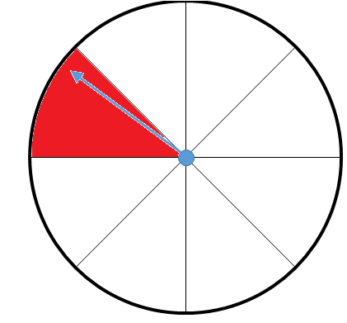

0
1

7
2

6
3

5
4

Figure 9.
0
Indexed Ray Array
1
2
3
4
5
6
7
8
9
10
11
12
13
14
15
16
17
18
19

Compression

0
3
Chunk Base Array
7
8
10
13
17

Chunk Size Array
3
4
1
2
3
4
3

Sorting

0
3
Chunk Base Array
7
8
17
13
10

Chunk Size Array
3
1
2
3
4
4
3

Decompression

0
4
6
Indexed Ray Array
1
2
7
8
9
17
18
19
3
5
13
14
15
16
10
11
12

Figure 10.
0
Indexed Ray Array
1
2
3
4
5
6
7
8
9
10
11
12
13
14
15
16
17
18
19

Calculate Head Flags

1
Head Flags Array
0
0
1
0
0
0
1
1
0
1
0
0
1
0
0
0
1
0
0

Exclusive Scan (Head Flags Array)

Scan Output Array
0
1
1
1
2
2
2
2
3
4
4
5
5
5
6
6
6
6
7
7

Calculate Chunks (Head Flags Array, Scan Output Array)

0
3
Chunk Base Array
7
8
10
13
17

Chunk Size Array
3
4
1
2
3
4
3

Figure 11.
0
Indexed Ray Array
1
2
3
4
5
6
7
8
9
10
11
12
13
14
15
16
17
18
19

0
3
Chunk Base Array
7
8
17
13
10

Chunk Size Array
3
1
2
3
4
4
3

Exclusive Scan (Chunk Size Array)

Scan Output Array
0
3
4
6
9
13
17

0
Skeleton Array
1
1
7
8
1
17
1
1
3
1
1
1
13
1
1
1
10
1
1
1
Head Flags Array
0
0
1
1
0
1
0
0
1
0
0
0
1
0
0
0
1
0
0

Inclusive Segmented Scan (Skeleton Array, Head Flags Array)

0
4
6
Indexed Ray Array
1
2
7
8
9
17
18
19
3
5
13
14
15
16
10
11
12

