Figure 1.
Rasterization
OpenGL
1. Rasterization

Ray-Tracing
CUDA

1. Bounding Box Update

2. Ray Creation

2. Ray Sorting

3. Ray Hierarchy Creation

4. Ray Hierarchy Traversal

5. Local Intersection Tests

Figure 2.
Rasterization
Overview
1.1. Rasterization

Output

Ray Origin Texture
Reflection Direction Texture
Refraction Direction Texture

Figure 3.
Ray-Sorting
Overview
2.1. Ray Indexing

2.2. Ray Compression

2.3. Ray Sorting (Radix Sort)

2.4. Ray Decompression

Figure 4.
Ray-Hierarchy Creation
Overview
3.1. Bottom Level Node Creation

3.2. N-Level Node Creation

Figure 5.
Ray-Hierarchy Traversal
Overview
4.1. N-Level Intersection Tests

4.2. Intersection Results Prunning

Figure 6.
Local Intersection Tests
Overview
5.1. Local Intersection Tests

5.2. N-Level Secondary Ray Creation

Figure 7.
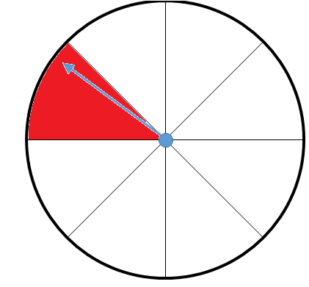

0
1

7
2

6
3

5
4

Figure 9.
0
Indexed Ray Array
1
2
3
4
5
6
7
8
9
10
11
12
13
14
15
16
17
18
19

Compression

0
3
Chunk Base Array
7
8
10
13
17

Chunk Size Array
3
4
1
2
3
4
3

Sorting

0
3
Chunk Base Array
7
8
17
13
10

Chunk Size Array
3
1
2
3
4
4
3

Decompression

0
4
6
Indexed Ray Array
1
2
7
8
9
17
18
19
3
5
13
14
15
16
10
11
12

Figure 10.
0
Indexed Ray Array
1
2
3
4
5
6
7
8
9
10
11
12
13
14
15
16
17
18
19

Calculate Head Flags

1
Head Flags Array
0
0
1
0
0
0
1
1
0
1
0
0
1
0
0
0
1
0
0

Exclusive Scan (Head Flags Array)

Scan Output Array
0
1
1
1
2
2
2
2
3
4
4
5
5
5
6
6
6
6
7
7

Calculate Chunks (Head Flags Array, Scan Output Array)

0
3
Chunk Base Array
7
8
10
13
17

Chunk Size Array
3
4
1
2
3
4
3

Figure 11.
0
Indexed Ray Array
1
2
3
4
5
6
7
8
9
10
11
12
13
14
15
16
17
18
19

0
3
Chunk Base Array
7
8
17
13
10

Chunk Size Array
3
1
2
3
4
4
3

Exclusive Scan (Chunk Size Array)

Scan Output Array
0
3
4
6
9
13
17

0
Skeleton Array
1
1
7
8
1
17
1
1
3
1
1
1
13
1
1
1
10
1
1
1
Head Flags Array
0
0
1
1
0
1
0
0
1
0
0
0
1
0
0
0
1
0
0

Inclusive Segmented Scan (Skeleton Array, Head Flags Array)

0
4
6
Indexed Ray Array
1
2
7
8
9
17
18
19
3
5
13
14
15
16
10
11
12

Figure 12.
Bounding Sphere
Level 3
 | Y Axis

Bounding Sphere
Level 1

Bounding Sphere
Level 2

X Axis

Figure 13.
Bounding Cone
Level 1
 | Y Axis

Bounding Cone
Level 2
c

Bounding Cone
Level 3

Z Axis

Figure 14.
474
120
501
120

501
501
120
153

569
153
323
323

153
323
153
474

323
474
569
501

120
569
474
569

Unsorted Array
Step 0
Unsorted Array
Step 1
Unsorted Array
Step 2
Sorted Array
Step 3

Figure 15.
Ambient Occlusion Hemisphere
Intersected Point Normal
Intersected Point
Object

Figure 16.
Shadow Ray Area
Light Source
Intersected Point
Object

Figure 17.
Intersection Results
0
1
2
3
4
5
6
7
8
9
10

Prefix Sum Scan & Dychotomic Search

0
Local Reduction Results
1
2
3
4
5
6
7
8
9
10

Prefix Sum Scan & Line Drawing

0
Global Reduction Results
1
2
3
4
5
6
7
8
9
10

