Line
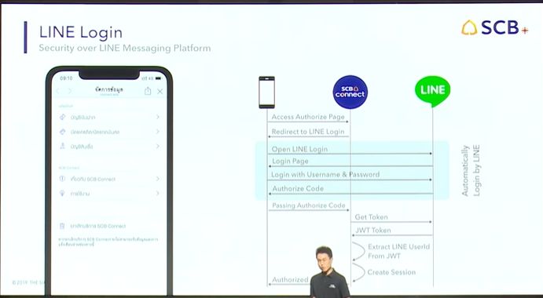
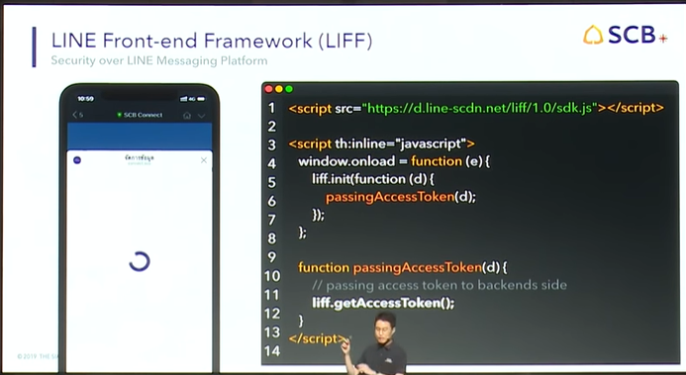
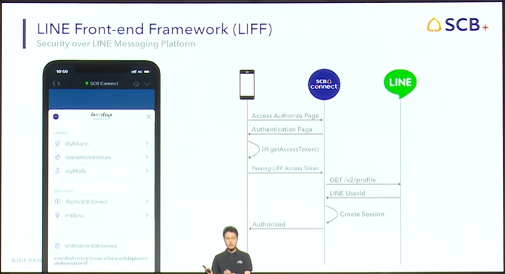
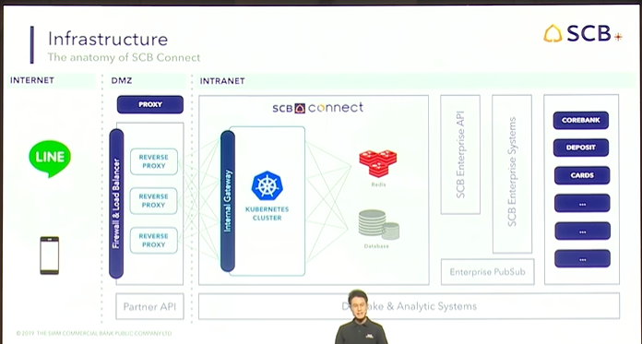
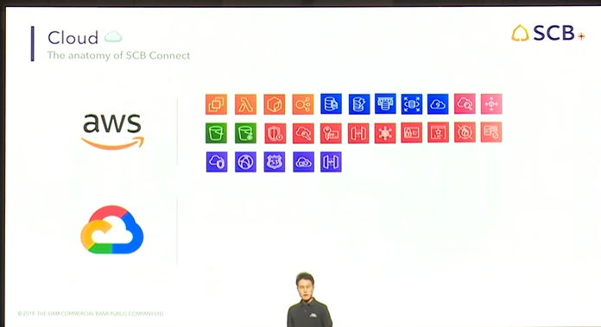
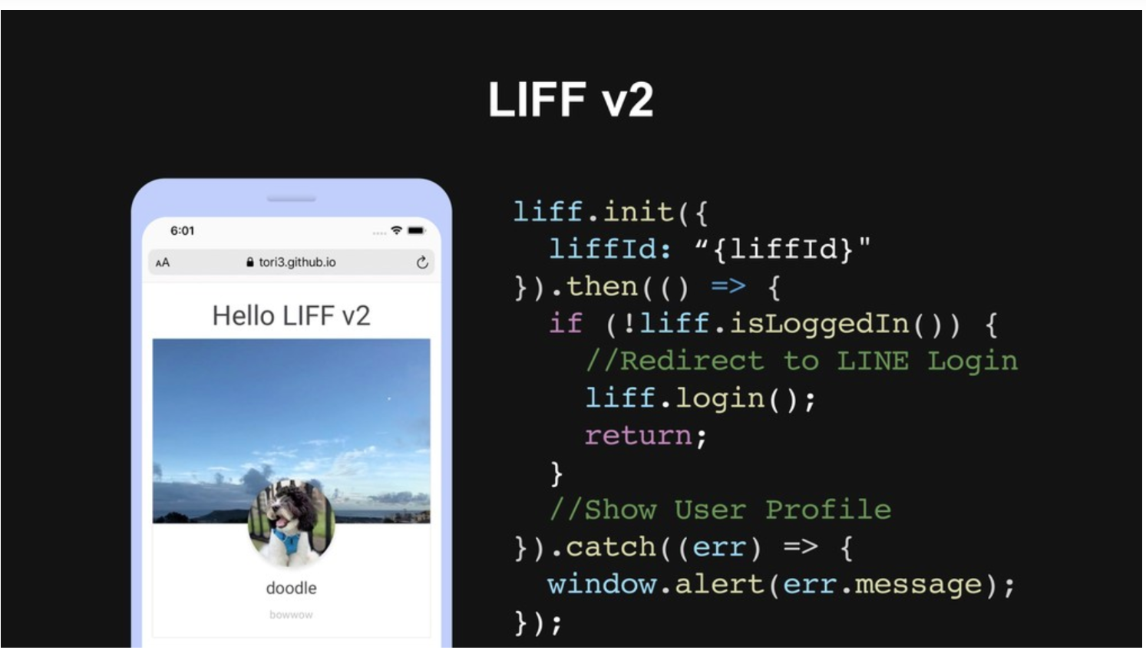
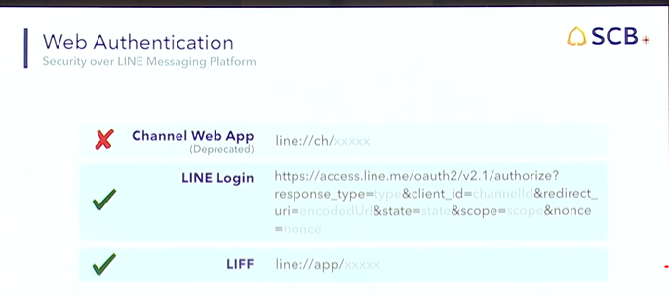
NO | item | Detail
1 | login
2 | journal line | https://ieeexplore.ieee.org/document/8683141/metrics#metrics
3 | Sound Line | https://medium.com/linedevth/line-developer-day-2019-speech-source-separation-5f71c8161759?
4 | เทคนิคการสร้าง Universal Link ให้เปิดได้ทั้ง LIFF URL และ Web URL โดยไม่ต้องพึ่งเครื่องมือ | https://medium.com/linedevth/%E0%B9%80%E0%B8%97%E0%B8%84%E0%B8%99%E0%B8%B4%E0%B8%84%E0%B8%81%E0%B8%B2%E0%B8%A3%E0%B8%AA%E0%B8%A3%E0%B9%89%E0%B8%B2%E0%B8%87-universal-link-%E0%B9%83%E0%B8%AB%E0%B9%89%E0%B9%80%E0%B8%9B%E0%B8%B4%E0%B8%94%E0%B9%84%E0%B8%94%E0%B9%89%E0%B8%97%E0%B8%B1%E0%B9%89%E0%B8%87-liff-url-%E0%B9%81%E0%B8%A5%E0%B8%B0-web-url-%E0%B9%82%E0%B8%94%E0%B8%A2%E0%B9%84%E0%B8%A1%E0%B9%88%E0%B8%95%E0%B9%89%E0%B8%AD%E0%B8%87%E0%B8%9E%E0%B8%B6%E0%B9%88%E0%B8%87%E0%B9%80%E0%B8%84%E0%B8%A3%E0%B8%B7%E0%B9%88%E0%B8%AD%E0%B8%87%E0%B8%A1%E0%B8%B7%E0%B8%AD-7bf17a435339
5 | Firebase | https://medium.com/firebasethailand/%E0%B8%A3%E0%B8%B9%E0%B9%89%E0%B8%88%E0%B8%B1%E0%B8%81-firebase-hosting-%E0%B8%95%E0%B8%B1%E0%B9%89%E0%B8%87%E0%B9%81%E0%B8%95%E0%B9%88-zero-%E0%B8%88%E0%B8%99%E0%B9%80%E0%B8%9B%E0%B9%87%E0%B8%99-hero-1f999edfe8ea
6 | Create Line | https://developer.line.biz/en

Heroku
NO | item | Detail
1 | Heroku1 | https://medium.com/@prisan6046/%E0%B8%A1%E0%B8%B2%E0%B9%83%E0%B8%8A%E0%B9%89-heroku-%E0%B9%80%E0%B8%9E%E0%B8%B7%E0%B9%88%E0%B8%AD%E0%B8%AA%E0%B8%A3%E0%B9%89%E0%B8%B2%E0%B8%87%E0%B8%A3%E0%B8%B0%E0%B8%9A%E0%B8%9A%E0%B8%81%E0%B8%B1%E0%B8%99%E0%B9%80%E0%B8%96%E0%B8%AD%E0%B8%B0-1d8dd8747d1
2 | Heroku2 | https://medium.com/@prisan6046/%E0%B8%A1%E0%B8%B2%E0%B8%95%E0%B8%B1%E0%B9%89%E0%B8%87%E0%B8%84%E0%B9%88%E0%B8%B2-computer-%E0%B9%80%E0%B8%A3%E0%B8%B2%E0%B8%81%E0%B8%B1%E0%B8%9A-heroku-%E0%B8%81%E0%B8%B1%E0%B8%99-df35b58a484d?
3 | Heroku2 | heroku login
4 | git | git init
5 | project remote ที่ git project | heroku git:remote -a ชื่อ project name
6 | เลือก file ทั้งหมดในโปรเจคเรา | git add .
7 | URL Deploy | https://devcenter.heroku.com/articles/git
8 | The following example demonstrates initializing a Git repository for an app that lives in the myapp directory: | $cd myapp $git init Initialized empty Git repository in .git/ $git add . $git commit -m "My first commit" Created initial commit 5df2d09: My first commit 44 files changed, 8393 insertions(+), 0 deletions(-) create mode 100644 README create mode 100644 Procfile create mode 100644 app/controllers/source_file | 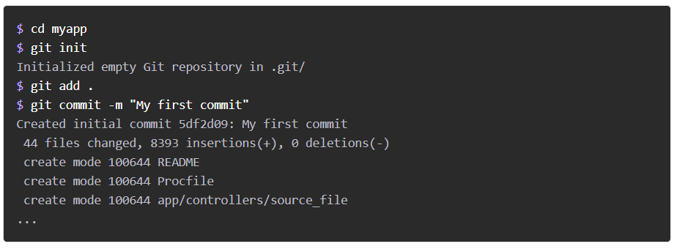
9 | the empty Heroku Git repository is automatically set as a remote for your local repository. | heroku createe
10 | You can use the git remote command to confirm that a remote named heroku has been set for your app: | git remote -v heroku https://git.heroku.com/retailchat.git (fetch) heroku https://git.heroku.com/retailchat.git (push)
11 | If you have already created your Heroku app, you can easily add a remote to your local repository with the heroku git:remote command. All you need is your Heroku app’s name: | heroku git:remote -a retailchat
12 | https | https://peaceful-crag-44301.herokuapp.com https://git.heroku.com/peaceful-crag-44301.git
13 | Renaming remotes | git remote rename heroku heroku-staging
15 | To deploy your app to Heroku, you typically use the git push command to push the code from your local repository’s master branch to your heroku remote, like so: | git push heroku master
16 | Deploying from a branch besides master | git push heroku testbranch:master

Liff
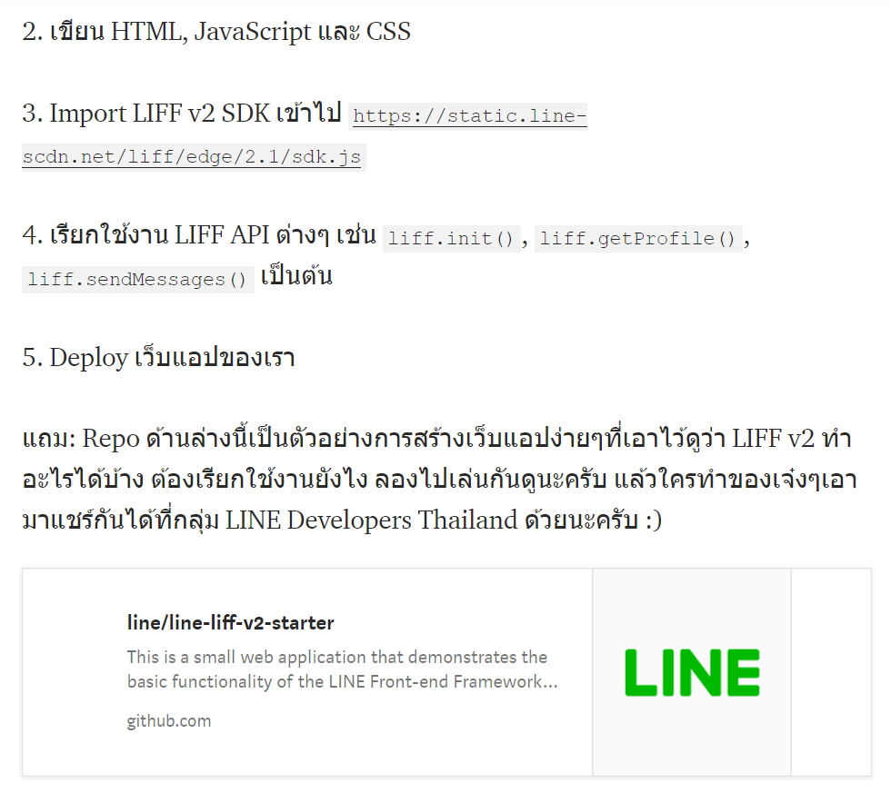
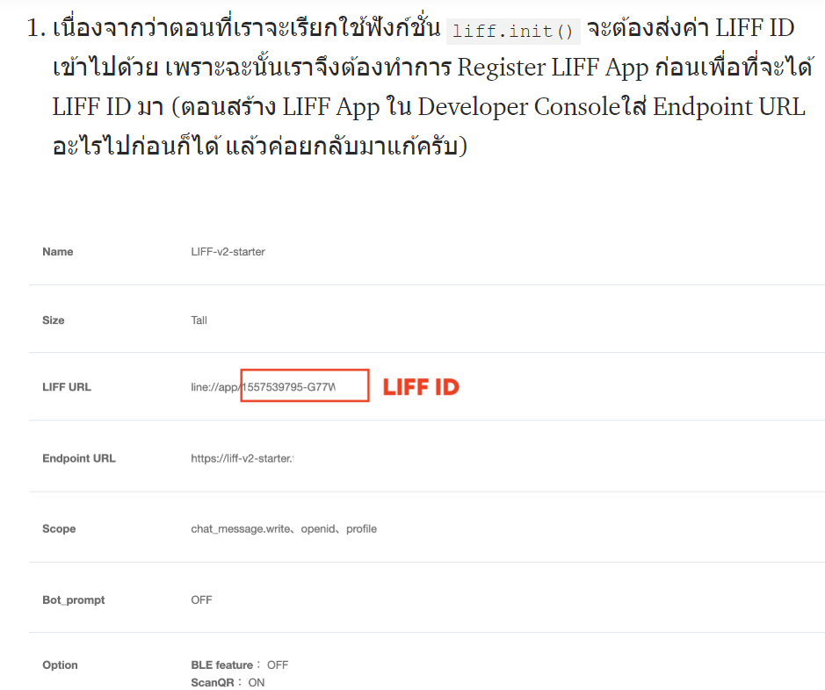
NO | item | Detail
1 | liff | https://medium.com/linedevth/liff-v2-release-85fdfb678cc6
2 | liff | liff.getOS() ผู้ใช้ที่เปิด LIFF ของเราขึ้นมาเค้าใช้ OS อะไร? liff.getLanguage() ดูค่า Setting ของผู้ใช้ว่าเค้าใช้ภาษาอะไร? (ในแอป LINE) liff.isInClient() ผู้ใช้เปิด LIFF จากในแอป LINE หรือไม่? liff.isLoggedIn() ผู้ใช้ทำการ Login แล้วหรือยัง?
3 | liff | สำหรับมือใหม่หัด LIFF! ผมขอแนะนำวิธีการคร่าวๆตามนี้นะครับ 1.เนื่องจากว่าตอนที่เราจะเรียกใช้ฟังก์ชั่น liff.init() จะต้องส่งค่า LIFF ID เข้าไปด้วย เพราะฉะนั้นเราจึงต้องทำการ Register LIFF App ก่อนเพื่อที่จะได้ LIFF ID มา (ตอนสร้าง LIFF App ใน Developer Consoleใส่ Endpoint URL อะไรไปก่อนก็ได้ แล้วค่อยกลับมาแก้ครับ)
4 | liff | https://github.com/kamnan43/react-liff-boilerplate
4 | เฉลยวิธีการดึง Email ของผู้ใช้ใน LIFF v2 | https://medium.com/linedevth/%E0%B9%80%E0%B8%89%E0%B8%A5%E0%B8%A2%E0%B8%A7%E0%B8%B4%E0%B8%98%E0%B8%B5%E0%B8%81%E0%B8%B2%E0%B8%A3%E0%B8%94%E0%B8%B6%E0%B8%87-email-%E0%B8%82%E0%B8%AD%E0%B8%87%E0%B8%9C%E0%B8%B9%E0%B9%89%E0%B9%83%E0%B8%8A%E0%B9%89%E0%B9%83%E0%B8%99-liff-v2-93ce9b944b57?
5 | webhook | https://bots.dialogflow.com/line/a4878b8e-b821-469f-bc5d-b76e3f322935/webhook
6

