Folha1
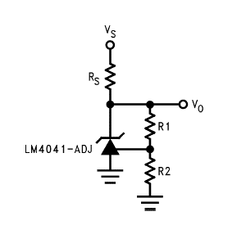
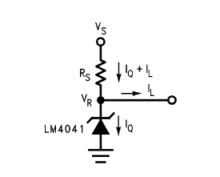
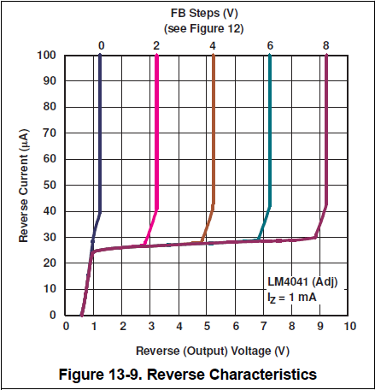
 | Select R1 and R2 to get VO. Also get IR (V divider) and IL (load). |  |  |  | With IQ (0.1mA ≤ lQ ≤ 1mA) and VS, get Rs and Itotal. |  |  |  |  | Vref correction.
5V in, 2.5V out | Vref (V) | 1.230466 | VO (V) | 2.4911893607 | IQ (A) | 0.00105 | Rs (ohm) | 522.46069118 | 523 | VY (V)* | 1.233
 | R1 (ohm) | 976 | VO error (mV) | -8.8106393443 |  |  | PD (W) | 0.0026157488287 |  | ΔVREF/ΔVO) (V/V)* | -0.002
 | R2 (ohm) | 1000 | IR (A) | 0.0012607233607 | VS (V) | 5 |  |  |  | Desired VO (V)* | 2.5
 |  |  |  |  |  |  |  |  |  | ΔVO (V) | 1.267
 | RL (ohm) | 1000 | IL (A) | 0.0024911893607 | Itotal (A) | 0.0048019127213 |  |  |  | Vref (V) | 1.230466

9V in, 4.5V out | Vref (V) | 1.226466 | VO (V) | 4.5057868556 | IQ (A) | 0.00105 | Rs (ohm) | 682.78134847 | 681 | VY (V)* | 1.233
 | R1 (ohm) | 374 | VO error (mV) | 5.786855615 |  |  | PD (W) | 0.0047310761984 |  | ΔVREF/ΔVO) (V/V)* | -0.002
 | R2 (ohm) | 1000 | IR (A) | 0.0032793208556 | VS (V) | 9 |  |  |  | Desired VO (V)* | 4.5
 |  |  |  |  |  |  |  |  |  | ΔVO (V) | 3.267
 | RL (ohm) | 2000 | IL (A) | 0.0022528934278 | Itotal (A) | 0.0065822142834 |  |  |  | Vref (V) | 1.226466
 | OK |  |  |  |  |  |  |  |  | OK

 |  |  |  |  |  |  |  |  |  |  |  | *See LM4041 ADJ datasheet.

