Sheet1
PT. TMMIN |  |  |  | SHEET KONFIRMASI KUALITAS MOULDING |  |  |  |  |  |  |  |  |  |  |  |  |  |  |  |  |  |  |  |  |  |  |  |  |  |  |  |  | Tanggal |  | :
EPSD DIVISION |  |  |  |  |  |  |  |  |  |  |  |  |  |  |  |  |  |  |  |  |  |  |  |  |  |  |  |  |  |  |  |  | Shift |  | :
CASTING DEPARTMENT |  |  |  |  |  |  |  |  |  |  |  |  |  |  |  |  |  |  |  |  |  |  |  |  |  |  |  |  |  |  |  |  | P.I.C |  | :

No | ITEM |  | LOT |  | OPERATOR |  |  |  | No | ITEM | LOT | OPERATOR |  |  |  | No | ITEM | LOT | OPERATOR |  |  |  | No | ITEM | LOT | OPERATOR |  |  |  | No | ITEM | LOT |  | OPERATOR
 |  |  |  |  | Moulding | V. Check | Cor. Set | Sand P. |  |  |  | Moulding | V. Check | Cor. Set | Sand P. |  |  |  | Moulding | V. Check | Cor. Set | Sand P. |  |  |  | Moulding | V. Check | Cor. Set | Sand P. |  |  |  |  | Moulding | V. Check | Cor. Set | Sand P.
1 |  |  |  |  |  |  |  |  | 13 |  |  |  |  |  |  | 25 |  |  |  |  |  |  | 37 |  |  |  |  |  |  | 49
2 |  |  |  |  |  |  |  |  | 14 |  |  |  |  |  |  | 26 |  |  |  |  |  |  | 38 |  |  |  |  |  |  | 50
3 |  |  |  |  |  |  |  |  | 15 |  |  |  |  |  |  | 27 |  |  |  |  |  |  | 39 |  |  |  |  |  |  | 51
4 |  |  |  |  |  |  |  |  | 16 |  |  |  |  |  |  | 28 |  |  |  |  |  |  | 40 |  |  |  |  |  |  | 52
5 |  |  |  |  |  |  |  |  | 17 |  |  |  |  |  |  | 29 |  |  |  |  |  |  | 41 |  |  |  |  |  |  | 53
6 |  |  |  |  |  |  |  |  | 18 |  |  |  |  |  |  | 30 |  |  |  |  |  |  | 42 |  |  |  |  |  |  | 54
7 |  |  |  |  |  |  |  |  | 19 |  |  |  |  |  |  | 31 |  |  |  |  |  |  | 43 |  |  |  |  |  |  | 55
8 |  |  |  |  |  |  |  |  | 20 |  |  |  |  |  |  | 32 |  |  |  |  |  |  | 44 |  |  |  |  |  |  | 56
9 |  |  |  |  |  |  |  |  | 21 |  |  |  |  |  |  | 33 |  |  |  |  |  |  | 45 |  |  |  |  |  |  | 57
10 |  |  |  |  |  |  |  |  | 22 |  |  |  |  |  |  | 34 |  |  |  |  |  |  | 46 |  |  |  |  |  |  | 58
11 |  |  |  |  |  |  |  |  | 23 |  |  |  |  |  |  | 35 |  |  |  |  |  |  | 47 |  |  |  |  |  |  | 59
12 |  |  |  |  |  |  |  |  | 24 |  |  |  |  |  |  | 36 |  |  |  |  |  |  | 48 |  |  |  |  |  |  | 60

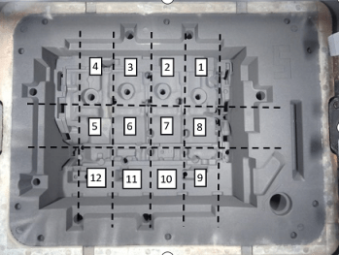
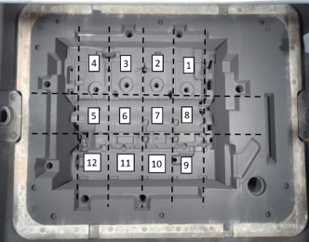
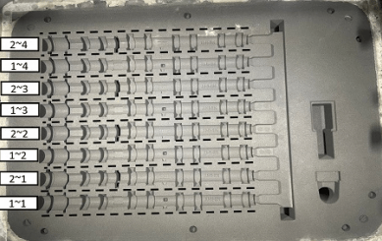
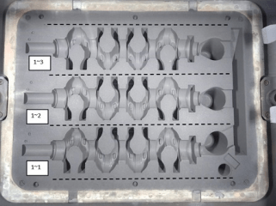
1TR |  |  |  |  | COPE |  |  | 2TR |  |  | COPE |  | CAM'S KAI |  |  |  | COPE |  | CRANK |  |  | COPE |  |  |  |  | Puoring Date Lepas
 |  |  |  |  |  |  |  |  |  |  |  |  |  |  |  |  |  |  |  |  |  |  |  |  |  |  | type | flask | flask

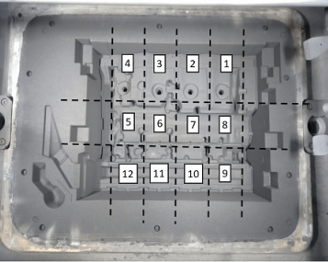
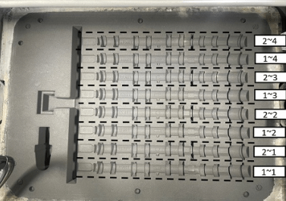
1TR |  |  |  |  | DRAG |  |  | 2TR |  |  | DRAG |  | CAM'S KAI |  |  |  | DRAG |  | CRANK |  |  | DRAG
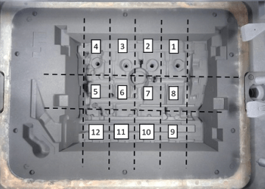
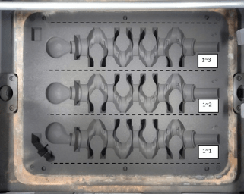

Product Type |  | Lot | Flask | No Cavity / Zone |  | Defect
 |  |  |  |  |  |  |  |  |  |  |  |  |  |  |  |  |  |  |  |  |  |  |  |  |  |  |  | Red | White
 |  |  |  |  |  |  |  |  |  |  |  |  |  |  |  |  |  |  |  |  |  |  |  |  |  |  | GH
 |  |  |  |  |  |  |  |  |  |  |  |  |  |  |  |  |  |  |  |  |  |  |  |  |  |  | LH
 |  |  |  |  |  |  |  |  |  |  |  |  |  |  |  |  |  |  |  |  |  |  |  |  |  |  | SH

