Moulding-1
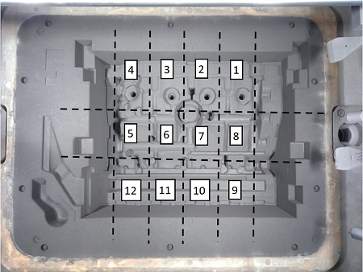
 | 1TR |  |  |  |  | COPE |  |  |  |  |  | DRAG
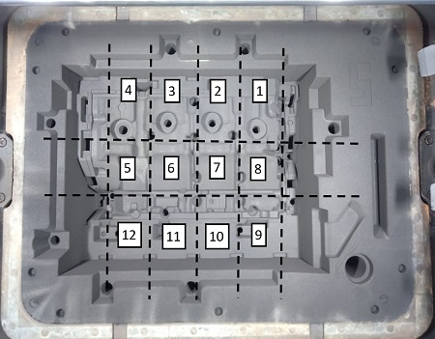

Product ID | Production Date | Shift | Moulding MP | V/C MP | Sand MP | Core Setting MP | Lot No | Flask No | Die No | Area | Zone | Defect Type | Final Judgement | Henkaten Group | Henkaten Item

Moulding-2
 | 2TR |  |  |  |  | COPE |  |  |  |  |  | DRAG
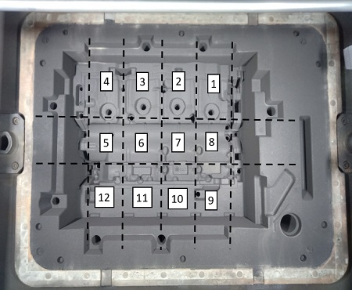
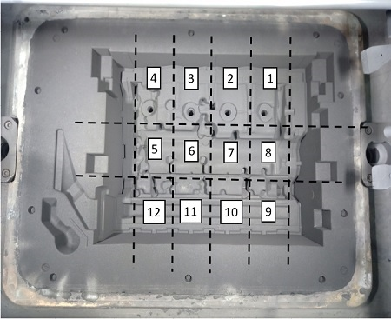

Product ID | Production Date | Shift | Moulding MP | V/C MP | Sand MP | Core Setting MP | Lot No | Flask No | Die No | Area | Zone | Defect Type | Final Judgement | Henkaten Group | Henkaten Item

Moulding-3
 | Camshaft |  |  |  |  | COPE |  |  |  |  |  | DRAG
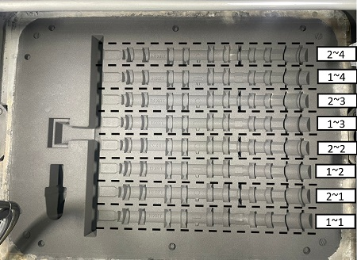
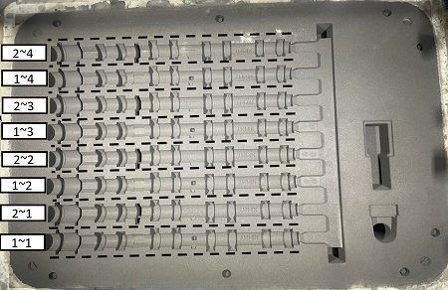

Product ID | Production Date | Shift | Moulding MP | V/C MP | Sand MP | Core Setting MP | Lot No | Flask No | Die No | Area | Zone | Defect Type | Final Judgement | Henkaten Group | Henkaten Item

Moulding-4
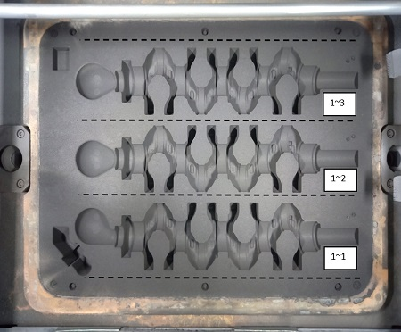
 | Crank |  |  |  |  | COPE |  |  |  |  |  | DRAG
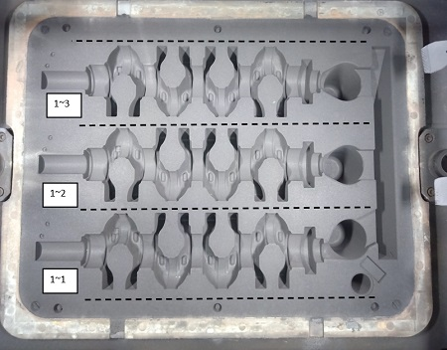

Product ID | Production Date | Shift | Moulding MP | V/C MP | Sand MP | Core Setting MP | Lot No | Flask No | Die No | Area | Zone | Defect Type | Final Judgement | Henkaten Group | Henkaten Item

Finishing-1
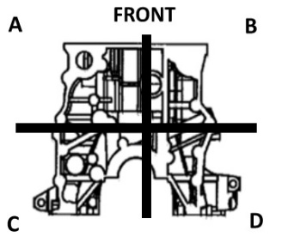
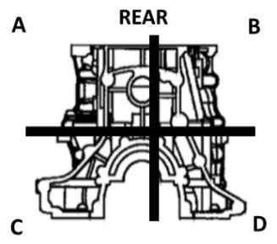

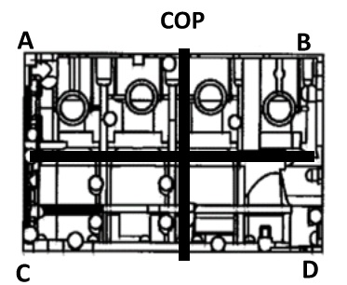
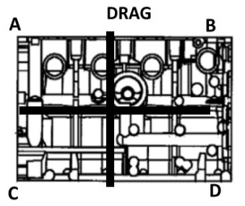

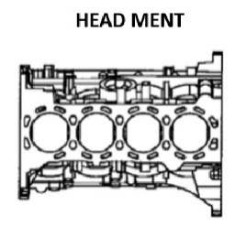
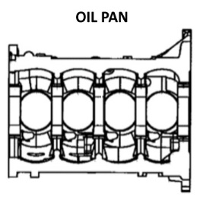

Product ID | Production Date | Shift | Lot No | Area | Zone | Defect Type | Judgement | Work No | Machining Status | Destination | Henkaten Group | Henkaten Item

Finishing-2
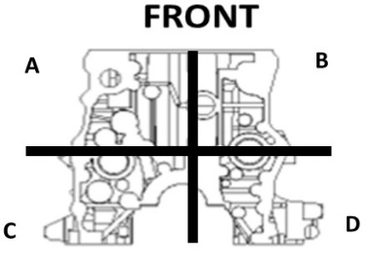
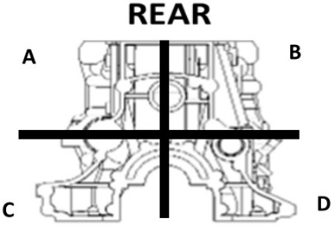

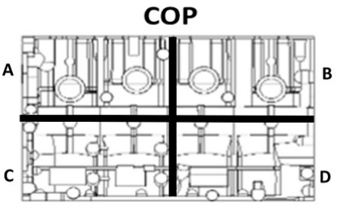
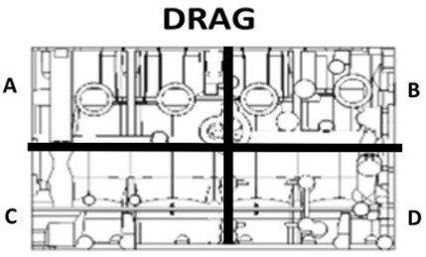

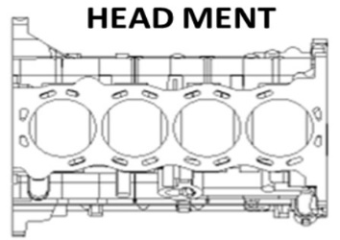
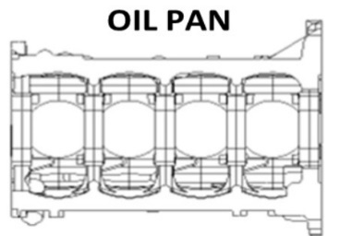

Product ID | Production Date | Shift | Lot No | Area | Zone | Defect Type | Judgement | Work No | Machining Status | Destination | Henkaten Group | Henkaten Item

