Diagram
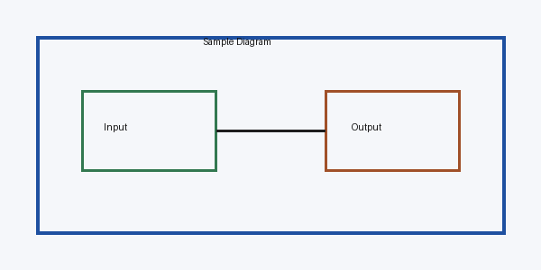
Embedded diagram sample

