Arkusz1
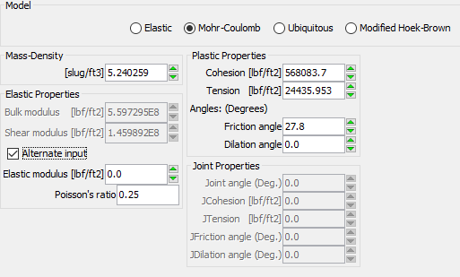
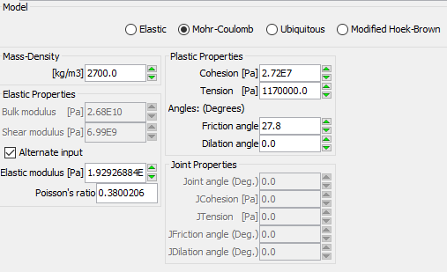
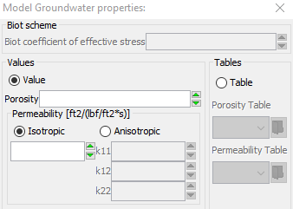
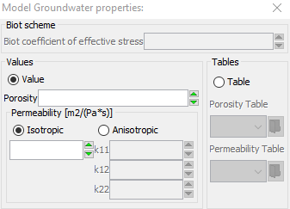
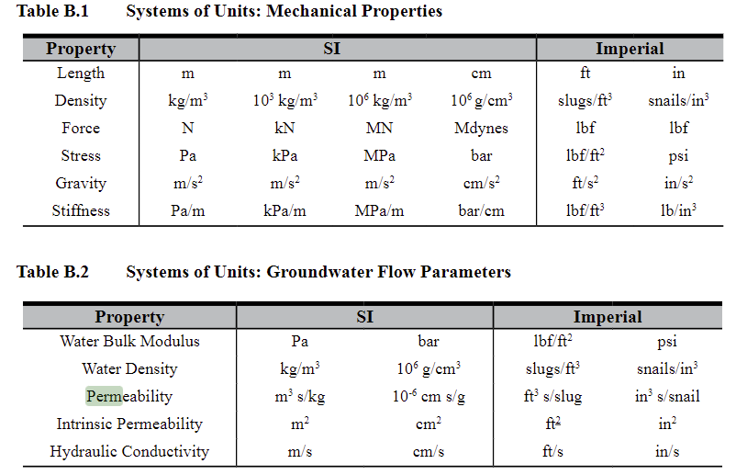
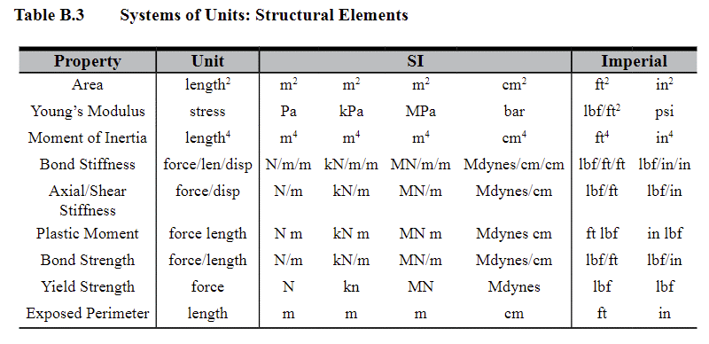
Calculator Imperial ---> SI

 | Input | Units | Output | Units
Gravity | 3.20E+01 | ft/s2 | 9.75E+00 | m/s2
Mass density | 3.15E+00 | slug/ft3 | 1.62E+03 | kg/m3
Bulk modulus | 2.00E+04 | lbf/ft2 | 9.58E+05 | Pa
Shear modulus | 1.69E+07 | lbf/ft2 | 8.09E+08 | Pa
Elastic modulus | 4.00E+08 | lbf/ft2 | 1.92E+10 | Pa
Poisson's ratio | 3.80E-01 | - | 3.80E-01 | -
Cohesion | 2.00E+03 | lbf/ft2 | 9.58E+04 | Pa
Tension | 2.75E+03 | lbf/ft2 | 1.32E+05 | Pa
Friction angle | 2.80E+01 | deg | 2.80E+01 | deg
Dilation angle | 0.00E+00 | deg | 0.00E+00 | deg
Permeablity | 5.26E-12 | ft2... | 8.44E-12 | m2…

