Arkusz1
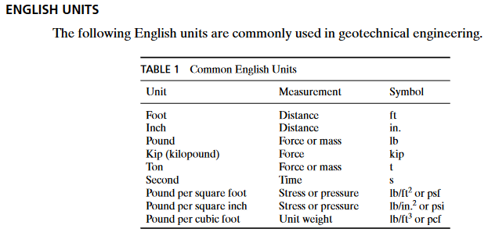
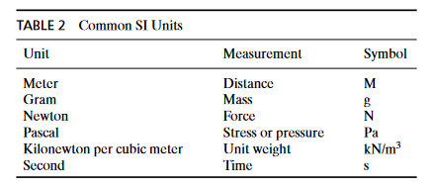
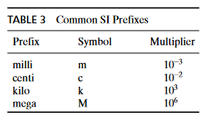
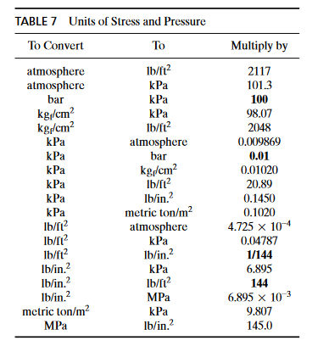
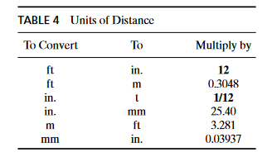
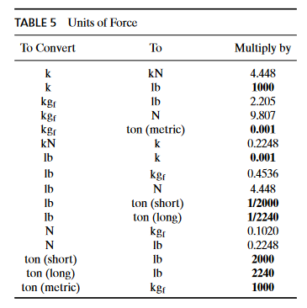
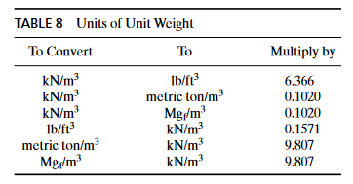
 | Converting imperial to SI units

 | Imperial |  |  |  |  |  |  |  |  |  | SI

Material |  | g (dry), pcf | Saturation for unsat state | Porosity n, - | g (unsat), pcf | g (sat), pcf |  |  |  |  | Material | g (dry), N/m3 | Saturation for unsat state | Porosity n, - | g (unsat), N/m3 | g (sat), N/m3

u/s shell |  | 110.00 | 0.90 | 0.25 | 124.00 | 125.60 |  |  |  |  | u/s shell |  | 0.90 | 0.25
d/s shell |  | 110.00 | 0.90 | 0.25 | 124.00 | 125.60 |  |  |  |  | d/s shell |  | 0.90 | 0.25
Core |  | 110.00 | 0.90 | 0.25 | 124.00 | 125.60 |  |  |  |  | Core |  | 0.90 | 0.25
u/s foundation |  | 101.50 | 1.00 | 0.39 | 125.80 | 125.80 |  |  |  |  | u/s foundation |  | 1.00 | 0.39
d/s foundation |  | 101.50 | 1.00 | 0.39 | 125.80 | 125.80 |  |  |  |  | d/s foundation |  | 1.00 | 0.39
Bedrock |  | 135.00 | 1.00 | 0.01 | 136.60 | 135.60 |  |  |  |  | Bedrock |  | 1.00 | 0.01

Material |  | vs, ft/sec | vp, ft/sec | G (unsat) shear modulus, psf | G (unsat) shear modulus, psf | Poisson's ratio n, - |  | K, drained &unsat, psf | K, drained &sat, psf | K, dynamic bulk mod, psf | Material | vs, m/sec | vp, m/sec | G (unsat) shear modulus, Pa | G (unsat) shear modulus, Pa | Poisson's ratio n, - |  | K, drained &unsat, Pa | K, drained &sat, Pa | K, dynamic bulk mod, Pa

 |  |  |  |  |  | n (static) | n (dyn) |  |  |  |  |  |  |  |  | n (static) | n (dyn)

u/s shell |  | 800 | 2280 | 2.47E+06 | 2.50E+00 | 0.33 | 0.430 | 6.43E+06 | 6.51E+06 | 1.70E+07 | u/s shell |  |  |  |  | 0.33 | 0.430
d/s shell |  | 800 | 2280 | 2.47E+06 | 2.50E+00 | 0.33 | 0.430 | 6.43E+06 | 6.51E+06 | 1.70E+07 | d/s shell |  |  |  |  | 0.33 | 0.430
Core |  | 1000 | 3050 | 3.85E+06 | 3.90E+00 | 0.33 | 0.440 | 1.01E+07 | 1.02E+07 | 3.11E+07 | Core |  |  |  |  | 0.33 | 0.440
u/s foundation |  | 600 | 2600 | 1.41E+06 | 1.41E+06 | 0.33 | 0.472 | 3.67E+06 | 3.67E+06 | 2.46E+07 | u/s foundation |  |  |  |  | 0.33 | 0.472
d/s foundation |  | 600 | 2600 | 1.41E+06 | 1.41E+06 | 0.33 | 0.472 | 3.67E+06 | 3.67E+06 | 2.46E+07 | d/s foundation |  |  |  |  | 0.33 | 0.472
Bedrock |  | 2000 | 3970 | 1.69E+07 | 1.69E+07 | 0.33 | 0.330 | 4.40E+07 | 4.40E+07 | 4.39E+07 | Bedrock |  |  |  |  | 0.33 | 0.330

Material |  | Drained Strengths |  | Tensile strength, psf | k (hydr. cond.), ft/sec |  |  |  |  |  | Material | Drained Strengths |  | Tensile strength, Pa | k (hydr. cond.), m/sec

 |  | cohesion c, psf | friction j, deg |  |  |  |  |  |  |  |  | cohesion c, Pa | friction j, deg

u/s shell |  | 100 | 32 | 160.00 | 3.28E-08 |  |  |  |  |  | u/s shell |  | 32
d/s shell |  | 100 | 32 | 160.00 | 3.28E-08 |  |  |  |  |  | d/s shell |  | 32
Core |  | 300 | 28 | 564.00 | 3.28E-10 |  |  |  |  |  | Core |  | 28
u/s foundation |  | 100 | 28 | 188.00 | 3.28E-08 |  |  |  |  |  | u/s foundation |  | 28
d/s foundation |  | 100 | 28 | 188.00 | 3.28E-08 |  |  |  |  |  | d/s foundation |  | 28
Bedrock |  | 2000 | 36 | 2753.00 | 3.28E-11 |  |  |  |  |  | Bedrock |  | 36

Example of units calculator: |  |  | https://unitslab.com/

