Report
Test Case Report
Project Name - | Zigzag.IK
Module Name - | User Management (Sign Up & Login) |  |  |  |  | Total No. | Status | Result :
Test Case Version | - |  |  |  |  | 36 | PASS
Written By | Nusrat Zahan Elma |  |  |  |  | 9 | FAIL
Executed By | Nusrat Zahan Elma |  |  |  |  | 8 | Not Executed | New Features | Testing Scope | Testing Environment :
Reviewed By | - |  |  |  |  | 3 | Out of Scope |  |  | Test Environment | Google Chrome Browser
TEST EXECUTION REPORT

Test Case Report
Test Case | PASS | FAIL | Not Executed | Out Of Scope | Total TC
 | 36 | 9 | 8 | 3 | 56
Grand Total | 36 | 9 | 8 | 3 | 56

Mind Maps
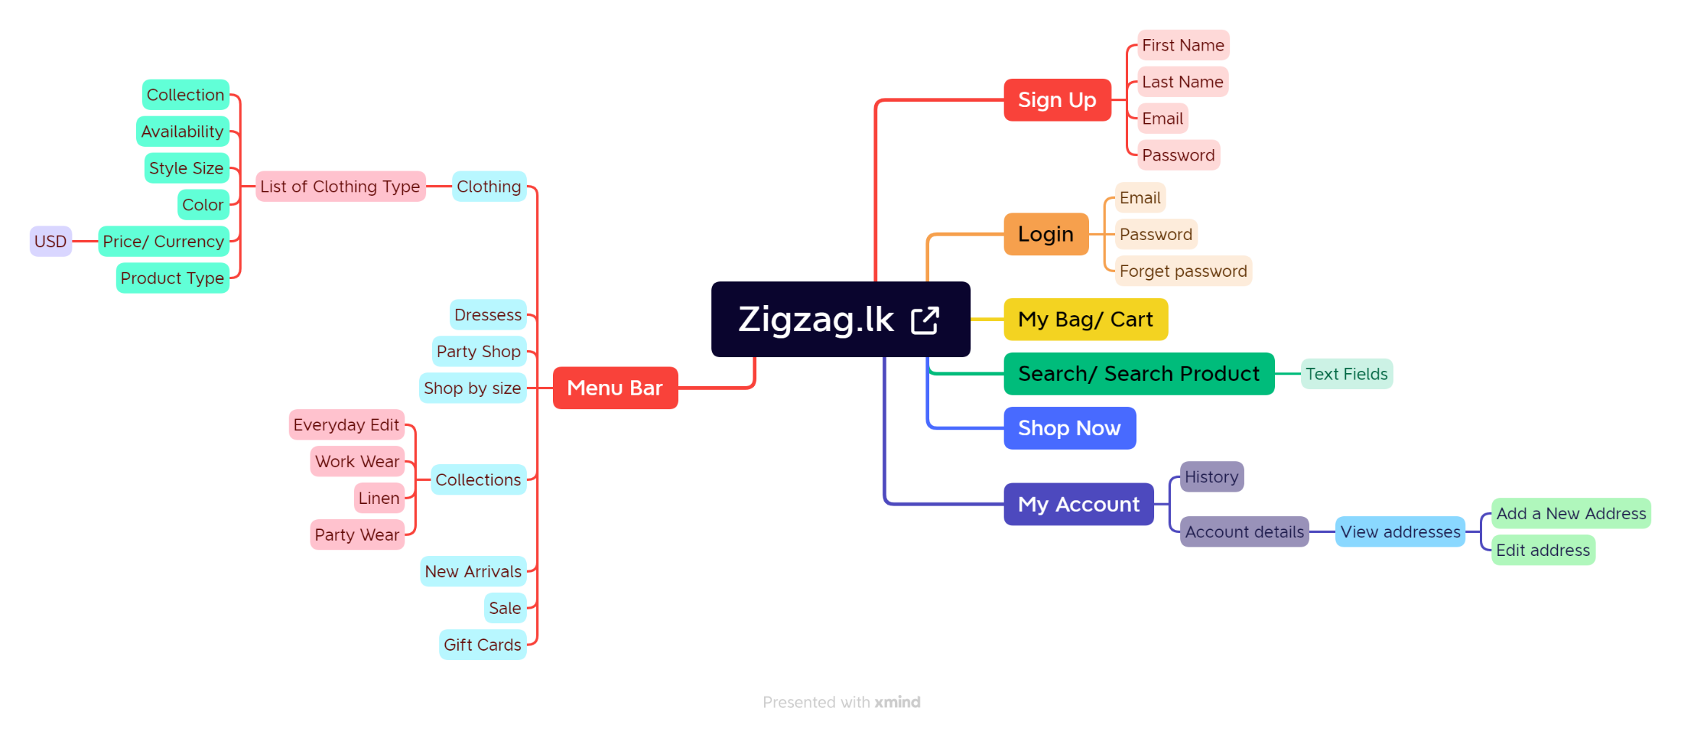
Mind map

