Typy
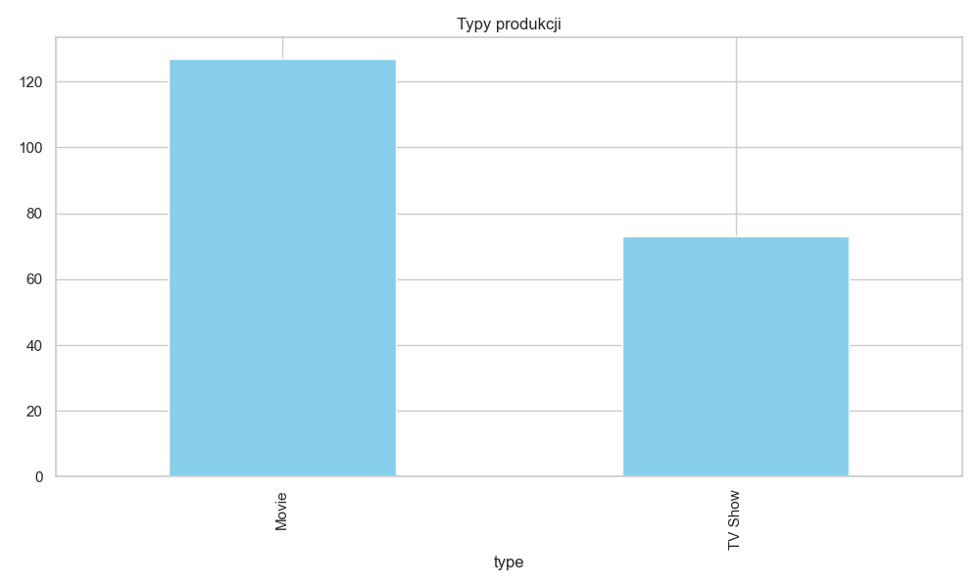
Kategoria | Liczba
Movie | 127
TV Show | 73

Kraje
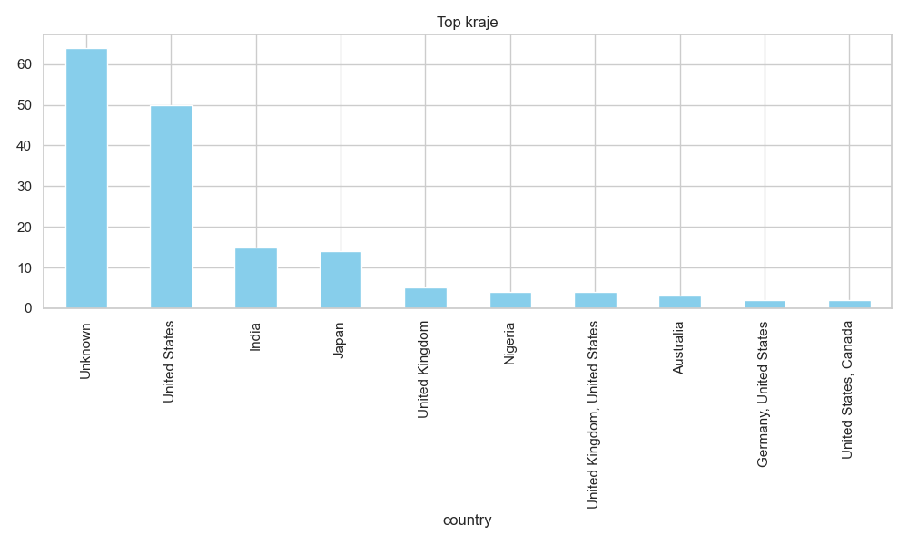
Kategoria | Liczba
Unknown | 64
United States | 50
India | 15
Japan | 14
United Kingdom | 5
Nigeria | 4
United Kingdom, United States | 4
Australia | 3
Germany, United States | 2
United States, Canada | 2

Rocznik
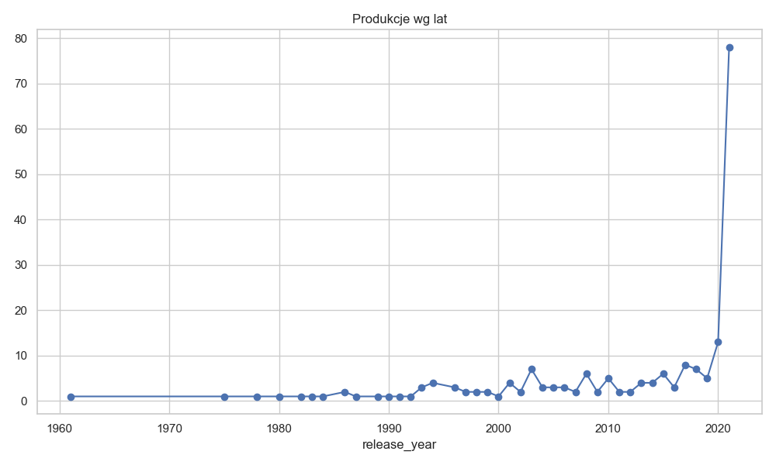
Kategoria | Liczba
1961 | 1
1975 | 1
1978 | 1
1980 | 1
1982 | 1
1983 | 1
1984 | 1
1986 | 2
1987 | 1
1989 | 1
1990 | 1
1991 | 1
1992 | 1
1993 | 3
1994 | 4
1996 | 3
1997 | 2
1998 | 2
1999 | 2
2000 | 1
2001 | 4
2002 | 2
2003 | 7
2004 | 3
2005 | 3
2006 | 3
2007 | 2
2008 | 6
2009 | 2
2010 | 5
2011 | 2
2012 | 2
2013 | 4
2014 | 4
2015 | 6
2016 | 3
2017 | 8
2018 | 7
2019 | 5
2020 | 13
2021 | 78

Gatunki
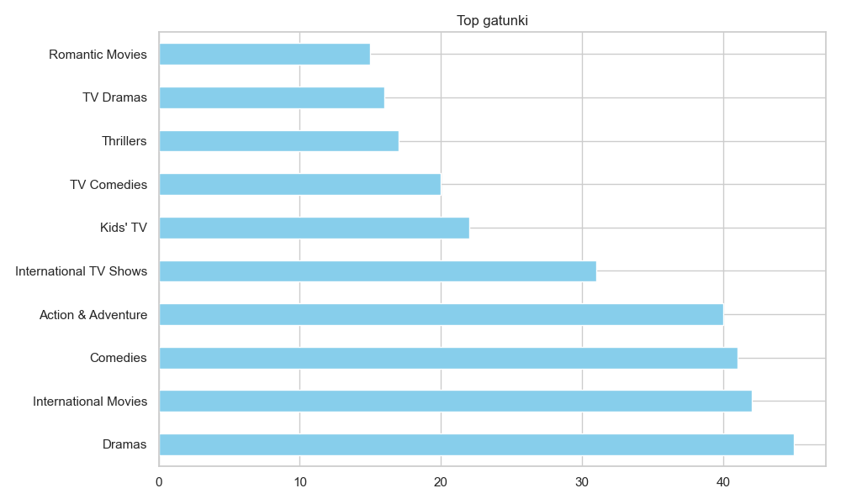
Kategoria | Liczba
Dramas | 45
International Movies | 42
Comedies | 41
Action & Adventure | 40
International TV Shows | 31
Kids' TV | 22
TV Comedies | 20
Thrillers | 17
TV Dramas | 16
Romantic Movies | 15

Rezyserzy
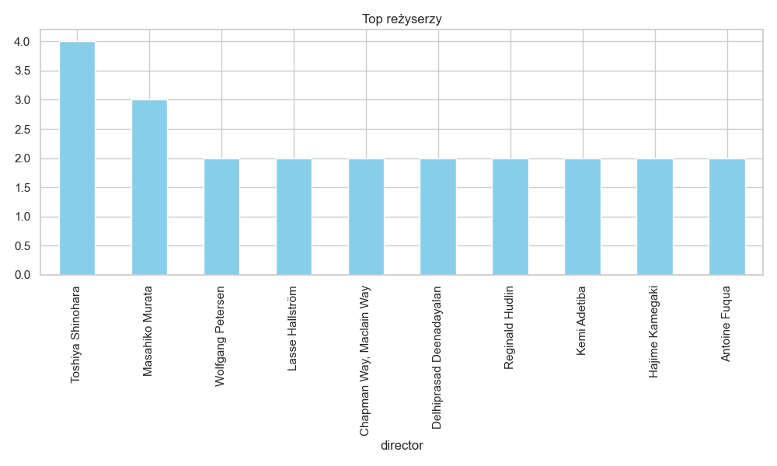
Kategoria | Liczba
Toshiya Shinohara | 4
Masahiko Murata | 3
Wolfgang Petersen | 2
Lasse Hallström | 2
Chapman Way, Maclain Way | 2
Delhiprasad Deenadayalan | 2
Reginald Hudlin | 2
Kemi Adetiba | 2
Hajime Kamegaki | 2
Antoine Fuqua | 2

