B010
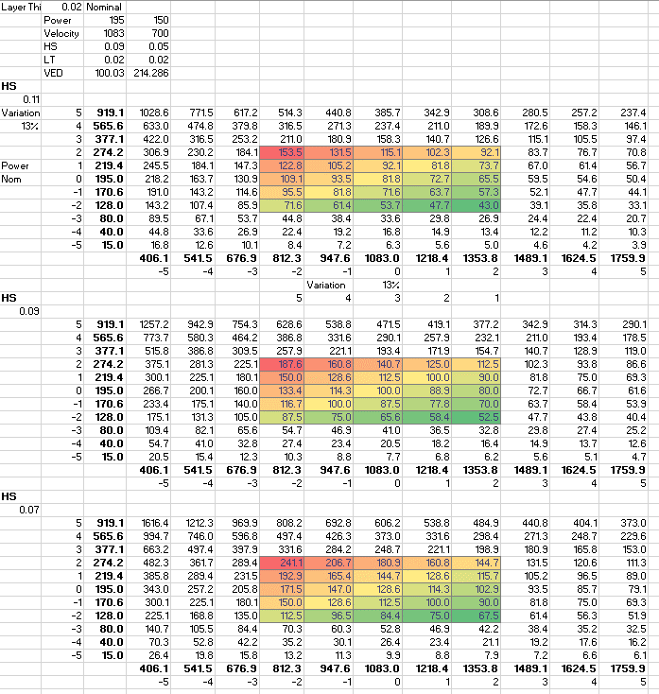
General Information |  |  |  |  | RBV | Full Plate
Build ID: |  |  | Build Description & Purpose: | Lattice build testing, Max's PhD artifact, single strut size test, CT artifacts for 20 um parameter exploration | Max | Elliott | Jaime
Nickname | 20um Param Dev, Max Part, Single Strut Testing
Operator | Elliott/Jaime
Date Printed | 2020-07-20
Customer | N/A |  | Notes on Build: | Pre-Build: 0.11 HS is left grouping of CT articles, 0.09 HS is middle, 0.07 is right. Parameters in picture below. CT1 is bottom row of 0.11, CT2 is next row up, CT1.5 is bottom left, CT1.1 is right. Table should match physically to part layout. Post Build: Print turned out well. two of the 0.5mm struts broke and the third has a kink in it. Max's artifacts were angled instead of vertical and a few were catastrophically damaged to the point they didn't finish. CT artifacts all build although the high power ones have a burnt look to them. Lattices still have some issues but appear to be better. Still difficult to disconnect from the supports.
Build Plate Type | Full Plate
Build Plate ID
Material Type | EOS 316L
File Location (should contain Magics file, build file, pictures post-build, and CAD & STL models): | C:\Users\sa-saldana\Documents\Builds\B010

Parameter File Name | Default

Details
Successful? | Yes
Total Part Volume | 45979.03 | mm^3
Part Height | 18.75 | mm
Print Time: | 13.5 | hrs (approx)
Cost: |  | $$$
Beginning Hopper Level (After Leveling Plate) | -124.01 | mm
End Hopper Level |  | mm
Powder Height Used | 124.01
Powder Height Used/Part Height | 6.61
Min Charge | 110 | %
Max Charge | 150 | %
Heat Treat
Laser Hours (Start of Build) | 1599.12 | hrs

