1,2,3 Information
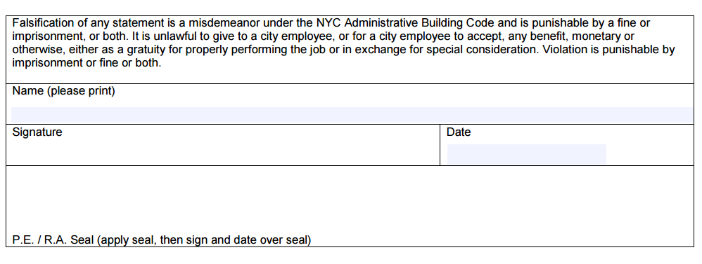
Enter information for sections 1, 2 and 3 - incorporate in the drawing set.
Must be typewritten
1 | Location Information
 | House No(s) 79 | Street Name WINTHROP STREET
 | Borough BROOKLYN | Block 5045 | Lot 72 | BIN 3115681 |  | CB No. 309
 | Job Type (NB, Alt, etc.) | New Building

2a | Applicant Information
 | Last Name FAYBYSHENKO |  | First Name GENNADIY |  |  |  |  | Middle Initial B.
 | Business Name CHOSEN MEP, CORP. |  |  |  | Business Email
 | Business Address 31-00 47TH AVENUE SUITE #3100 |  |  |  | Business Telephone 347-766-5010
 | City LONG ISLAND CITY | State NY |  | Zip 11101
 | Email INFO@CHOSENMEP.COM |  |  |  |  | License Number 091045

2b | Modeling Firm
 | Last Name (lead modeler) BEREGOVYKH |  | First Name (lead modeler) NIKITA |  |  |  |  | Middle Initial
 | Business Name LIBER CREATIVE LLC |  |  |  | Email (lead modeler) NVBEREGOVYKH@LIBERPICT.COM
 | Business Address 2306 OCEAN AVENUE |  |  |  | Telephone (lead modeler) 929-356-1398
 | City BROOKLYN | State NY |  | Zip 11229

3a | Energy Modeling Information |  |  |  | 3b | Energy Modeling Information per Modeled Square Feet
 | Modeling Protocol (Sect 11 or Apx G) | Appendix G PRM |  |  |  | Proposed | Total Energy Cost ($/sf) | $2.19
 | Modeling Software & version | EnergyPlus Version 25.1.0-1c11a3d85f |  |  |  |  | Site EUI (kBtu/sf) | 29.83
 | Weather File | NEW YORK LAGUARDIA ARPT NY USA TMY3 |  |  |  |  | Source EUI (kBtu/sf) | 76.08
 | Proposed Unmet Load Hours | 70.66 |  |  |  |  | GHG (tCO2e/sf) | 0.002527
 | Baseline Unmet Load Hours | 34.66 |  |  |  | Baseline | Total Energy Cost ($/sf) | $3.46
 | Gross Square Feet | 12381.63 |  |  |  |  | Site EUI (kBtu/sf) | 80.63
 | Modeled Square Feet | 11690.791 |  |  |  |  | Source EUI (kBtu/sf) | 143.03
 | Conditioned Square Feet | 11169.925 |  |  |  |  | GHG (tCO2e/sf) | 0.005511
 | Semi-heated Square Feet | 0 |  |  |  | % Savings | Total Energy Cost ($/sf) | 36.75%
 | Unconditioned Square Feet | 520.866 |  |  |  |  | Site EUI (kBtu/sf) | 63.00%
 |  |  |  |  |  |  | Source EUI (kBtu/sf) | 46.81%
3c | List all Job Numbers Associated with this Model |  |  |  |  |  | GHG (tCO2e/sf) | 54.15%
 | ARCHITECTURAL | B01304513-P1
 | MECHANICAL | B01304513-P6
 | PLUMBING | B01304513-P5

