Sheet2
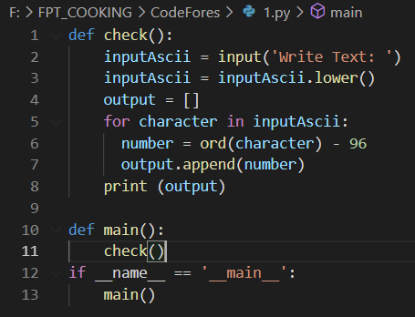
1. What is the lambda function in Python? Why does it exist in Python?
 | What is the lambda function in Python?
 | A Lambda Function in Python programming is an anonymous function or a function having no name.
 | It is a small and restricted function having no more than one line. Just like a normal function, a Lambda
 | function can have multiple arguments with one expression.

 | Why does it exist in Python?

 | Anonymous function means that a function is without a name = lambda
 | The lambda function gets more helpful when used inside a function
 | filter() and map()

 | As you will see in the next section, lambdas are treated the same as regular functions at the interpreter level. expression.
 | In a way, you could say that lambdas provide compact syntax for writing functions which return a single

 | However, you should know when it is a good idea to use lambdas and when to avoid them. In this section,
 | you will learn some of the design principles used by python developers when writing lambdas.

 | One of the most common use cases for lambdas is in functional programming as Python supports a paradigm
 | (or style) of programming known as functional programming.

 | It allows you to provide a function as a parameter to another function (for example, in map, filter, etc.). In such cases,
 | using lambdas offer an elegant way to create a one-time function and pass it as the parameter.

2. What is pass in Python?

 | In Python, pass is a null statement. The interpreter does not ignore a pass statement,
 | but nothing happens and the statement results into no operation.
 | The pass statement is useful when you don’t write the implementation of a function but you want to
 | implement it in the future.

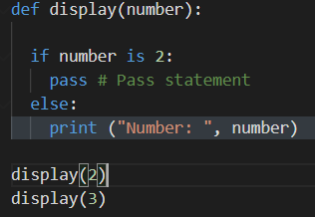

3. What is *args, **kwargs in function definition?

 | In Python, we can pass a variable number of arguments to a function using special symbols. There are two special
 | symbols

 | Special Symbols Used for passing arguments:
 | 1.)*args (Non-Keyword Arguments)
 | 2.)**kwargs (Keyword Arguments)

 | 1.) *args
 | The special syntax *args in function definitions in python is used to pass a variable number of arguments to a
 | function. It is used to pass a non-key worded, variable-length argument list.
 | •The syntax is to use the symbol * to take in a variable number of arguments; by convention, it is often used with
 | the word args.
 | •What *args allows you to do is take in more arguments than the number of formal arguments that you previously
 | defined. With *args, any number of extra arguments can be tacked on to your current formal parameters (including
 | zero extra arguments).
 | •For example : we want to make a multiply function that takes any number of arguments and able to multiply them
 | all together. It can be done using *args.
 | •Using the *, the variable that we associate with the * becomes an iterable meaning you can do things like iterate
 | over it, run some higher-order functions such as map and filter, etc.

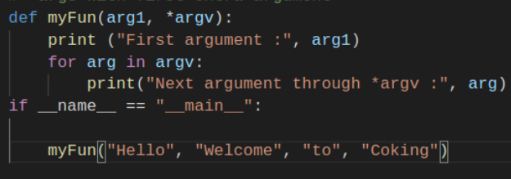

 | 2.)**kwargs
 | The special syntax **kwargs in function definitions in python is used to pass a keyworded, variable-length argument
 | list. We use the name kwargs with the double star. The reason is because the double star allows us to pass through
 | keyword arguments (and any number of them).
 | A keyword argument is where you provide a name to the variable as you pass it into the function
 | •One can think of the kwargs as being a dictionary that maps each keyword to the value that we pass alongside it
 | That is why when we iterate over the kwargs there doesn’t seem to be any order in which they were printed out
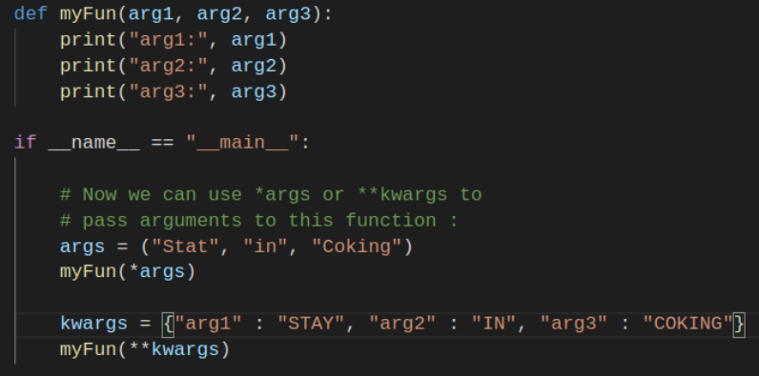

4. What is docstring in Python? How to write them? Are they required?

 | Docstrings is a string literal, and it is used in the class, module, function, or method definition. Docstrings are accessible
 | from the doc attribute (__doc__) for any of the Python objects and also with the built-in help() function. An object's
 | docstring is defined by including a string constant as the first statement in the object's definition

 | Docstring: The first string after the function is called the Document string. This is used to describe the functionality
 | of the function. The use of docstring in functions is optional but it is considered a good practice
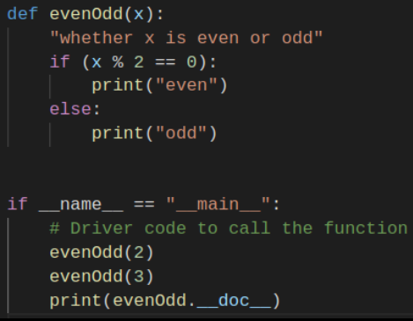

5. What are the built-in data types that Python provides? Which of them are mutable, which are immutable?

 | What are the built-in data types that Python provides?

 | The modules described in this chapter provide a variety of specialized data types such as dates and times,
 | fixed-type arrays, heap queues, double-ended queues, and enumerations.
 | Python also provides some built-in data types, in particular,dict,list,set and frozenser, and tuple
 | The str class is used to hold Unicode strings, and the bytes and bytearray classes are used to hold binary data.

 | Which of them are mutable, which are immutable?
 | Objects of built-in types like (int, float, bool, str, tuple, unicode) are immutable.
 | Objects of built-in types like (list, set, dict) are mutable. Custom classes are generally mutable

6. What is the difference between list and tuple types in Python?

 | Lists are mutable objects which means you can modify a list object after it has been created.
 | Tuples, on the other hand, are immutable objects which means you can’t modify a tuple object
 | after it’s been created.

7, What keywords can be used in conjunction with the for keyword?

 | this in and else

8, What's the difference between globals(), locals(), and vars()?

 | globals() always returns the dictionary of the module namespace
 | locals() always returns a dictionary of the current namespace
 | vars() returns either a dictionary of the current namespace (if called with no argument) or the dictionary of the argument

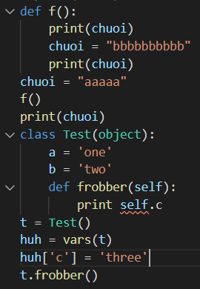

9, Is it possible to have a negative index in iterative types in Python?

10. What is the __init__.py module? What it's for?

 | The __init__.py file makes Python treat directories containing it as modules.
 | Furthermore, this is the first file to be loaded in a module, so you can use it to execute code that you want
 | to run each time a module is loaded, or specify the submodules to be exported.

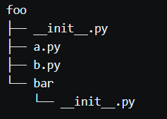

11. How can I swap values of variables in Python? Please give an example

 | To swap two variables, we will require to use a temporary variable that will help us by temporarily storing the values

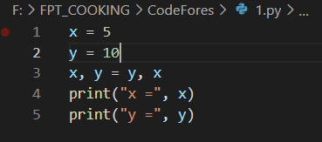

13. What is a module in python? What is a package? What is the difference between packages and modules in Python?
Please give an example module and package

 | What is a module in python?

 | Module: The module is a simple Python file that contains collections of functions and global variables
 | and with having a .py extension file. It is an executable file and to organize all the modules we have the
 | concept called Package in Python
 | What is a package?

 | Package: The package is a simple directory having collections of modules. This directory contains
 | Python modules and also having __init__.py file by which the interpreter interprets it as a Package
 | The package is simply a namespace. The package also contains sub-packages inside it.

 |  | Junior and middle code involving

1. Write a function that produces the Fibonacci sequence.

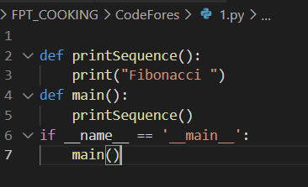

2. How to translate a string containing a binary code (1 and 0) into a number (integer)? Write a function to do this.

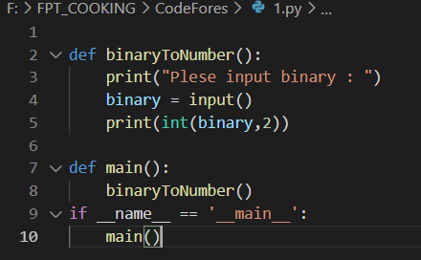

4. How to convert a string to a number that consists of letters ASCII code. Example: 'abcd' -> 979899100. Write a function to do this.

