Test Result
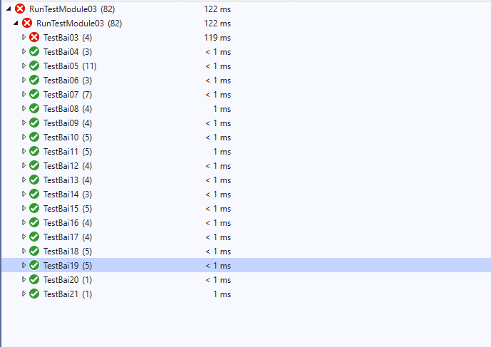

Bài 01
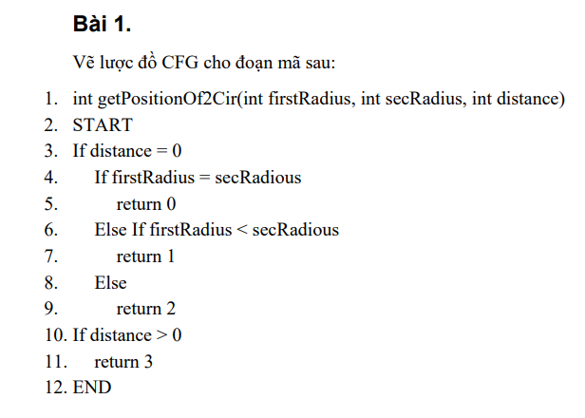
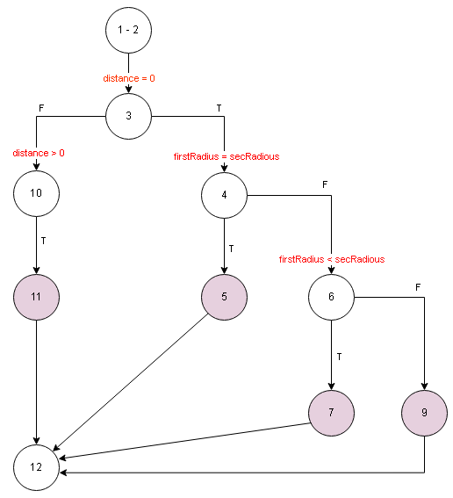

Bài 02
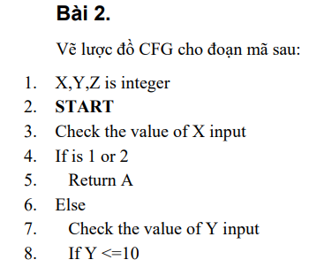
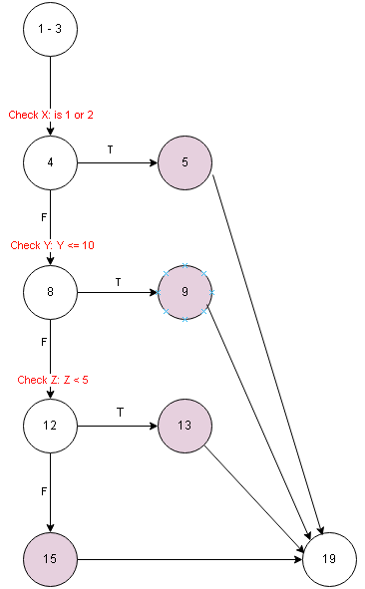

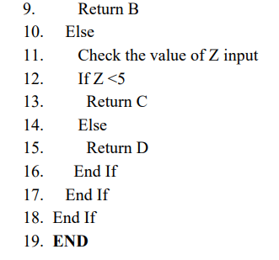

Bài 03
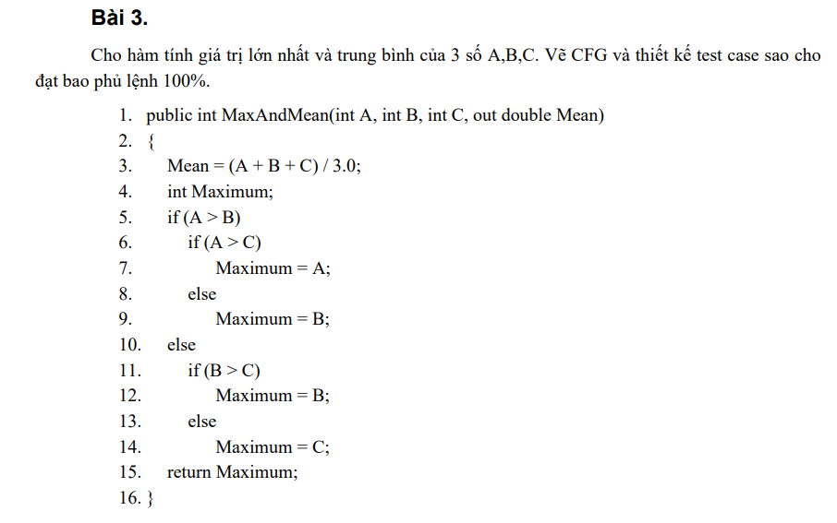
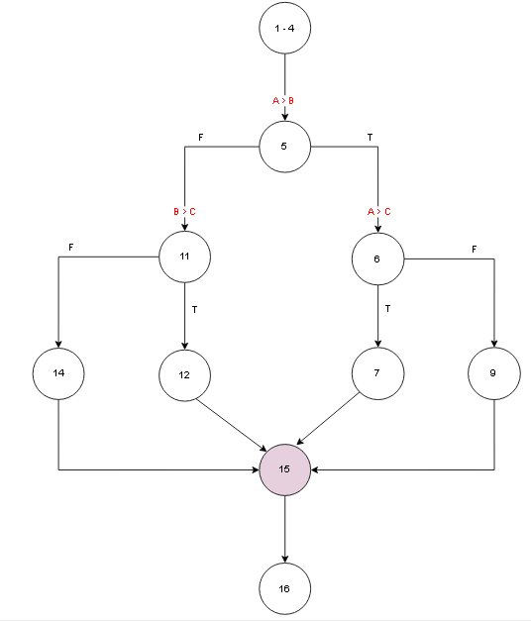

 |  | Input |  |  |  | Expected result |  | Actual result |  | State
# | Condition | A | B | C | Line number excuted | Max | Mean | Max | Mean
1 | (A > B)(TRUE) and (A > C)(TRUE) | 6 | 5 | 4 | 1 - 4, 5, 6, 7, 15, 16 | 6 | 5 | 6 | 5 | T
2 | (A > B)(TRUE) and (A > C)(FALSE) | 6 | 5 | 7 | 1 - 4, 5, 6, 9, 15, 16 | 7 | 6 | 5 | 6 | F | Assert.AreEqual failed. Expected:<7>. Actual:<5>.
3 | (A > B)(FALSE) and (B > C)(TRUE) | 5 | 6 | 4 | 1 - 4, 5, 11, 12, 15, 16 | 6 | 5 | 6 | 5 | T
4 | (A > B)(FALSE) and (B > C)(FALSE) | 5 | 6 | 7 | 1 - 4, 5, 11, 14, 15, 16 | 7 | 6 | 7 | 6 | T

Bài 04
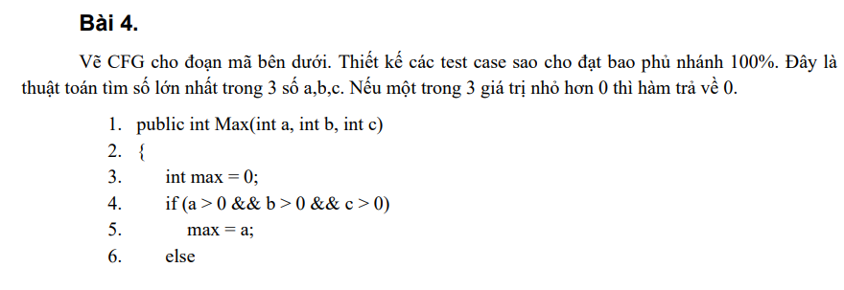

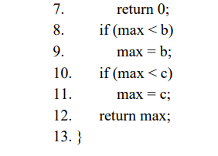

# | Condition | A | B | C | Line number excuted | Expected result | Actual result | State
1 | (a > 0 && b > 0 && c > 0)(TRUE) and (max < b)(TRUE) and (max < c)(TRUE) | 5 | 6 | 7 | 1 - 3, 4, 5, 8, 9, 10, 11, 12, 13 | 7 | 7 | T
2 | (a > 0 && b > 0 && c > 0)(TRUE) and (max < b)(FALSE) and (max < c)(FALSE) | 7 | 6 | 5 | 1 - 3, 4, 5, 8, 10, 12, 13 | 7 | 7 | T
3 | (a > 0 && b > 0 && c > 0)(FALSE) | 0 | 6 | 7 | 1 - 3, 4, 7, 13 | 0 | 0 | T

Bài 05
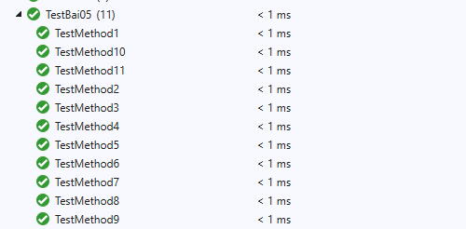
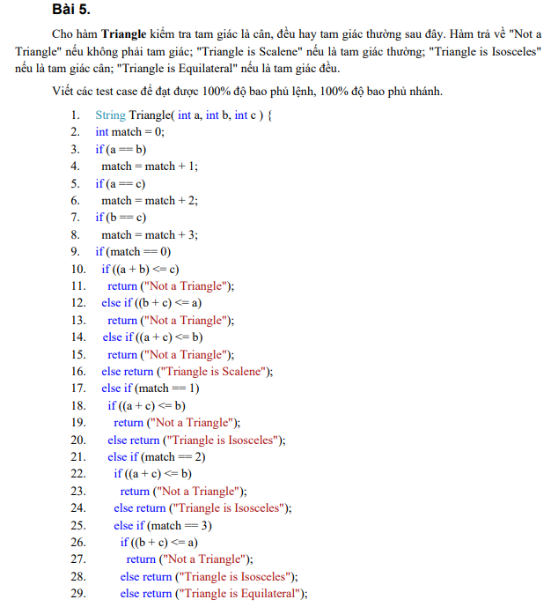
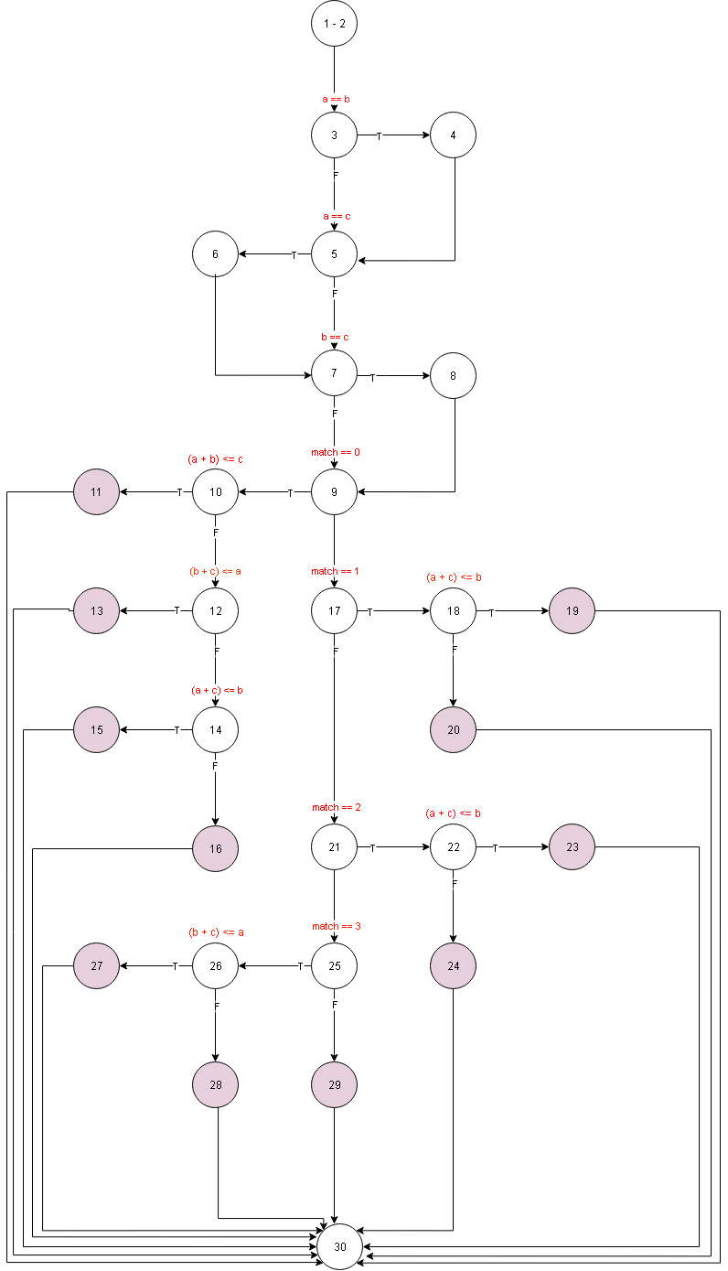

# | Condition | A | B | C | Line number excuted | Expected result | Actual result | State
1 | (a==b)(FALSE) && (a==c)(FALSE) && (b==c)(FALSE) && (match == 0)(TRUE) && ((a + b) <= c)(TRUE) | 1 | 2 | 3 | 1 - 2, 3, 5, 7, 9, 10, 11, 30 | Not a Triangle | Not a Triangle | T
2 | (a==b)(FALSE) && (a==c)(FALSE) && (b==c)(FALSE) && (match == 0)(TRUE) && ((a + b) <= c)(FALSE) && ((b + c) <= a)(TRUE) | 3 | 1 | 2 | 1 - 2, 3, 5, 7, 9, 10, 12, 30 | Not a Triangle | Not a Triangle | T
3 | (a==b)(FALSE) && (a==c)(FALSE) && (b==c)(FALSE) && (match == 0)(TRUE) && ((a + b) <= c)(FALSE) && ((b + c) <= a)(FALSE) && ((a + c) <= b)(TRUE) | 2 | 3 | 1 | 1 - 2, 3, 5, 7, 9, 10, 12, 14, 15, 30 | Not a Triangle | Not a Triangle | T
4 | (a==b)(FALSE) && (a==c)(FALSE) && (b==c)(FALSE) && (match == 0)(TRUE) && ((a + b) <= c)(FALSE) && ((b + c) <= a)(FALSE) && ((a + c) <= b)(FALSE) | 3 | 4 | 5 | 1 - 2, 3, 5, 7, 9, 10, 12, 14, 16, 30 | Triangle is Scalene | Triangle is Scalene | T
5 | (a==b)(TRUE) && (a==c)(FALSE) && (b==c)(FALSE) && (match == 0)(FALSE) && (match == 1)(TRUE) && ((a + c) <= b)(TRUE) | 3 | 3 | 0 | 1 - 2, 3, 4, 5, 7, 9, 17, 18, 19, 30 | Not a Triangle | Not a Triangle | T
6 | (a==b)(TRUE) && (a==c)(FALSE) && (b==c)(FALSE) && (match == 0)(FALSE) && (match == 1)(TRUE) && ((a + c) <= b)(FALSE) | 3 | 3 | 2 | 1 - 2, 3, 4, 5, 7, 9, 17, 18, 20, 30 | Triangle is Isosceles | Triangle is Isosceles | T
7 | (a==b)(FALSE) && (a==c)(TRUE) && (b==c)(FALSE) && (match == 0)(FALSE) && (match == 1)(FALSE) && (match == 2)(TRUE) && ((a + c) <= b)(TRUE) | 1 | 3 | 1 | 1 - 2, 3, 5, 6, 7, 9, 17,21, 22, 23, 30 | Not a Triangle | Not a Triangle | T
8 | (a==b)(FALSE) && (a==c)(TRUE) && (b==c)(FALSE) && (match == 0)(FALSE) && (match == 1)(FALSE) && (match == 2)(TRUE) && ((a + c) <= b)(FALSE) | 3 | 2 | 3 | 1 - 2, 3, 5, 6, 7, 9, 17,21, 22, 24, 30 | Triangle is Isosceles | Triangle is Isosceles | T
9 | (a==b)(FALSE) && (a==c)(FALSE) && (b==c)(TRUE) && (match == 0)(FALSE) && (match == 1)(FALSE) && (match == 2)(FALSE) && (match == 3)(TRUE) && ((b + c) <= a)(TRUE) | 7 | 3 | 3 | 1 - 2, 3, 5, 7, 8, 9, 17, 21, 25, 26, 27, 30 | Not a Triangle | Not a Triangle | T
10 | (a==b)(FALSE) && (a==c)(FALSE) && (b==c)(TRUE) && (match == 0)(FALSE) && (match == 1)(FALSE) && (match == 2)(FALSE) && (match == 3)(TRUE) && ((b + c) <= a)(FALSE) | 3 | 2 | 2 | 1 - 2, 3, 5, 7, 8, 9, 17, 21, 25, 26, 28, 30 | Triangle is Isosceles | Triangle is Isosceles | T
11 | (a==b)(TRUE) && (a==c)(TRUE) && (b==c)(TRUE) && (match == 0)(FALSE) && (match == 1)(FALSE) && (match == 2)(FALSE) && (match == 3)(FALSE) | 3 | 3 | 3 | 1 - 2, 3, 4, 5, 6, 7, 8, 9, 17, 21, 25, 29, 30 | Triangle is Equilateral | Triangle is Equilateral | T

Bài 06
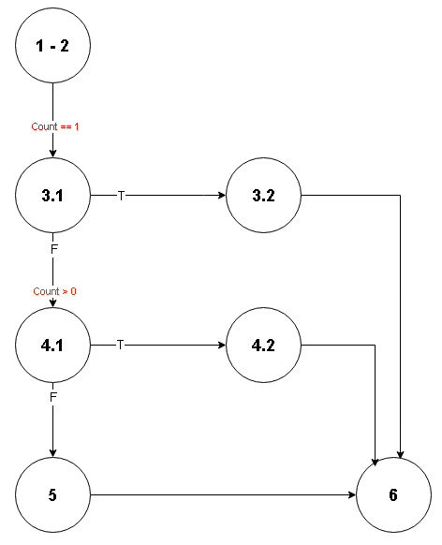

 |  | Input
# | Condition | Sum | Count | Line number excuted | Expected result | Actual result | State
1 | Count == 1(TRUE) | 16 | 1 | 1 - 2, 3.1, 3.2, 6 | 16 | 16 | T
2 | (Count == 1)(FALSE) && (Count > 0)(TRUE) | 16 | 2 | 1 - 2, 3.1, 4.1, 4.2, 6 | 6 | 6 | T
3 | (Count == 1)(FALSE) && (Count > 0)(FALSE) | 16 | -2 | 1 - 2, 3.1, 4.1, 5, 6 | 0 | 0 | T

Bài 07
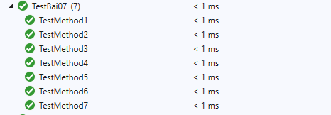
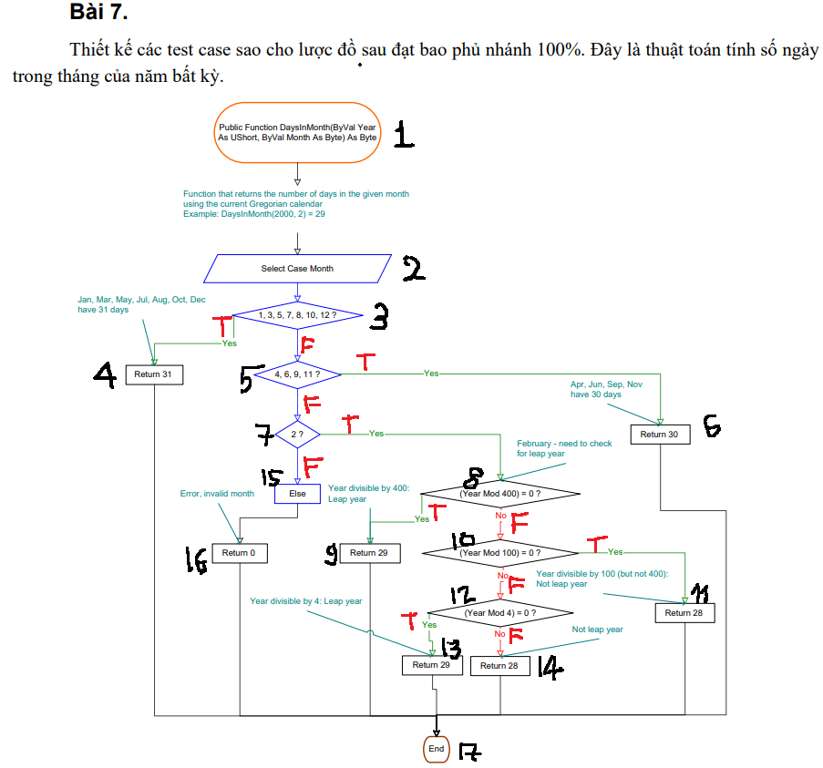
Tháng 1,3,5,7,8,10,12 → 31
Tháng 4,6,9,11 → 30
Tháng 2 → 29 nếu năm nhuận, 28 nếu không.
 | Năm nhuận khi:
 | chia hết cho 400, hoặc

 | chia hết cho 4 và không chia hết cho 100.

 | Nếu month không hợp lệ → 0.

 |  | Input
# | Condition | Year | Month | Line number excuted | Expected result | Actual result | State
1 | (1, 3, 5, 7, 8, 10, 12)(TRUE) | 2025 | 10 | 1,2,3,4,17 | 31 | 31 | T
2 | (1, 3, 5, 7, 8, 10, 12)(FALSE) and (4, 6, 9, 11 )(TRUE) | 2025 | 4 | 1,2,3,5,6,11 | 30 | 30 | T
3 | (1, 3, 5, 7, 8, 10, 12)(FALSE) and (4, 6, 9, 11 )(FALSE) and (2)(FALSE) | 2025 | 13 | 1,2,3,5,7,15,16,17 | 0 | 0 | T
4 | (1, 3, 5, 7, 8, 10, 12)(FALSE) and (4, 6, 9, 11 )(FALSE) and (2)(TRUE) and (Year Mod 400 = 0)(TRUE) | 2000 | 2 | 1,2,3,5,7,8,9,17 | 29 | 29 | T
5 | (1, 3, 5, 7, 8, 10, 12)(FALSE) and (4, 6, 9, 11)(FALSE) and (2)(TRUE) and (Year Mod 400 = 0)(FALSE) and (Year Mod 100 = 0)(TRUE) | 1900 | 2 | 1,2,3,4,5,7,8,10,12,14,17 | 28 | 28 | T
6 | (1, 3, 5, 7, 8, 10, 12)(FALSE) and (4, 6, 9, 11)(FALSE) and (2)(TRUE) and (Year Mod 400 = 0)(FALSE) and (Year Mod 100 = 0)(FALSE) and (Year Mod 4 = 0)(TRUE) | 2024 | 2 | 1,2,3,4,5,7,8,10,12,13,17 | 29 | 29 | T
7 | (1, 3, 5, 7, 8, 10, 12)(FALSE) and (4, 6, 9, 11)(FALSE) and (2)(TRUE) and (Year Mod 400 = 0)(FALSE) and (Year Mod 100 = 0)(FALSE) and (Year Mod 4 = 0)(FALSE) | 2025 | 2 | 1,2,3,4,5,7,8,10,11,17 | 28 | 28 | T

Bài 08
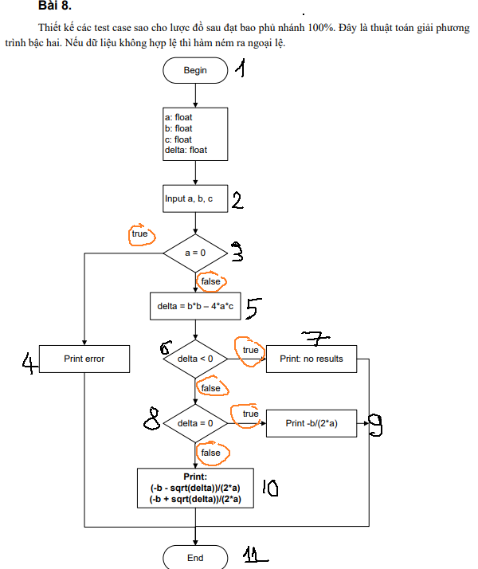
# | Condition | Input |  |  | Line number excuted | Expected result |  | Actual result |  | State
 |  | a | b | c |  | X1 | X2 | X1 | X2
1 | (a = 0)(TRUE) | 0 | 4 | 8 | 1,2,3,4,11 | -2 | NaN | -2 | NaN | T
2 | (a = 0)(FALSE) and (delta < 0)(TRUE) | 1 | 0 | 1 | 1,2,3,5,6,7,11 | NaN | NaN | NaN | NaN | T
3 | (a = 0)(FALSE) and (delta < 0)(FALSE) and (delta = 0)(TRUE) | 4 | 4 | 1 | 1,2,3,5,6,8,9,11 | -0.5 | -0.5 | -0.5 | -0.5 | T
4 | (a = 0)(FALSE) and (delta < 0)(FALSE) and (delta = 0)(FALSE) | 1 | -5 | 4 | 1,2,3,5,6,8,10,11 | 4 | 1 | 4 | 1 | T

Bài 09
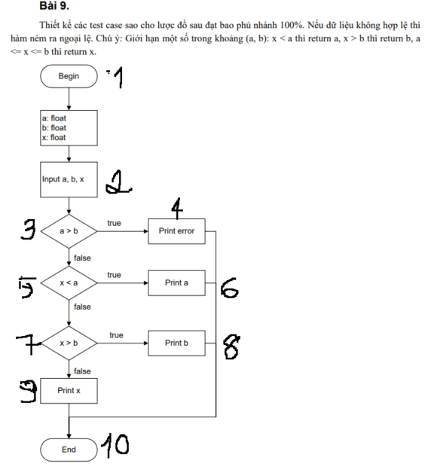
 |  | Input
# | Condition | a | b | x | Line number excuted | Expected result | Actual result | State
1 | (a > b)(TRUE) | 6 | 4 | 8 | 1,2,3,4,10 | Error | Error | T
2 | (a > b)(FALSE) and (x < a)(TRUE) | 10 | 12 | 4 | 1,2,3,5,6,10 | 10 | 10 | T
3 | (a > b)(FALSE) and (x < a)(FALSE) and (x > b)(TRUE) | 10 | 14 | 18 | 1,2,3,5,7,8,10 | 14 | 14 | T
4 | (a > b)(FALSE) and (x < a)(FALSE) and (x > b)(FALSE) | 10 | 16 | 12 | 1,2,3,5,7,8,9,10 | 12 | 12 | T

Bài 11
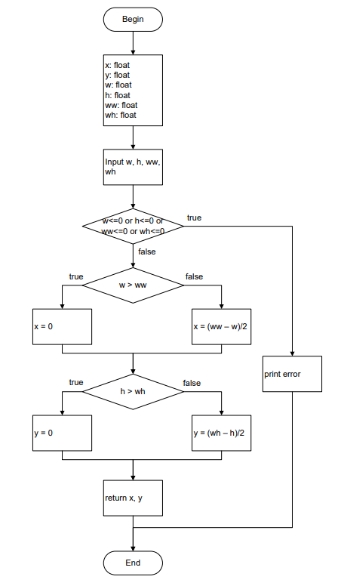

# | Condition | Input |  |  |  | Line number excuted | Expected result |  | Actual result |  | State
 |  | w | h | ww | wh |  | x | y | x | y
1 | (w<=0 or h<=0 or ww<=0 or wh<=0)(TRUE) | -1 | 2 | 3 | 4 | 1,2,3,4,12 | NaN | NaN | NaN | NaN | T
2 | (w<=0 or h<=0 or ww<=0 or wh<=0)(FALSE) && w > ww)(TRUE) && (h > wh)(TRUE) | 5 | 6 | 4 | 5 | 1,2,3,5,6,8,9,11,12 | 0 | 0 | 0 | 0 | T
3 | (w<=0 or h<=0 or ww<=0 or wh<=0)(FALSE) && w > ww)(TRUE) && (h > wh)(FALSE) | 5 | 2 | 4 | 5 | 1,2,3,5,6,8,10,11,12 | 0 | 1.5 | 0 | 1.5 | T
4 | (w<=0 or h<=0 or ww<=0 or wh<=0)(FALSE) && w > ww)(FALSE) && (h > wh)(TRUE) | 3 | 6 | 5 | 5 | 1,2,3,5,7,8,9,11,12 | 1 | 0 | 1 | 0 | T
5 | (w<=0 or h<=0 or ww<=0 or wh<=0)(FALSE) && w > ww)(FALSE) && (h > wh)(FALSE) | 3 | 4 | 5 | 5 | 1,2,3,5,7,8,10,11,12 | 1 | 0.5 | 1 | 0.5 | T

Bài 12
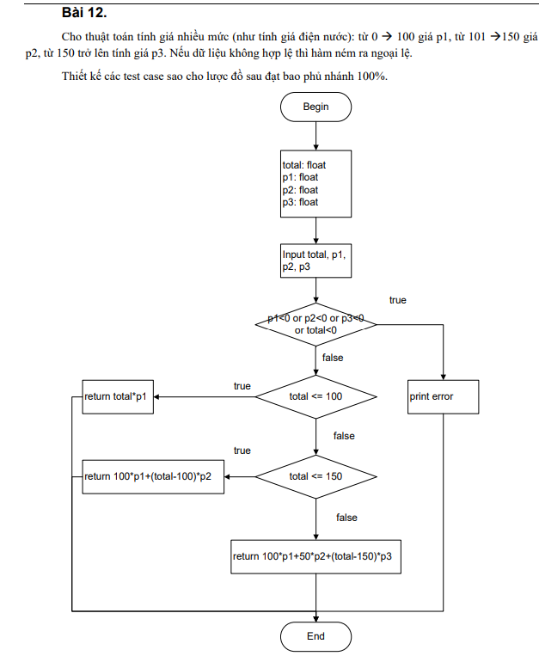
# | Condition | Input |  |  |  | Line number excuted | Expected result | Actual result | State
 |  | total | P1 | P2 | P3
1 | (p1<0 or p2<0 or p3<0 or total<0)(true) | -1 | 1 | 2 | 3 | 1,2,3,4,10 | error | error | T
2 | (p1<0 or p2<0 or p3<0 or total<0)(false) and (total <= 100) (true) | 80 | 1 | 2 | 3 | 1,2,3,5,6,10 | 80 | 80 | T
3 | (p1<0 or p2<0 or p3<0 or total<0)(false) and (total <= 100) (false) and (total <= 150) (true) | 120 | 1 | 2 | 3 | 1,2,3,5,7,8,10 | 140 | 140 | T
4 | (p1<0 or p2<0 or p3<0 or total<0)(false) and (total <= 100) (false) and (total <= 150) (true) | 170 | 1 | 2 | 3 | 1,2,3,5,7,9,10 | 260 | 260 | T

Bài 13
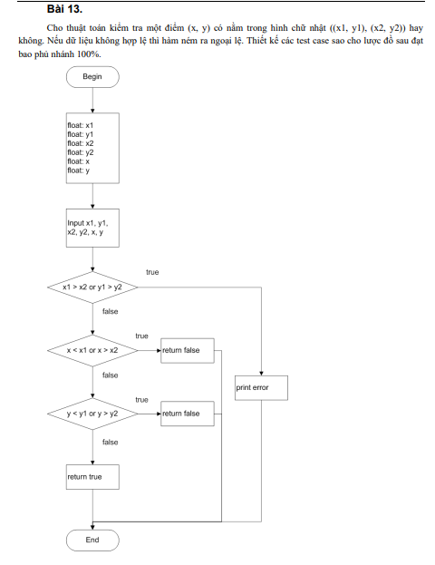
# | Condition | Input |  |  |  |  |  | Line number excuted | Expected result | Actual result | State
 |  | X1 | Y1 | X2 | Y2 | x | y
1 | (x1>x2 or y1>y2) (true) | 5 | 1 | 3 | 2 | 0 | 0 | 1,2,3,4,10 | throw Exception | throw Exception | T
2 | (x1>x2 or y1>y2) (false) && (x<x1 or x>x2)(true) | 0 | 0 | 10 | 10 | -1 | 5 | 1,2,3,5,6,10 | FALSE | FALSE | T
3 | (x1>x2 or y1>y2) (false) && (x<x1 or x>x2)(false) && (y<y1 or y>y2) (true) | 0 | 0 | 10 | 10 | 5 | 11 | 1,2,3,5,7,8,10 | FALSE | FALSE | T
4 | (x1>x2 or y1>y2) (false) && (x<x1 or x>x2)(false) && (y<y1 or y>y2) (false) | 0 | 0 | 10 | 10 | 5 | 5 | 1,2,3,5,7,9,10 | TRUE | TRUE | T

Bài 14
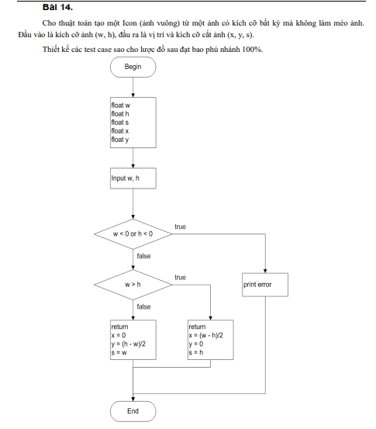

# | Condition | Input |  | Line number excuted | Expected result |  |  | Actual result |  |  | State
 |  | w | h |  | x | y | s | x | y | s
1 | (w<0 or h<0) (true) | -1 | 5 | 1,2,3,4,8 | throw Exception |  |  | throw Exception |  |  | T
2 | (w<0 or h<0) (false) and (w>h) (true) | 10 | 6 | 1,2,3,5,6,8 | 2 | 0 | 6 | 2 | 0 | 6 | T
3 | (w<0 or h<0) (false) and (w>h) (false) | 6 | 10 | 1,2,3,5,7,8 | 0 | 2 | 6 | 0 | 2 | 6 | T

Bài 15
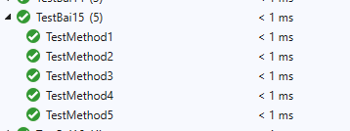
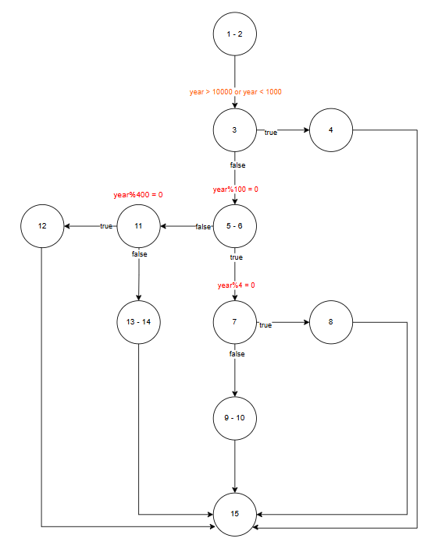

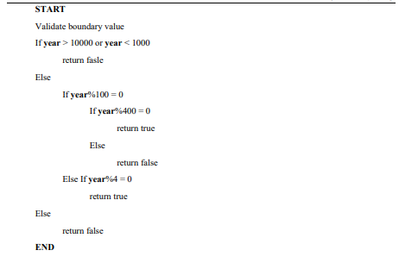

# | Condition | Input | Line number excuted | Expected result | Actual result | State
 |  | year
1 | (year > 10000 or year < 1000) (true) | 99 | 1,2,3,4,15 | FALSE | FALSE | T
2 | (year > 10000 or year < 1000) (false) and (year%100 = 0)(true) and (year%400 = 0) (true) | 2000 | 1,2,3,5,6,7,8,15 | TRUE | TRUE | T
3 | (year > 10000 or year < 1000) (false) and (year%100 = 0)(true) and (year%400 = 0) (false) | 1900 | 1,2,3,5,6,7,9,10,15 | FALSE | FALSE | T
4 | (year > 10000 or year < 1000) (false) and (year%100 = 0)(false) and (year%4 = 0) (true) | 2024 | 1,2,3,5,6,11,12,15 | TRUE | TRUE | T
5 | (year > 10000 or year < 1000) (false) and (year%100 = 0)(false) and (year%4 = 0) (false) | 2023 | 1,2,3,5,6,11,13,14,15 | FALSE | FALSE | T

Bài 16
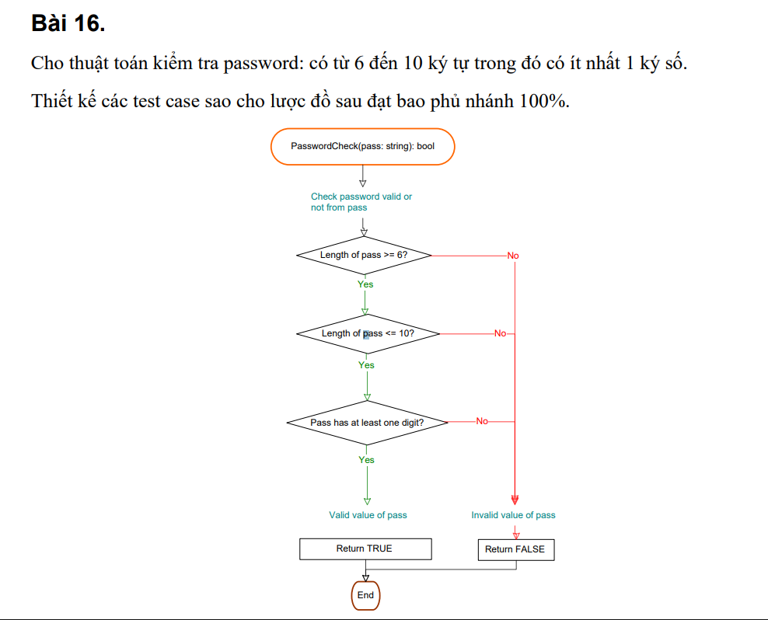

# | Condition | Input | Line number excuted | Expected result | Actual result | State
 |  | pass
1 | (Length of pass >= 6?) (false) | abcde | 1,2,6,7 | FALSE | FALSE | T
2 | (Length of pass >= 6?) (true) and (Length of pass <= 10?) (false) | abcdefghijk | 1,2,3,6,7 | FALSE | FALSE | T
3 | (Length of pass >= 6?) (true) and (Length of pass <= 10?) (true) and (Pass has at least one digit?) (false ) | abcdef | 1,2,3,4,6,7 | FALSE | FALSE | T
4 | (Length of pass >= 6?) (true) and (Length of pass <= 10?) (true) and (Pass has at least one digit?) (true ) | abcde1 | 1,2,3,4,5,7 | TRUE | TRUE | T

Bài 17
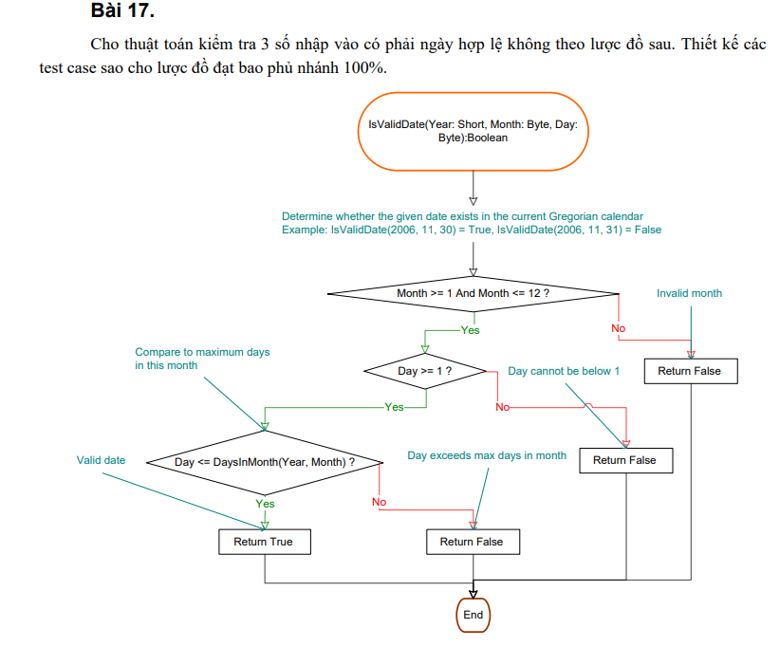

# | Condition | Input |  |  | Line number excuted | Expected result | Expected result | State
 |  | year | month | day
1 | (Month >= 1 And Month <= 12 ?)(false) | 2023 | 14 | 15 | 1,2,3,9 | FALSE | FALSE | T
2 | (Month >= 1 And Month <= 12 ?)(true) and (Day >= 1 ? )(false) | 2023 | 10 | 0 | 1,2,4,5,9 | FALSE | FALSE | T
3 | (Month >= 1 And Month <= 12 ?)(true) and (Day >= 1 ? )(true) and (Day <= DaysInMonth(Year, Month) ? ) (false) | 2023 | 2 | 30 | 1,2,4, 6, 7,9 | FALSE | FALSE | T
4 | (Month >= 1 And Month <= 12 ?)(true) and (Day >= 1 ? )(true) and (Day <= DaysInMonth(Year, Month) ? ) (true) | 2023 | 8 | 23 | 1,2,4,6,8, 9 | TRUE | TRUE | T

Bài 18
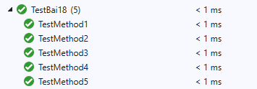
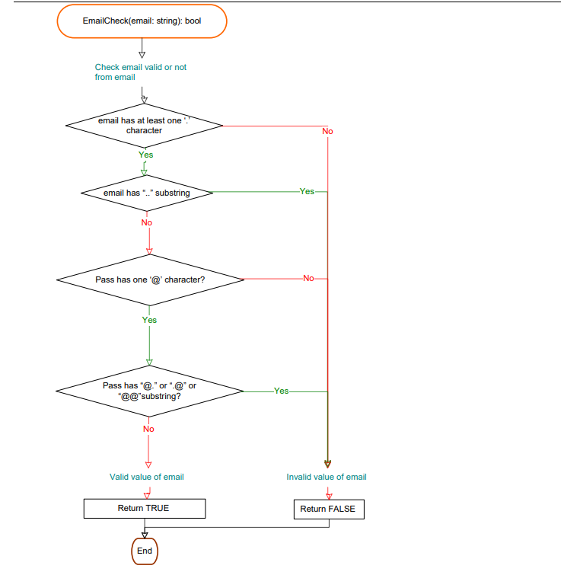

# | Condition | Input | Line number excuted | Expected result | Actual result | State
 |  | email
1 | (email has at least one ‘.’ character)(false) | abc@domain | 1,2,7,8 | FALSE | FALSE | T
2 | (email has at least one ‘.’ character)(true) and (email has “..” substring)(true) | a@b..com | 1,2,3,7,8 | FALSE | FALSE | T
3 | (email has at least one ‘.’ character)(true) and (email has “..” substring)(false) and (Pass has one ‘@’ character?)(false) | abc.def | 1,2,3,4,7,8 | FALSE | FALSE | T
4 | (email has at least one ‘.’ character)(true) and (email has “..” substring)(false) and (Pass has one ‘@’ character?)(true) and (Pass has “@.” or “.@” or “@@”substring?)(true) | a@.b.com | 1,2,3,4,5,7,8 | FALSE | FALSE | T
5 | (email has at least one ‘.’ character)(true) and (email has “..” substring)(false) and (Pass has one ‘@’ character?)(true) and (Pass has “@.” or “.@” or “@@”substring?)(false) | alice.bob@example.com | 1,2,3,4,5,6,8 | TRUE | TRUE | T

Bài 19
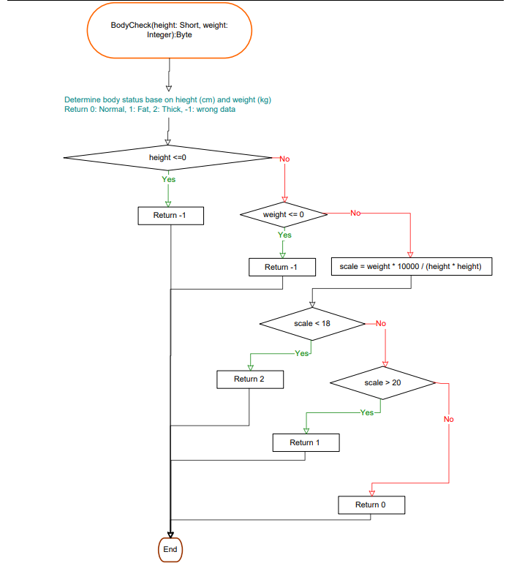

# | Condition | Input |  | Line number excuted | Expected result | Actual result | State
 |  | height | weight
1 | (height <=0)(true) | -7 | 56 | 1,2,3,12 | -1 | -1 | T
2 | (height <=0)(false) and (weight <= 0)(true) | 168 | -8 | 1,2,4,5,12 | -1 | -1 | T
3 | (height <=0)(false) and (weight <= 0)(false) and (scale<18)(true) | 180 | 55 | 1,2,4,6,7,8,12 | 2 | 2 | T
4 | (height <=0)(false) and (weight <= 0)(false) and (scale<18)(false) and (scale > 20)(true) | 160 | 60 | 1,2,4,6,7,9,10,12 | 1 | 1 | T
5 | (height <=0)(false) and (weight <= 0)(false) and (scale<18)(false) and (scale > 20)(false) | 170 | 55 | 1,2,4,6,7,9,11,12 | 0 | 0 | T

Bài 20
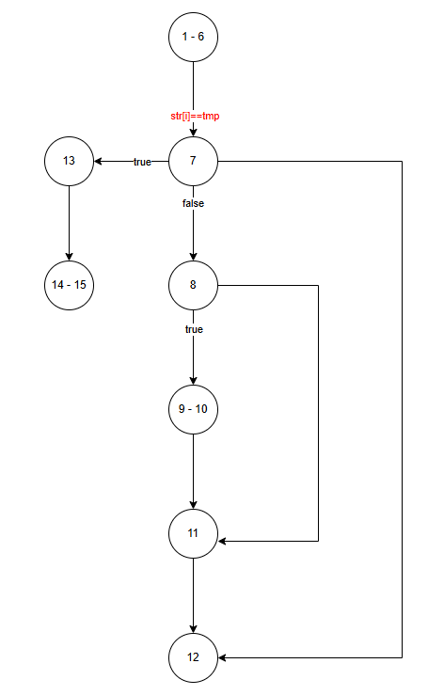

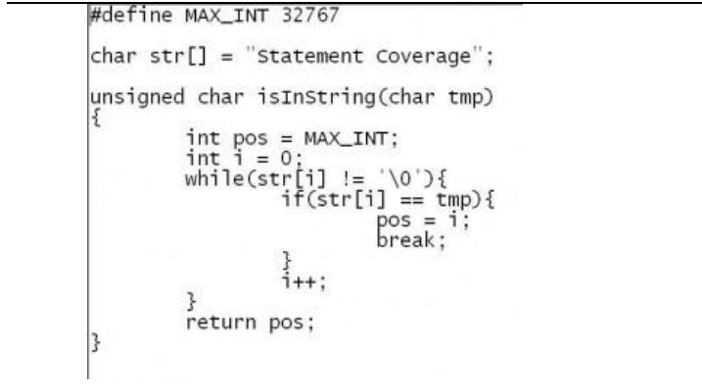

# | Condition | Input | Line number excuted | Expected result | Actual result | Expected State
 |  | tmp
1 | char in str[] | t | 1->6,7,8,11,12,7,8,9, 10,11,12,7,13,14,15 | 1 | 1 | T

Bài 21
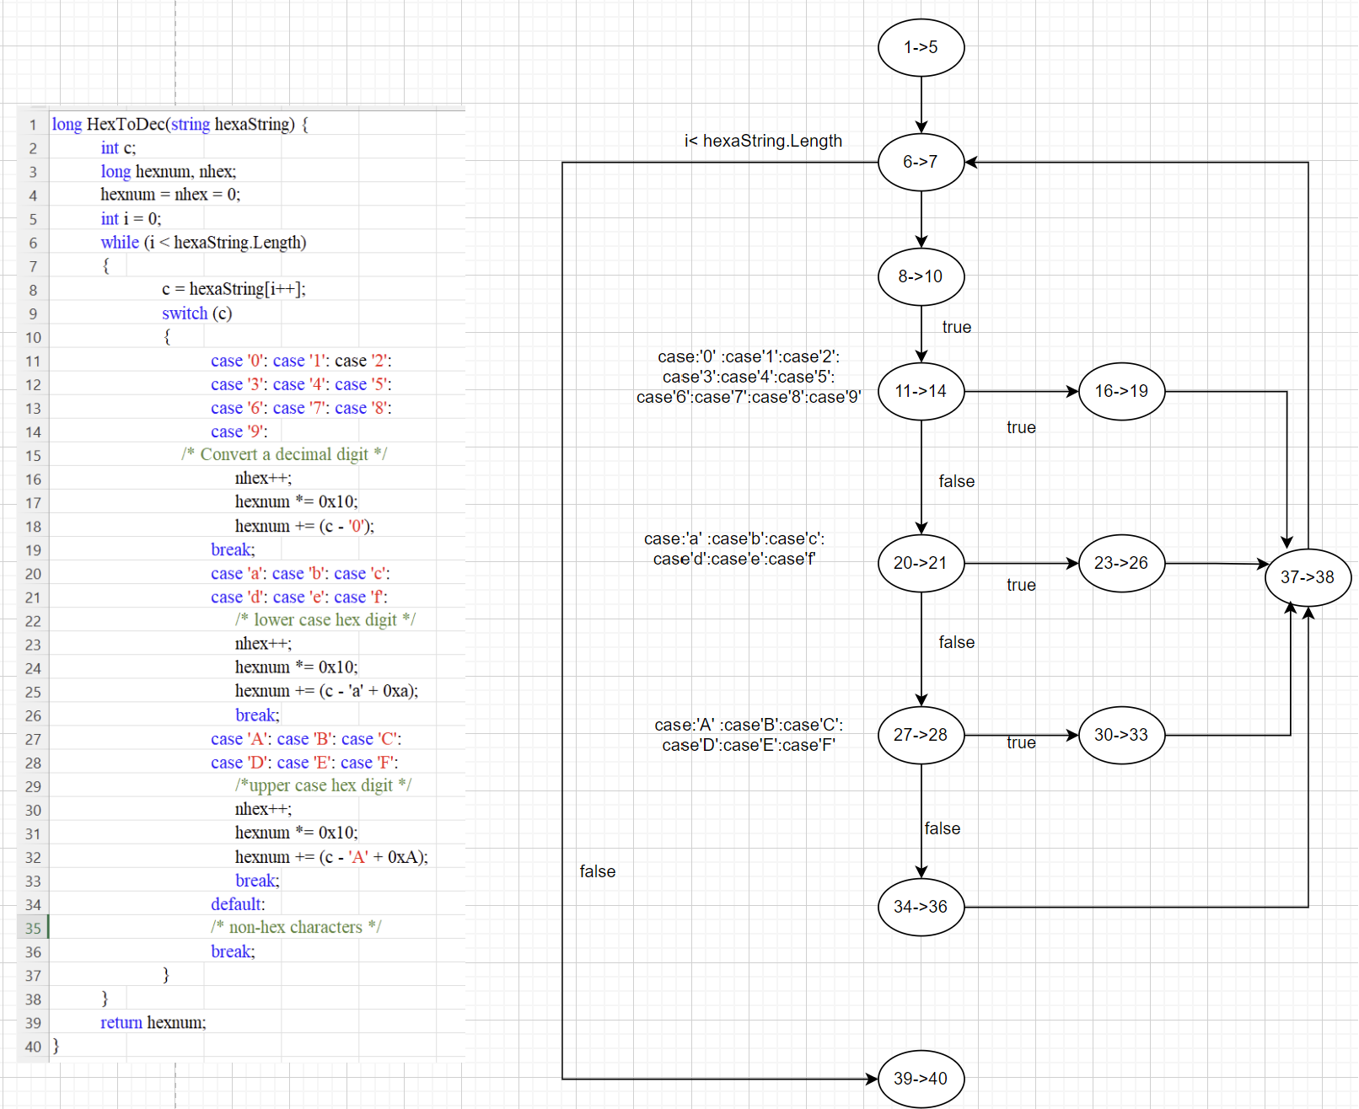

# | Condition | Input | Line number excuted | Expected result | Actual result | State
 |  | hexaString
1 |  | 1aBx | 1->5,6->7,8->10,11->14,16->19,17->18,6->7.8->10,11->14,20->21,23->26,37->38,6->7,8->10,11->14,20->21,27->28,30->33,37->38,6->7,8->10,11->14,20->21,27->28,34->36,37->38,6->7,38->40 | 427 | 427 | T

