Bài 01
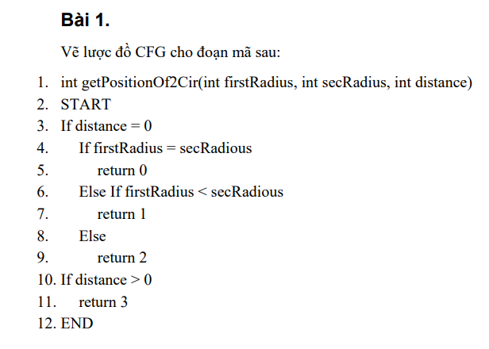
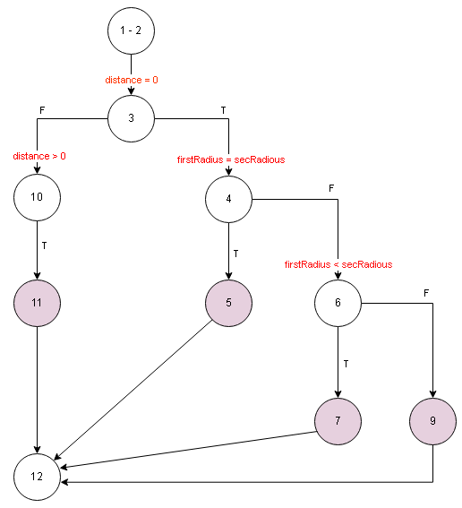

Bài 02
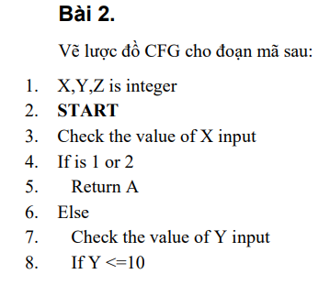
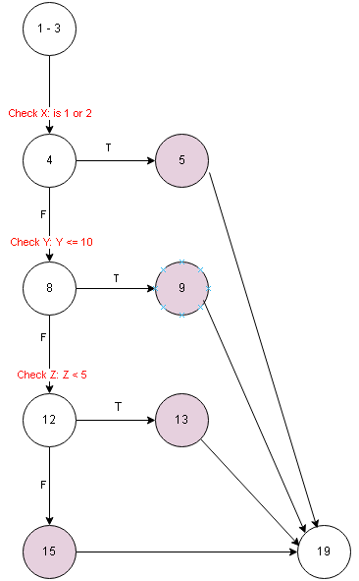

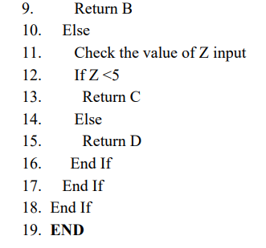

Bài 03
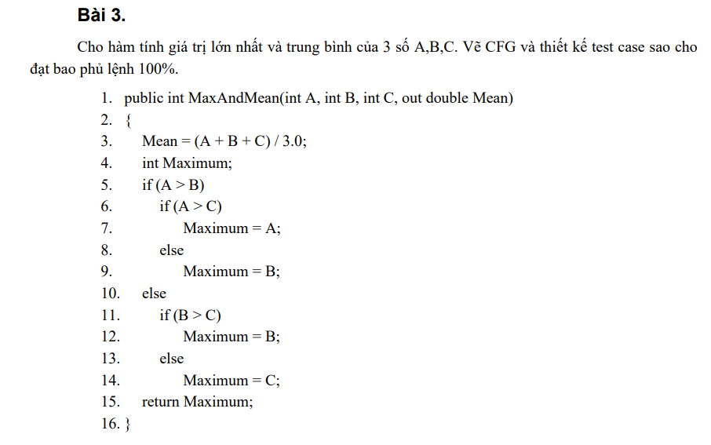
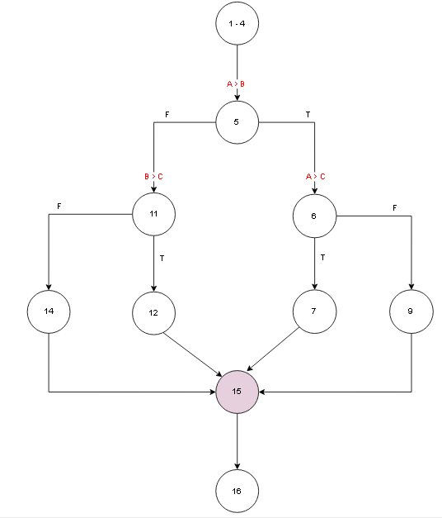

 |  | Input |  |  |  | Expected result
# | Condition | A | B | C | Line number excuted | Max | Mean
1 | (A > B)(TRUE) and (A > C)(TRUE) | 6 | 5 | 4 | 1 - 4, 5, 6, 7, 15, 16 | 6 | 5
2 | (A > B)(TRUE) and (A > C)(FALSE) | 6 | 5 | 7 | 1 - 4, 5, 6, 9, 15, 16 | 7 | 6
3 | (A > B)(FALSE) and (B > C)(TRUE) | 5 | 6 | 4 | 1 - 4, 5, 11, 12, 15, 16 | 6 | 5
4 | (A > B)(FALSE) and (B > C)(FALSE) | 5 | 6 | 7 | 1 - 4, 5, 11, 14, 15, 16 | 7 | 6

Bài 04
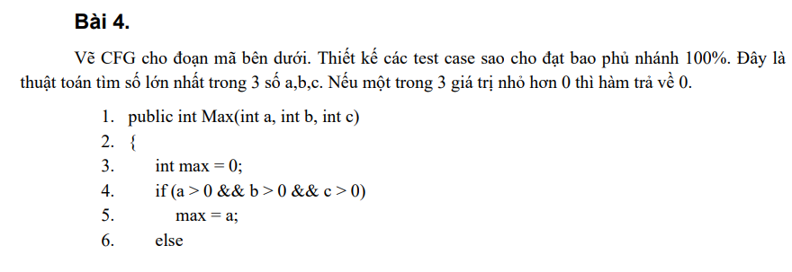

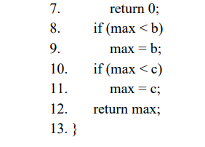

# | Condition | A | B | C | Line number excuted | Expected result
1 | (a > 0 && b > 0 && c > 0)(TRUE) and (max < b)(TRUE) and (max < c)(TRUE) | 5 | 6 | 7 | 1 - 3, 4, 5, 8, 9, 10, 11, 12, 13 | 7
2 | (a > 0 && b > 0 && c > 0)(TRUE) and (max < b)(FALSE) and (max < c)(FALSE) | 7 | 6 | 5 | 1 - 3, 4, 5, 8, 10, 12, 13 | 7
3 | (a > 0 && b > 0 && c > 0)(FALSE) | 0 | 6 | 7 | 1 - 3, 4, 7, 13 | 0

Bài 05
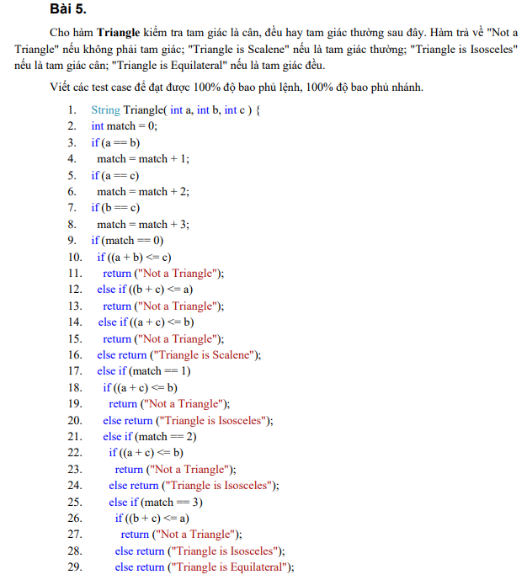
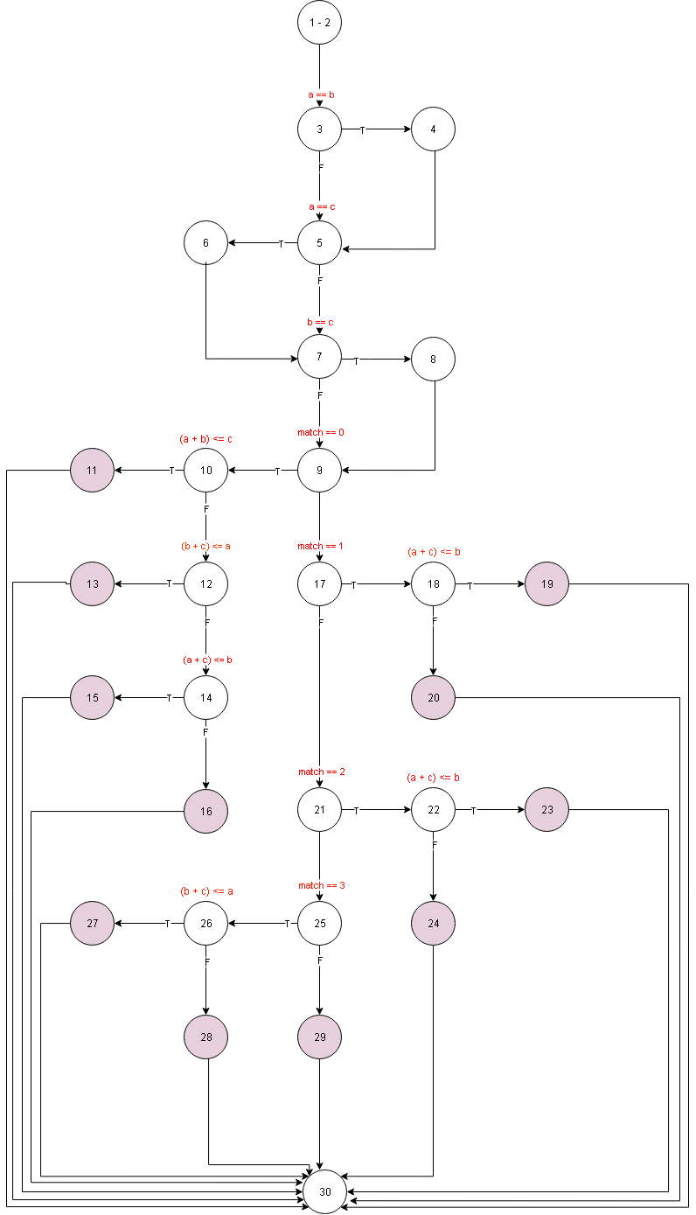

Bài 06
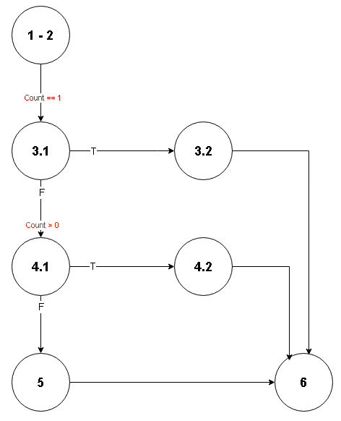

 |  | Input
# | Condition | Sum | Count | Line number excuted | Expected result
1 | Count == 1(TRUE) | 16 | 1 | 1 - 2, 3.1, 3.2, 6 | 16
2 | (Count == 1)(FALSE) && (Count > 0)(TRUE) | 16 | 2 | 1 - 2, 3.1, 4.1, 4.2, 6 | 6
3 | (Count == 1)(FALSE) && (Count > 0)(FALSE) | 16 | -2 | 1 - 2, 3.1, 4.1, 5, 6 | 0

Bài 07
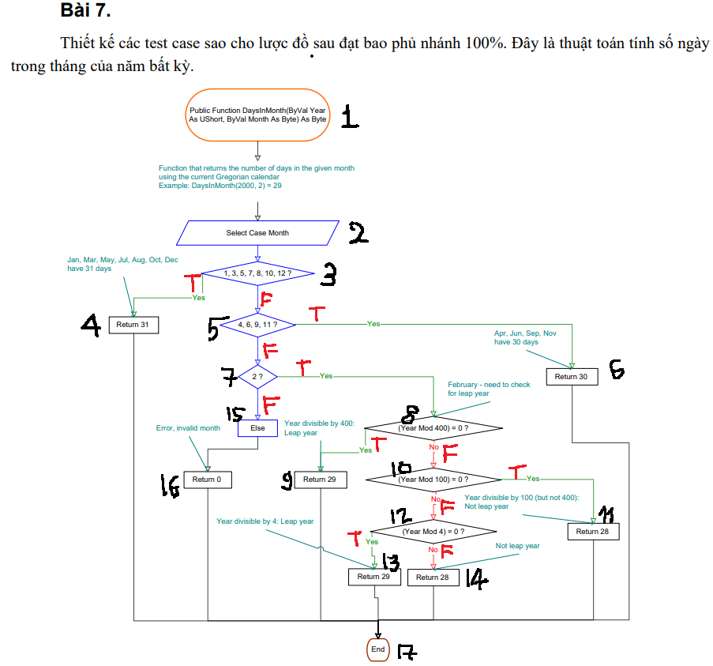
Tháng 1,3,5,7,8,10,12 → 31
Tháng 4,6,9,11 → 30
Tháng 2 → 29 nếu năm nhuận, 28 nếu không.
 | Năm nhuận khi:
 | chia hết cho 400, hoặc

 | chia hết cho 4 và không chia hết cho 100.

 | Nếu month không hợp lệ → 0.

 |  | Input
# | Condition | Year | Month | Line number excuted | Expected result
1 | (1, 3, 5, 7, 8, 10, 12)(TRUE) | 2025 | 10 | 1,2,3,4,17 | 31
2 | (1, 3, 5, 7, 8, 10, 12)(FALSE) and (4, 6, 9, 11 )(TRUE) | 2025 | 4 | 1,2,3,5,6,11 | 30
3 | (1, 3, 5, 7, 8, 10, 12)(FALSE) and (4, 6, 9, 11 )(FALSE) and (2)(FALSE) | 2025 | 13 | 1,2,3,5,7,15,16,17 | 0
4 | (1, 3, 5, 7, 8, 10, 12)(FALSE) and (4, 6, 9, 11 )(FALSE) and (2)(TRUE) and (Year Mod 400 = 0)(TRUE) | 2000 | 2 | 1,2,3,5,7,8,9,17 | 29
5 | (1, 3, 5, 7, 8, 10, 12)(FALSE) and (4, 6, 9, 11)(FALSE) and (2)(TRUE) and (Year Mod 400 = 0)(FALSE) and (Year Mod 100 = 0)(TRUE) | 1900 | 2 | 1,2,3,4,5,7,8,10,12,14,17 | 28
6 | (1, 3, 5, 7, 8, 10, 12)(FALSE) and (4, 6, 9, 11)(FALSE) and (2)(TRUE) and (Year Mod 400 = 0)(FALSE) and (Year Mod 100 = 0)(FALSE) and (Year Mod 4 = 0)(TRUE) | 2024 | 2 | 1,2,3,4,5,7,8,10,12,13,17 | 29
7 | (1, 3, 5, 7, 8, 10, 12)(FALSE) and (4, 6, 9, 11)(FALSE) and (2)(TRUE) and (Year Mod 400 = 0)(FALSE) and (Year Mod 100 = 0)(FALSE) and (Year Mod 4 = 0)(FALSE) | 2025 | 2 | 1,2,3,4,5,7,8,10,11,17 | 28

Bài 08
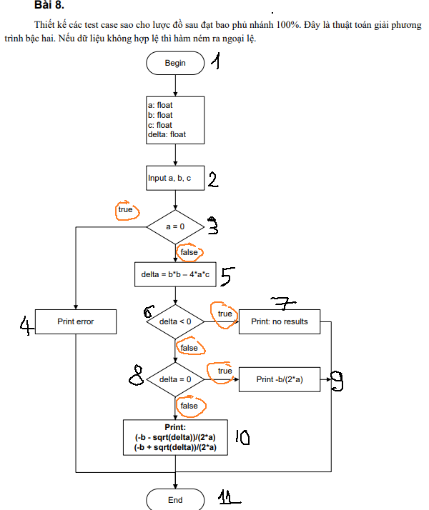
 |  |  |  |  |  | Expected result
# | Condition | a | b | c | Line number excuted | X1 | X2
1 | (a = 0)(TRUE) | 0 | 4 | 8 | 1,2,3,4,11 | -2 | NaN
2 | (a = 0)(FALSE) and (delta < 0)(TRUE) | 1 | 0 | 1 | 1,2,3,5,6,7,11 | NaN | NaN
3 | (a = 0)(FALSE) and (delta < 0)(FALSE) and (delta = 0)(TRUE) | 4 | 4 | 1 | 1,2,3,5,6,8,9,11 | -0.5 | -0.5
4 | (a = 0)(FALSE) and (delta < 0)(FALSE) and (delta = 0)(FALSE) | 1 | -5 | 4 | 1,2,3,5,6,8,10,11 | 4 | 1

Bài 09
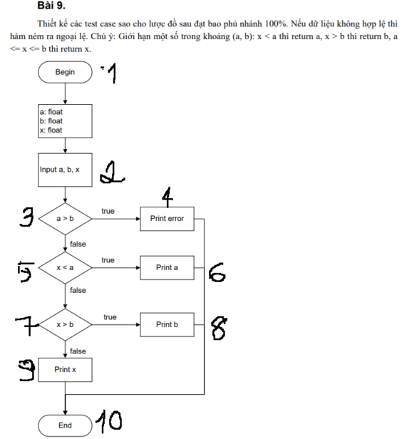
 |  | Input
# | Condition | a | b | x | Line number excuted | Expected result
1 | (a > b)(TRUE) | 6 | 4 | 8 | 1,2,3,4,10 | Error
2 | (a > b)(FALSE) and (x < a)(TRUE) | 10 | 12 | 4 | 1,2,3,5,6,10 | 10
3 | (a > b)(FALSE) and (x < a)(FALSE) and (x > b)(TRUE) | 10 | 14 | 18 | 1,2,3,5,7,8,10 | 14
4 | (a > b)(FALSE) and (x < a)(FALSE) and (x > b)(FALSE) | 10 | 16 | 12 | 1,2,3,5,7,8,9,10 | 12

Bài 11
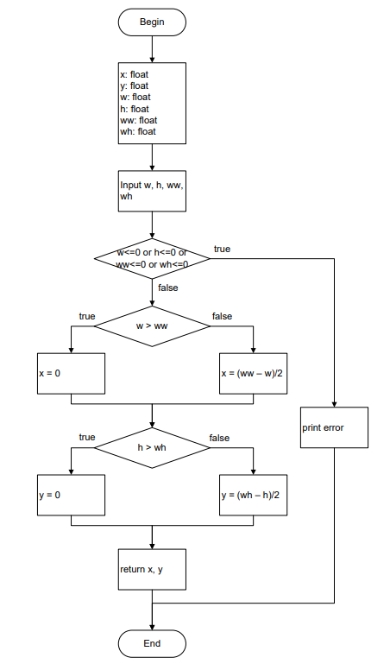

Bài 12
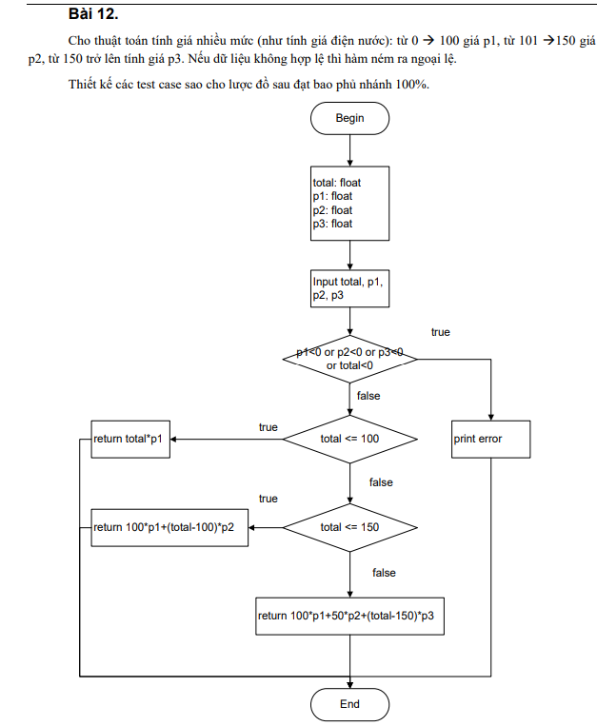

Bài 13
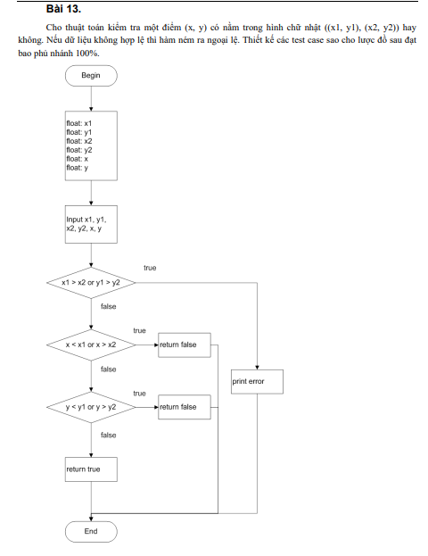

Bài 14
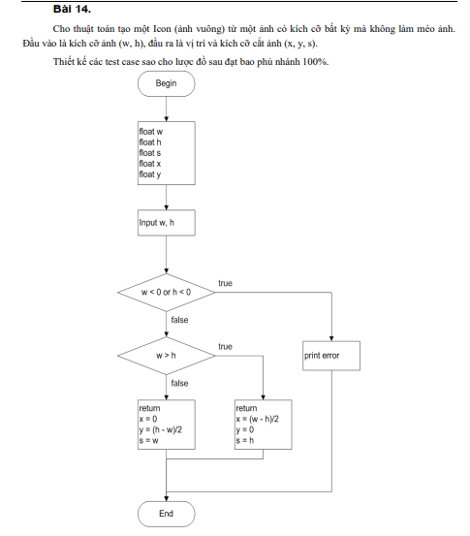

Bài 15
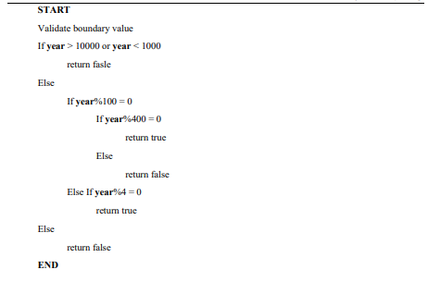

Bài 16
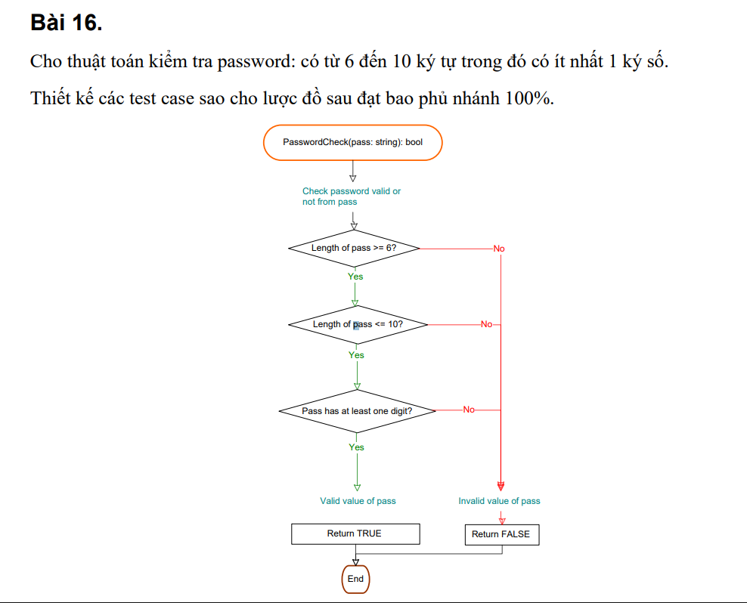

Bài 17
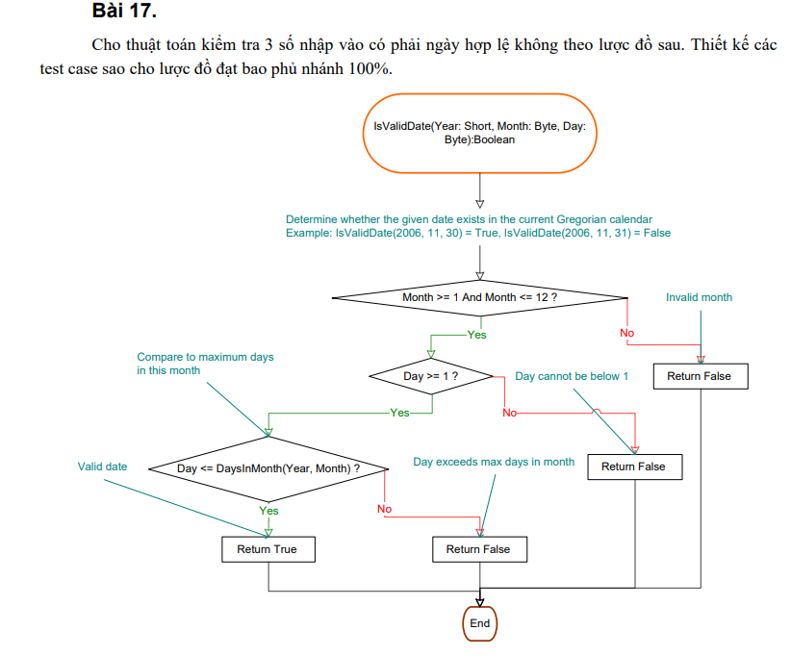

Bài 18
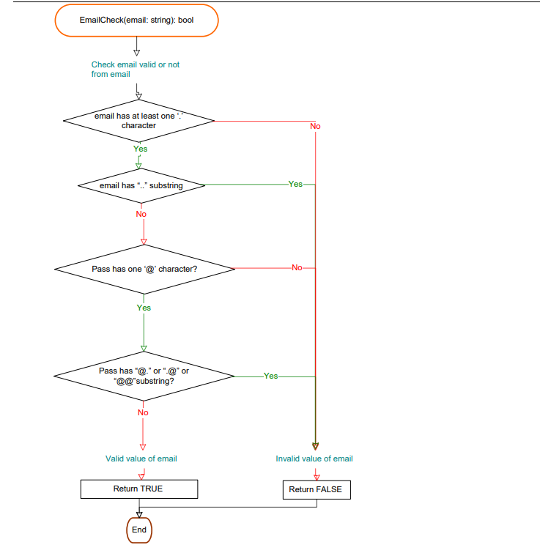

Bài 19
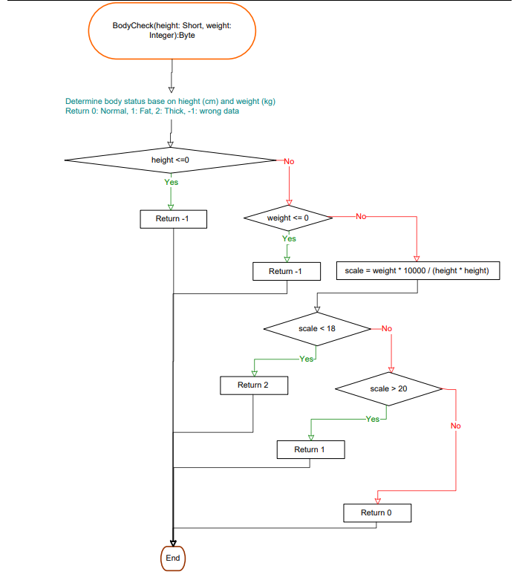

Bài 20
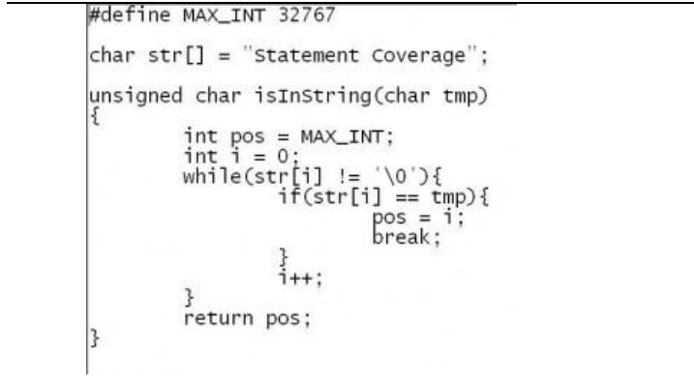

Bài 21
