Modules
モジュール設計
 |  |  |  |  |  |  | a |  |  |  |  |  |  | a
Requestor side |  |  |  |  |  |  |  |  | Server/ Service side |  |  |  |  |  |  |  | Supporter side

Register |  |  |  |  |  |  |  |  |  |  |  |  |  |  | Register

 |  |  |  |  |  | name |  | Save to DB |  |  |  |  |  |  |  |  |  | name
 |  |  |  |  |  | password |  |  |  |  |  |  |  |  |  |  |  | password
 |  |  |  |  |  | language |  |  |  |  |  |  |  |  |  |  |  | language
Register
Register
 |  |  |  |  |  | support language |  |  |  |  |  |  |  |  |  |  |  | support language

Login |  |  |  |  |  |  |  |  |  |  |  |  |  |  | Login

 |  |  |  |  |  | name |  | Login logic

 |  |  |  |  |  | password
Login

New request
MainPage
this part is optional, not required, for extension in future
past request 1
past request 2
......

Request
Support

Requestor: Click i119 button

chat
video
direct
 | Input |  |  |  |  |  |  |  |  | Input
 |  | content |  |  |  |  |  |  |  |  | content
 |  | language |  | =user.language |  |  |  |  |  |  | language
i119
 |  | option | chat, video, direct |  |  |  |  |  |  |  | option
 |  | request account |  |  |  |  |  |  |  |  | request account

 | Processing |  |  |  |  |  |  |  |  | Processing
 |  | return receive=1 |  |  |  |  |  |  |  |  | requestTime from system time
 |  | call logic.findUser |  |  | (call to http server) |  |  |  |  |  | user.findBy time, language, support method, maploc
 |  |  |  |  |  |  |  |  |  |  |  |  | find in db, redis
 | Output |  |  |  |  |  |  |  |  |  | if return empty: send result to requestor by requestid
 |  | Display loading Screening
Notify
userxx has request:
xxxx content xxx
 |  | requestId
 |  |  |  |  |  |  |  |  |  |  | if has free user, send push notify to them
Requestor: Click Cancel button |  |  |  |  |  |  |  |  |  |  |  | (user.dismiss=false: over)
Cancel
 | Input
 |  | requestId |  |  |  |  |  |  |  |  | if all supportor dismiss
Support
 | Process
Dismiss
 |  | set cancelFlag=true |  |  |  |  |  |  |  |  | if have supportor accept, find finish
 | Output
 |  | Loading screen is close.

update status
 |  |  |  |  |  |  |  |  |  |  |  |  |  |  | Click Dismiss
 |  |  |  |  |  |  |  |  |  |  |  |  |  |  |  | sent supportXXX=dismiss

NoAnyone is free now

XXX.san is going to support you
Please wait the moment
 |  |  |  |  |  |  |  |  |  |  |  |  |  |  | Click Support
 |  |  |  |  |  |  |  |  |  |  |  |  |  |  |  | Display Chat button, Video call button

 |  |  |  |  |  |  |  |  |  | Input |  |  |  |  | Click Chat button
 |  |  |  |  |  |  |  |  |  |  | requestor info |  |  |  |  | Create chat thread between requestor vs supporter
 |  |  |  |  |  |  |  |  |  |  | supportor info

 |  |  |  |  |  |  |  |  |  | Processing
 |  |  |  |  |  |  |  |  |  |  | connection to chat

 |  |  |  |  |  |  |  |  |  | Output

 |  |  |  |  |  |  |  |  |  | Input |  |  |  |  | Click Video call button
 |  |  |  |  |  |  |  |  |  |  | requestor info |  |  |  |  | Create thread between requestor vs supporter to call video
 |  |  |  |  |  |  |  |  |  |  | supportor info

 |  |  |  |  |  |  |  |  |  | Processing
 |  |  |  |  |  |  |  |  |  |  | connection to video call

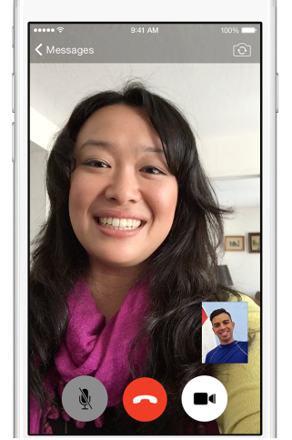
 |  |  |  |  |  |  |  |  |  | Output

 |  |  |  |  |  |  | z |  |  |  |  |  |  | z

