Sheet4
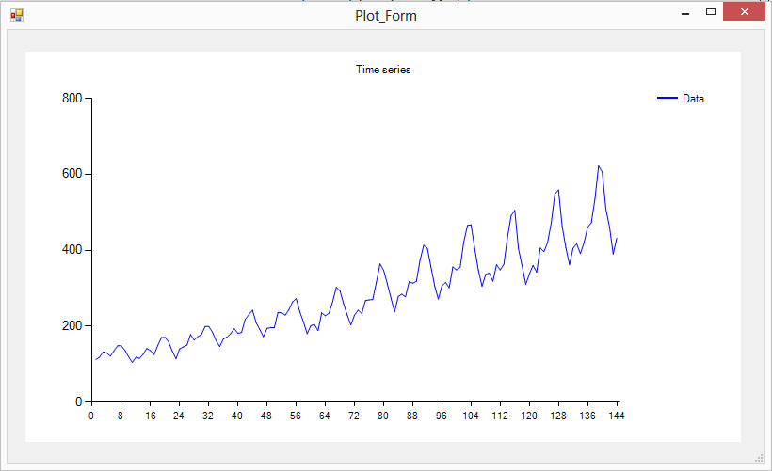

airpass.dat

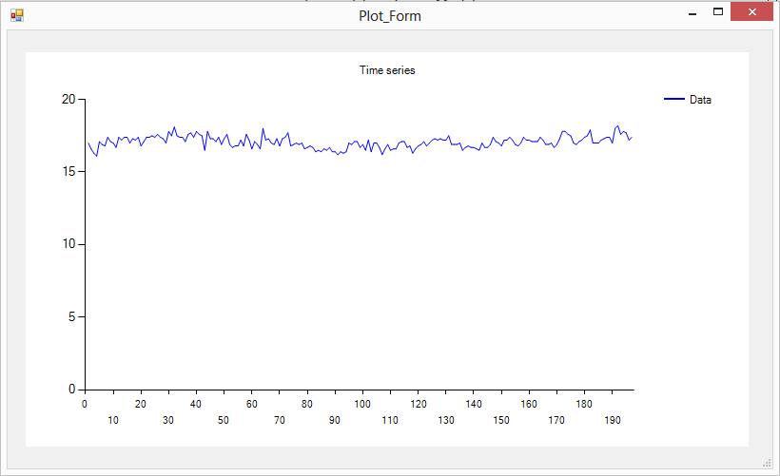

chemical.dat

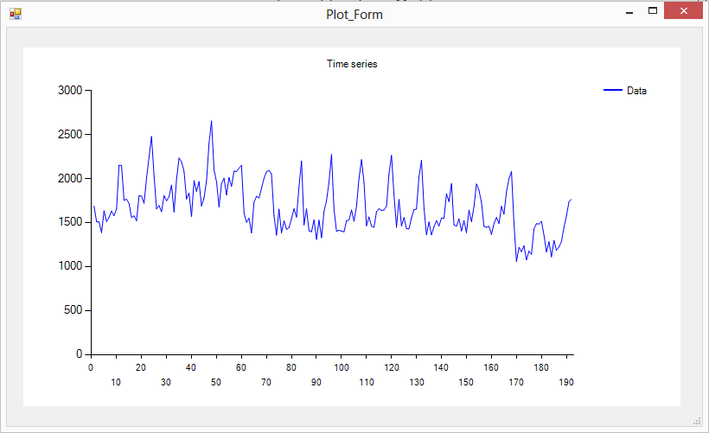

deaths.dat

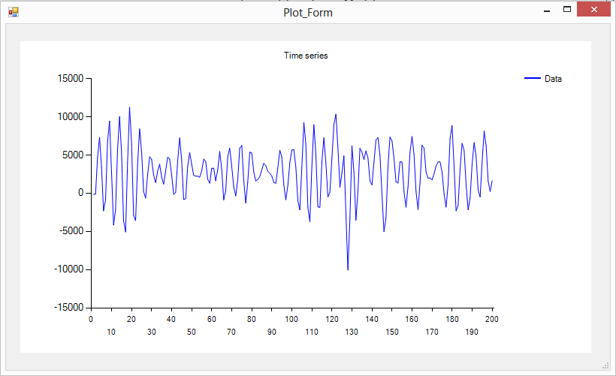

kobe.dat

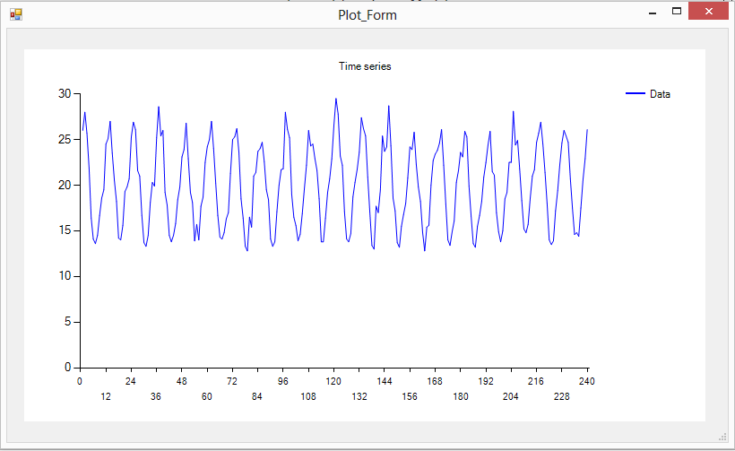

maxtemp.dat

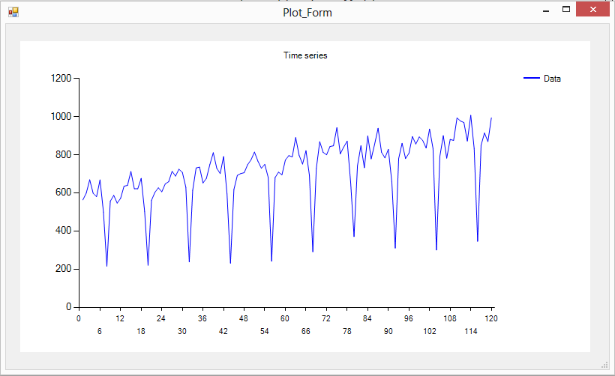

paper.dat

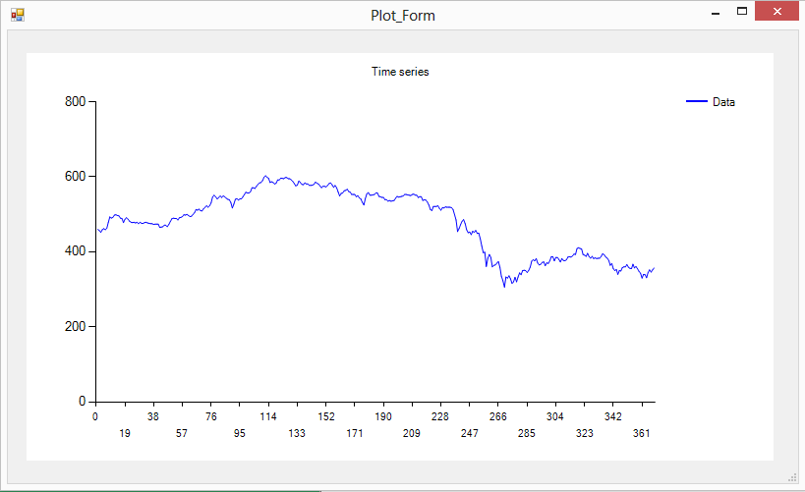

prices.dat

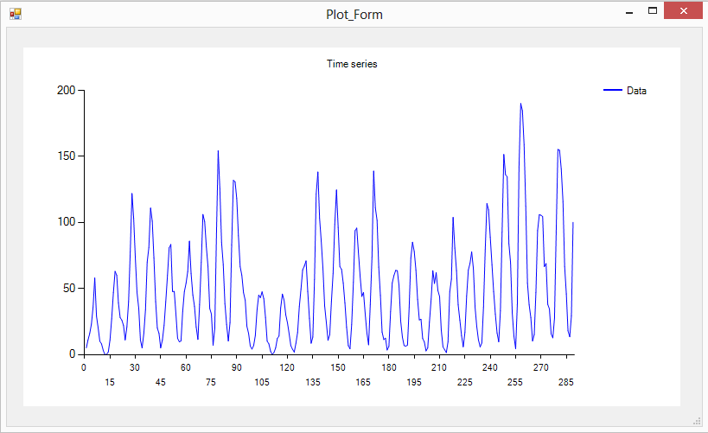

sunspot.dat

Passengers
ANNs

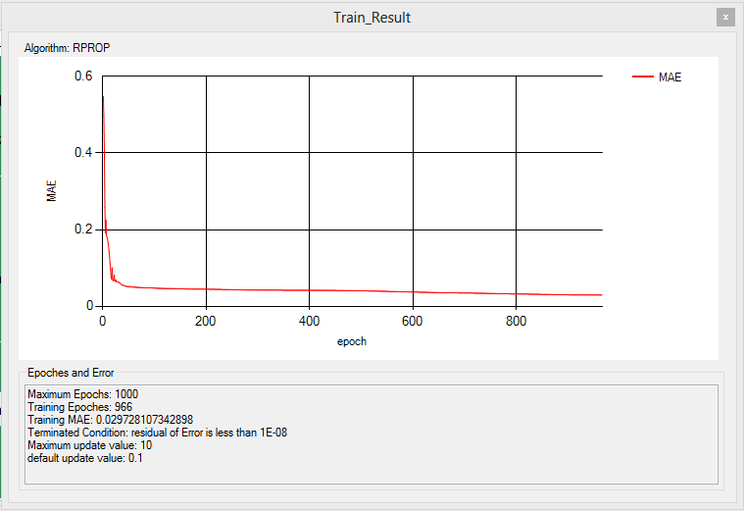
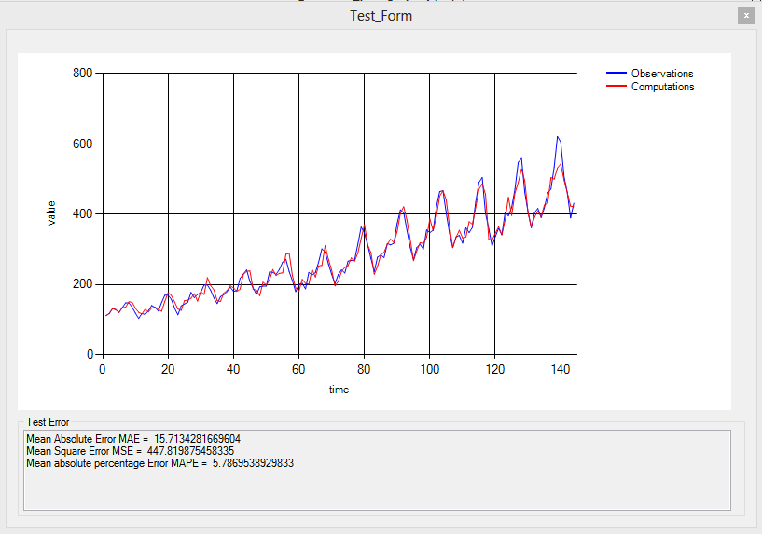
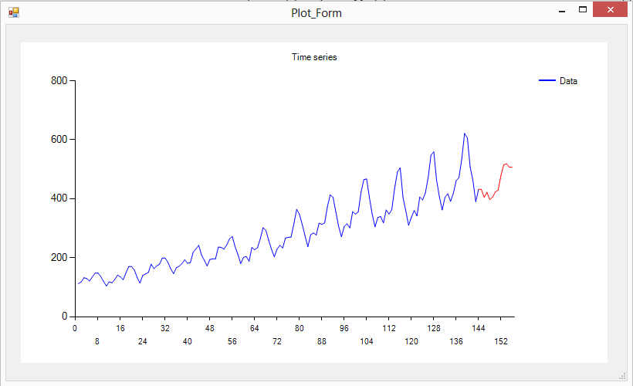

ARIMA
ARIMA(1, 1, 0)(1, 1, 0)12
Perception |1.96302856258535E-05
Order | 1 |
AR Regular coef | -0.131 |
MA Regular coef |
AR Season coef | 0.002 |
MA Season coef |
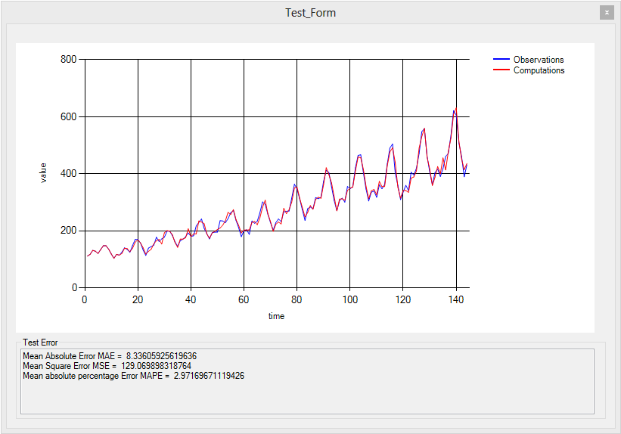
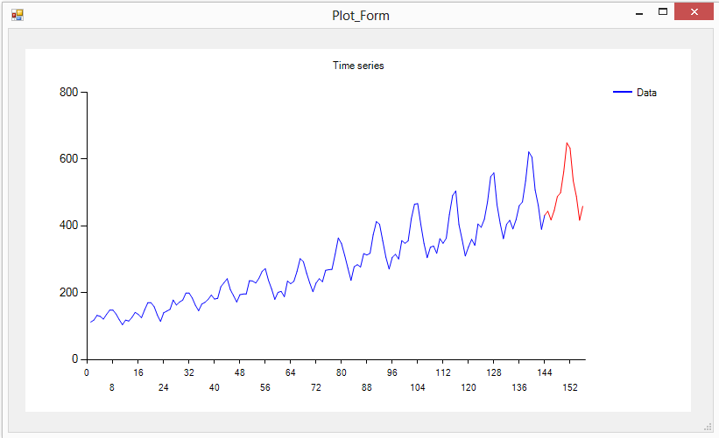

Hybrid

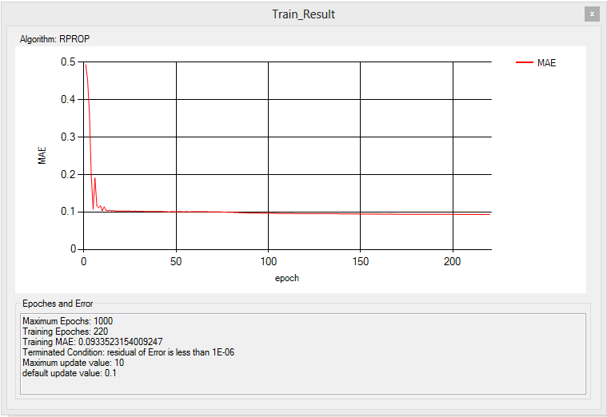


 |  | Model | MAE | MSE | MAPE
 | ANNs | Neuron(6,6,1), Algorithm=RPROP, epoches=153, Residual=1E-6, default_update=0.1, max_update=10 | 24.46 | 974.08 | 8.92
 |  | Neuron(6,6,1),Algorithm=Back Propagation, epoches=616, Residual=1E-6, learning_rate=0.4, momemtum = 0,2 | 26.81 | 1228.73 | 9.74
 | SARIMA | ARIMA(1, 1, 0)(1, 1, 0)12 | 8.34 | 129.07 | 2.97
 | Hybrid | ARIMA(1, 1, 0)(1, 1, 0)12 Neuron(6,6,1),Algorithm=RPROP, epoches=88, Residual=1E-6, default_update=0.1, max_update=10 | 7.9 | 120.22 | 2.75
 |  | ARIMA(1, 1, 0)(1, 1, 0)12 Neuron(6,6,1),Algorithm=Back Propagation, epoches=114, Residual=1E-6, learning_rate=0.4, momemtum = 0,2 | 8.2 | 132.78 | 2.82

 |  |  | |

