因子字典
类别 | 因子名称 | 因子计算 | 参数 | IC | ICIR | 最优调仓天数 | 单调性 | 分布 | 分组曲线
动量 | Second_Order_Momentum_Factor | df['MA'] = df['close'].rolling(window=window_1).mean() # 计算最新一期收盘价与过去一段时间均价的偏离度 df['Deviation'] = (df['close'] - df['MA']) / df['MA'] # 计算（最新一期收盘价与过去一段时间均价的偏离度）-过去window2日的（最新一期收盘价与过去一段时间均价的偏离度） df['Deviation_Diff'] = df['Deviation'] - df['Deviation'].shift(window_2) # 将上述的结果进行指数加权移动平均，平均日数量为Window日 df['factor'] = df['Deviation_Diff'].ewm(span=window_3).mean() | window1=20 | 0.052 | 0.157 | 10 | 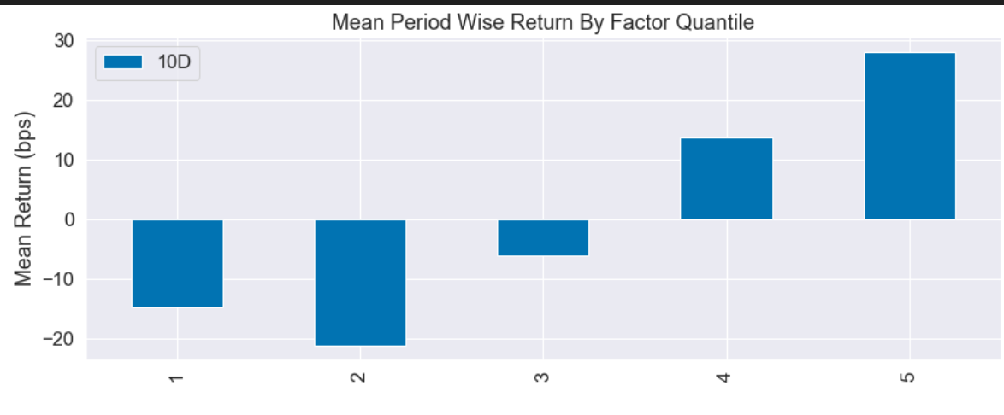 | 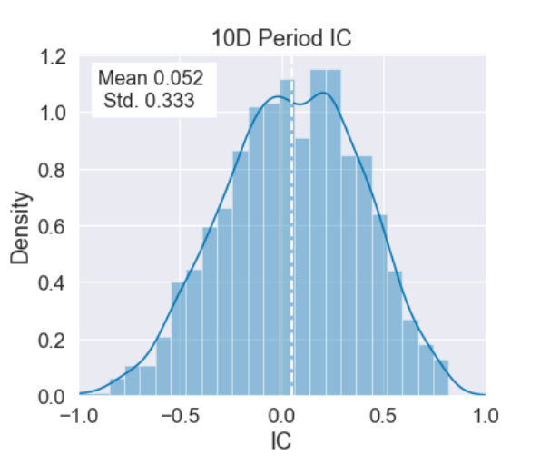
 |  |  | window2=10
 |  |  | window_3=5
 | MA_Deviation_Factor | # 确保数据按照时间排序 df = df.sort_values('time') # 计算N日均线 df[f'{window}day_MA'] = df['close'].rolling(window=window).mean() # 计算偏离因子 df['factor'] = (df['close'] - df[f'{window}day_MA']) / df[f'{window}day_MA'] | window=240 | 0.107 | 0.325 | 20 | 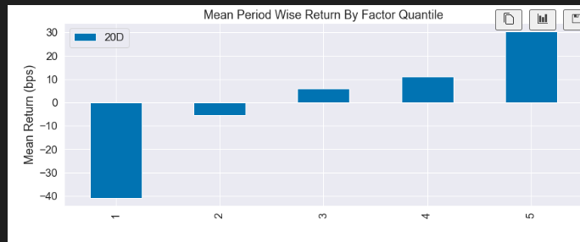 | 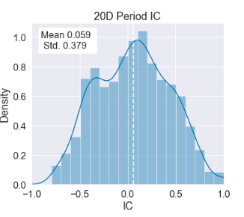

 | Momentum_Term_Spread_Factor | # 确保数据按照时间排序 df = df.sort_values('time') # 计算长期动量 df['long_term_momentum'] = (df['close'] - df['close'].shift(window_1)) / df['close'].shift(window_1) # 计算短期动量 df['short_term_momentum'] = (df['close'] - df['close'].shift(window_2)) / df['close'].shift(window_2) # 计算动量期限差因子 df['factor'] = df['long_term_momentum'] - df['short_term_momentum'] | window1=135 | 0.095 | 0.347 | 30

 |  |  | window2=30
 | UDVD | def calculate_factor(df,window_1): # 确保数据按时间排序 df = df.sort_values(by='time') # 提取所需的列 open = df['open'] high = df['high'] low = df['low'] # 计算 volup 和 voldown volup = (high - open) / open voldown = (open - low) / open ud = volup - voldown # 计算 var_1 df["var_1"] = ud.rolling(window_1).mean() # 将 var_1 设置为因子值 df['factor'] = df['var_1'] return df | window=10 | 0.047 | 0.159 | 10 | 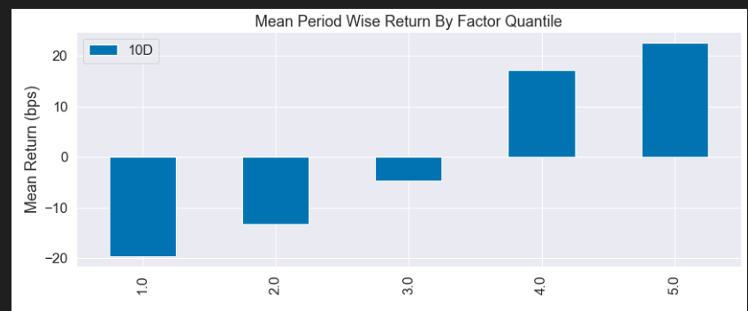 | 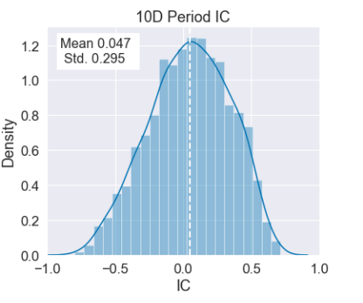 | 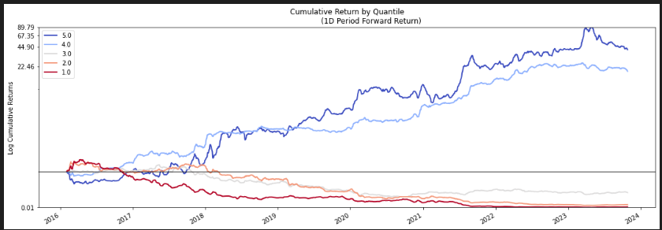
 | Open-Close VWAP Divergence | # 确保数据按照时间排序 df = df.sort_values('time') # 计算每天的平均价格 (high + low + close) / 3 df['avg_price'] = (df['high'] + df['low'] + df['close']) / 3 # 计算VWAP df['vwap'] = (df['avg_price'] * df['volume']).cumsum() / df['volume'].cumsum() # 计算VWAP的10日均值 df['vwap_mean'] = df['vwap'].rolling(window=window).mean() # 计算开盘价与10日VWAP均值的差值 df['open_vwap_diff'] = df['open'] - df['vwap_mean'] # 计算收盘价与VWAP的差值 df['close_vwap_diff'] = df['close'] - df['vwap'] # 对上述差值进行排名 df['rank_open_vwap_diff'] = df['open_vwap_diff'].rank(method='first') df['rank_close_vwap_diff'] = df['close_vwap_diff'].rank(method='first') # 计算因子值 df['factor'] = df['rank_open_vwap_diff'] * (-1 * abs(df['rank_close_vwap_diff'])) return df | window=10 | 0.123 | 0.389 | 30 | 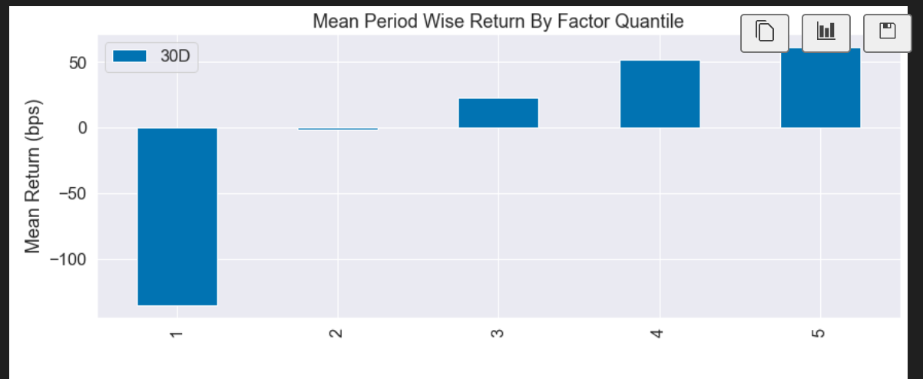 | 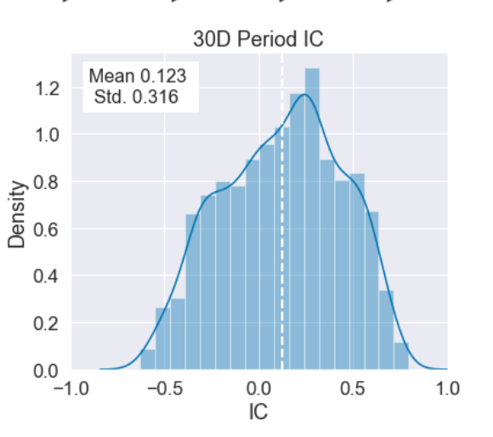 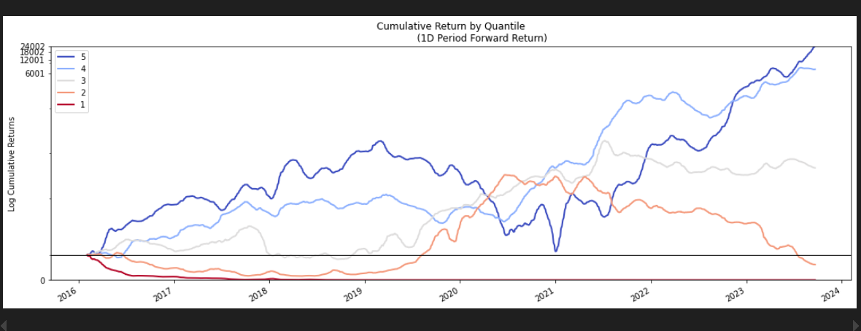
 | open_return_delay_rank（ordr) | # 确保数据按照时间排序 df = df.sort_values('time') # 计算每日收益率 df['returns'] = df['close'].pct_change() # 计算开盘价的5日和 df['sum_open_5'] = df['open'].rolling(window_1).sum() # 计算收益率的5日和 df['sum_returns_5'] = df['returns'].rolling(window_1).sum() # 计算5日开盘价和与5日收益率和的乘积 df['product_sum_open_returns_5'] = df['sum_open_5'] * df['sum_returns_5'] # 计算上述乘积序列的10日延迟值 df['delay_product_10'] = df['product_sum_open_returns_5'].shift(window_2) # 计算乘积与其延迟值的差值 df['diff'] = df['product_sum_open_returns_5'] - df['delay_product_10'] # 计算排名 df['rank'] = df['diff'].rank(pct=True) # 将排名值乘以 -1 df['factor'] = -1 * df['rank'] | window_1=35 window_2=70 | 0.049 | 0.147 | 30 | 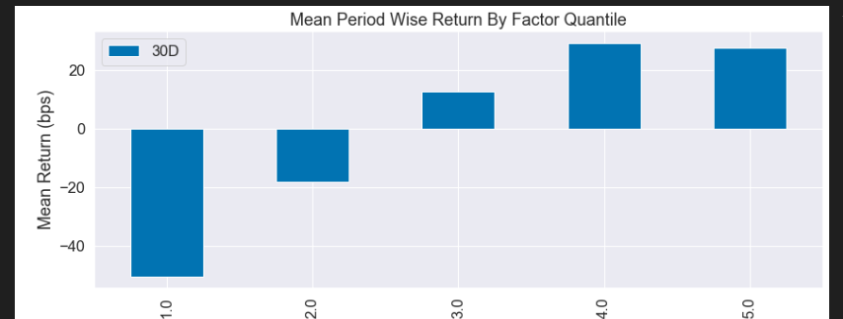 | 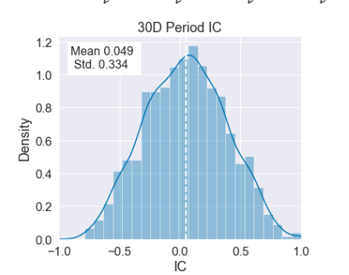 | 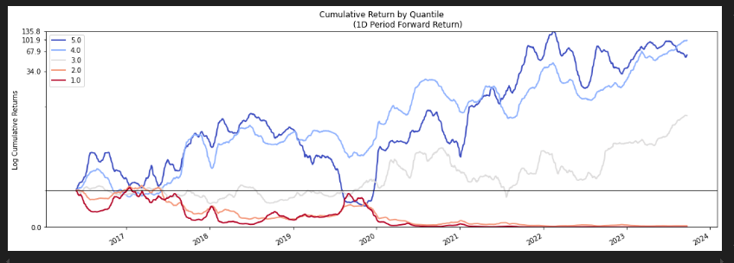
 | VWAP_volume_momentum_factor | # 确保数据按照时间排序 df = df.sort_values('time') # 计算每天的平均价格 (high + low + close) / 3 df['avg_price'] = (df['high'] + df['low'] + df['close']) / 3 # 计算VWAP df['vwap'] = (df['avg_price'] * df['volume']).cumsum() / df['volume'].cumsum() # 计算VWAP与收盘价的差值 df['vwap_close_diff'] = df['vwap'] - df['close'] # 计算3日内VWAP与收盘价差值的最大值和最小值 df['vwap_close_diff_max'] = df['vwap_close_diff'].rolling(window=window).max() df['vwap_close_diff_min'] = df['vwap_close_diff'].rolling(window=window).min() # 对最大值和最小值进行排名 df['rank_vwap_close_diff_max'] = df['vwap_close_diff_max'].rank(method='first') df['rank_vwap_close_diff_min'] = df['vwap_close_diff_min'].rank(method='first') # 计算3日内成交量变化 df['delta_volume'] = df['volume'].diff(window) # 对成交量变化进行排名 df['rank_delta_volume'] = df['delta_volume'].rank(method='first') # 计算因子值 df['factor'] = (df['rank_vwap_close_diff_max'] + df['rank_vwap_close_diff_min']) * df['rank_delta_volume'] return df | window=8 | 0.063 | 0.218 | 10 | 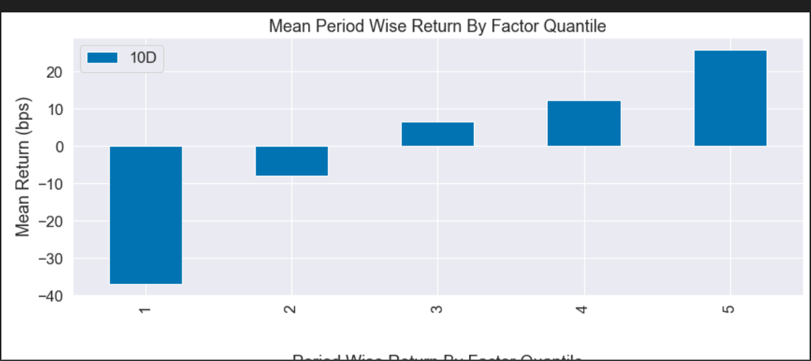 | 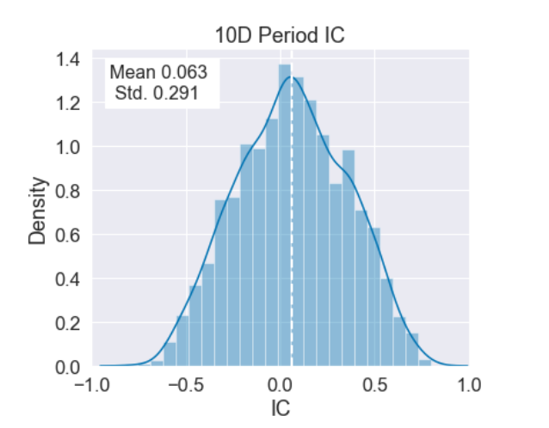 | 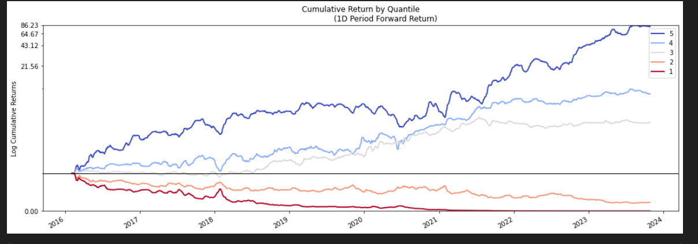
风险收益率类 | Sharp_Ratio_Factor (与动量因子中的Momentum_Term_Spread_Factor和sortino相关性太高） | df=df.sort_values(by='time') df['pct']=df['close'].pct_change() df['factor']=df['pct'].rolling(window).apply(lambda x:em.sharpe_ratio(x,risk_free=0)) | window=155 | 0.095 | 0.259 | 30 | 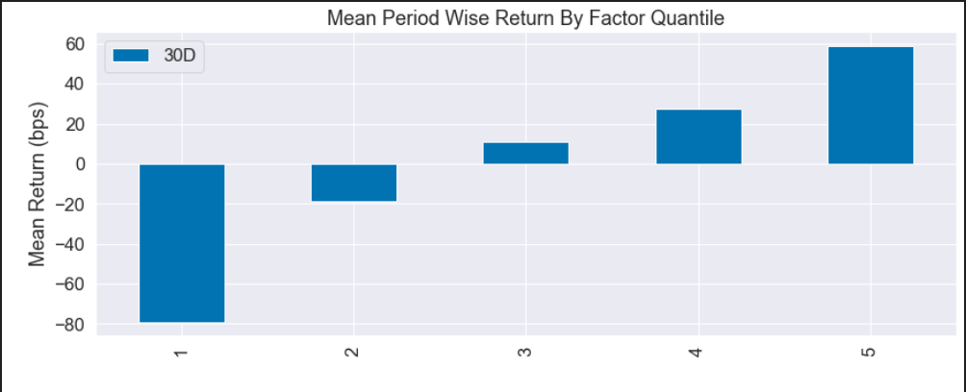 | 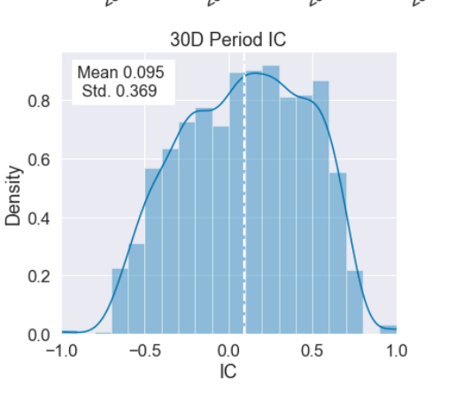
 | sortino_ratio_factor | def calculate_factor(df,window): df=df.sort_values(by='time') df['pct']=df['close'].pct_change() df['factor']=df['pct'].rolling(window).apply(lambda x:em.sortino_ratio(x)) return df | window=165 | 0.076 | 0.209 | 10 | 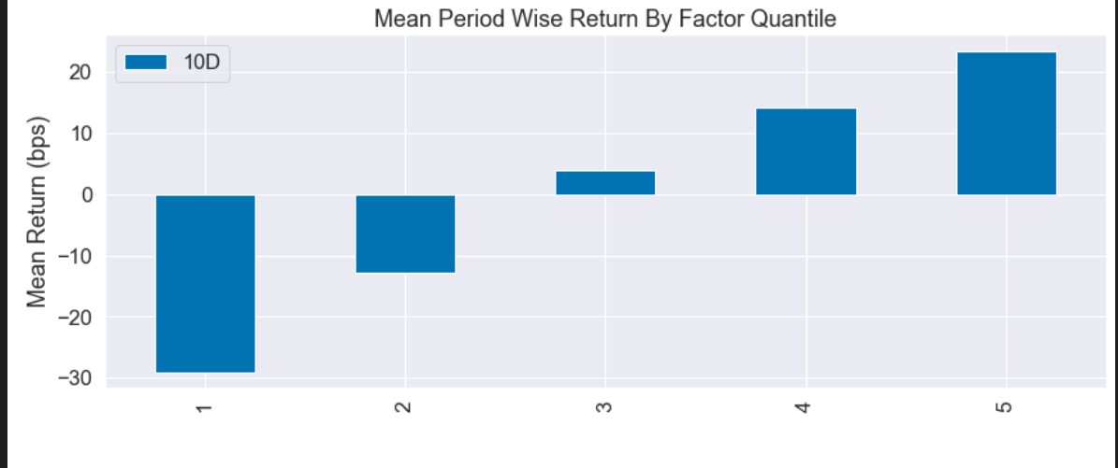 | 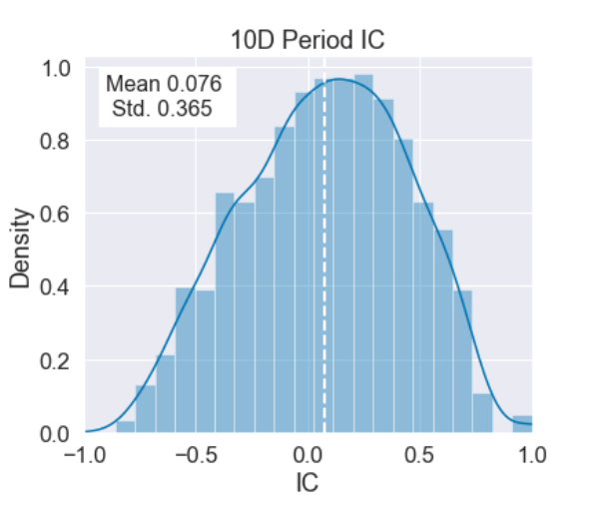 | 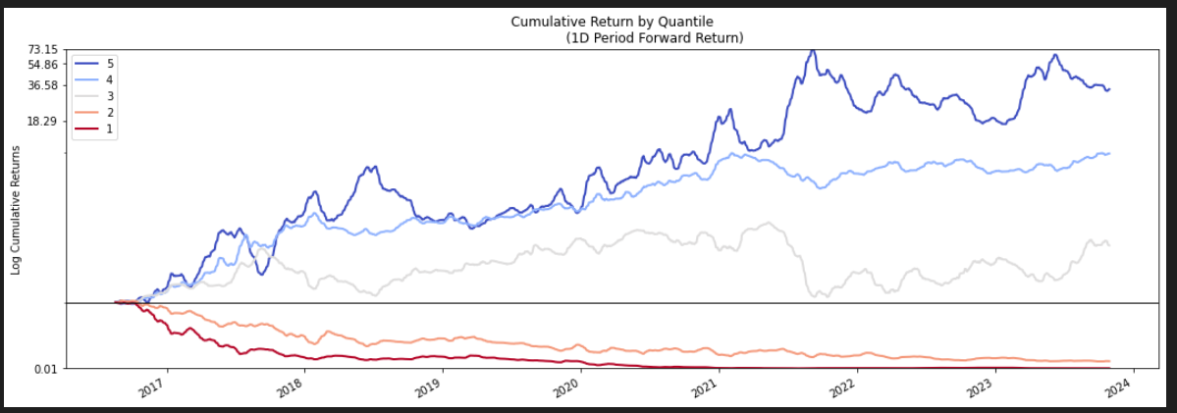
成交量波动 | Amount_volume_STD_Factor | # 确保数据按照时间排序 df = df.sort_values('time') # 计算成交额和成交量的移动窗口标准差 df['amount_std'] = df['amount'].rolling(window).std() df['volume_std'] = df['volume'].rolling(window).std() df=df.dropna() # 标准化两个因子 df['amount_factor'] = df[['amount_std']].transform(zscore) df['volume_factor'] = df[['volume_std']].transform(zscore) #得到因子值 df['factor']=-(df['amount_factor']+df['volume_factor'])/2 | window=440 | 0.079 | 0.315 | 30 | 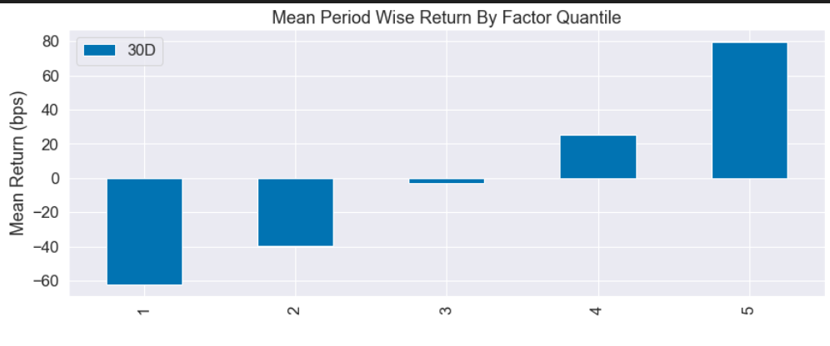 | 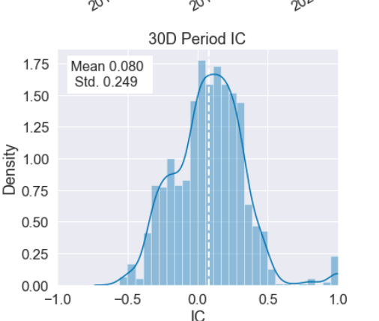

多空对比类 | long_short_compare_factor | df['LS_Compare'] = df['volume'] * ((df['close'] - df['low']) - (df['high'] - df['close'])) / (df['high'] - df['low']) long_term = df['LS_Compare'].ewm(span=window_1).mean() short_term = df['LS_Compare'].ewm(span=window_2).mean() df['factor'] = -(long_term - short_term) | window1=35 | 0.3 | 0.124 | 10 | 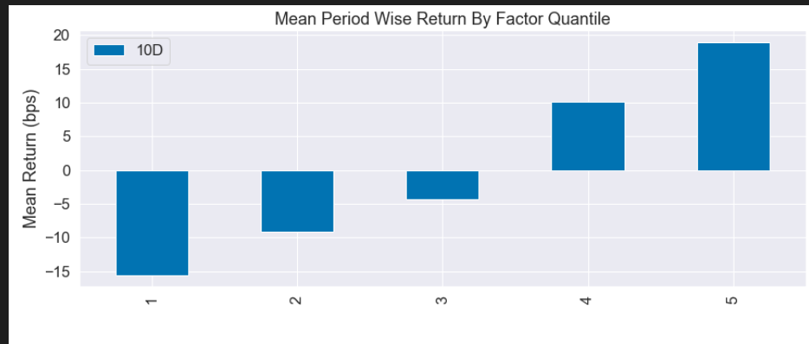 | 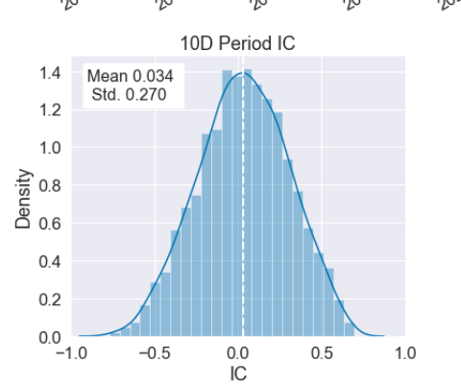
 |  |  | window2=17
量价背离 | Volume-Price Divergence Factor | # 确保数据按照时间排序 df = df.sort_values('time') # 计算log(volume)的变化率 df['log_volume'] = np.log(df['volume']) df['delta_log_volume'] = df['log_volume'].diff(window_1) # 计算 (close - open) / open df['close_open_ratio'] = (df['close'] - df['open']) / df['open'] # 对delta_log_volume和close_open_ratio进行排名 df['rank_delta_log_volume'] = df['delta_log_volume'].rank(method='first') df['rank_close_open_ratio'] = df['close_open_ratio'].rank(method='first') # 计算rank(delta(log(volume), 2))与rank(((close - open) / open))的相关性 df['correlation'] = df['rank_delta_log_volume'].rolling(window=window_2).corr(df['rank_close_open_ratio']) # 计算因子值 df['factor'] = -1 * df['correlation'] | window_1=10 window_2=20 | 0.55 | 0.216 | 30 | 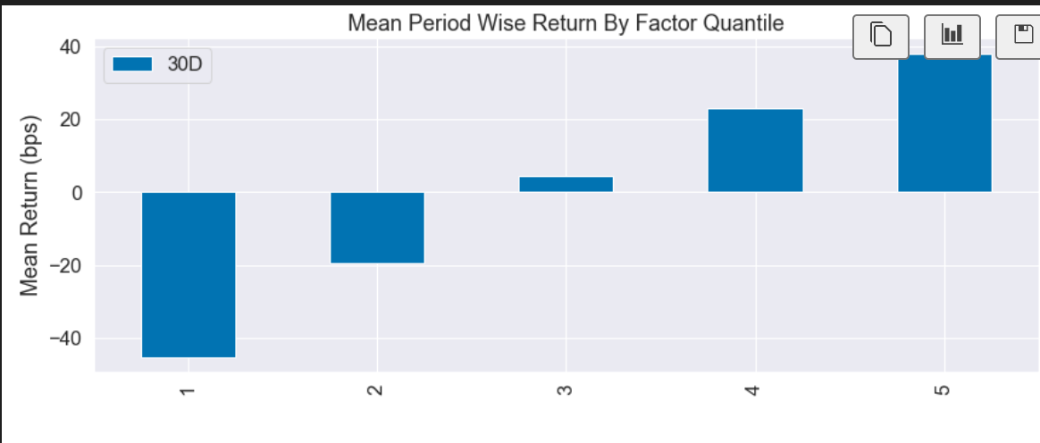 | 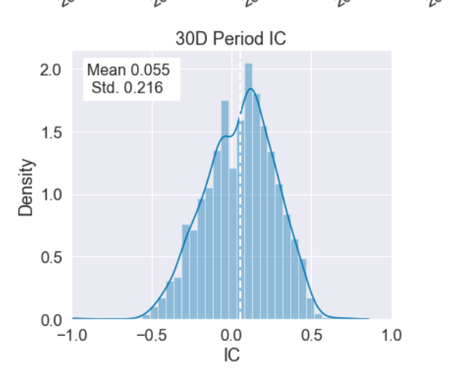 | 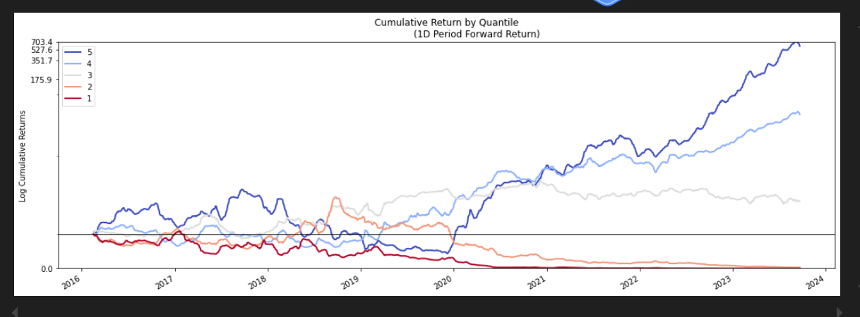
 | Ranked Covariance Factor | df = df.sort_values('time') # 计算收盘价的排名 df['rank_close'] = df['close'].rank(method='first') # 计算成交量的排名 df['rank_volume'] = df['volume'].rank(method='first') # 计算窗口期内的协方差 df['cov_rank_close_volume'] = df[['rank_close', 'rank_volume']].rolling(window=window).cov().unstack().iloc[:, 1] # 对协方差进行排名 df['rank_cov'] = df['cov_rank_close_volume'].rank(method='first') # 计算因子值 Alpha#13 df['factor'] = df['rank_cov'] | window=12 | 0.034 | 0.142 | 10 | 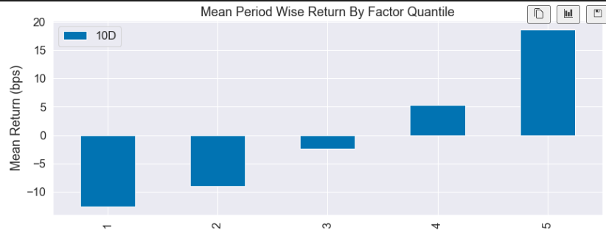 | 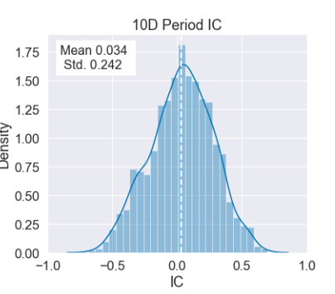 | 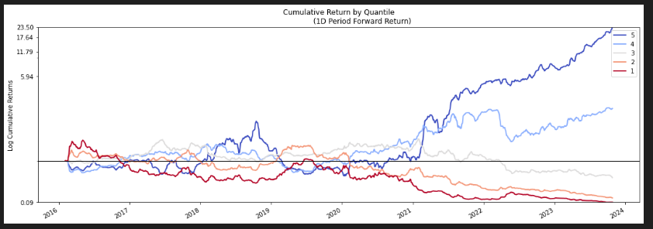
 | Ranked High volume covariance | # 确保数据按照时间排序 df = df.sort_values('time') # 计算high的排名 df['rank_high'] = df['high'].rank(method='first') # 计算volume的排名 df['rank_volume'] = df['volume'].rank(method='first') # 计算窗口期内的协方差 df['covariance_rank_high_volume'] = df['rank_high'].rolling(window).cov(df['rank_volume']) # 对协方差进行排名 df['rank_covariance'] = df['covariance_rank_high_volume'].rank(method='first') # 计算因子值 Alpha#16 df['factor'] = df['rank_covariance'] | window=13 | 0,.037 | 0.154 | 10 | 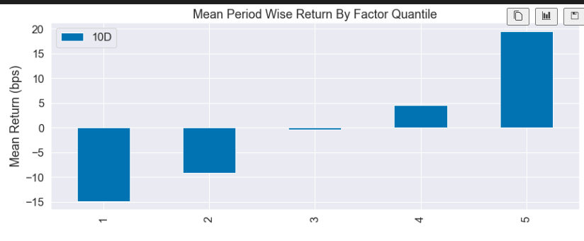 | 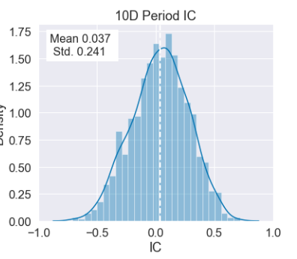 | 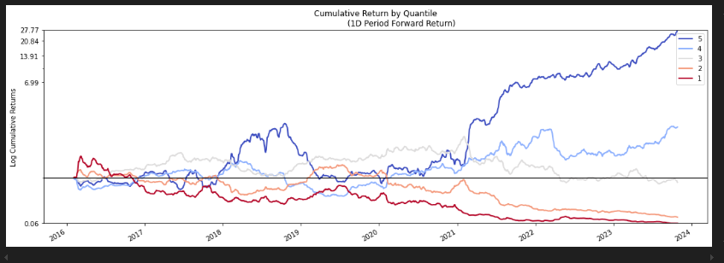
波动率类 | downside_volitilty_ma_factor | # 确保数据按时间排序 df['time'] = pd.to_datetime(df['time']) df.sort_values('time', inplace=True) # 计算日收益率 df['returns'] = df['close'].pct_change() # 计算总波动率 df['total_volatility'] = df['returns'].rolling(window=window_1).std() # 计算下行波动率 downside_returns = df['returns'].apply(lambda x: x if x < 0 else 0) df['downside_volatility'] = downside_returns.rolling(window=window_1).std() # 计算下行波动率占比因子 df['downside_vol_ratio'] = df['downside_volatility'] / df['total_volatility'] # 计算移动平均值 df['downside_vol_ratio_MA'] = df['downside_vol_ratio'].rolling(window=window_2).mean() #计算因子值，占比越小分数越高 df['factor'] = 1 - df['downside_vol_ratio_MA'] | window_1=80 | 0.077 | 0.243 | 30 | 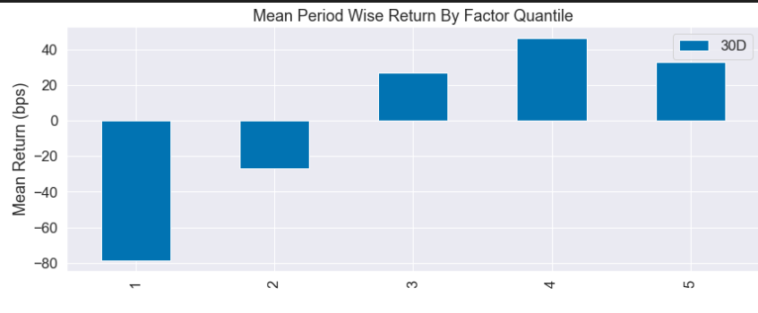 | 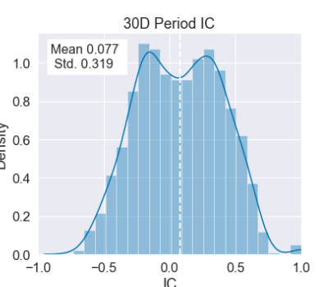 | 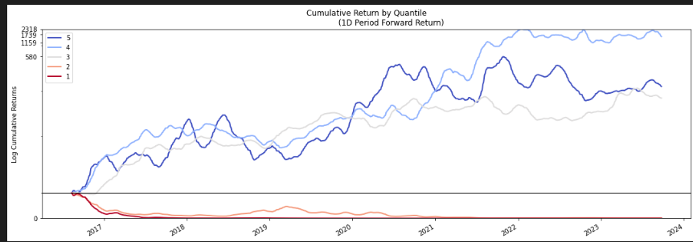
 |  |  | window_2=80
 | short-term extremum volatility factor | """ 计算 Alpha#1 因子值 参数: - df: 包含股票数据的 DataFrame，必须包含 'time' 和 'close' 列 返回: - 包含 Alpha#1 因子值的 DataFrame """ # 确保数据按照时间排序 df = df.sort_values('time') # 计算每日收益率 df['returns'] = df['close'].pct_change() # 计算20日收益率的标准差 df['stddev'] = df['returns'].rolling(window=window_1).std() # 计算条件表达式结果 df['signed_power'] = np.where(df['returns'] < 0, df['stddev'], df['close']) ** 2 # 计算 signed_power 的5日最大值的索引 df['ts_argmax'] = df['signed_power'].rolling(window=window_2).apply(np.argmax, raw=True) # 将 ts_argmax_5 的值进行排名 df['rank'] = df['ts_argmax'].rank(pct=True) # 计算因子值 df['factor'] = df['rank'] - 0.5 | window_1=60 window_2=20 | 0.036 | 0.128 | 10 | 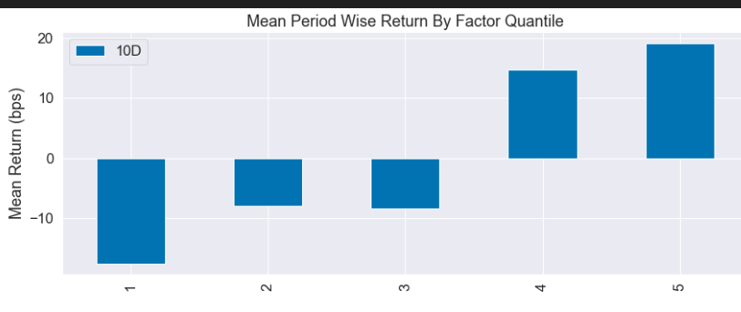 | 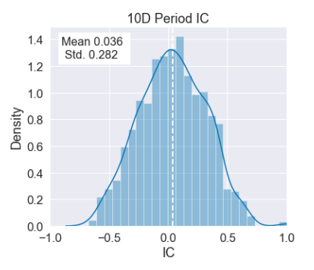 | 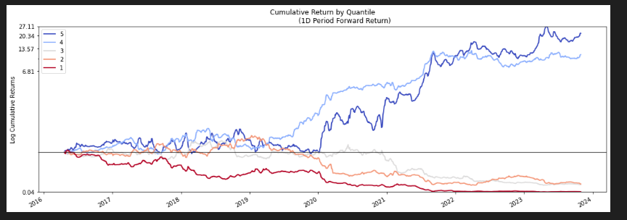
换手率变化 | Turnover_Rate_Change_Factor | df=df.sort_values(by='time') # 计算滚动平均换手率 df['rolling_mean_window1'] = df['ths_free_turnover_ratio_index'].rolling(window=window_1).mean() df['rolling_mean_window2'] = df['ths_free_turnover_ratio_index'].rolling(window=window_2).mean() # 计算因子值 df['factor'] = df['rolling_mean_window2'] / df['rolling_mean_window1'] | Window_1=60 | 0.037 | 0.128 | 20 | 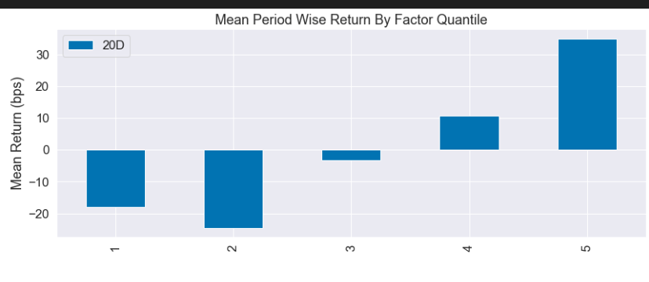 | 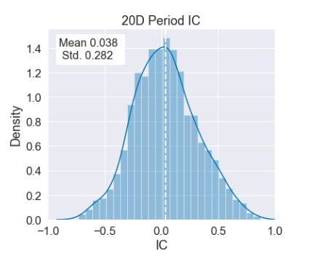
 |  |  | Window_2=30

一致预期类 | fore_roe_change | df=df.sort_values(by='time') df['factor']=df['ths_fore_roe_mean_index'].pct_change(window) | window=140 | 0.056 | 0.233 | 30 | 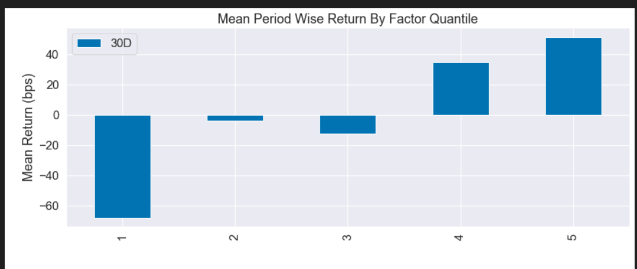 | 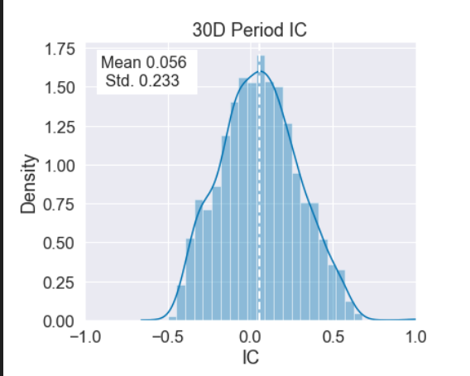 | 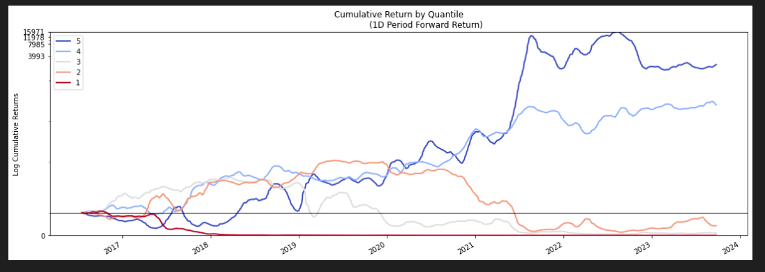
 | fore_eps_change | df=df.sort_values(by='time') df['factor']=df['ths_fore_eps_mean_index'].pct_change(window) | window=140 | 0.4 |  | 20 | 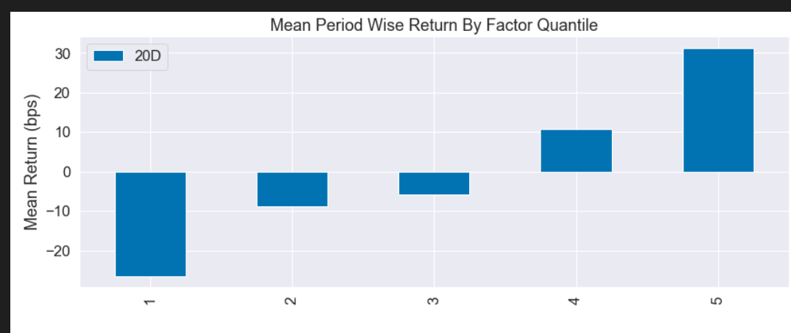 | 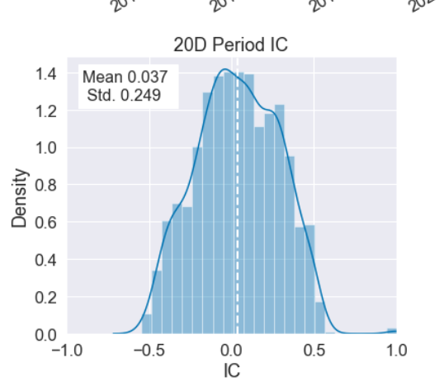 | 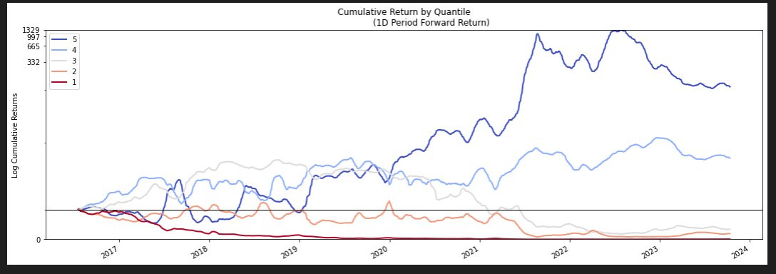
 | fore_roe_two_ma | df=df.sort_values(by='time') df['long_ma']=df['ths_fore_roe_mean_index'].rolling(window_1).mean() df['short_ma']=df['ths_fore_roe_mean_index'].rolling(window_2).mean() df['factor']=(df['short_ma']-df['long_ma'])/df['long_ma'] | window1=120 | 0.052 |  | 80

 |  |  | window2=90
 | fore_roe_bias | def calculate_factor(df,window_1): df=df.sort_values(by='time') df['long_ma']=df['ths_fore_roe_mean_index'].rolling(window_1).mean() df['short_ma']=df['ths_fore_roe_mean_index'] df['factor']=(df['short_ma']-df['long_ma'])/df['long_ma'] return df | window=180 | 0.44 | 0.188 | 20 | 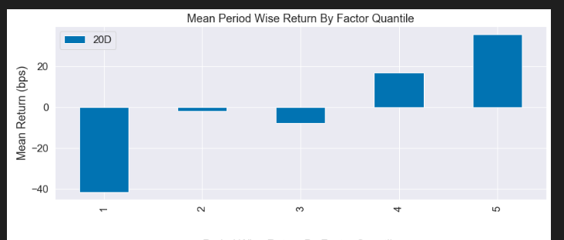 | 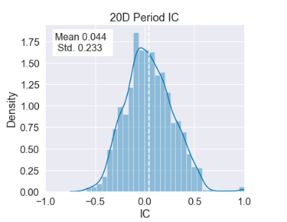 | 
资金流类 | DDE_10D | def calculate_factor(df): df=df.sort_values(by='time') df.loc[:,'factor']=df.loc[:,'ths_dde_10d_hb_index'] return df | 当日数据 | 0.034 | 0.157 |  10 |  |  | 

 | DDE_5D | def calculate_factor(df): df=df.sort_values(by='time') df.loc[:,'factor']=df.loc[:,'ths_dde_5d_hb_index'] return df | 当日数据 | 0.035 | 0.137 |  10 |  |  | 

合成因子
类别 | 因子名称 | IC | ICIR | 最优调仓天数 | 单调性 | 分布 | 分组曲线
动量 | UDVD+Second_Order_Momentum_Factor | 0.055 | 0.17 | 10 |  |  | 


量价关系 | RHVC+RCF | 0.037 | 0.152 | 10

一致预期 | fore_roe_change+fore_roe_bias | 0.053 | 0.23 | 30 |  |  | 

相关性测试结果


