instructions
Welcome! We’re looking for your expert input in this short survey about what happens to PET plastic from beverage bottles in the Netherlands. There isn’t enough data on this, and we urgently need better information to help create models that support smart policies against plastic pollution. Instead of asking for exact numbers—which can be difficult to estimate—we’ll ask you to provide a lower and upper bound that includes all values you consider plausible or able-to-be-believed. The survey follows the journey of these plastics—from when people use them, all the way to when they break down into microplastics in the environment. A lot happens in between, so if you're knowledgeable about any of the topics listed below, we’d really value your help!

If you are knowledgeable in one or more of these topics, please provide a short explanation of your expertise (1-2 sentences) for each relevant topic, and answer the corresponding questions.

Topics | Explanation | Link to questions
Plastic disposal behavior of consumers |  | Questions 1-8
Plastic waste collection and treatment |  | Questions 9-12
Plastic recycling |  | Questions 13-14
Wastewater treatment |  | Questions 15-21
Sewage sludge and compost application |  | Questions 22-24
Cleaning and dispersion of plastic litter |  | Questions 25-29
Plastic degradation in the environment |  | Questions 30-42
Biological uptake and dispersion of microplastics |  | Questions 43-49
Dispersion and degradation of plastic litter |  | Questions 50-53

How to answer the questions?
Answer only the questions under your area of expertise!
The questions may be difficult, but
please share your best approximation!
Follow the rules!

Check whether you answered the question according to the rules!
Rules for all questions: 1. The largest value must be greater than or equal to the lowest value. 2. The best guess must be in between the lowest value and the largest value. Rules for questions with more than one row: 3. The sum of lowest plausible values must be less than or equal to 1. 4. The sum of largest plausible values must be larger than or equal to 1. | Realistically, what do you think is the lowest plausible value? | Realistically, what do you think is the largest plausible value? | Valid and complete response
Lost socks
Questions 1 |  |  | TRUE
What percentage of socks were lost at home during laundry in 2024? | 5% | 10% | TRUE
Question 2 |  |  | TRUE
Of socks lost during laundry at home in 2024, what percentage ended up in the wrong person's closet? | 50% | 80% | TRUE
What percentage ended up in waste? | 30% | 50% | TRUE
What percentage ended up somewhere else? | 0% | 5% | TRUE

How to visualize the questions?

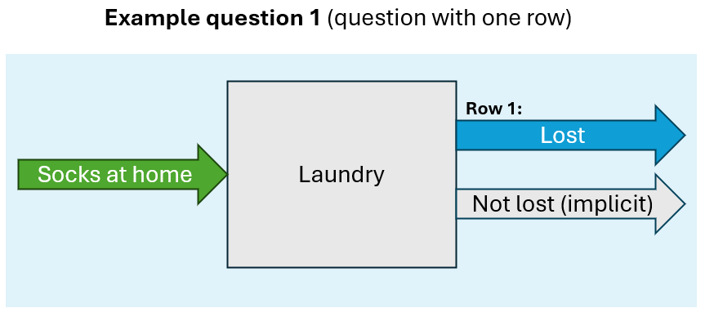
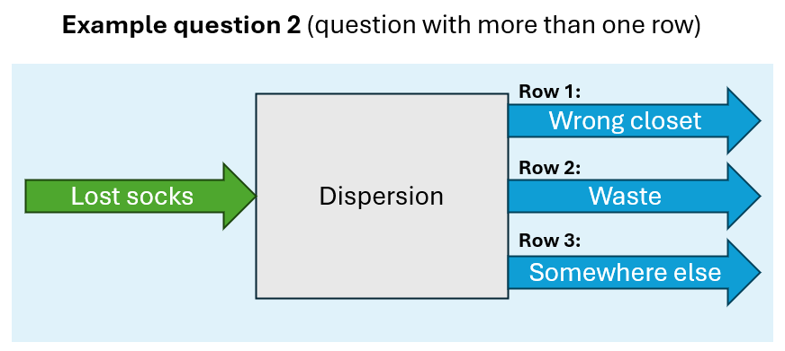

Glossary

Terms | Definitions
Agricultural soil | Soil actively used for farming, including crop cultivation and livestock grazing.
Bare soil | Exposed soil with minimal or no vegetation cover
Beach | Sandy or pebbly zone between land and a water body
Biodegradation | Degradation of plastics by microrganisms
Dumping | Discarding outside of a waste bin and away from the point of use to avoid the constraint of appropriate disposal which can be costly or time-consuming.
Forest soil | Soil found under forested areas
Freshwater sediment | Deposited particles at the bottom of rivers, lakes, or streams in freshwater systems.
Grassland | Soil in open areas dominated by grasses with minimal tree cover
Inland water | Bodies of water such as lakes, rivers, and streams located away from the coast.
Microplastics | Small plastic particulates below 5 mm in size and above 1 µm.
Ocean | Large saline body of water covering much of the Earth's surface
Ocean sediment | Fine particles accumulated on the ocean floor
Photodegration | Degradation of plastics due to UV exposure
Primary wastewater treatment | Wastewater treatment involving influent pumps to bring in raw wastewater and skimming troughs to remove large solids and floating materials.
Residential soil | Soil within or around inhabited areas, such as yards, gardens, or parks in cities or suburbs.
Road side | Soil adjacent to roads
Sanitary landfill | Landfills with gas collection systems.
Secondary wastewater treatment | Wastewater treatment involving primary treatment and biological treatment using aeration tanks to break down organic matter.
Shoreline | Narrow zone between land and a water body, excluding beaches
Shrubland soil | Soil in regions dominated by shrubs or low woody vegetation
Steppe soil | Soil in semi-arid regions characterized by sparse grass and low precipitation
Subsurface soil | Soil located beneath the topsoil layer
Tertiary wastewater treatment | Wastewater treatment involving primary treatment, secondary treatment, and clarification using gravity filters to remove remaining fine particles and impurities.
Wetland | Water-saturated land with hydric soils and aquatic vegetation

